LAMBA
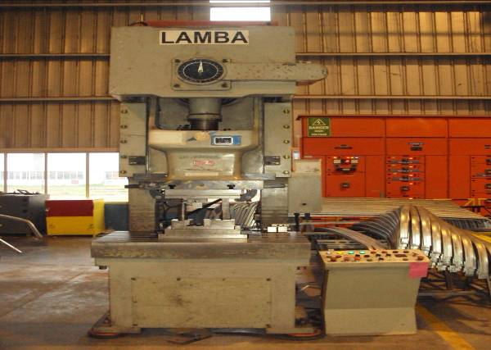
LAMBA PRESS MACHINE |  |  |  | TMML/MS/PP/01
 |  |  |  | ISSUE-01 | REV-00
 |  |  |  | PAGE1-1

MACHINE NAME | : | LAMBA PRESS MACHINE

MACHINE GROUP | : | MPM_GROUP_1.2

TECHNICAL SPECIFICATIONS

MACHINE TYPE | : | JH21-100

NOMINAL FORCE | : | 1100 KN

NOMINAL PRESSURE STROKE | : | 5 MM

SLIDESTROKE | : | 140 MM

NO OF STROKES PER MINUTE | : | 50

MAXIMUM DIE SPACE | : | 350 MM

DIE SPACE ADJUSTMENT | : | 90 MM

THROAT DEPTH | : | 360 MM

BLOSTER DIMENSION | : | 680 X 1100 MM

STEM HOLE SIZE | : | ¢ 50 X 85

DISTANCE BETWEEN UPRIGHT | : | 630 MM

PRESSURE OF CLUTCH | : | 0.5 Mpa

PRESSURE OF BALANCER | : | 0.5 Mpa

PRESSURE OF OVERLOADING PROTECTOR | : | 0.5 Mpa

MOTOR POWER | : | 7.5 Kw

VOLTAGE | : | 415 V ,3 PHASE, 50 Hz

TOTAL CURRENT | : | 17 A

MAIN DISCONNECT CIRCUIT BREAKER | : | 30 A

PROTECTION DEGREE | : | IP 54

PREPARED BY : |  | REVIEWED BY : | APPROVED BY :

