indotech1
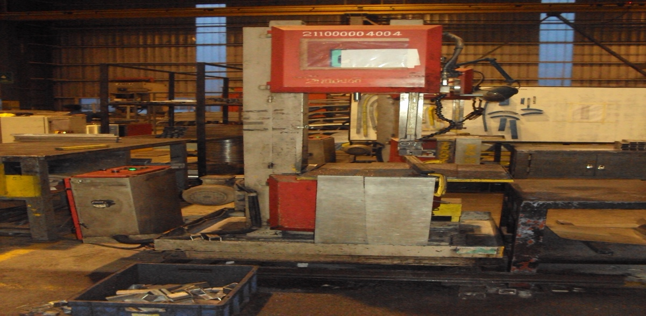
INDOTECH VERTICAL BANDSAW MACHINE
 |  |  |  |  | TMML/MS/PP/01
 |  |  |  |  | ISSUE-01 | REV-00
 |  |  |  |  | PAGE2-2

MACHINE NAME |  | : | INDOTECH VERTICAL BANDSAW MACHINE

MACHINE GROUP |  | : | TCM_GROUP_2.1

TECHNICAL SPECIFICATIONS

THROAT CAPACITY MAXIMUM |  | : | 300 MM

MAXIMUM WORK THICKNESS |  | : | 100 MM

NO OF WHEELS |  | : | 2 NOS IDLER & DRIVER

DIAMETER OF WHEEL |  | : | 360 MM

BLADE SIZE 34,MM |  | : | 27X0.9X3760 MM

CUTTING FEED |  | : | 0-150 M / MIN

MAIN WORKTABLE SIZE |  | : | 600 X 600 X 25 MM

MAIN MOTOR (ELE) |  | : | 3 HP,1425 RPM

FRICTION TYPE WIRE BRUSH |  | : | 4" DIA STD (FIX)

COOLANT MOTOR |  | : | 0.16 HP

BLADE GUIDE BOX TOP |  | : | MOVING TYPY 25 MM

BLADE GUIDE BOX BOTTOM |  | : | FIX TYPE 27 MM

GEAR BOX ( BONF MAKE) |  | : | TA30.35 / D

GEAR BOX OIL GRADE |  | : | 320

LUBRICATION OIL GRADE |  | : | 68

PREPARED BY : | REVIEWED BY : |  |  | APPROVED BY :

