NANO TUBE CUTTING
ITL-NANO CUTTING MACHINE |  |  |  |  | TMML/MS/PP/01
 |  |  |  |  | ISSUE-01 | REV-00
 |  |  |  |  | PAGE 1-1
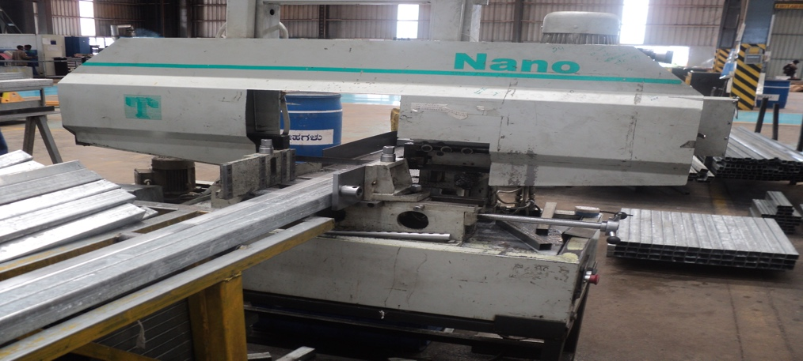

MACHINE NAME |  | : | ITL NANO 250 |  |  |  | ;

MACHINE GROUP |  | : | TCM_GROUP_1.1

TECHNICAL SPECIFICATIONS

CUTTING CAPACITY |  |  | SOLID 180MM ROUND OR SQUARE
 |  | :
BLADE SPEED |  | : | 20 # 100 MTR / MINUTE

SAW MOTOR POWER |  | : | 2 H.P

HYDRAULLIC MOTOR |  | : | 0.5 H.P

COOLANT MOTOR |  | : | 0.16 H.P

HYDRAULLIC TANK CAPACITY |  | : | 3 LTR

COOLANT TANK CAPACITY |  | : | 10 LTR

BLADE |  | : | HSS # BIMETAL # 3505 X 27 X 0.9 MM

ELECTRICAL |  | : | 440V # 3 PHASE # 50Hz (SINGLE PHASE AVAILABLE)

SIZE |  | : | L 1600 X 615 X H1180 WORK HEIGHT FROM FLOOR - 390

WEIGHT |  | : | 620 KGS

PREPARED BY : | REVIEWED BY : |  |  | APPROVED BY :

