CIRCULAR SAW SOCO
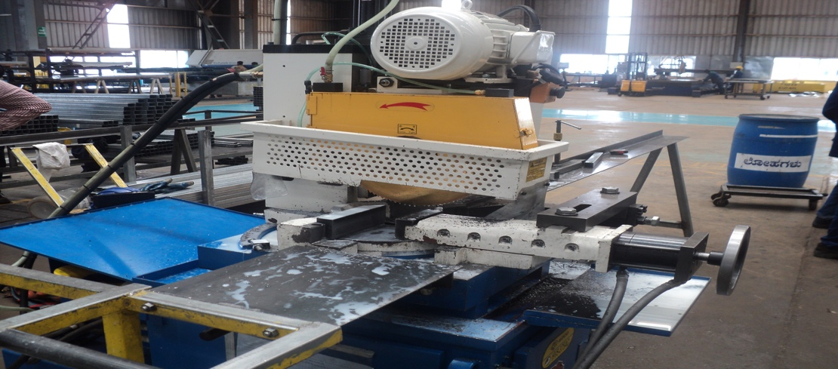
NC SERVO CIRCULAR SAWING MACHINE (HVS-375AC) |  |  |  |  | TMML/MS/PP/01
 |  |  |  |  | ISSUE-01 | REV-00
 |  |  |  |  | PAGE 1-1

MACHINE NAME |  | : | NC SERVO CIRCULAR SAWING MACHINE

MACHINE GROUP |  | : | TCM_GROUP_1.2

TECHNICAL SPECIFICATIONS

MAIN MOTOR (HP / POLE) |  |  | A) 3 / 6 B) 2 / 8 C) 5 / 4
 |  | :
ARBOR RPM (60 Hz) |  | : | A) 72 / 32 B) 55 / 22 C) 108 / 48

HSS SAW BLADE SIZE (MM) |  | : | ¢ 275 ~ ¢ 375

HYDRAULLIC SYSTEM |  | : | MOTOR 3HP,4P,TWIN PUMP,WORKING PRESSURE 25~50 KG /CM²

WEIGHT |  | : | 1100 KG

CUTTING ANLE ROUND TUBE |  | : | ¢ 110 AT 45° AND 90°

CUTTING ANGLE SQUARE TUBE |  | : | 160 X 100 AT 90° AND 110 X 100 AT 45°

PREPARED BY : | REVIEWED BY : |  |  | APPROVED BY :

