Architecture Diagrams
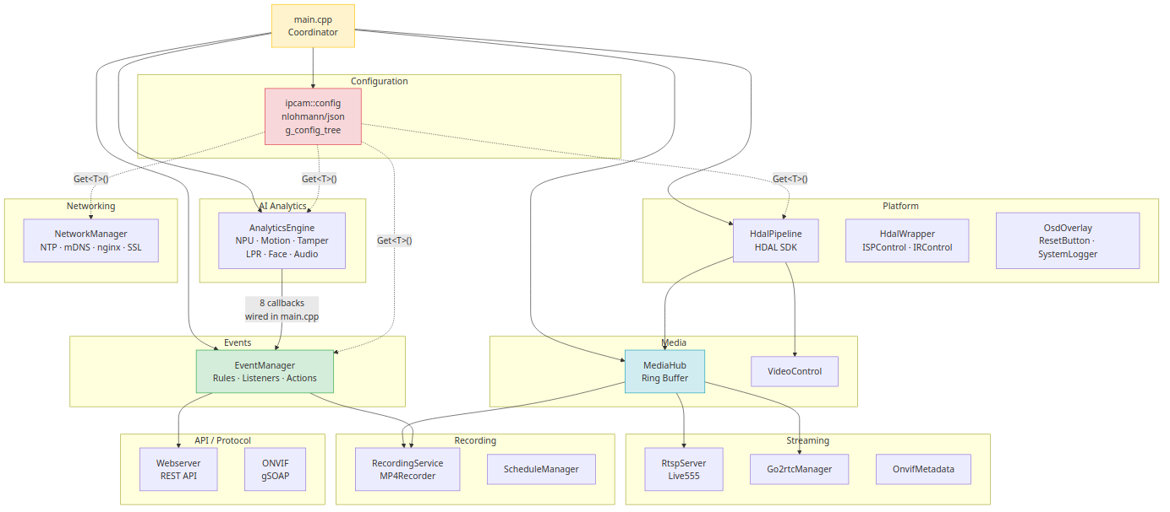
1 — Startup & Shutdown Sequence
Shows the 23-step ordered startup dependency chain and the reverse shutdown order.
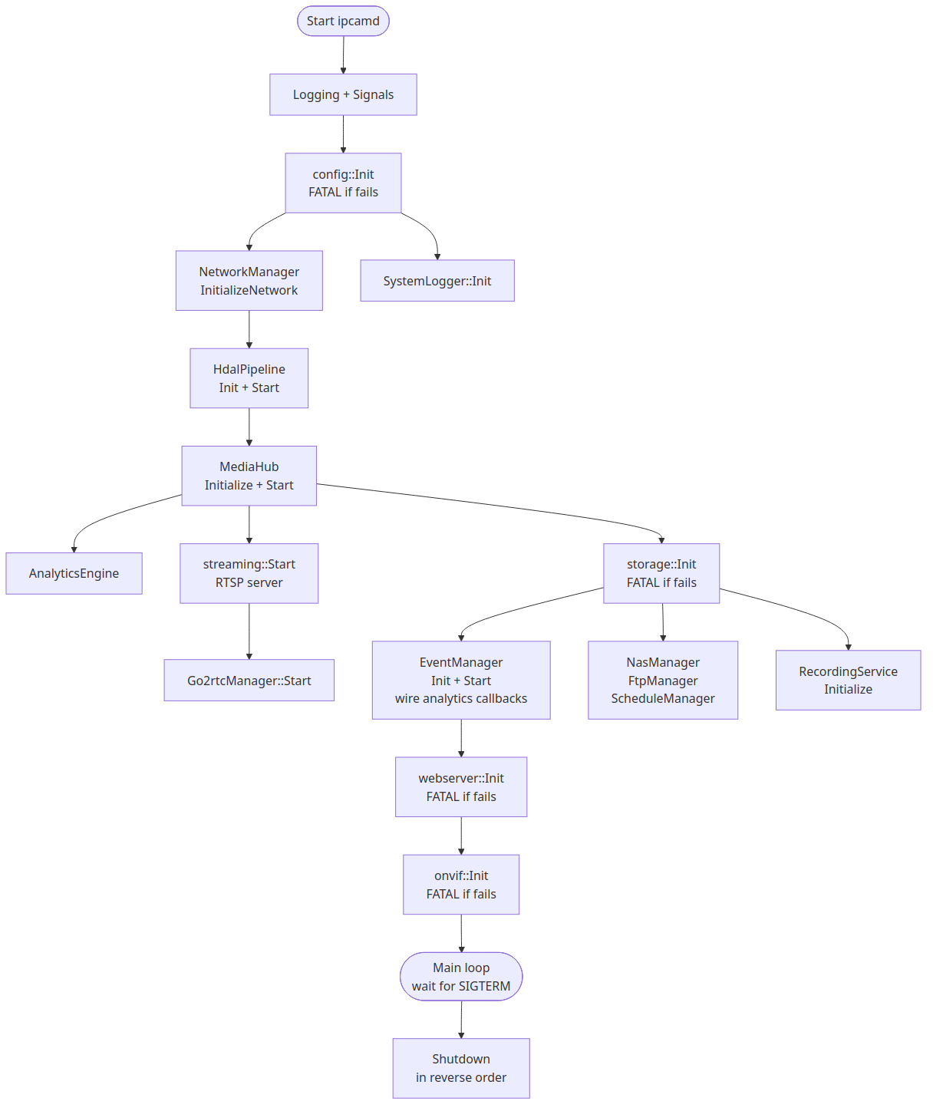

2 — Video Pipeline Data Flow
Sensor → ISP → VideoProc → HDAL encoders → MediaHub ring buffer → RTSP / Recording / WebRTC consumers.
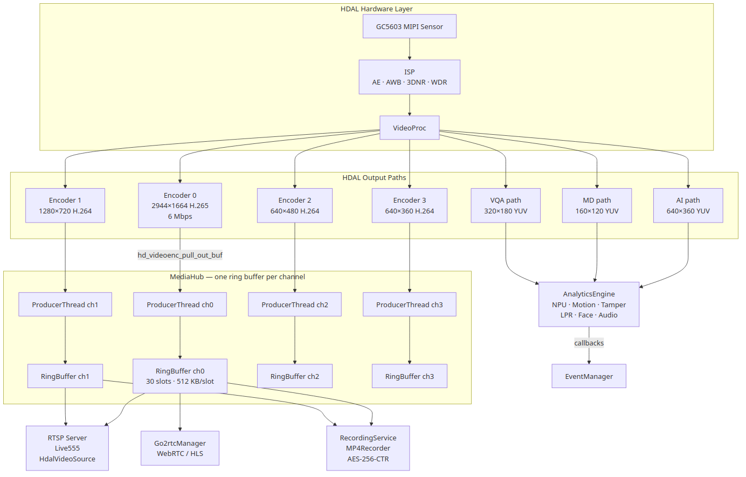

3 — Event System Data Flow
AI analytics callbacks → EventManager queue → rule matching → action handlers (recording, email, MQTT, FTP…).
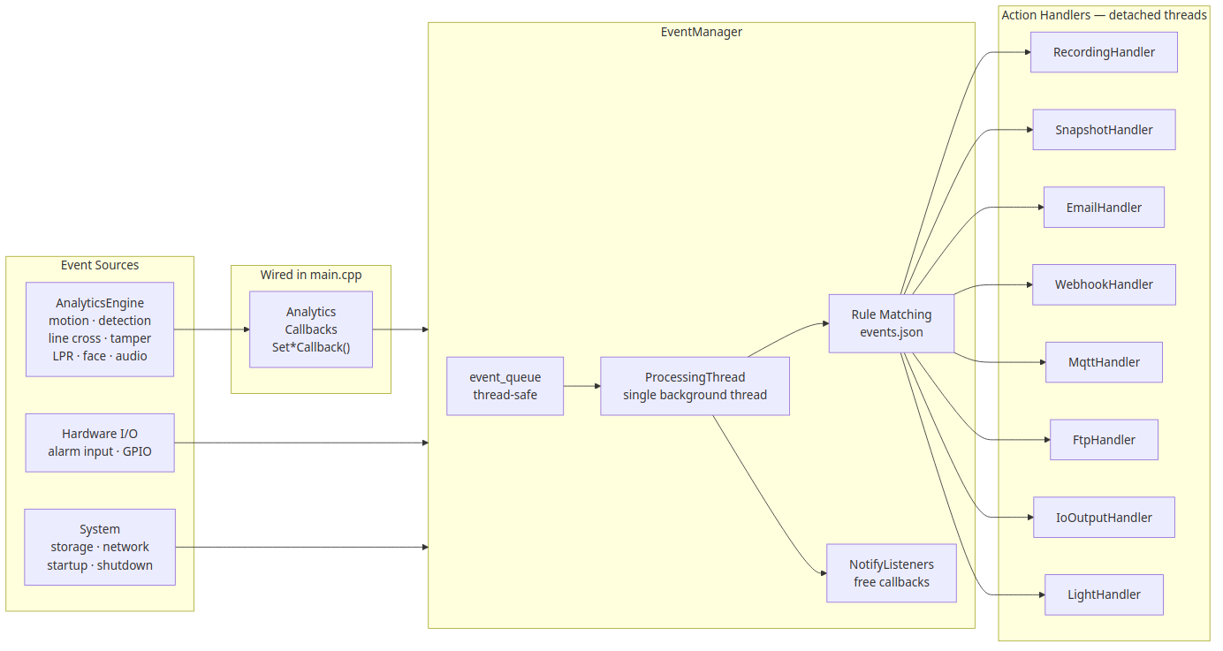

4 — Configuration Layering
Three-layer JSON merge: factory defaults → deployment overrides → user delta. Delta-only atomic save.
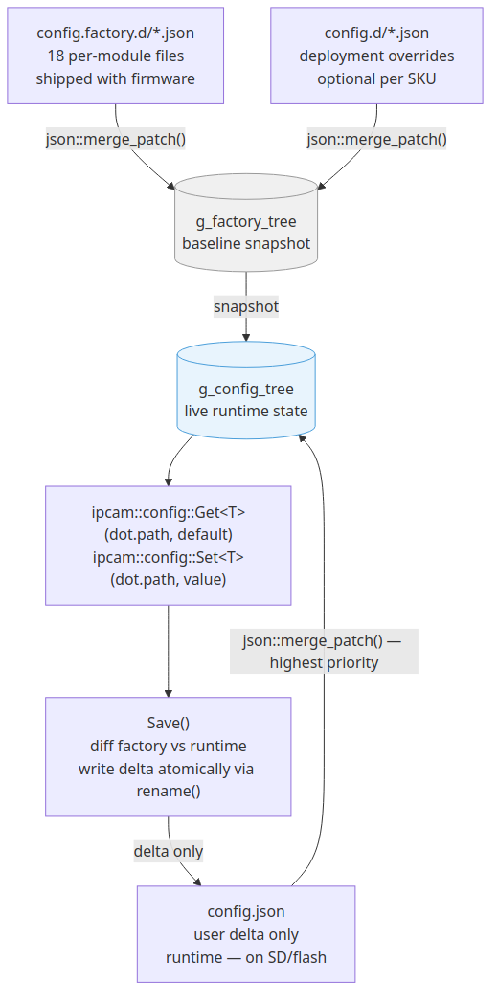

5 — Module Dependency Map
All 11 modules and their relationships. Config is read by every module. main.cpp wires AI to EventManager.

