Assignment1
 |  | Assignment 1: Comparative analysis of different computer networks topology
 |  | Data Communication and Computer Network CSE 339
 |  | By Shyed Shahriar Housaini MCE 079 05536

 |  | Network topology: Network topology is the arrangement of the elements (links, nodes, etc.) of a communication network. Network topology can be used to define or describe the arrangement of various types of telecommunication networks, including command and control radio networks,[3] industrial fieldbuses and computer networks. Network topology is the topological structure of a network and may be depicted physically or logically. It is an application of graph theory wherein communicating devices are modelled as nodes and the connections between the devices are modelled as links or lines between the nodes. Physical topology is the placement of the various components of a network (e.g., device location and cable installation), while logical topology illustrates how data flows within a network. Distances between nodes, physical interconnections, transmission rates, or signal types may differ between two different networks, yet their logical topologies may be identical.

Sl.NO. | BASIS FOR COMPARISON | Star Topology | Bus Topology | Ring Topology | Mesh Topology
 |  | 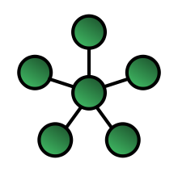 | 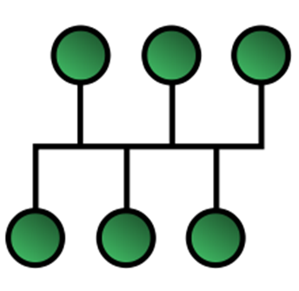 | 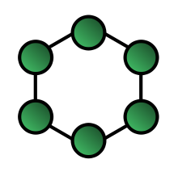 | 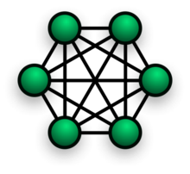
1 | Definition | Star – Also known as a spoke and hub configuration, in this setup devices are connected not to one another but rather to a central master/controller or hub. So messages can’t be passed from one device to another directly but must go through the central master/controller. | Bus – In a bus topology, all devices (or nodes) are connected together through a common link called the bus. Each node on the bus receives all the network traffic. | Ring – Each node in a ring topology connects to exactly two other nodes. This forms a single pathway for signals through each node of the network, which resembles a ring. Messages or frames travel through the entire ring and can theoretically be picked up and/or read by any device on the ring. | Mesh - In mesh topology each device is connected to every other device on the network through a dedicated point-to-point link. When we say dedicated it means that the link only carries data for the two connected devices only. Lets say we have n devices in the network then each device must be connected with (n-1) devices of the network. Number of links in a mesh topology of n devices would be n(n-1)/2.
2 | Organisation or Architecture structure | Star topology is a topology in which all devices are connected to a central hub. | Bus topology is a topology where each device is connected to a single cable which is known as the backbone. | In Ring topology each device is connected to two other devices in a circular fashion. | Mesh topology is a topology where each device is connected to every other device in the network.
3 | Failure point | In star topology, if the central hub fails then the whole network fails. | In a Bus topology, the failure of the network cable will cause the whole network to fail. Bus topology is more reliable than Ring topology | Ring topology is less reliable as failure of one device affects whole network. | In Mesh topology failure of one device will not cause the break in transfer of data.
4 | Speed | Data transmission is faster in a star topology bus topology. | In a Bus topology, the data is transmitted slower as compared to a star or mesh topology. | The access speed is less than Bus topology because of sequential access. | Mesh topology transmits data faster than bus topology.
5 | High Traffic Management | Management of high traffic and performance of the network is highly dependent on the capacity of the central hub. | Bus topology can not effectively manage a terminator’s high amount of traffic as if there is high traffic then the performance of the network is affected. | Although other topologies might be faster than this design, most organizations discover that the ring configuration still does an excellent job. High-speed data packet transfers are still possible with this design. | Mesh topology can manage high amount of traffic in the network as multiple devices can transmit data.
6 | Cost | Star topology has a high implementation cost because of the central hub and extra wires required for connection. | Bus topology is less expensive than a star or mesh but more expensive than ring topology. | Ring topology has lower implementation cost than bus topology. | Mesh topology is more costly than bus topology.
7 | Security |  | Bus topology provides less security as compared to mesh topology. |  | Mesh topology provides more security than bus topology.
8 | Expansion of network | A new cable is plugged in from the new node to the hub. Expansion is easier -New nodes can be easily added in the network without affecting the network performance. Centralized control of the network helps easy manageability and quick scalability of the star network. | In Bus topology new device is added very easily. | Expansion of network i.e. addition of new node is difficult. Addition of new device is difficult in Ring topology than Bus topology. In order to add a new node, a connection must be broken which turns down the network. | Easiest to expand.
9 | Data Transfer route | In star topology the communication between nodes is done through a central hub, a message from the sender node reaches the central hub first then it is transmitted to the receiver node. | In a Bus topology, the data from a sender device to a receiver device is sent directly. | In Ring topology data is sent through the devices from sender to receiver device..
10 | Fault identification | Fault identification and isolation are relatively easier. | Fault identification and isolation are not easier. | Tracking fault is easy in Ring topology than Bus topology.
11 | Data Collision | Chances of data collision are less | Data collisions occur frequently
12 | Terminator | Star topology does not have any terminator. | Bus topology has a terminators at both ends of the network. | Ring topology do not contains any terminators.
13 | Complexity |  | Bus topology is relatively easier to understand. |  | Mesh topology is more complex to understand as compared to other topology.
14 | Cable | Uses twisted pair cables which cover distance up to 100 meters. |  |  | Twisted pair, coaxial, fibre optic cable, any of the cable type can be used depending on the type of networks.
15 | Robustness | Intermediate |  |  | Highly robust
16 | Fault isolation | Easy |  | Difficult
17 | Amount of cabling required | Larger | Less than mesh | Less as compared to star topology | Very Large

 | References: | https://www.wikipedia.org/ | https://stackoverflow.com/ | https://stackexchange.com/

 |  | https://scholar.google.com/ | https://www.cisco.com/

