Register
Module Code
Check Requirement
Tester
Status | Pass | Fail |  | Not Run | N/A |  | Number of test case
Round test 1 | 5 | 5 |  | 0 | 0 |  | 10
Round test 2 | 6 | 4 |  | 0 | 0 |  | 10

Test Case ID | Test case Description | Pre-condition | Step | Excepted Output | Actual Output | Result |  | Result |  | Note
 |  |  |  |  |  | Round test 1 |  | Round test 2
 |  |  |  |  |  | Status | Tester | Status | Tester
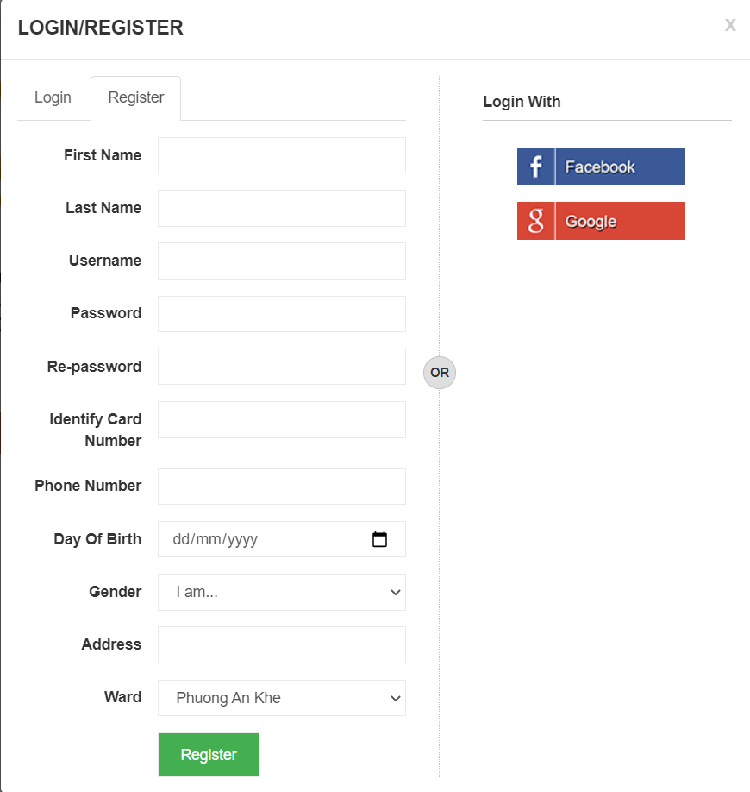

Function Testing
TC_01 | Select missing or incompletely fill in any data field in the table | Connect to database and open application | Implement the steps in turn according to the form and randomly select 1 blank box | Display[Please enter all information to continue!] |  | Pass | Tuan | Pass | Tuan
TC_02 | check the data type in the Phone cell | Connect to database and open message box | 1. Enter data in cells. 2.Enter [Phone]="123123" and enter [button] . | Display ["Successful registration"] |  | Fail | Tuan | Fail | Tuan
TC_03 | check the data type in the Phone cell | Connect to database and open message box | 1. Enter data in cells. 2Enter [Phone]="0123123123" and enter [button] . | Display [Successful registration !] |  | Pass | Tuan | Pass | Tuan
TC_04 | check the data type in the phone number | Connect to database and open message box | 1. Enter data in cells. 2.Enter [Phone]="1234561234" and enter [button] . | Display [Successful registration !] |  | Fail | Tuan | Fail | Tuan
TC_05 | check the data type in the Day Of Birth | Connect to database and open message box | 1. Enter data in cells. 2.Enter [Day Of Birth]="11/11/1111" and enter [button] . | Display [Successful registration!]. |  | Fail | Tuan | Fail | Tuan |  | s
TC_06 | check the data type in the Day Of Birth | Connect to database and open message box | 1. Enter data in cells. 2.Enter [Day Of Birth]="11/20/1999" and enter [button] . | Display [11/02/1999 ]. |  | Pass | Tuan | Pass | Tuan
TC_07 | check the data type in the Day Of Birth | Connect to database and open message box | 1. Enter data in cells. 2.Enter [Day Of Birth]="11/10/1999" and enter [button] . | Display [Successful registration! ]. |  | Pass | Tuan | Pass | Tuan
TC_08 | check the data type in the Identify Card Number | Connect to database and open message box | 1. Enter data in cells. 2.Enter [Identify Card Number]="123aâ" and enter [button] . | Display [Successful registration! ]. |  | Fail | Tuan | Fail | Tuan
TC_09 | check the data type in the Identify Card Number | Connect to database and open message box | 1. Enter data in cells. 2.Enter [Identify Card Number]="123123123" and enter [button] . | Display [Successful registration! ]. |  | Pass | Tuan | Pass | Tuan
TC_10 | check the data type in the Re-password | Connect to database and open message box | 1. Enter data in cells. 2.Enter [Password]="123",Enter [Re-password]="1234" and enter [button] . | Display [Successful registration! ]. |  | Fail | Tuan | Pass | Tuan

Admin's Login
Module Code | Admin's Login
Check Requirement
Tester
Status | Pass | Fail |  | Not Run | N/A |  | Number of test case
Round test 1 | 10 | 1 |  | 0 | 0 |  | 11
Round test 2 | 10 | 1 |  | 0 | 0 |  | 11

Test Case ID | Test case Description | Pre-condition | Step | Excepted Output | Actual Output | Result |  | Result |  | Note
 |  |  |  |  |  | Round test 1 |  | Round test 2
 |  |  |  |  |  | Status | Tester | Status | Tester
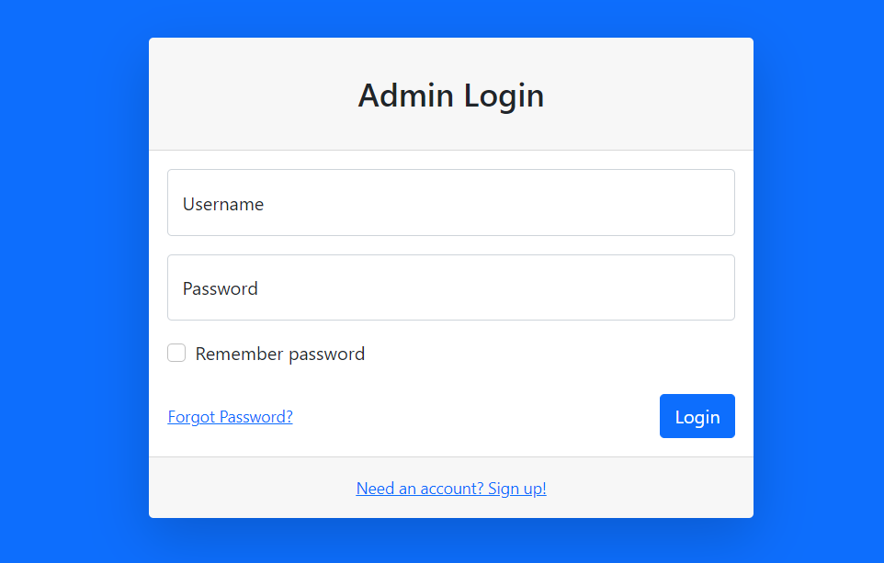

TC_01 | [Username] Textbox |  |  | Alignment = Center, Above[Login to Food & Medicine Order Online System Admin] |  | Pass | Tuan | Pass | Tuan
 |  |  |  | Enabled
TC_02 | [Password] Textbox |  |  | Alignment = Center, Under[Username] |  | Pass | Tuan | Pass | Tuan
 |  |  |  | Enabled
TC_03 | [Login]Button |  |  | Alignment = Center, Under[Passsword] |  | Pass | Tuan | Pass | Tuan
 |  |  |  | Type = "Button"
Function Testing
TC_04 | Check if admin is able to open [Login] application successfully. | Connect to database and open application | 1. Enter data at [Enter Username] textbox: "admin" 2. Enter data in [Enter password] textbox: “123456” 3. Click on [LOGIN] button. | Display dashboard |  | Pass | Tuan | Pass | Tuan
TC_05 | Check unsuccessfully when admin does not enter in all off the fields. | Connect to database and open message box | 1. Do not enter data in all of the fields. 2. Click on [LOGIN] button. | Display [Wrong username or password!] |  | Pass | Tuan | Pass | Tuan
TC_06 | Check when admin has not entered username or password. | Connect to database and open message box | 1. Do not enter username or password 2. Click on [LOGIN] button. | Display [Wrong username or password!] |  | Pass | Tuan | Pass | Tuan
TC_07 | Check if the account does not exist in the system. | Connect to database and open message box | 1.Enter [Username]= "admin1@gmail.com" and enter[Password] = "admin1", data not exits in the databases. 2. Click on [LOGIN] button. | Display [Wrong username or password!] |  | Fail | Tuan | Fail | Tuan
TC_08 | Check unsuccessfully when admin enter the invalid data in [Enter Username] textbox and enter empty data in [Enter password] textbox. | Connect to database and open message box | 1. Enter data at[Enter Username] textbox: “admin@gmail.com” 2. Do not enter data at [Enter password] textbox. 3. Click on [LOGIN] button. | Display [Wrong username or password!] |  | Pass | Tuan | Pass | Tuan
TC_09 | Check unsuccessfully when admin enter the invalid data in [Enter Password] textbox and enter empty data in [Enter Username] textbox. | Connect to database and open message box | 1. Enter data at[Enter Password] textbox: “123123” 2. Do not enter data at [Enter Username] textbox. 3. Click on [LOGIN] button. | Display [Wrong username or password!] |  | Pass | Tuan | Pass | Tuan
TC_10 | Check successfully when admin enter 255 characters in [Enter Username] textbox. | Connect to database and open message box | "1. Enter data at [Enter Username] textbox: “admin123456….255” 2. Enter data in [Enter password]textbox: “123123aa” 3. Click on [LOGIN] button." | Display [Wrong username or password!]. |  | Pass | Tuan | Pass | Tuan
TC_11 | Check unsuccessfully when doctor enter special characters and text in [Enter Username] textbox. | Connect to database and open message box | 1. Enter data at [Enter Username] textbox: “vanman!@#$%^&*()+” 2. Enter data in [Enter password] textbox: “vanman123” 3. Click on [LOGIN] button. | Display [Wrong username or password!]. |  | Pass | Tuan | Pass | Tuan

Ward management
Module Code | Admin's Login
Check Requirement
Tester
Status | Pass | Fail |  | Not Run | N/A |  | Number of test case
Round test 1 | 6 | 0 |  | 0 | 0 |  | 6
Round test 2 | 6 | 0 |  | 0 | 0 |  | 6

Test Case ID | Test case Description | Pre-condition | Step | Excepted Output | Actual Output | Result |  | Result |  | Note
 |  |  |  |  |  | Round test 1 |  | Round test 2
 |  |  |  |  |  | Status | Tester | Status | Tester
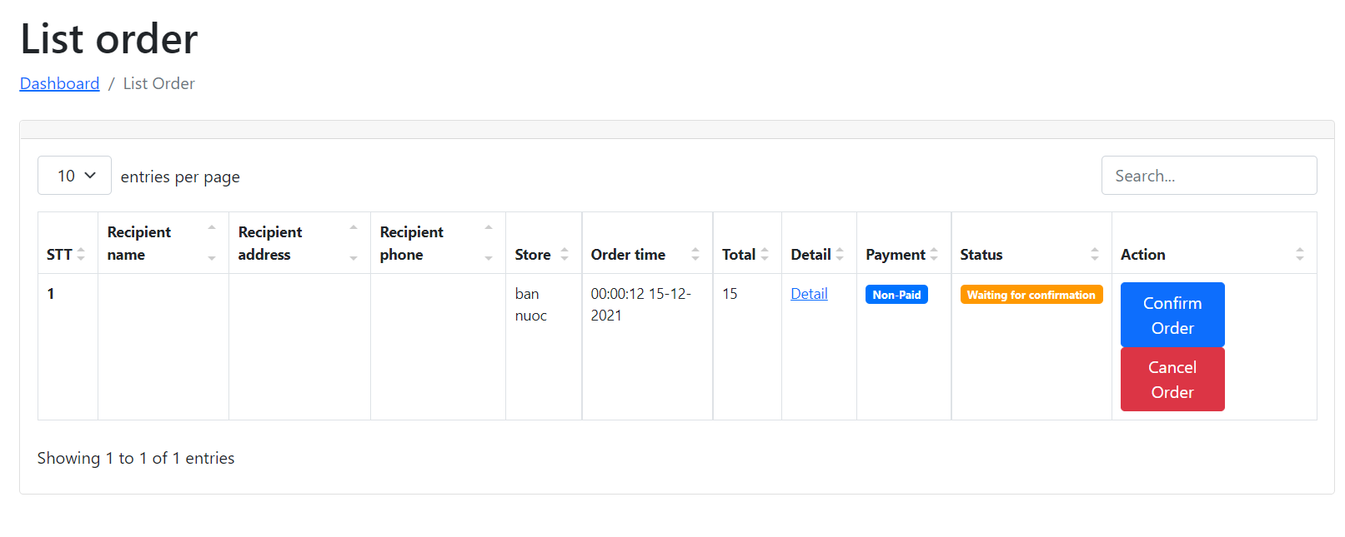

Function Testing - Check Function List Order
TC_01 | Check Ward Managerment[Confirm order] | Connect to database and open application | Select the employee you want to Confirm and press [Confirm order] | Display[success] |  | Pass | Tuan | Pass | Tuan
TC_02 | Check Ward Managerment[Cancel order] | Connect to database and open message box | Select the employee you want to Cancel and press [Cancel order] | Display [success] |  | Pass | Tuan | Pass | Tuan
Function Testing- Check Function Dashboard
TC_03 | Check total Open Store | Connect database and display on dasboard |  | Display total Open Store |  | Pass | Tuan | Pass | Tuan
TC_04 | Check total User Active | Connect database and display on dasboard |  | Display total User Active |  | Pass | Tuan | Pass | Tuan
TC_05 | Check total Order | Connect database and display on dasboard |  | Display total Order |  | Pass | Tuan | Pass | Tuan
TC_06 | Check total New Order | Connect database and display on dasboard |  | Display total New Order |  | Pass | Tuan | Pass | Tuan

Test Report
Project Code |  |  | Reviewer/Approver
Document Code | Test Case |  | Date |  | 23/05/2021
Notes

No | Module Name | Pass | Fail | Not Run | N/A | Number of test cases | Test Case Planned | Test Case Pass | Test Case Fail
1 | Register | 6 | 4 | 0 | 0 | 10 | 86 | 78 | 8
2 | Login | 10 | 1 | 0 | 0 | 11
3 | Admin-Employee | 13 | 0 | 0 | 0 | 13
4 | Wards-Employee | 6 | 0 | 0 | 0 | 6
5 | Store - Employee | 11 | 0 | 0 | 0 | 11
6 | Admin's And Manager Dashboard | 27 | 1 | 0 | 0 | 28
7 | User-Functionn | 5 | 2 | 0 | 0 | 7
 | Total | 78 | 8 | 0 | 0 | 86

