Sheet1
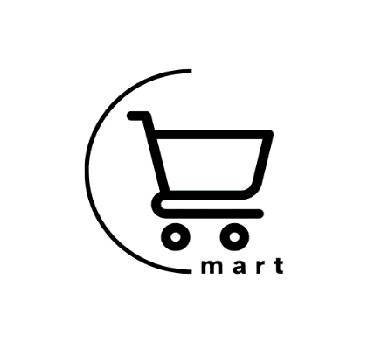

CMART GROCERY STORE

