Sheet1
S.N | Name | Image | Faculty Type | Joining Date | Position | Mail | Mobile Number | SU ID | Academic Background (HSC,B.Sc. , M.Sc. Ph.D | Short Biography | Professional Experience | Publication | Awards and Achievement | Field of Specialisation | Field of Interest | Google Scholar / Research Link | Fellowship/Membership of Scientific and Professional Society
1 | Md. Tajbir Husain | 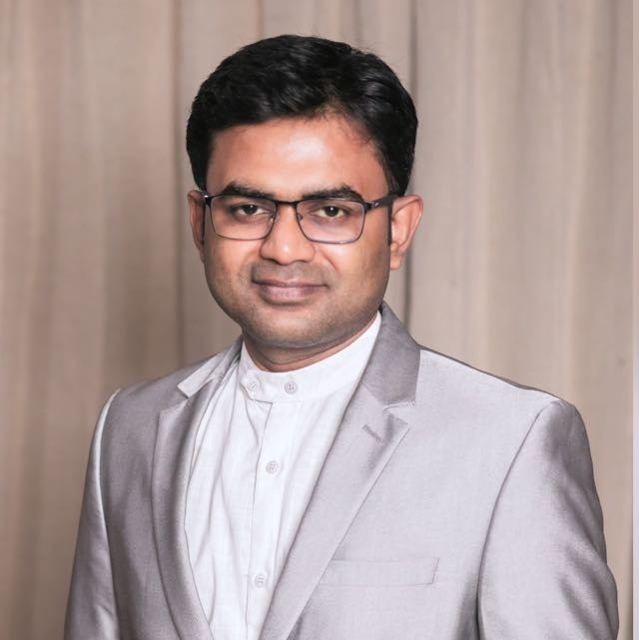 | Full-time | 2023-01-01 | Assistant professer and Head | tajbirsojib@gmail.com | 01955529878 | SU2301064637 | HSC in Notre Dame College, Dhaka. B.Sc. in Apparel Manufacturing & Technology from NIFT EMBA (Supply Chain Management) from Sonargaon University MSS from University of Dhaka | Md. Tajbir Husain Sojib is an Assistant Professor and Head of the Department of Apparel Manufacture and Technology (AMT) at Sonargaon University, Bangladesh. He has over 12 years of experience in higher education, research, training, journalism, and leadership development. His expertise includes apparel manufacturing, merchandising, supply chain management, fashion marketing, digital transformation, and AI applications in education and the apparel industry. He has published several research articles in international journals and authored 15+ books on apparel, marketing, digital transformation, journalism, and career development. Alongside academia, he serves as Editor & CEO of The Daily Odhikar and Editorial Advisor of Bd24live Media Ltd. He has also worked as a guest teacher, trainer, mentor, and judge with leading universities and organizations, including North South University, UNICEF, STEP, UIU Hult Prize, Green University, and DUET. His mission is to bridge academia and industry by preparing future professionals through innovative teaching, research, leadership development, and technology-driven education. | 12 Years | 1. Polas, M. R. H., Alam, M. S., Falahat, M., Husain, M. T., & Molla, M. O. F. (2025). To the moon and beyond: How nano‑entrepreneurs and digital currency are revolutionizing the future of business in space!. In FinTech and Robotics Advancements for Green Finance and Investment (pp. 65–102). IGI Global. 2. Ahmed, B., Habib, M. A., Alam, M. S., Bhuiyan, K. H., Rabbani, M. G., & Husain, M. T. (2025). From waste to wealth: Unlocking the potential of Bangladesh’s okra fiber for economic prosperity. Journal of Textile Science and Technology, 11(1), 20–36. 3. Husain, M. T., Rabbani, M. G., Alam, M. S., Salim, S. B., & Chowdhury, T. (2024). The role of social media influencers on consumer behavior and brand perception in the fashion industry. International Journal of Progressive Research in Engineering Management and Science (IJPREMS), 4(12), 967–973. ISSN: 2583-1062. 4. Husain, M. T., & Selim, S. B. (2024). Circular economy models in fashion: Closing the loop on textile waste and recycling. International Journal of Research Publication and Reviews (IJRPR), 5(5), 444–447. ISSN: 2582‑7421. 5. Husain, M. T. (2024). A critical study on enhancing sustainable practices in apparel merchandising supply chains. International Journal of Research Publication and Reviews (IJRPR),5(3),7227–7235. ISSN: 2582‑7421. 6. Salim, S. B., & Husain, M. T. (2024). The role of artificial intelligence in autonomous vehicles: Challenges and opportunities. International Journal For Multidisciplinary Research (IJFMR), 6(5), 1–6. E‑ISSN: 2582‑2160. | Multiple National Awards from the Ministry of Information | BOOKS Author of 15+ books, including: Marketing Maverick Supply Chain Management Digital Turn Search Engine Optimization Secret Success of Digital Marketing Build Your Career Journalism Books
2 | Tasnuva Binta Momin | 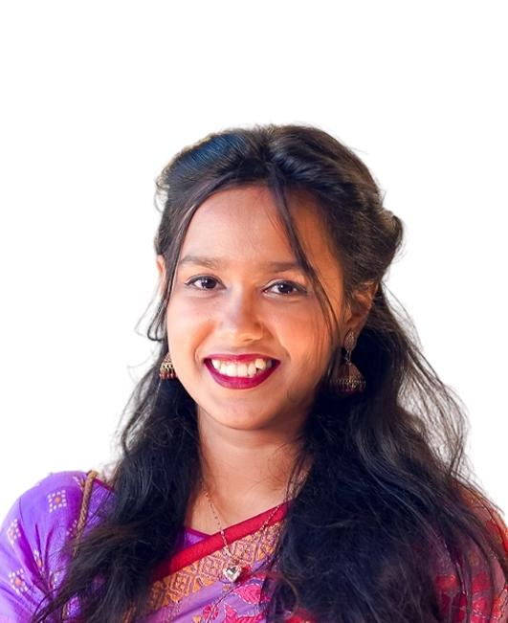 | Full-time | 2025-03-07 | Lecturer and Course Coordinator | tasnuvamomin.su@gmail.com | 01874304079 | SU2507034841 | HSC in Holy Cross College B.Sc. in Textiles Engineering(Apparel) from Bangladesh University of Textiles (BUTEX) M.Sc. in Textiles Engineering(Apparel) from Bangladesh University of Textiles (Ongoing) | Tasnuva Binta Momin is a dedicated and enthusiastic young educator with great communication skill and problem solving capacity who joined as a Lecturer in the Department of Apparel Manufacture & Technology of Sonargaon University, Bangladesh from July, 2025. Currently she is working as course coordinator of the department. She has completed her Bachelor of Science in Textile Engineering (Apparel) from Bangladesh University of Textiles (BUTEX) with an outstanding CGPA of 3.93 out of 4 (Ranked 3 rd in Department of Apparel Engineering at BUTEX). She is interested in employing her knowledge in academia. She has passed her Higher Secondary Certificate examination in 2017 from Holy Cross College, Dhaka; Secondary School Certificate examination in 2015 from Feni Govt. Girls’ High School, Feni. She has successfully secured the Talent pool Scholarship &amp; ranked within top 100 in both of the exams. She is currently pursuing her Masters of Science in Textile Engineering (Apparel) from Bangladesh University of Textiles (BUTEX). At her early career, She worked as a merchandising intern in C & A Bangladesh, a reputed buying house in Bangladesh, . Before joining Sonargaon University, She served as Lecturer in Department of Textile Engineering at City University, Bangladesh for almost two years. Tasnuva has a keen interest in being up-to-date about current events of National and International platforms, enjoys passing her time on research and shares her knowledge to others who are interested in similar subjects. She excels under pressure, is multitasking oriented. Her research interest is in Garment Washing & Dyeing, Sustainable Medical Textile, DNA Dyeing, Medical Textiles. | Currently working as Lecturer and Coordinator in Department of Apparel Manufacture & Technology at Sonargaon University Wroked as Lecturer in Department of Textile Engineering at City University for 2years Wroked as Merchandising Intern at C & A Bangladesh |  | Dean’s list Students Award in Academic Excellence for three times ( Level-2,Level-3 & Level 4) Talent-pool Scholarship in Higher Secondary School Certificate Level from Dhaka Board in Top 100. Secured 13th Position in Talent-pool Scholarship in Secondary School Certificate Level from Dhaka Board in Top 100. | Composite materials, Applied mechanics, Biopolymer composites, and Renewable energy. | Garment Washing & Dyeing, Sustainable Medical Textile, DNA Dyeing, Medical Textiles. |  | N/A
3 | Mohammed Shamsul Alam | 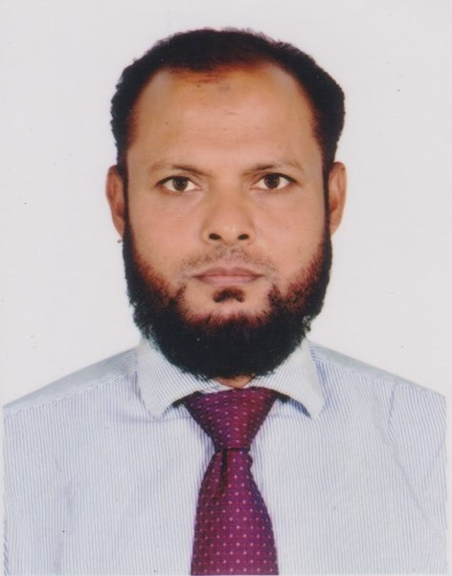 | Full-time | 16/11/2014 | Assistant Professor | shamsul.su01@gmail.com | 01955-544919 | SU1411162028 | HSC from Notre Dame College, Dhaka. BA, Dhaka College, National University MBA, University of Derby, UK | Mohammed Shamsul Alam is an Assistant Professor of Apparel Manufacture and Technology (AMT) Department who has been serving in SU for about 12 years, joining on the 16th November 2014 as a Sr. Academic Executive. Mr. Alam was promotted as Assistant Rregistrar on the 1st October 2016 and as Deputy Registrar on the 1st November 2018. He had been serving as the Head of Student Welfare Division, Student Advisor from the 1st October 2017 to the 8th August, 2020. On the 9th August 2020, Mr. Alam was appointed as an Assistant Professor and the Coordinator of AMT, FDT, MAM & MTFM programs. He has ginen up the coordinatorship from the 26th June 2026 and at present he is serving as an Assistant Professor of AMT, FDT,MAM, MAMS & MTFM programs. Mr. Alam has a couple of years of British experiences while he has completed his Masters of Business Administration (MBA) from the University of Derby, UK in 2005. Before joining in SU, Mr. Alam had been working in Institute of Science, Trade & Technology (ISTT) as an Assistant Professor & Coordinator of School of Textile & Fashion Management for more than 7 years where he had to look after the programs,- Diploma in Textile Engineering and Diploma in GDPM; BSc (Hon's) in AMT, KMT & FDT and MBA in Apparel Merchandising. His research interests focus on Decision Making Process, Washing Impact on Jeans, Apparel Buying Behavior of Teenagers, Trend Forecasting and it's impact on RMG sector, Micro Seasonal Fashion Impact on RMG sector, 3D virtual pattern, 3D Virtual Simulation, Waste Management etc. | a total of about 19 years of which about 12 years in SU | 1. Md. Ahshan Habib, Mohammed Shamsul Alam, A Comparative Study of Mohammed Shamsul Alam3, Trend forecasting and its prospects in Bangladesh RMG industry, https://medcraveonline.com/JTEFT/JTEFT-09-00347.pdf, Volume 9 Issue 5 - 2023 2. Mohammed Shamsul Alam1, Md.Ahshan Habib2, Tanvir Ahamad Roman3, Mohammad Mainul Hasan4, and Umme Salma5, Analyzing the Apparel Buying Behavior of Middle Age Men (2024), Sonargaon University Journal, Vol.4, Issue I & II, 2024, https://su.edu.bd/Su_journal 3. Bashir Ahmed1, Md. Ahshan Habib2*, Md. Shamsul Alam1, Kamrul Hasan Bhuiyan2, Md. Golam Rabbani2, Md. Tajbir . From Waste to Wealth: Unlocking the Potential of Bangladesh’s Okra Fiber for Economic Prosperity, Vol.11 No.1, February 2025, https://www.scirp.org/journal/paperinformation?paperid=140761 4. Ahmed, B., Habib, Md. A., Alam, M. S., Bhuiyan, K. H., Rabbani, M. G., & Husain, M. T. (2025). From waste to wealth: Unlocking the potential of Bangladesh’s okra fiber for economic prosperity. Journal of Textile Science and Technology, 11(1), 20–36. https://doi.org/10.4236/jtst.2025.111003 5. Md Ahshan Habib, Md Imam Howlader, Srity Roy, Saqlain Rahman Chowdhury, Mohammad Shamsul Alam Methodological analysis of 3d virtual simulation and physical draping from illustrative origins of a gown. J Textile Eng Fashion Technol. 2026;12(3):172‒179. DOI: 10.15406/jteft.2026.12.00463 | N/A | Business Communication, Human Resourch Management, Consumer Behavior and Marketing Management, Human Resourch Management and Factory Laws | Business Communication, Human Resourch Management, Consumer Behavior and Marketing Management, Human Resourch Management and Factory Laws |  | N/A
4 | Md Asadullah | 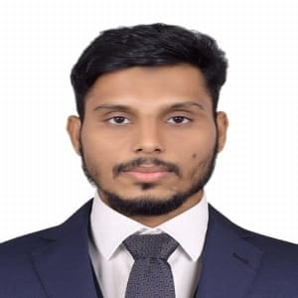 | Adjunct | 30/01/2025 | Adjunct Lecturer | asadullah179nm@gmail.com | 01521771909 | SU2501304802 | HSC in Nilphamari Govt College, Nilphamari. B.Sc. in Dyes and Chemical Engineering from BUTEX | Mr. Md Asadullah is a Lecturer in the Department of Apparel Manufacturing and Technolgy at Sonargaon University (SU), having joined the faculty in January 2025. He completed his B.Sc. in Textile Engineering from the Bangladesh University of Textiles (BUTEX), specializing in Dyes And Chemical Engineering. He gained hands-on industry experience through a two-month internship at Pakiza Knit Composite limited, which deepened his understanding of textile manufacturing and industrial dynamics.His research interests smart wearable textiles, functional textiles, polymer composites, and sustainable innovations.Driven by curiosity and a strong work ethic, he continuously expands his knowledge and skills. He believes that education, innovation, and collaboration are essential to transforming the textile sector and shaping future industry leaders. | 1.5 Years+ as Lecturer in SU | Swimmi Tabassum Ushno, Asish Karmaker, Md Asadullah, Farhad Hossain Faruk, Ahmed, Md Tanvir Ahmed, & Mohammad Abbas Uddin (2024). "Formulation and Comparison of the Performance of Natural-Based vs Commercial Softeners for Textile Application." In Proceedings of the 2nd International Conference on Textile Science and Engineering (ICTSE 2024), Bangladesh University of Textiles (BUTEX), Dhaka, Bangladesh. Available at: ICTSE 2024 Conference Proceedings. Paper no:ICTSE24 032. |  |  | smart wearable textiles, functional textiles, polymer composites, and sustainable innovations |  | N/A
5 | Naimur Rahman Sifat | 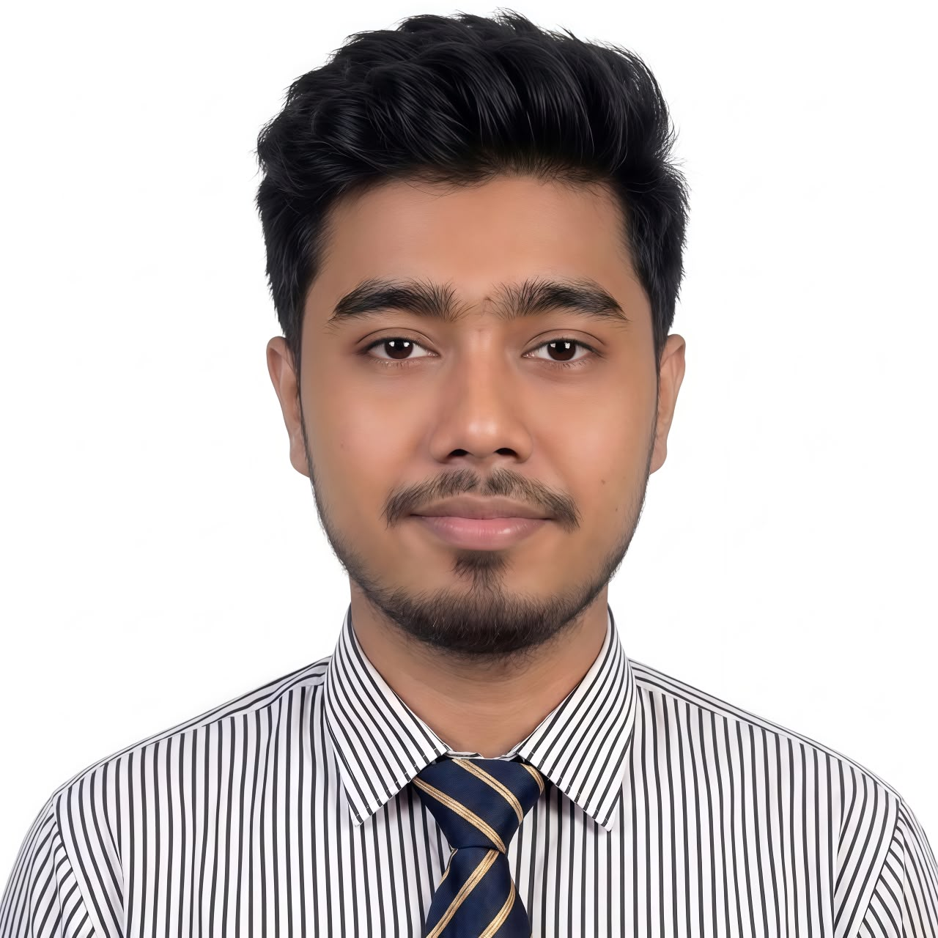 | Full-time | 29/06/2026 | Lecturer | naimur44ae@gmail.com | 01981668214 | SU2606294975 | HSC from Dr. Mahbubur Rahman Mollah College (DMRC) B.Sc. in Textile Engineering from Bangladesh Uniersity of Textiles (BUTEX) Specialized. in Apparel Engineering (AE) | Naimur Rahman Sifat is a textile engineering professional and educator whose career bridges hands-on industrial expertise with academic mentorship. Specialized in Apparel Engineering, his path of excellence began at Muradpur Samiran Nessa High School (SSC, 2015) and Dr. Mahbubur Rahman Mollah College (HSC, 2017), earning board scholarships that paved his way to the prestigious Bangladesh University of Textiles (BUTEX). After earning his B.Sc. in Textile Engineering while securing top merit positions, Naimur gained crucial hands-on experience through internships at NR Group and Knit Horizon Ltd., followed by professional job experience in the Department of Production Planning and Co-ordination (PPC) at Fakir Apparels Ltd. (FAL). Today, he leverages this rich background in large-scale garment manufacturing within the academic sector, using his practical industrial insights to bridge the gap between theoretical engineering concepts and real-world textile production for his students. | Currently serving as Lecturer in Department of Apparel Manufacture & Technology (AMT) at SU Previously worked for 2.5+ years in Apparel Business & Production |  | Dean’s list Students Award in Academic Excellence (2020) Dhaka Board Scholarships (Twice) | CAD, Apparel Production, Finishing, Advanced Quality Control Tools, Industrial Engineering, Sourcing & Logistics, Fully Fashioned Knitwear, Entrepreneurship in RMG Business & Consumer Behavior. | Circular Fashion, Apparel Production Systems, Apparel Washing, Dyeing & Printing, Special Garment Finishes, Sustainable Approach to Wash Techniques, Smart Textiles. |  | N/A

