Hoja2
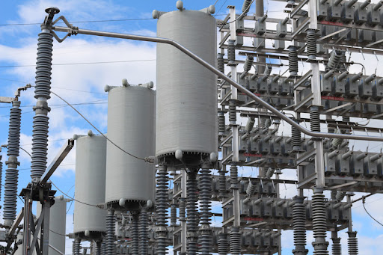
DATOS DE CAPACITORES PARA EL BANCO 23C3 EN SUBESTACION PANAMA 2

