Sheet1
Opt | Activation | Padding |  | Files
0 | ReLU | Zero |  | main.py | Zero or Replication | 3xSummation
1 | tanh | Zero |  | pattern_gen.py
2 | sigmoid | Replication |  | CNN.py
3 | softplus | Replication |  | PATTERN.v
 |  |  |  | CNN.v
 | Lower | Upper | Size | Total
Img1 | 0.5 | 255 | 4x4 | 16
Img2 | 0.5 | 255 | 4x4 | 16
Img3 | 0.5 | 255 | 4x4 | 16
Kernal1 | 0 | 0.5 | 3x3 | 9
Kernel2 | 0 | 0.5 | 3x3 | 9
Kernel3 | 0 | 0.5 | 3x3 | 9
Weight | 0 | 0.5 | 2x2 | 4
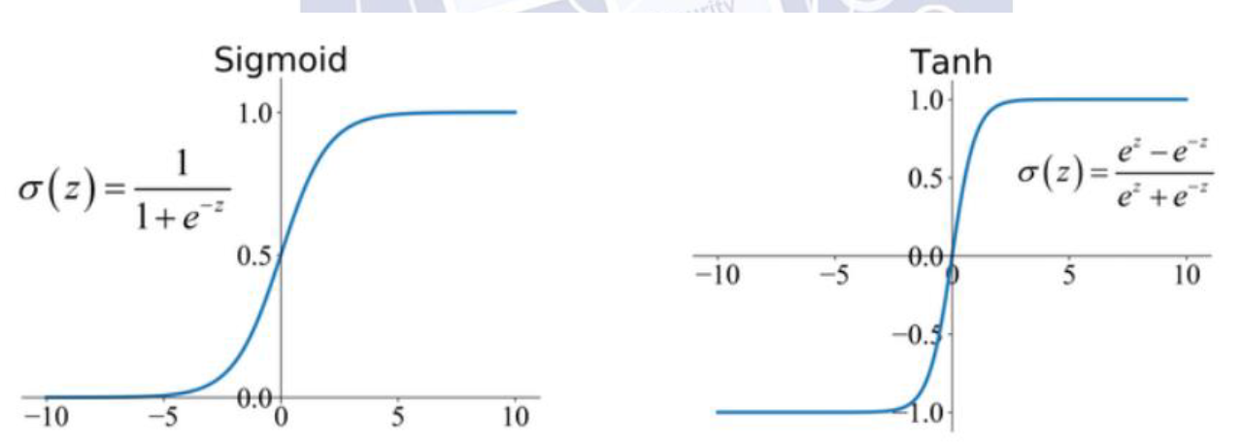
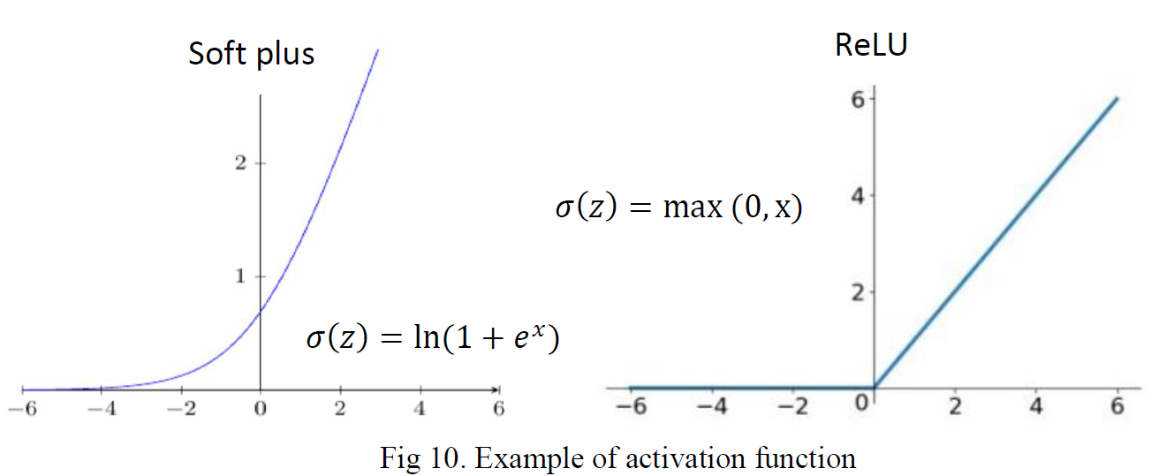
 |  |  | idx
input.txt | PAT_NUM |  | 0
 | Img1 | 16 | 0~15
 | Img2 | 16 | 16~31
 | Img3 | 16 | 32~47
 | Kernal1 | 9 | 48~56
 | Kernel2 | 9 | 57~65
 | Kernel3 | 9 | 66~74
 | Weight | 4 | 75~78

 | Golden
output.txt | 4x1 | 32-bit feature map

