Sheet1
Source routing for core0->10 | XY Routing | Source routing for core11->0 |  |  |  |  |  |  |  |  |  | Routing Algorithm | XY
Destination |  | Destination |  |  | Note axes, if x positive go south, if y positive go east |  |  |  |  | Core_0.txt |  | Switch Scheme | Wormhole
0_0(Core 0) | X | 0_0(Core 0) | WWWNNX |  |  |  |  |  |  | Get 92 values from core 11 |  | Flow Control | Handshake
1_0(Core 1) | EX | 1_0(Core 1) | WWNNX |  | 0 | 1 | 2 | 3 | x | Send 73 values to core 10 |  | Channel No# | 1
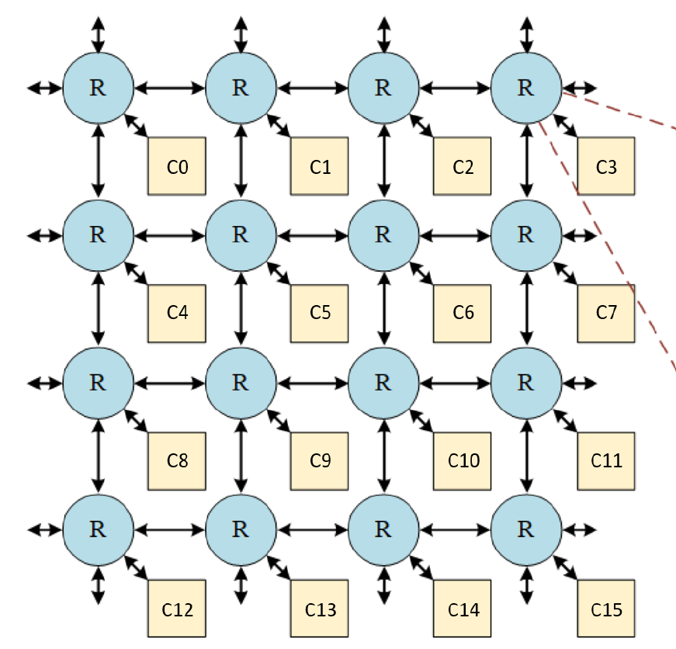
2_0(Core 2) | EEX | 2_0(Core 2) | WNNX | 0 |  |  |  |  |  |  |  | Buffer size | 5
3_0(Core 3) | EEEX | 3_0(Core 3) | NNX
0_1(Core 4) | SX | 0_1(Core 4) | WWWNX
1_1(Core 5) | ESX | 1_1(Core 5) | WWNX
2_1(Core 6) | EESX | 2_1(Core 6) | WNX | 1 |  |  |  |  |  | Core_11.txt
3_1(Core 7) | EEESX | 3_1(Core 7) | NX |  |  |  |  |  |  | Get 63 values from core 12
0_2(Core 8) | SSX | 0_2(Core 8) | WWWX |  |  |  |  |  |  | Send 92 values to core 0
1_2(Core 9) | ESSX | 1_2(Core 9) | WWX
2_2(Core 10) | EESSX | 2_2(Core 10) | WX | 2
3_2(Core 11) | EEESSX | 3_2(Core 11) | X
0_3(Core 12) | SSSX | 0_3(Core 12) | WWWSX
1_3(Core 13) | ESSSX | 1_3(Core 13) | WWSX | 3
2_3(Core 14) | EESSSX | 2_3(Core 14) | WSX
3_3(Core 15) | EEESSSX | 3_3(Core 15) | SX | y
North | N |  |  |  |  | x | y
South | S | Each field requires 3 bits |  |  | Note | 14%4=2 | 14/4=3 |  |  | Packet for core0->core10 |  | Packet for core11->core0
East | E |  |  |  |  |  |  |  |  | H | EESSX | H | WWWNNX
West | W |  |  |  |  |  |  |  |  | B(72 Bodies) | 0.186486 | B(92 Bodies) | 0.871626
Eject | X |  |  |  |  |  |  |  |  | … | … | … | …
Uses algorithmic routing |  |  |  |  |  |  |  |  |  | T(1 tail) 72+1 = 73 data to send | Last value. | T | Last value.
sx | x | sy | y |  |  |  |  |  |  | Check if core 10 receive the correct value
0 | 2 | 1 | 2

sx = 0 means positive
sy = 1 means negative
First move x,then move y

Sheet3
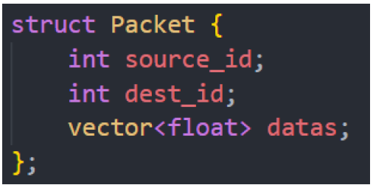
Steps:
1 | Read in the data from packet & decompose these datas into flits using vector size informations
2 | Create the router with buffer size of 5 for each N,S,E,W,X ports, no virtual channel
3 | Create source routing table for core0 and core11
4 | Connects the router from 0~11
5 | Test the examples see if workable?
6 | Fully integrate the whole system

