Evidence
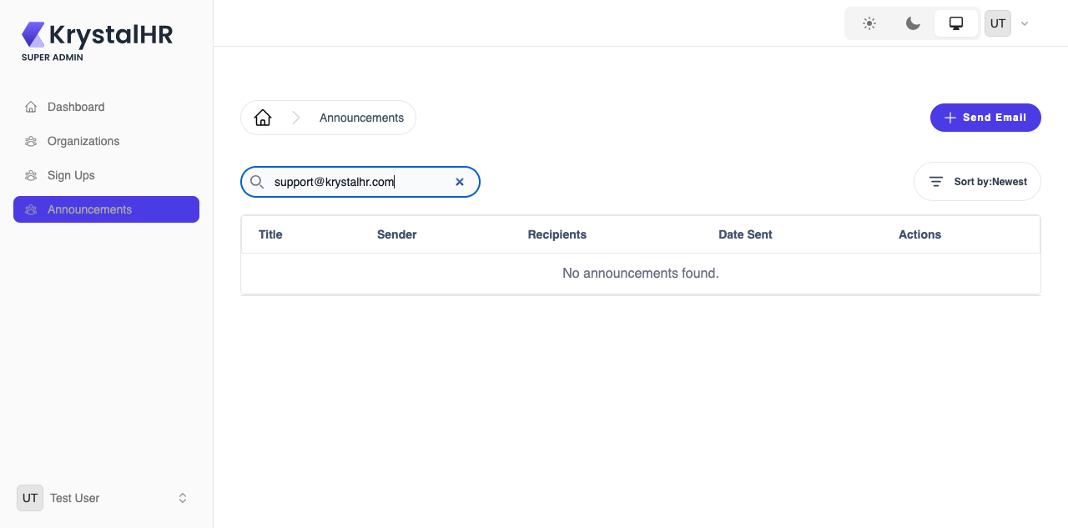
Evidence | End-state screenshot of each failed test case, grouped by defect. Emails were verified in /log-viewer (laravel-{date}.log).

BUG-001 | Critical | Cross-module | Server logs (including emails with admin passwords) can be read without logging in
SEC-002 | Log viewer API is not readable without logging in (cypress/screenshots/05-cross-module.cy.js/evidence/SEC-002.png)
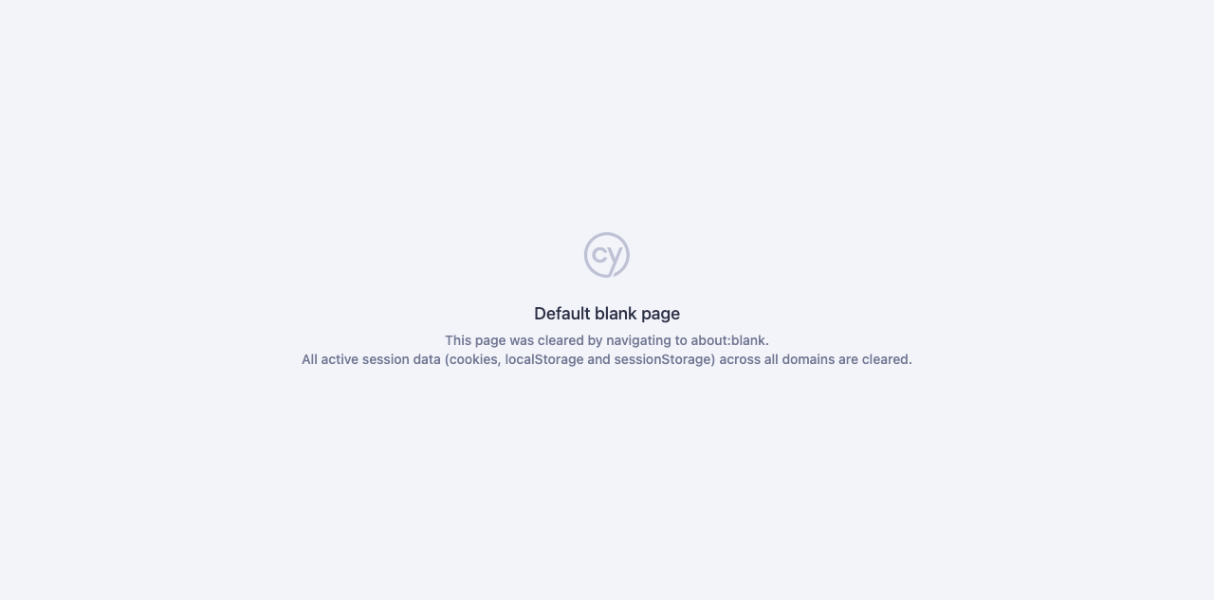

BUG-002 | High | Organization | Admin password is emailed in plain text and is predictable (first name + last 4 phone digits)
ORG-016 | Admin account email does not expose a predictable plain-text password (cypress/screenshots/02-organization.cy.js/evidence/ORG-016.png)

BUG-003 | High | Sign Up | 'Reject' in the Review dialog does nothing
SUP-012 | Reject removes the registration from the pending list (cypress/screenshots/03-signup.cy.js/evidence/SUP-012.png)
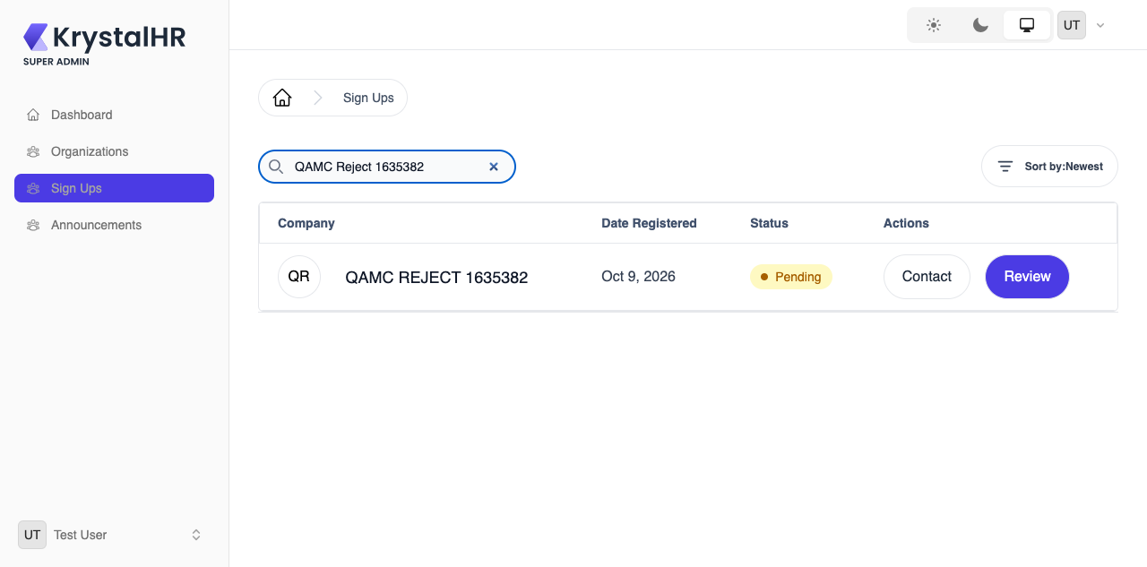

BUG-004 | High | Organization | Add Organization fails silently when the Domain Prefix is invalid (error is never displayed)
ORG-010 | Add Organization: an invalid Domain Prefix shows an error message (cypress/screenshots/evidence/ORG-010.png)
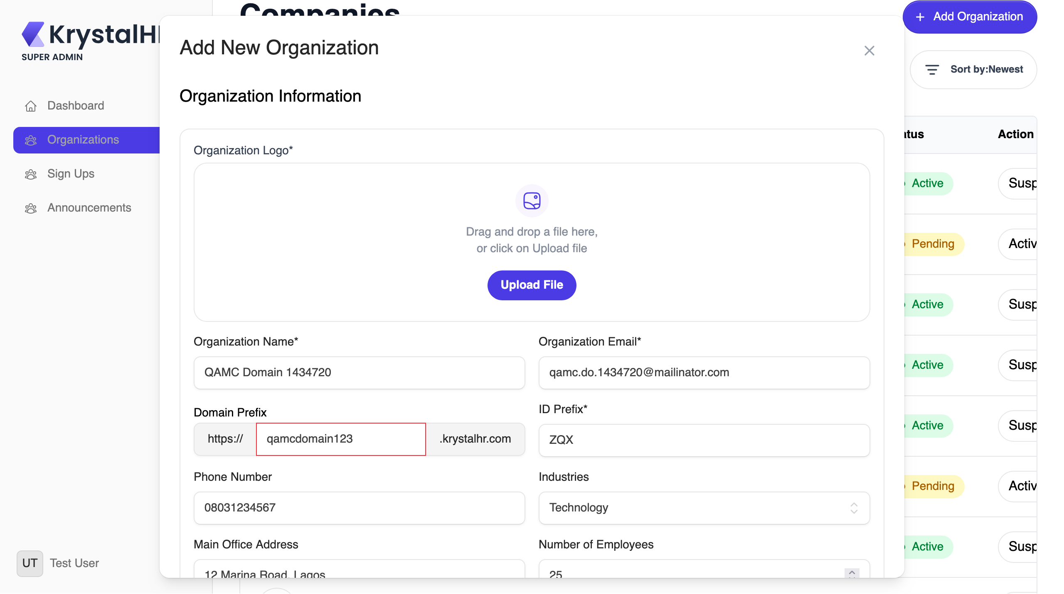

BUG-005 | High | Organization | 'Change Plan' cannot be saved
ORG-028 | Billing tab: Change Plan saves the selected plan (cypress/screenshots/02-organization.cy.js/evidence/ORG-028.png)
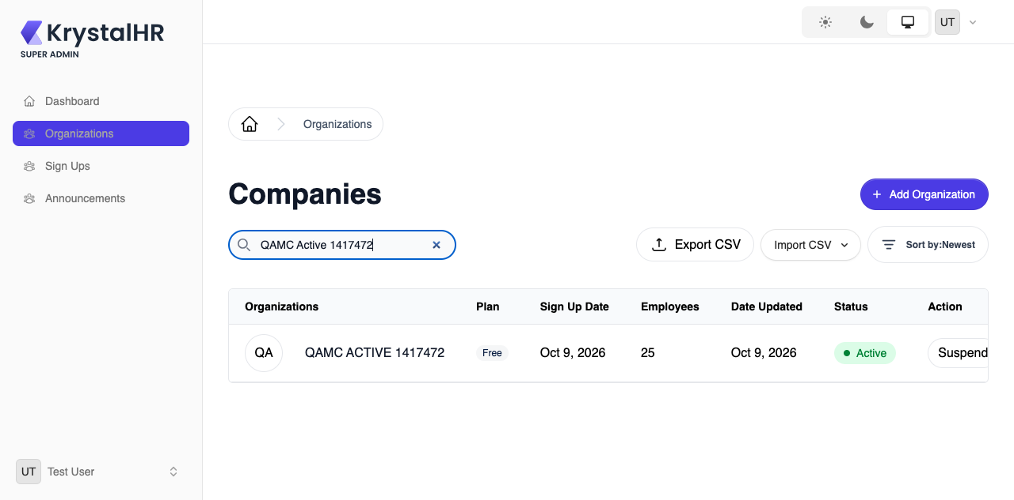

BUG-006 | High | Organization | The same organization appears on several pages of the list while others are skipped
ORG-006 | Each organization appears on exactly one page of the list (cypress/screenshots/02-organization.cy.js/evidence/ORG-006.png)
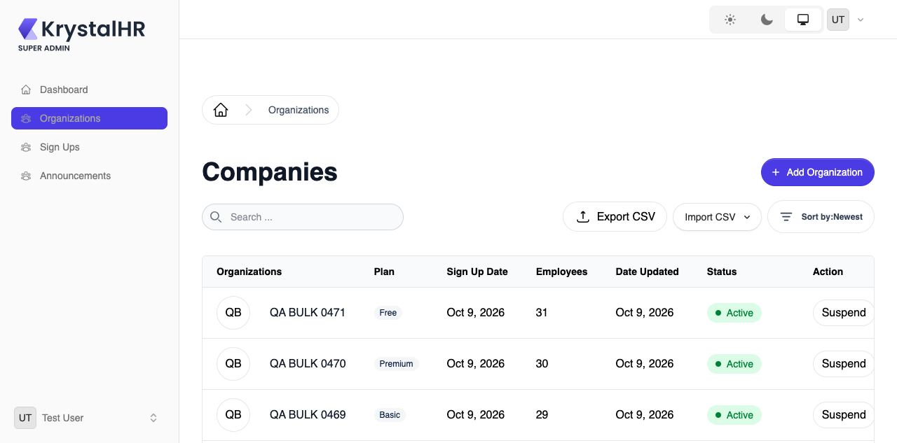

BUG-007 | High | Sign Up | A pending (unapproved) organization already receives the welcome email and admin login credentials
SUP-006 | A pending organization receives only the 'application received' email (cypress/screenshots/03-signup.cy.js/evidence/SUP-006.png)

BUG-008 | Medium | Sign Up | Approving a sign-up sends every onboarding email twice
SUP-014 | Approval sends each onboarding email exactly once (cypress/screenshots/03-signup.cy.js/evidence/SUP-014.png)

BUG-009 | Medium | Organization | An organization created as Active still triggers the 'application received / review required' emails
ORG-018 | An organization created as Active gets only the onboarding emails (cypress/screenshots/02-organization.cy.js/evidence/ORG-018.png)

BUG-010 | Medium | Organization | Industry is shown as a number instead of its name
ORG-022 | Manage page shows the industry by name (cypress/screenshots/02-organization.cy.js/evidence/ORG-022.png)
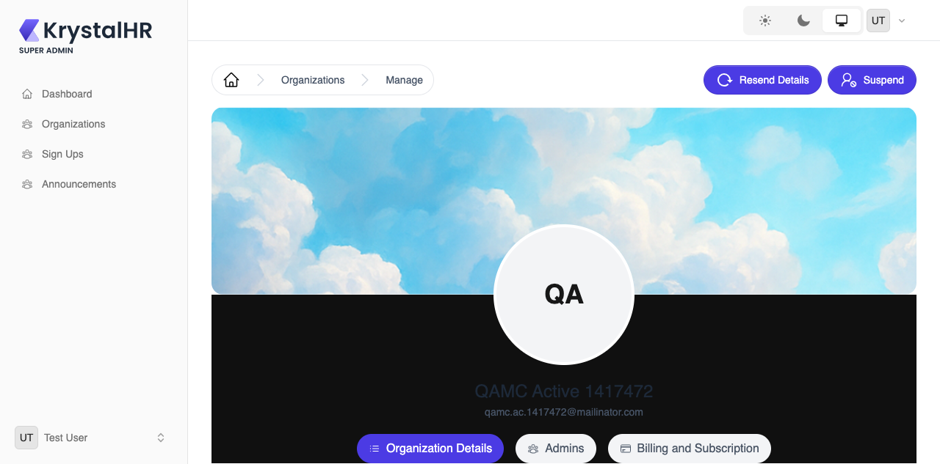

SUP-011 | Review shows the industry by name (cypress/screenshots/03-signup.cy.js/evidence/SUP-011.png)
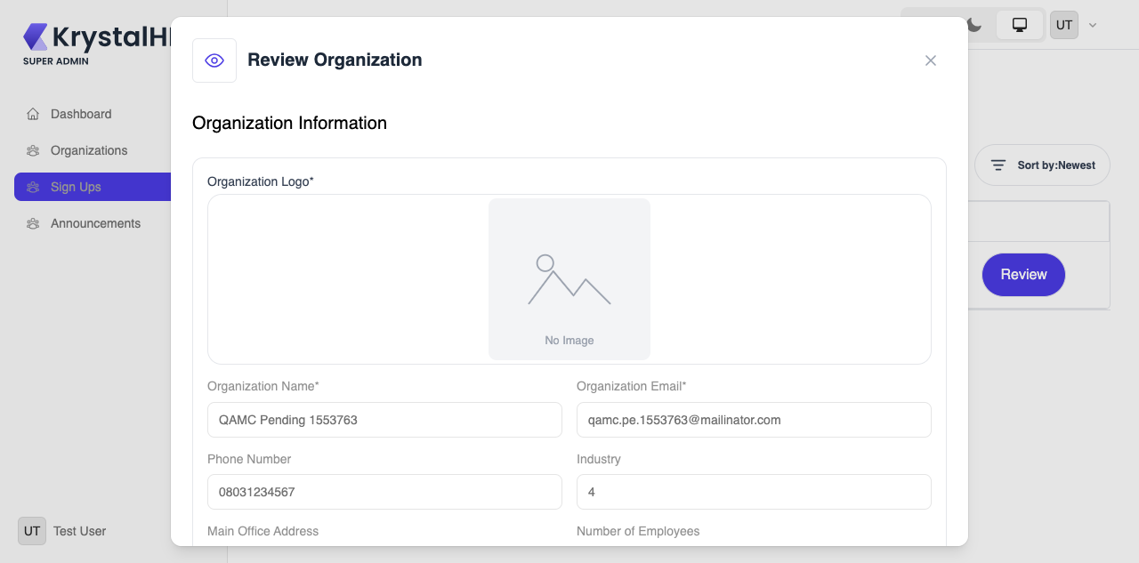

BUG-011 | Medium | Organization | Edit Info offers a different industry list and preselects 'Photography'
ORG-023 | Edit Info offers the same industries as creation and preselects the saved one (cypress/screenshots/02-organization.cy.js/evidence/ORG-023.png)
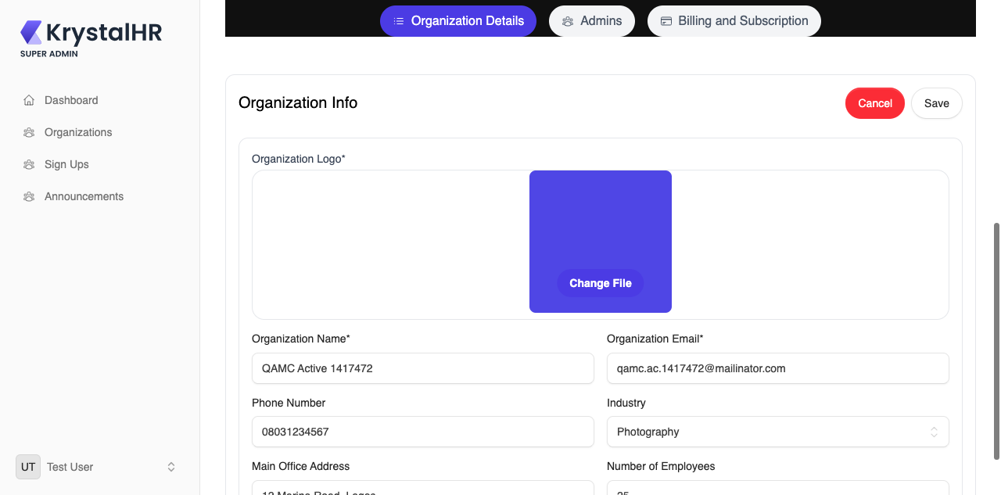

BUG-012 | Medium | Organization | The mandatory 'ID Prefix' is ignored
ORG-017 | Employee ID uses the ID Prefix entered for the organization (cypress/screenshots/02-organization.cy.js/evidence/ORG-017.png)

ORG-033 | Export CSV populates the Plan and ID prefix columns (cypress/screenshots/02-organization.cy.js/evidence/ORG-033.png)
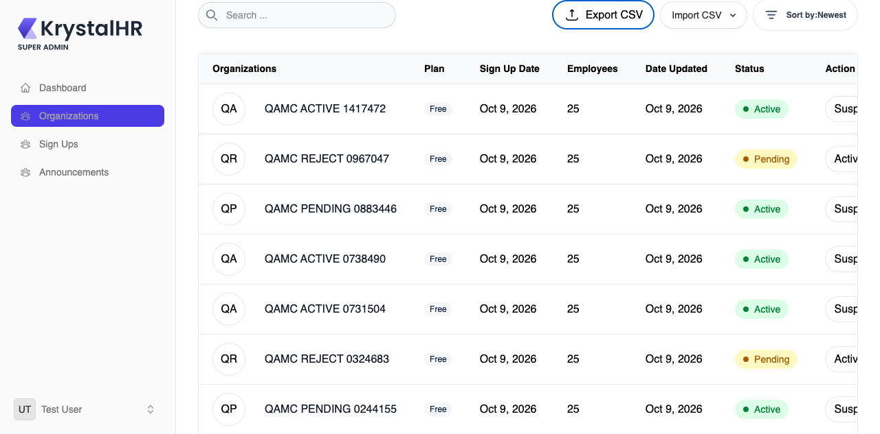

BUG-013 | Medium | Organization | Export CSV leaves the 'Plan' and 'ID prefix' columns empty
ORG-033 | Export CSV populates the Plan and ID prefix columns (cypress/screenshots/02-organization.cy.js/evidence/ORG-033.png)

BUG-014 | Medium | Dashboard | Trend badges show the same unit-less figure on 'Total' and 'Pending' organizations
DSH-006 | KPI trend badges show a unit and are specific to each card (cypress/screenshots/01-dashboard.cy.js/evidence/DSH-006.png)
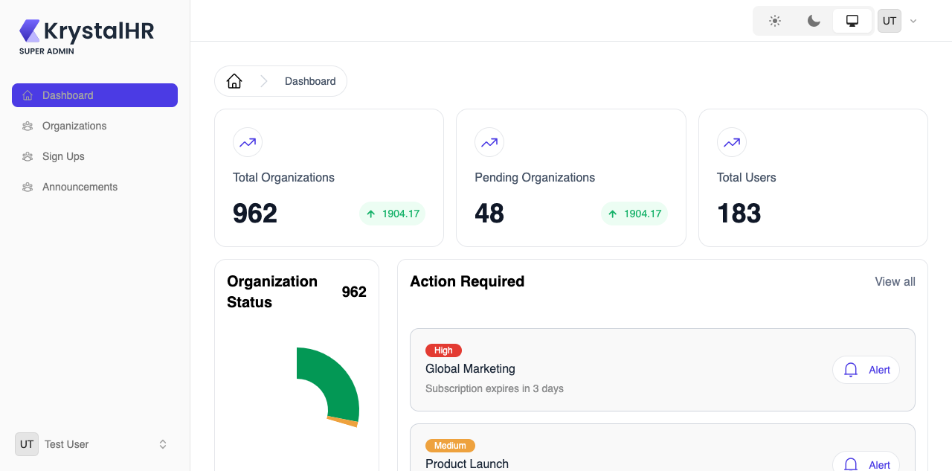

BUG-015 | Medium | Dashboard | 'Action Required' shows placeholder data and 'View all' does nothing
DSH-007 | 'Action Required' alerts refer to real organizations (cypress/screenshots/01-dashboard.cy.js/evidence/DSH-007.png)
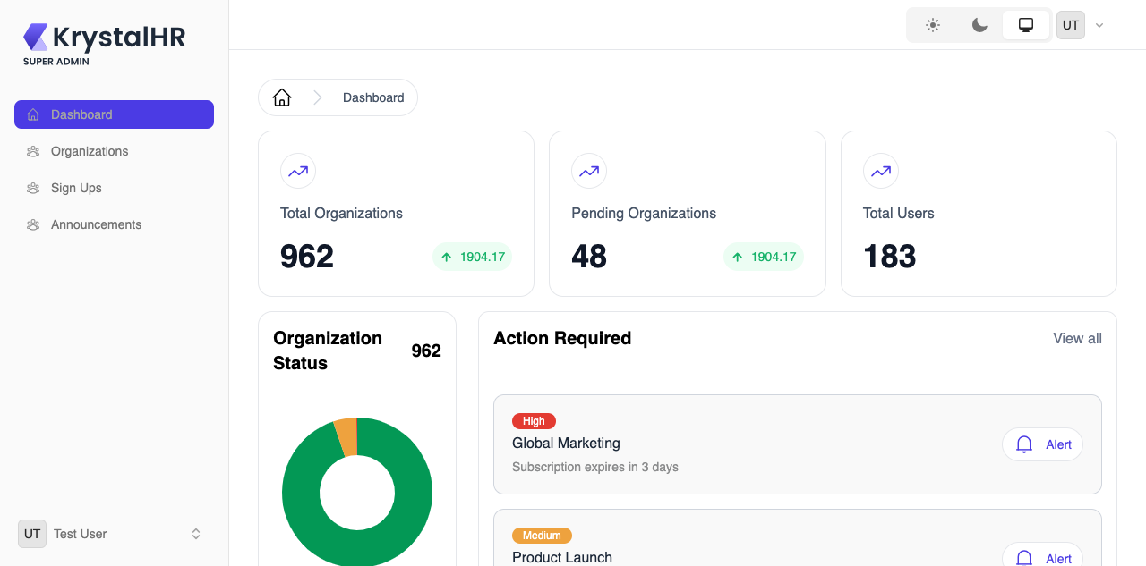

DSH-008 | 'View all' in Action Required opens the full list of alerts (cypress/screenshots/01-dashboard.cy.js/evidence/DSH-008.png)
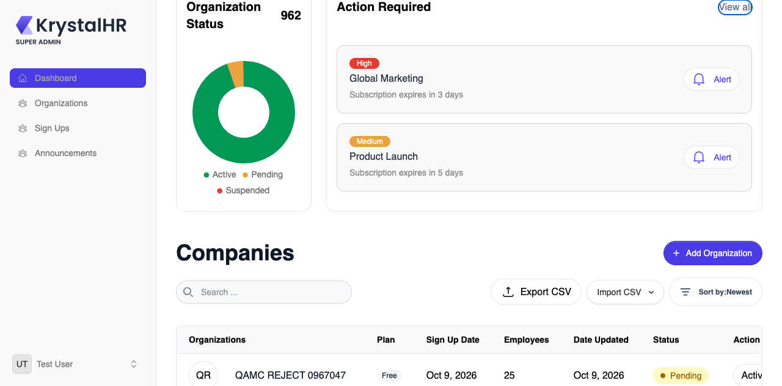

BUG-016 | Medium | Organization | Billing history shows a template row and its download actions are dead
ORG-029 | Billing tab shows real billing records (cypress/screenshots/02-organization.cy.js/evidence/ORG-029.png)
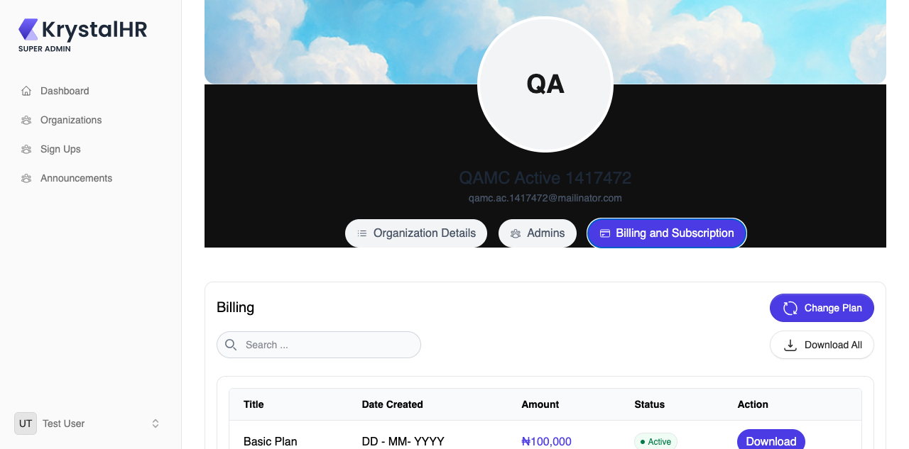

BUG-017 | Medium | Organization | Hint says 'activated immediately' while the status switch is off and the organization is created Pending
ORG-011 | Add Organization: status hint matches the Organization Status switch (cypress/screenshots/evidence/ORG-011.png)
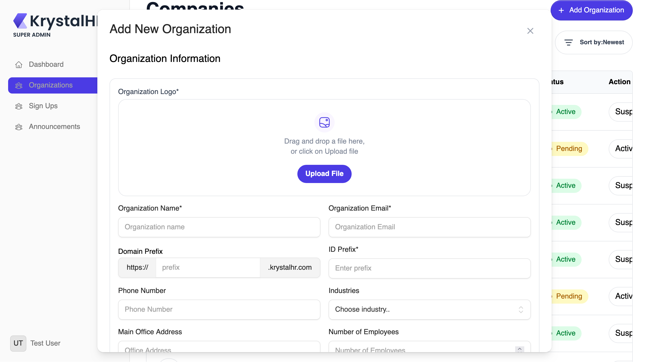

BUG-018 | Medium | Sign Up | Missing Title is not reported in the Contact dialog
SUP-007 | Contact Organization: Title and Message are both flagged when empty (cypress/screenshots/03-signup.cy.js/evidence/SUP-007.png)
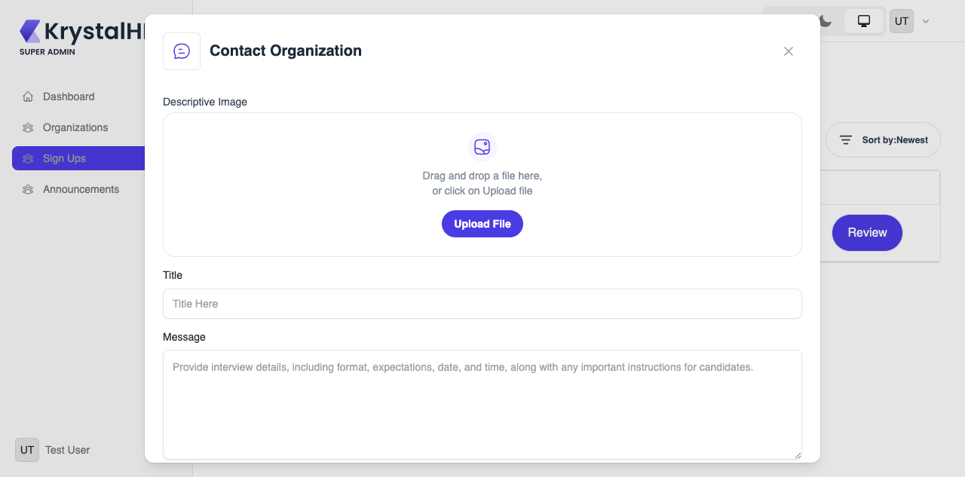

BUG-019 | Medium | Sign Up | Contact dialog keeps the previous title and message after sending
SUP-009 | Contact Organization form is cleared after a message is sent (cypress/screenshots/03-signup.cy.js/evidence/SUP-009.png)
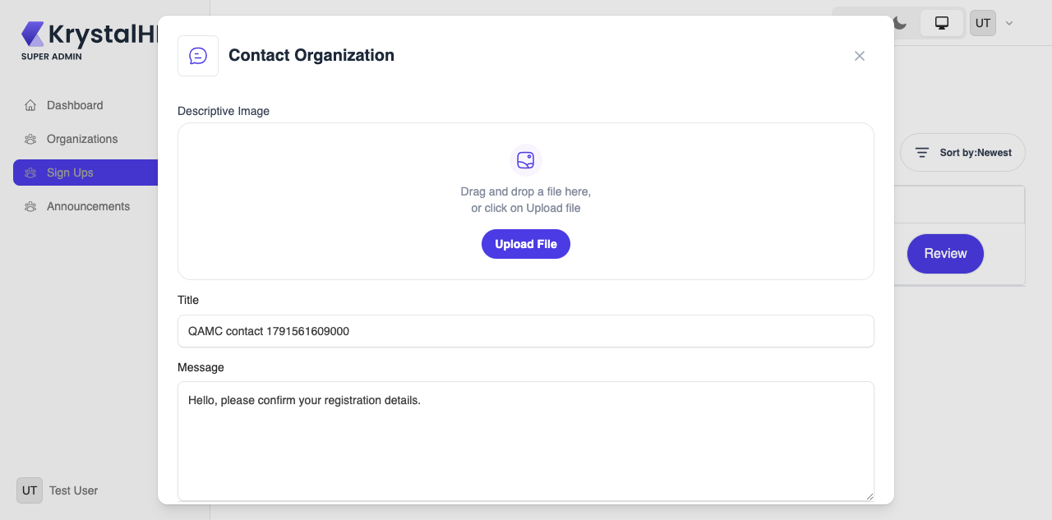

BUG-020 | Medium | Announcements | Pending and suspended organizations can be chosen as announcement recipients
ANN-011 | Organizations that are not yet approved cannot be selected as recipients (cypress/screenshots/04-announcements.cy.js/evidence/ANN-011.png)
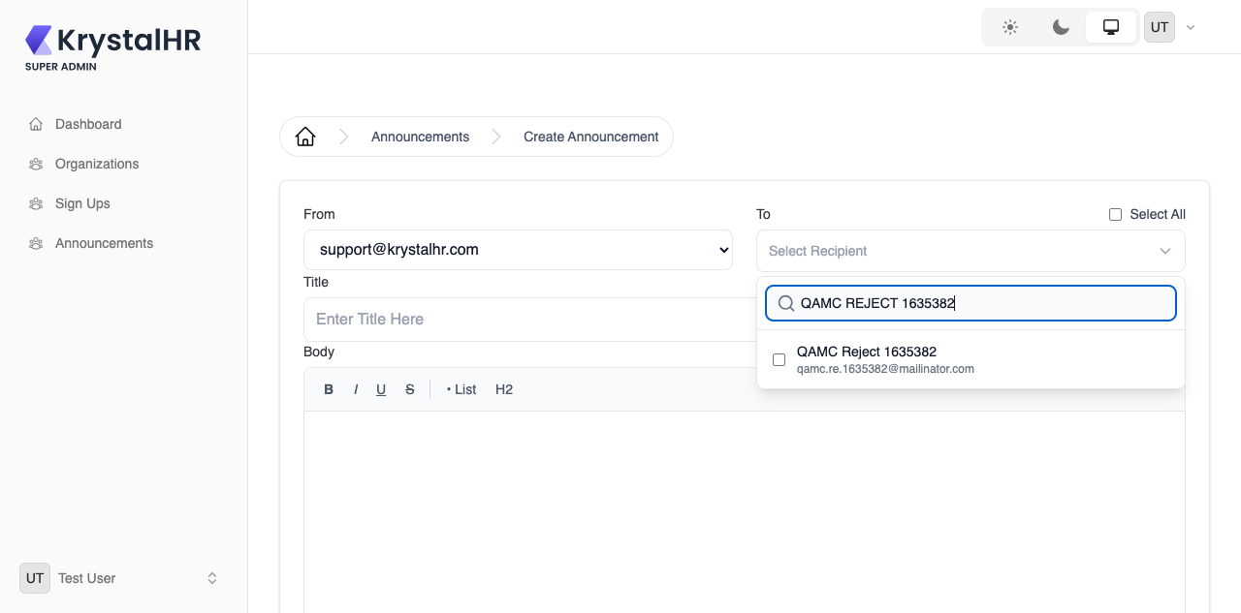

BUG-021 | Medium | Announcements | A long title pushes Sender, Recipients, Date Sent and Actions off the screen
ANN-019 | Announcement list keeps every column in view (cypress/screenshots/04-announcements.cy.js/evidence/ANN-019.png)
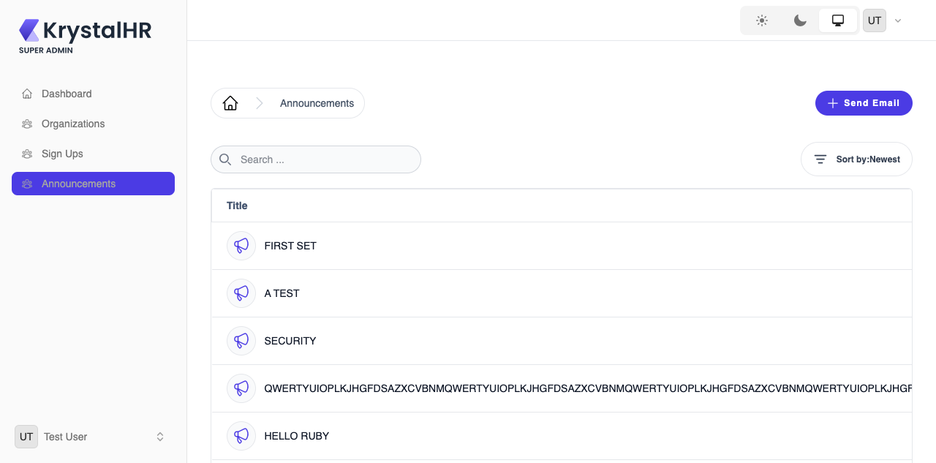

BUG-022 | Low | Organization | Search does not trim spaces
ORG-003 | Search ignores leading and trailing spaces (cypress/screenshots/02-organization.cy.js/evidence/ORG-003.png)
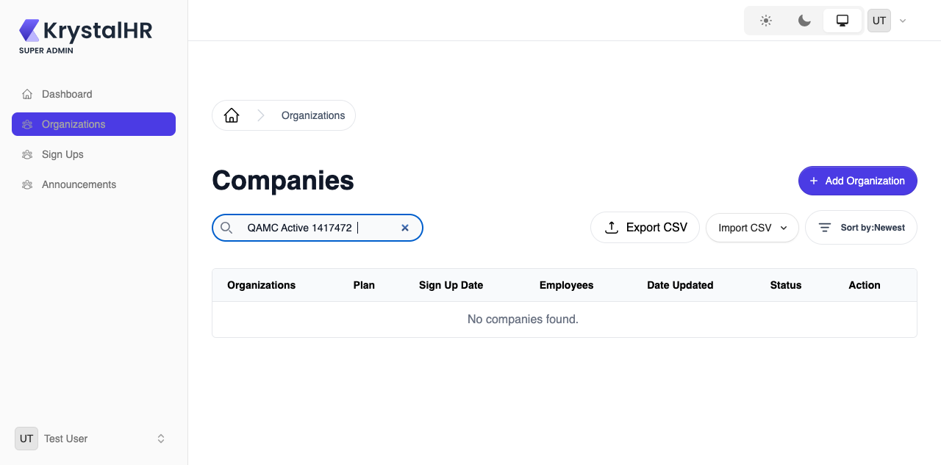

BUG-023 | Low | Organization | Sort by Name is not alphabetical (names stored with leading spaces sort first)
ORG-005 | Sort by Name lists organizations alphabetically (cypress/screenshots/02-organization.cy.js/evidence/ORG-005.png)
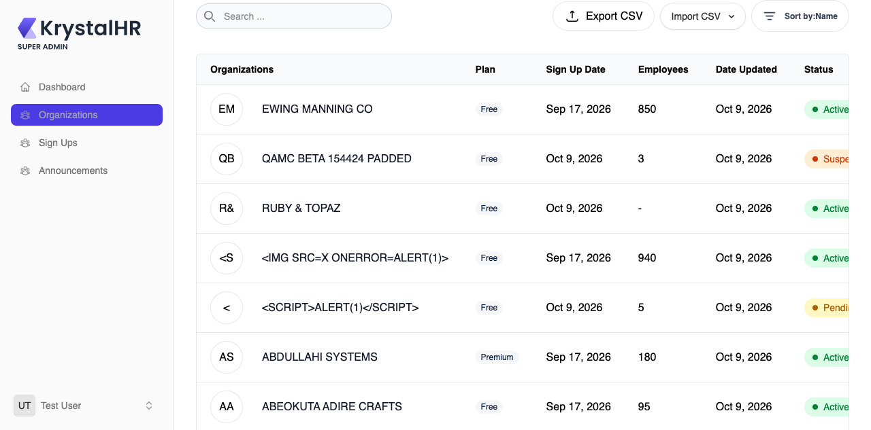

BUG-024 | Low | Organization | Organization name is almost unreadable in the Manage header (light theme)
ORG-031 | Manage header: organization name is readable against its background (cypress/screenshots/02-organization.cy.js/evidence/ORG-031.png)

BUG-025 | Low | Organization | 'Organization Logo*' is marked required but is optional
ORG-009 | Add Organization: logo marked as required (*) is enforced (cypress/screenshots/evidence/ORG-009.png)
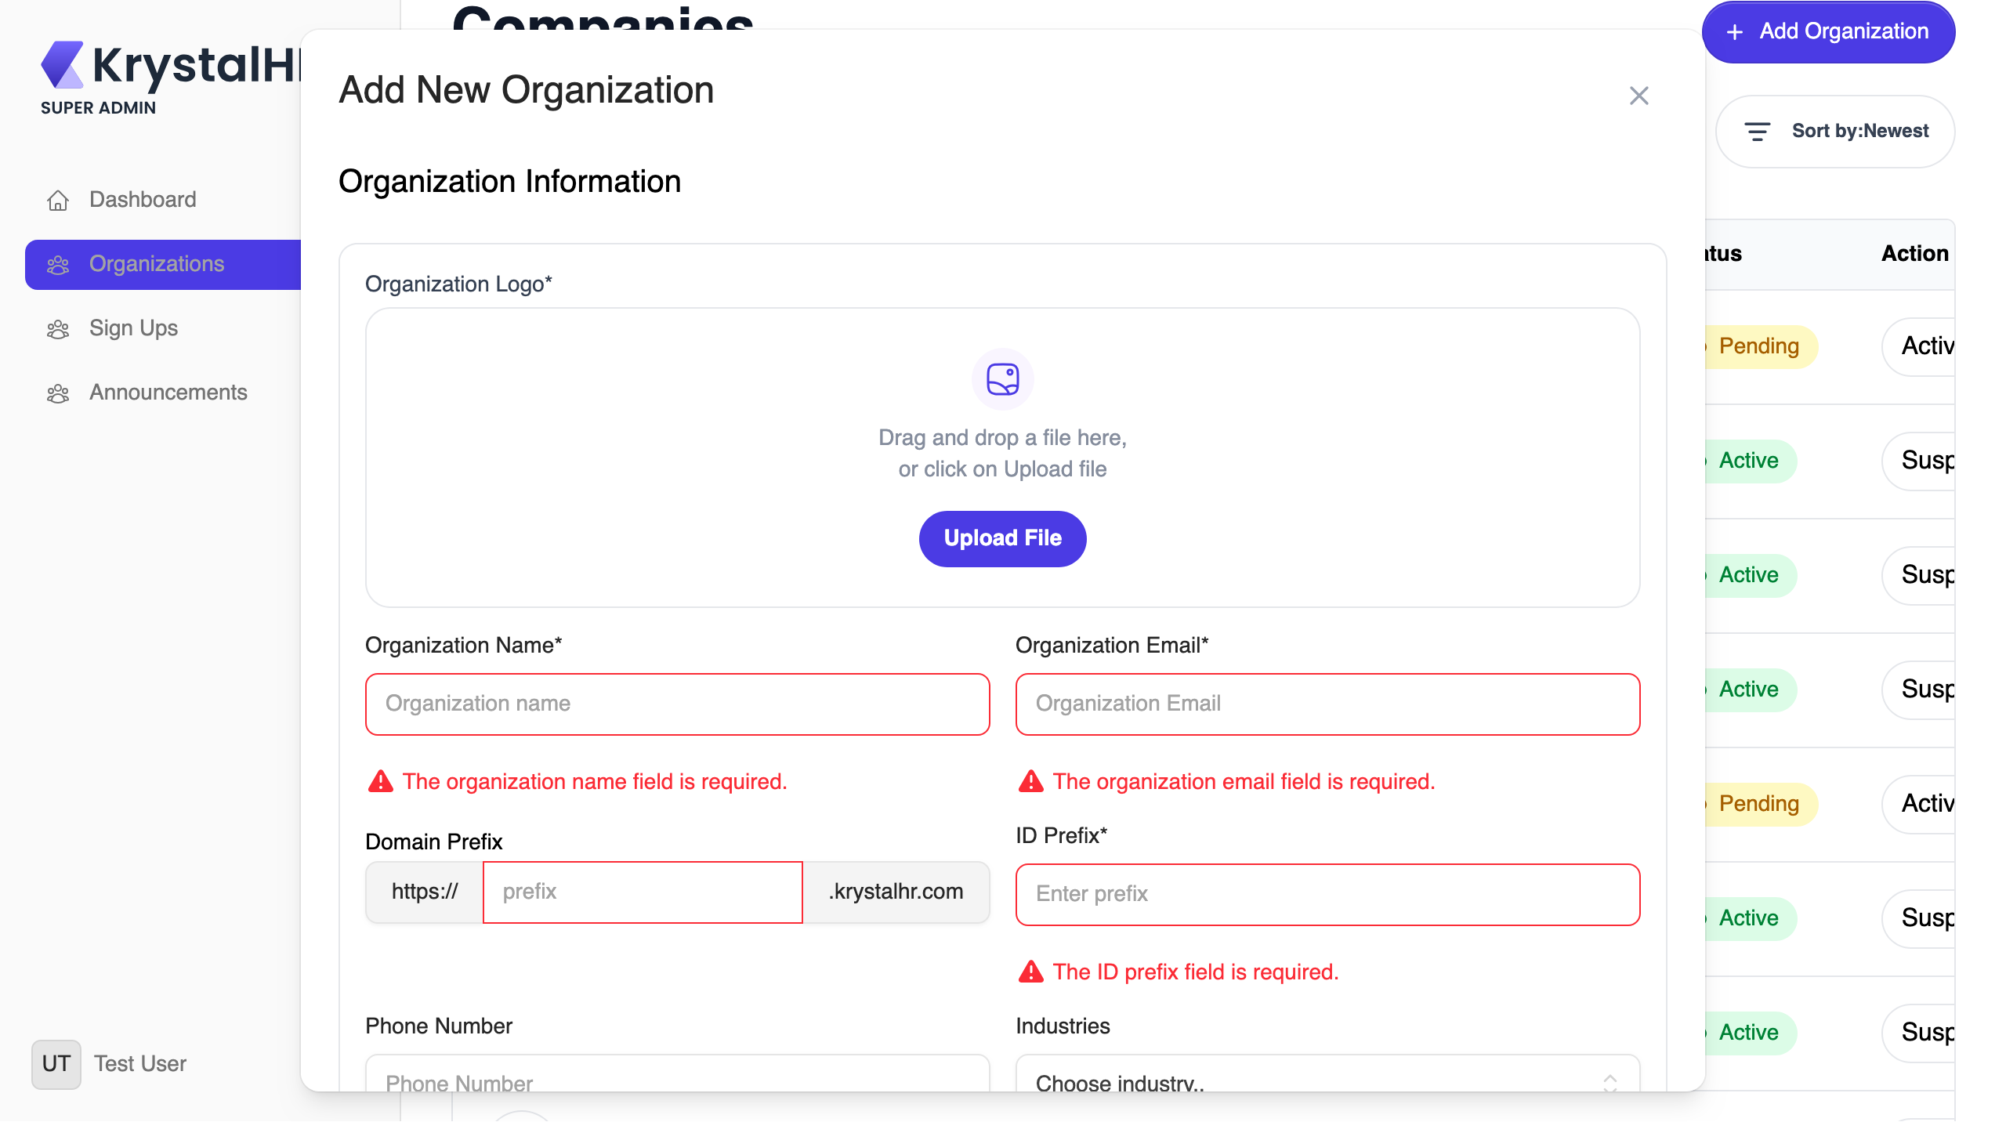

BUG-026 | Low | Organization | Admin first / last name accept digits and HTML
ORG-015 | Admin first / last name reject digits and HTML (cypress/screenshots/evidence/ORG-015.png)
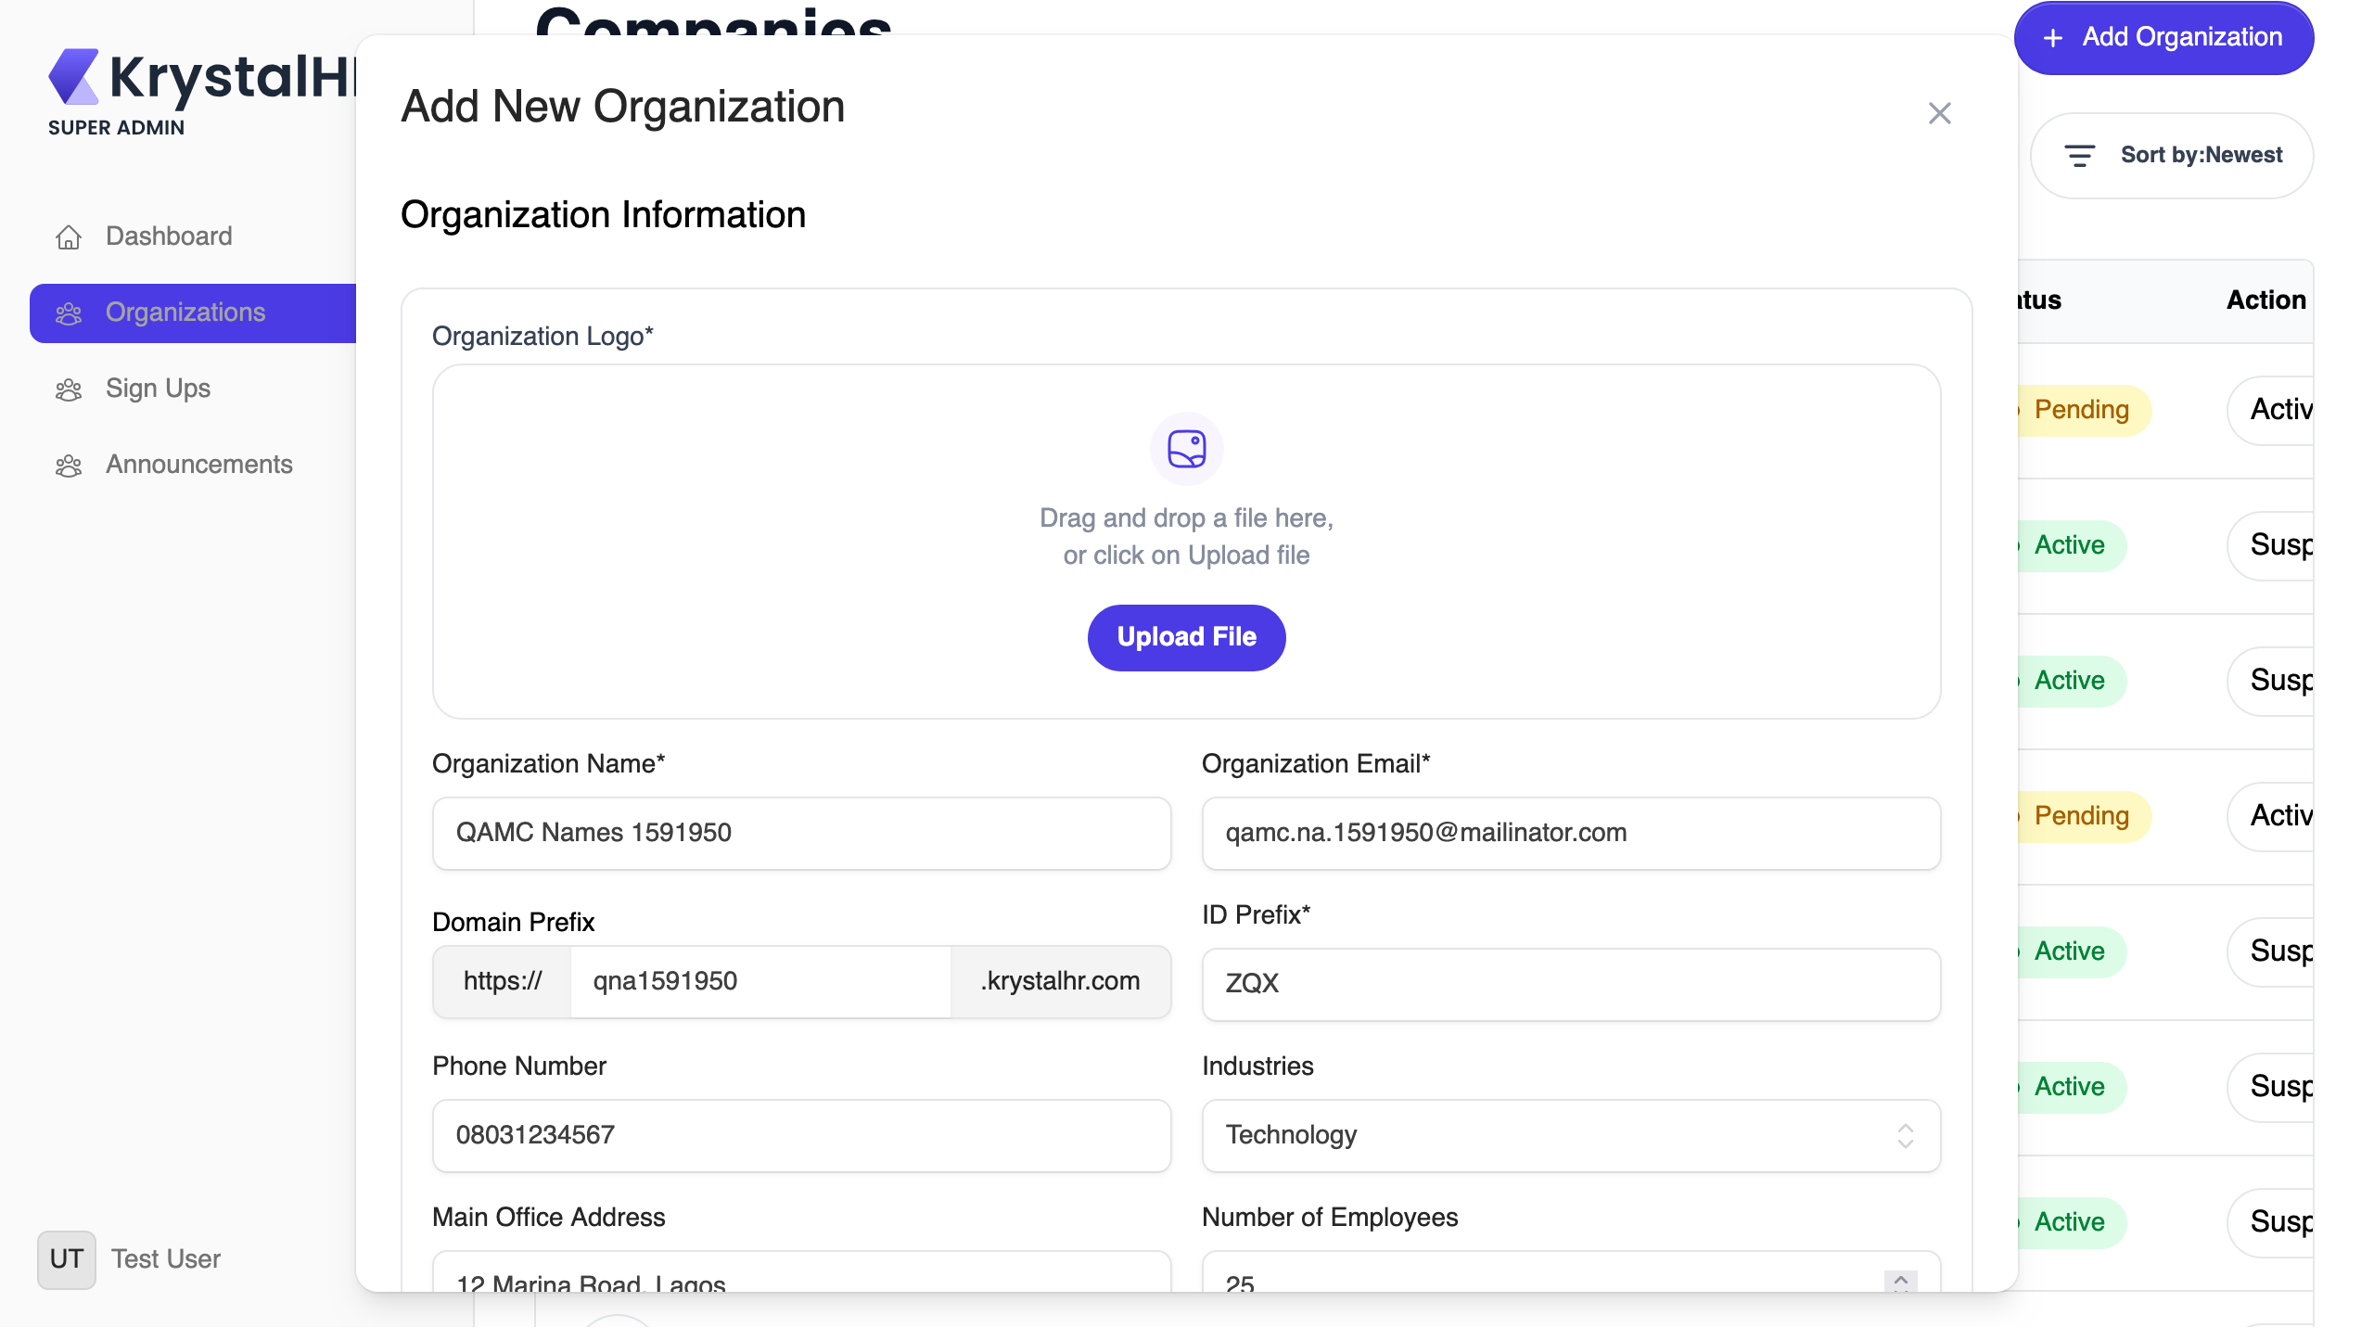

BUG-027 | Low | Organization | Admin 'Manage' link does nothing; Role is blank and Permissions is always 'Gallery Management'
ORG-027 | Admins tab: the 'Manage' action on an admin does something (cypress/screenshots/02-organization.cy.js/evidence/ORG-027.png)
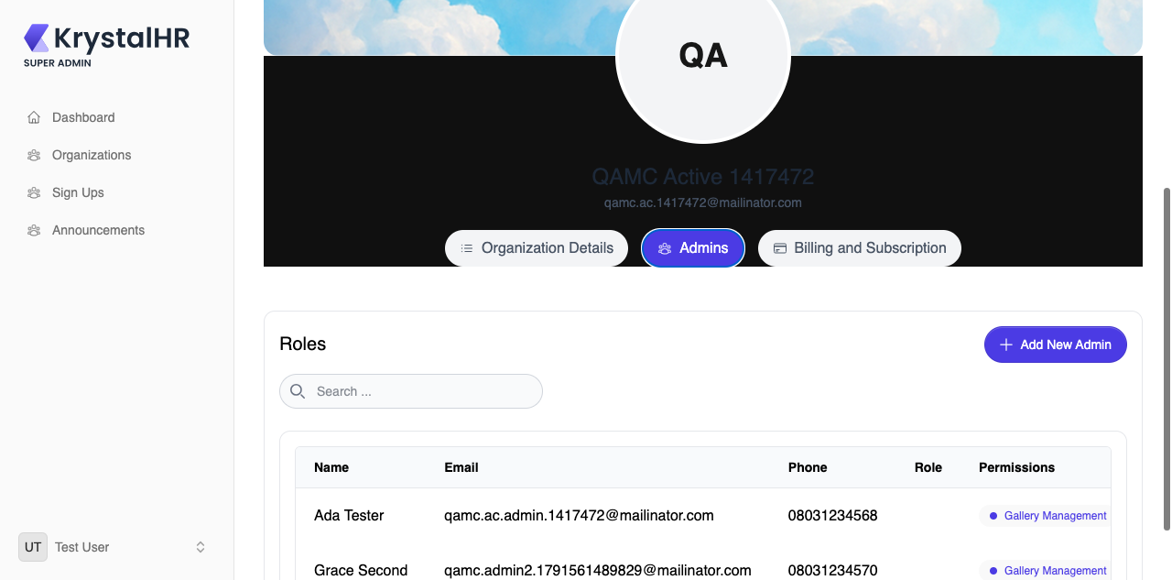

BUG-028 | Low | Organization | Subscription Plan dropdown only offers 'Free'
ORG-012 | Add Organization: Subscription Plan offers every available plan (cypress/screenshots/evidence/ORG-012.png)


BUG-029 | Low | Organization | Organization name link leads to a tenant URL that fails to load
ORG-036 | Organization name link opens the tenant site (cypress/screenshots/02-organization.cy.js/evidence/ORG-036.png)

BUG-030 | Low | Sign Up | No empty-state message when a search has no results
SUP-004 | Search with no match shows an empty-state message (cypress/screenshots/03-signup.cy.js/evidence/SUP-004.png)
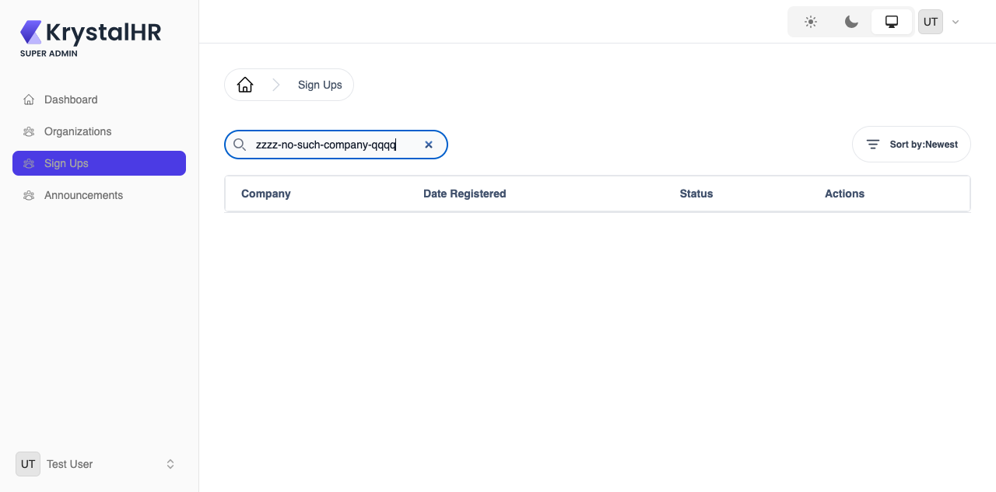

BUG-031 | Low | Sign Up | Sort label changes to 'Latest' after choosing 'Newest'
SUP-015 | Sort label keeps the name of the selected option (cypress/screenshots/03-signup.cy.js/evidence/SUP-015.png)
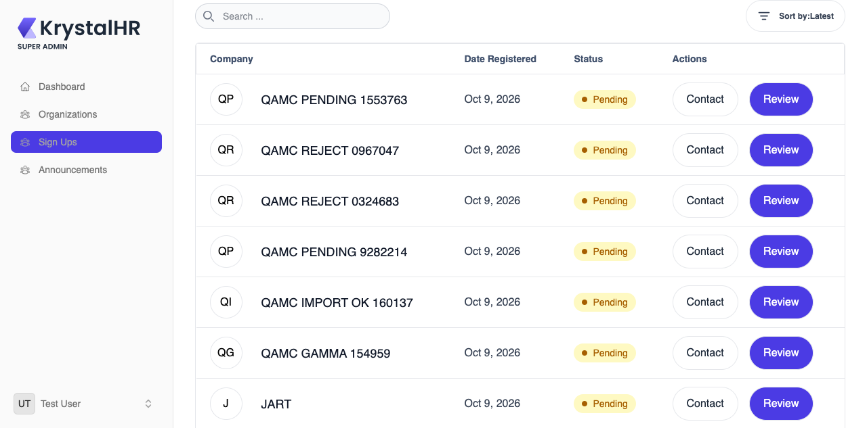

BUG-032 | Low | Announcements | Details page is headed 'Send Announcement'
ANN-016 | Details page is titled as a details page (cypress/screenshots/04-announcements.cy.js/evidence/ANN-016.png)
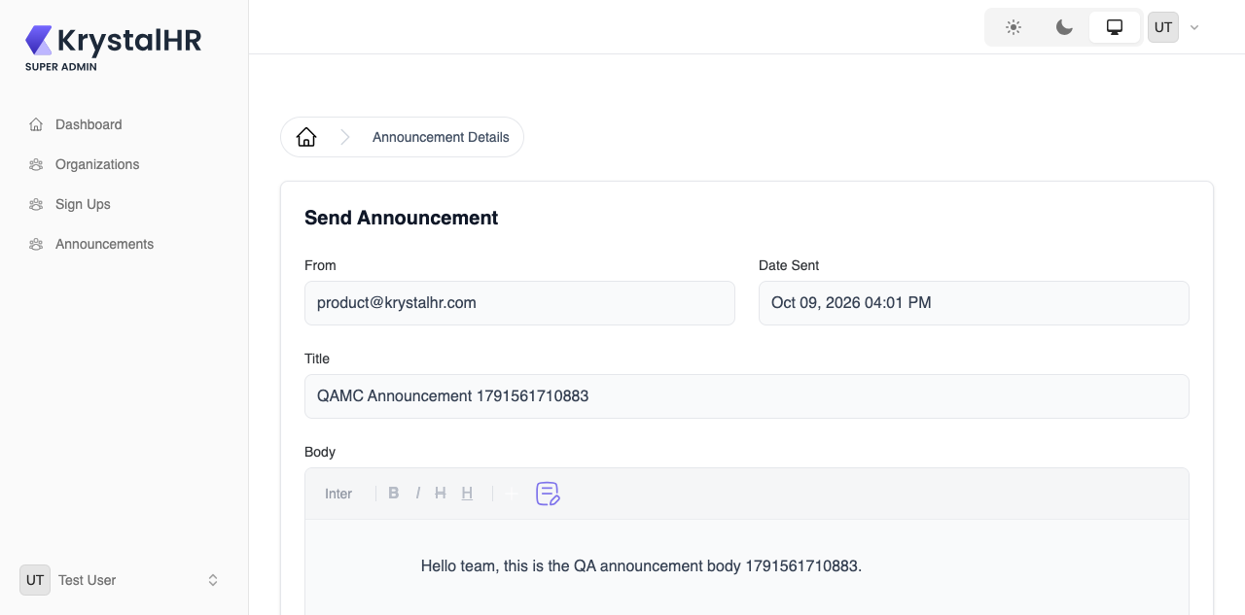

BUG-033 | Low | Announcements | Search only matches the title, not the sender
ANN-003 | Search also matches the sender address (cypress/screenshots/04-announcements.cy.js/evidence/ANN-003.png)

