Sheet1
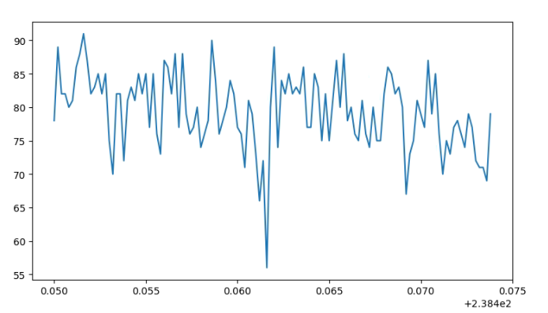
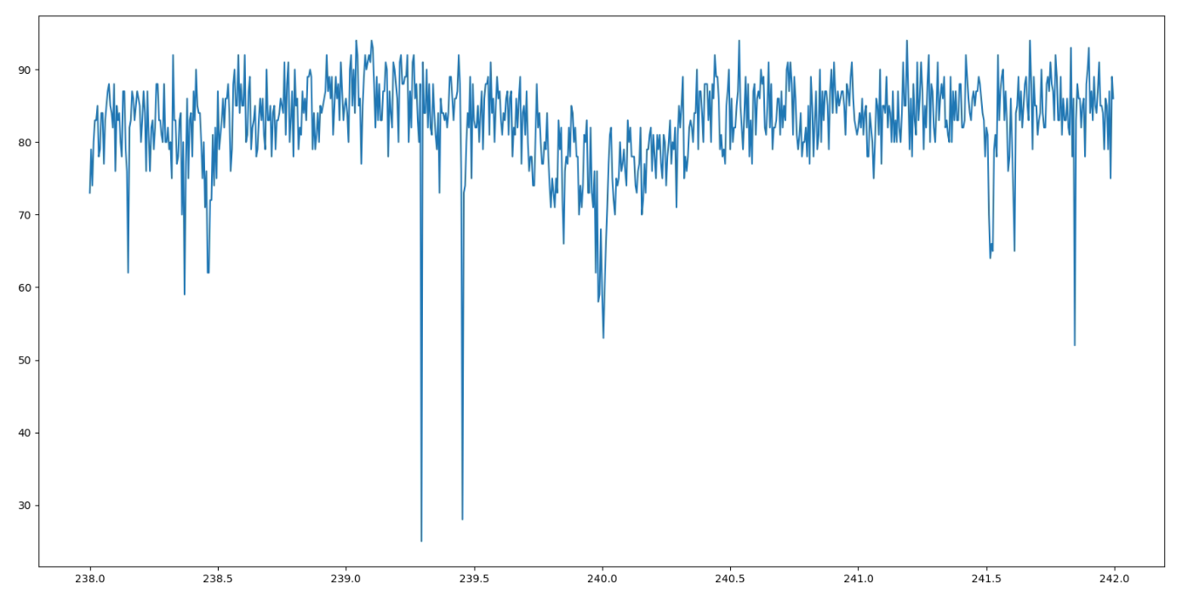
carrier and sideband information

整体趋势
 | 238.15 | 1.853
 | 238.37 | 1.633
 | 238.459 | 1.544
carrier | 240.003 | 0
 | 241.515 | 1.512
 | 241.607 | 1.604
 | 241.845 | 1.842

两个sideband细扫
 | 238.4616

Sheet2
RabiTime = 75 |  | delay
 | 0 | 0 | -6.275 | 3.60019 | -16.77 | 0 | 28.5954
 | 2.5 | 2500 | -21.8507 | 1.03769 | 45.9921 | 1000 | 77.6734
 | 5 | 5000 | 5.95311 | 1.2005 | 5.59 | 2000 | 8.24796
 | 7.5 | 7500 | 4.5982 | 2.71 | 3.05718 | 3000 | 3.76924
 | 10 | 10000 | 6.29302 | 1.09966 | 1.98438 | 4000 | 2.1241
 | 12.5 | 12500 | 12.5567 | 1.47715 | 1.69292 | 5000 | 2.47228
 | 15 | 15000 | 2.7353 | 1.28214 | 1.62773 | 6000 | 1.899
 | 17.5 | 17500 | 4.28412 | 1.45504 |  | 7000 | 1.83158
 | 20 | 20000 | 4.08401 | 1.42975 |  | 8000 | 1.59817
 | 22.5 | 22500 | 5.1646 | 1.60701 |  | 9000 | 0.867059
 |  |  |  |  |  | 10000 | 1.06344
 |  |  |  |  |  | 11000 | 0.770506
 |  |  |  |  |  | 12000 | 0.885625
 |  |  |  |  |  | 13000 | 0.726923
 |  |  |  |  |  | 14000
 |  |  |  |  |  | 15000 | 0.53
 |  |  |  |  |  | 16000
 |  |  |  |  |  | 17000
 |  |  |  |  |  | 18000
 |  |  |  |  |  | 19000

 |  | 1.测量heating rate 用了的两种方法进行测量的，一种是扫描detuning

