Risk
 | RISK

Variance |  | Standard Deviation
VAR.S - sample |  | used to meaure volatility
VAR.P - population |  | Total risk

 |  | Systematic risk | Unsystmatic risk
 |  | affects the entire market, e.g. natural diaster, pandemic | due to some market news, affects a particular industry. Can be reduced by diversifying investments
 |  | measured using Beta

Q | You are given the prices of two securities A and B as under:

Ratio of Investments (weights) |  | 0.5 | 0.5 |  | Returns |  |  | Deviations |  |  | Sq. Dev |  |  | Portfolio
 | Year | A | B |  | A | B |  | A | B |  | A | B |  | Return | Deviations | Sq. Dev
 | 1 | 127 | 115
 | 2 | 154 | 118 |  | 21.26% | 2.61% |  | 2.20% | 1.97% |  | 0.00049 | 0.00039 |  | 11.93% | 2.09% | 0.00044
 | 3 | 211 | 114 |  | 37.01% | -3.39% |  | 17.96% | -4.02% |  | 0.03225 | 0.00162 |  | 16.81% | 6.97% | 0.00485
 | 4 | 268 | 116 |  | 27.01% | 1.75% |  | 7.96% | 1.12% |  | 0.00633 | 0.00013 |  | 14.38% | 4.54% | 0.00206
 | 5 | 92 | 122 |  | -65.67% | 5.17% |  | -84.73% | 4.54% |  | 0.71786 | 0.00206 |  | -30.25% | -40.09% | 0.16076
 | 6 | 144 | 125 |  | 56.52% | 2.46% |  | 37.47% | 1.82% |  | 0.14037 | 0.00033 |  | 29.49% | 19.65% | 0.03860
 | ko | 199 | 119 |  | 38.19% | -4.80% |  | 19.14% | -5.43% |  | 0.03663 | 0.00295 |  | 16.70% | 6.85% | 0.00470

Price Movement
 |  |  |  | Mean | 19.06% | 0.63% |  |  |  | Variance | 0.18679 | 0.00150 | Average | 9.84% | Variance | 0.04228
 |  |  |  | Portfolio Return | 9.84% |  |  |  |  | S.D. | 0.43219 | 0.03868 |  |  | S.D. | 20.56%

 |  |  |  |  |  | Excel Fm: | Volatility | 43.22% | 3.87% |  |  |  |  | Covariance | -0.96%
 |  |  |  |  |  |  |  |  |  |  |  |  |  | Correlation | -57.33%
 |  |  |  |  |  | Thus, A appears to be much more volatile than B, but also gives more returns

Utility
 | U = | Exp Rtn - 1/2 * A * σ^2
Returns vs Risk
 | For risk averse investors, A is +ve
 | For risk seekers, A is -ve

Q | A | 2
 | St Dev | 10% |  | Exp return | 6.00%
 | U | 0.05

Q | A | 2
 | U | 0.05

 | Risk | Exp Return
 | 0% | 5.00%
 | 5% | 5.25%
 | 10% | 6.00%
 | 15% | 7.25%
 | 20% | 9.00%
 | 25% | 11.25%

Q | A | 3 |  | Exp return | 7.50%
 | St Dev | 10%
 | U | 0.06

 | Risk | Exp Return
 | 10% | 7.50% | model case for a data table
 | 0% | 6.00%
 | 5% | 6.38%
 | 10% | 7.50%
 | 15% | 9.38%
 | 20% | 12.00%
 | 25% | 15.38%

Q | A | 4 |  | Exp return | 9.00%
 | St Dev | 10%
 | U | 0.07

 | Risk | Exp Return
 | 10% | 9.00% | model case for a data table
 | 0% | 7.00%
 | 5% | 7.50%
 | 10% | 9.00%
 | 15% | 11.50%
 | 20% | 15.00%
 | 25% | 19.50%

Credit Risk
 | EXPECTED LOSSES

 | 2% |  | Probability of Default --- |  |  | PD | *** represents likelihood of default

 | 60% |  | Loss Given Default --- |  |  | LGD | *** in case default happens; what portion of exposure we stand to lose

 | 100 |  | Exposure at Default --- |  |  | EAD | *** exposure at default

 | 1.2 |  | Recovery Rate --- |  |  | RR | *** represents the dues recovered

 |  |  |  |  |  | LGD | = | 1-RR

 |  |  |  | This is the Expected Loss |  |  | EL = | PD X LGD X EAD

 | UNEXPECTED LOSSES

 |  |  |  | UEL = | EAD x | SQRT (σlgd ^ 2 X PD + LGD^2 X σpd ^2 )

 |  |  | *** this is the formula where Bernoulli's Appln not specifically mentioned

 |  |  |  | UEL = | EAD x | SQRT (σlgd ^ 2 X PD + LGD^2 X PD X (1-PD) )

 |  |  | *** this is the formula where Bernoulli's Appln is specifically mentioned

Practice Case 1

A bank recently disbursed a $8 million loan of which $6 million is currently outstanding.
According to the bank’s internal rating model, the beneficiary has a 2% chance of defaulting over the next year.
In case that happens, the estimated loss rate is 46%. The probability of default and the loss rate have
standard deviations of 5% and 20%, respectively.

Determine the expected and unexpected loss figures for the bank.

Do not assume Bernoulli's theorem for PD's

 |  | EAD = | 6,000,000

 |  | PD = | 2% |  |  |  | EL = | 55,200

 |  | LGD = | 46% |  |  |  | UEL = | 218,733

 |  | σlgd = | 20%

 |  | σpd = | 5%

Practice Case 2

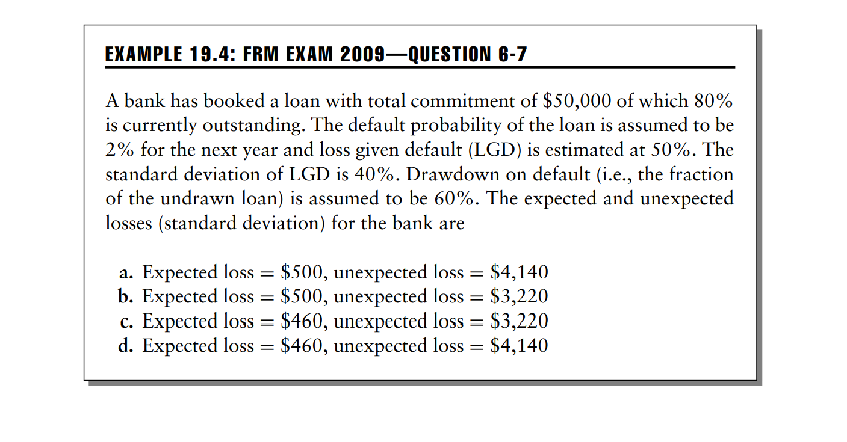

 |  |  | EAD

 |  |  | a) Current | 40,000
 |  |  | b) Potential | 6,000

 |  |  |  | 46,000

 |  |  |  |  | PD | 2%

 |  |  |  |  | LGD | 50%

 |  |  |  | EL = | 460
 |  |  |  |  |  |  |  |  | *** Option d is the correct option
 |  |  |  | UEL = | 4,140

Equity
ke | = | Rf | + | β X (Rm-Rf)

*** This is the CAPM Equation

 |  | Year | NIFTY | Stock | Rtnsmkt | Rtnsstk
 |  | 1 | 13250 | 120
 |  | 2 | 14100 | 150 | 6.42% | 25.00% |  |  | SUMMARY OUTPUT
 |  | 3 | 14750 | 200 | 4.61% | 33.33%
 |  | 4 | 15250 | 220 | 3.39% | 10.00% |  |  | Regression Statistics
 |  | 5 | 15960 | 300 | 4.66% | 36.36% |  |  | Multiple R | 0.086431340653
 |  | 6 | 16800 | 375 | 5.26% | 25.00% |  |  | R Square | 0.007470376647
 |  | 7 | 17500 | 550 | 4.17% | 46.67% |  |  | Adjusted R Square | -0.24066202919
 |  |  |  |  |  |  |  |  | Standard Error | 0.13886819883
 |  |  |  |  | ß | 1.05 |  |  | Observations | 6

 |  | *** ß represents the SLOPE when you plot the Stk Rtns |  |  |  |  |  |  | ANOVA
 |  | against the Mkt Rtns |  |  |  |  |  |  |  | df | SS | MS | F | Significance F
 |  |  |  |  |  |  |  |  | Regression | 1 | 0.00058058340452 | 0.00058058340452 | 0.030106412831 | 0.87067582636
 |  |  |  |  |  |  |  |  | Residual | 4 | 0.077137506586 | 0.019284376647
 |  |  |  |  |  |  |  |  | Total | 5 | 0.077718089991

 |  | Rf | 6% |  |  |  |  |  |  | Coefficients | Standard Error | t Stat | P-value | Lower 95% | Upper 95% | Lower 95.0% | Upper 95.0%
 |  | Rm | 4.75% |  |  |  |  |  | Intercept | 0.24 | 0.29329001558 | 0.83197457923 | 0.45220817261 | -0.57029379086 | 1.0583134655 | -0.57029379086 | 1.0583134655
 |  |  |  |  |  |  |  |  | X Variable 1 | 1.05 | 6.0579858085 | 0.17351199622 | 0.87067582636 | -15.768531835 | 17.870798256 | -15.768531835 | 17.870798256
 |  | ke | 4.69%

Practice Case 1

Estimate the expected return of the stock with the returns below -- also appended below are the NIFTY Returns.

 | Year | NIFTY | Stock
 | 1 | 22% | 21%
 | 2 | 18% | 16%
 | 3 | 24% | 20%
 | 4 | 15% | 17%
 | 5 | 16% | 21%

Assume that G-secs yield 6% annually.

 |  | ß = | 0.267 |  | Rm = | 19.00%

 |  | ke = | 9.47%

 |  | Exp Rtn | = | MRP X ß | + | Rf
 |  | y |  | m X x |  | c

SECURITY MARKET LINE
0 | 0.06
0.1 | 0.073
0.2 | 0.086
0.3 | 0.099
0.4 | 0.112
0.5 | 0.125
0.6 | 0.138
0.7 | 0.151
0.8 | 0.164
0.9 | 0.177
1 | 0.19
1.1 | 0.203
1.2 | 0.216
1.3 | 0.229
1.4 | 0.242
1.5 | 0.255
 |  |  | ß | ke
 |  |  | 0.267 | 9.47%
 |  |  | - | 6.00%
 |  |  | 0.100 | 7.30%
 |  |  | 0.200 | 8.60%
 |  |  | 0.300 | 9.90%
SLOPE SML = |  | 13.00% | 0.400 | 11.20%
 |  |  | 0.500 | 12.50%
INTERCEPT SML = |  | 6.00% | 0.600 | 13.80%
 |  |  | 0.700 | 15.10%
 |  |  | 0.800 | 16.40%
 |  |  | 0.900 | 17.70%
 |  |  | 1.000 | 19.00%
 |  |  | 1.100 | 20.30%
 |  |  | 1.200 | 21.60%
 |  |  | 1.300 | 22.90%
 |  |  | 1.400 | 24.20%
 |  |  | 1.500 | 25.50%

Practice Case 2

 | Revenues |  | 10000 | USD Million

 | GPM |  | 60%

 | Opex |  | 25% | Of G/p
 |  |  |  |  |  | Dividend paid annually is expected to grow @ 8% for 5 years and @ 4% thereafter.
 | ICR |  | 5
 |  |  |  |  |  | US Tbills Yield 4% , Stock ß is 1.25 & Market Yields are 12% annually.
 | Taxes |  | 40%
 |  |  |  |  |  | Estimate the Intrinsic Value of the Share!
 | NOS |  | 36 | Million

 | Retention Policy |  | 60%

 |  |  |  |  |  |  |  |  | ke
 |  |  |  |  |  |  | g1= | 8% | 14.00%

 |  | Revenues | 10,000 |  |  |  | Years | CF's | DF's | PV's
 |  |  |  |  |  |  | 1 | 25.92 | 0.877 | 22.74
 |  | COGS | 4,000 |  |  |  | 2 | 27.99 | 0.769 | 21.54
 |  |  |  |  |  |  | 3 | 30.23 | 0.675 | 20.41
 |  | G/p | 6,000 |  |  |  | 4 | 32.65 | 0.592 | 19.33 |  |  | PV (Def Grwth) |  | 102
 |  |  |  |  |  |  | 5 | 35.26 | 0.519 | 18.31 |  |  | PV (Indef Grwth) |  | 190
 |  | Opex | 1,500
 |  |  |  |  |  |  |  |  |  |  |  |  | IV/share |  | 293
 |  | EBIT | 4,500
 |  |  |  |  | DEFINITE GROWTH
 |  | Interest | 900
 |  |  |  |  | t0 | Y1 | Y2 | Y3 | Y4 | Y5 | Y6
 |  | PBT | 3,600

 |  | Taxes | 1,440
 |  |  |  |  |  |  | P0= | D1 |  |  | P5 | = | 36.67 | = | 366.74
 |  | PAT | 2,160 |  |  |  |  | ke-g |  |  |  |  | 10.0%

 |  | NOS | 36 |  |  |  | *** Gordon's Constant Growth Model |  |  |  |  |  |  | P0 = | 190.475491

 |  | EPS | 60 |  |  |  |  |  |  | INDEFINITE GROWTH

 | (-) | Retention | 36

 |  | D0 | 24

