Design Web Accessibility
Guidelines | Examples
Provide sufficient contrast between foreground and background Foreground text needs to have sufficient contrast with background colors. This includes text on images, background gradients, buttons, and other elements. This does not apply for logos, or incidental text, such as text that happens to be in a photograph. The links below provide more information on the minimum contrast ratio as required by the WCAG and how to check contrast. “Contrast ratio” is a short version of the more technically correct term “luminance contrast ratio”.
Don’t use color alone to convey information While color can be useful to convey information, color should not be the only way information is conveyed. When using color to differentiate elements, also provide additional identification that does not rely on color perception. For example, use an asterisk in addition to color to indicate required form fields, and use labels to distinguish areas on graphs. | 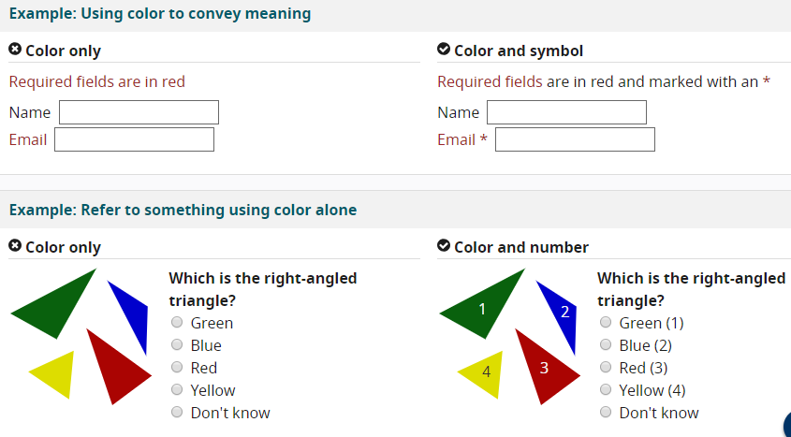
Ensure that interactive elements are easy to identify Provide distinct styles for interactive elements, such as links and buttons, to make them easy to identify. For example, change the appearance of links on mouse hover, keyboard focus, and touch-screen activation. Ensure that styles and naming for interactive elements are used consistently throughout the website.
Provide clear and consistent navigation options Ensure that navigation across pages within a website has consistent naming, styling, and positioning. Provide more than one method of website navigation, such as a site search or a site map. Help users understand where they are in a website or page by providing orientation cues, such as breadcrumbs and clear headings.
Ensure that form elements include clearly associated labels Ensure that all fields have a descriptive label adjacent to the field. For left-to-right languages, labels are usually positioned to the left or above the field, except for checkboxes and radio buttons where they are usually to the right. Avoid having too much space between labels and fields. | 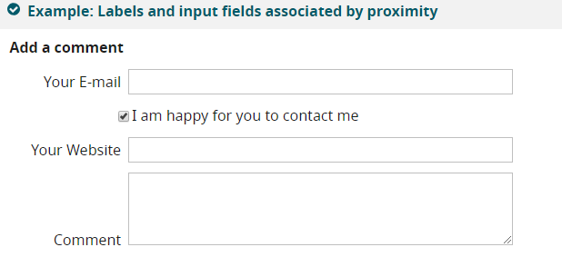
Provide easily identifiable feedback Provide feedback for interactions, such as confirming form submission, alerting the user when something goes wrong, or notifying the user of changes on the page. Instructions should be easy to identify. Important feedback that requires user action should be presented in a prominent style. | 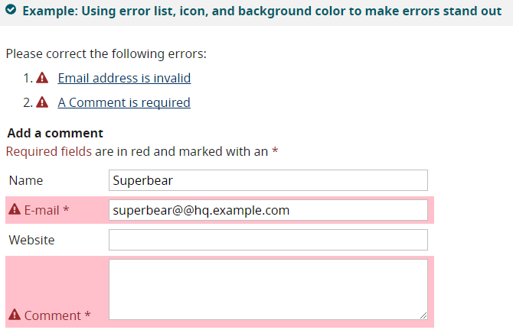
Use headings and spacing to group related content Use whitespace and proximity to make relationships between content more apparent. Style headings to group content, reduce clutter, and make it easier to scan and understand.
Create designs for different viewport sizes Consider how page information is presented in different sized viewports, such as mobile phones or zoomed browser windows. Position and presentation of main elements, such as header and navigation can be changed to make best use of the space. Ensure that text size and line width are set to maximize readability and legibility. Display in a wide window with small text uses multiple columns for primary content, visible navigation options, and visible secondary information. Display in a narrow window, such as a mobile phone, or with large text uses single column for primary content, navigation options are revealed using an icon, and secondary information is also revealed via icon. | 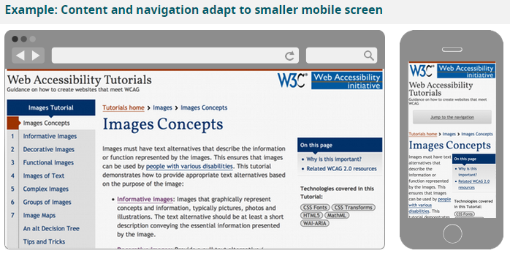
Include image and media alternatives in your design Provide a place in your design for alternatives for images and media. For example, you might need: - Visible links to transcripts of audio - Visible links to audio described versions of videos - Text along with icons and graphical buttons - Captions and descriptions for tables or complex graphs Work with content authors and developers to provide alternatives for non-text content. | 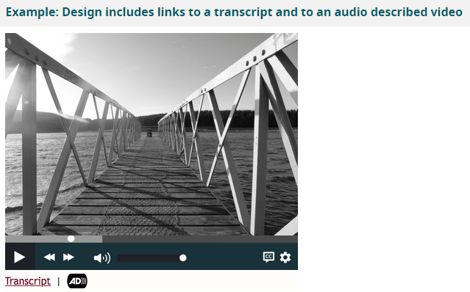
Provide controls for content that starts automatically Provide visible controls to allow users to stop any animations or auto-playing sound. This applies to carousels, image sliders, background sound, and videos. | 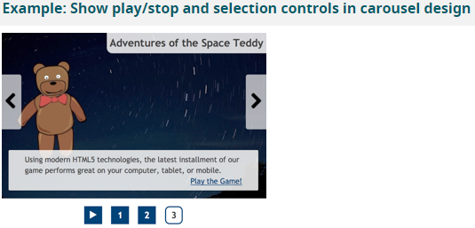

Development Web Accessibility
Guidelines | Examples
Associate a label with every form control Use a for attribute on the <label> element linked to the id attribute of the form element, or using WAI-ARIA attributes. In specific situations it may be acceptable to hide <label> elements visually, but in most cases labels are needed to help all readers understand the required input.
Include alternative text for images Ensure that alternative text for images is added to all informational and functional images. Use empty alternative text, alt="" for decorative images, or include them in the CSS instead. Text alternatives are usually provided by those responsible for written content.
Identify page language and language changes Indicate the primary language of every page by using the lang attribute in the html tag, for example <html lang="en">. Use the lang attribute on specific elements when the language of the element differs from the rest of the page.
Use mark-up to convey meaning and structure Use appropriate mark-up for headings, lists, tables, etc. HTML5 provides additional elements, such as <nav> and <aside>, to better structure your content. WAI-ARIA roles can provide additional meaning, for example, using role="search" to identify search functionality. Work with designers and content writers to agree on meanings and then use them consistently. | 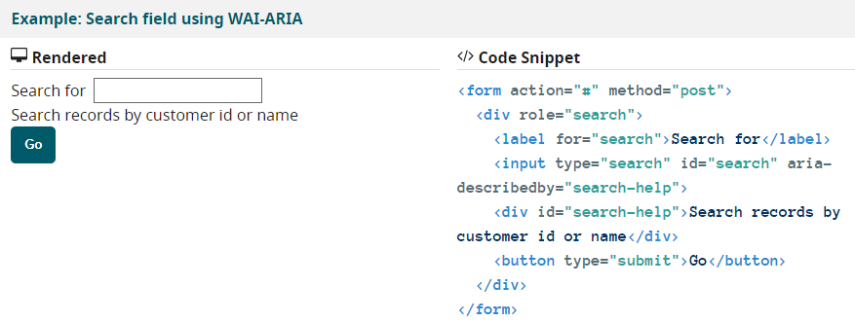
Help users avoid and correct mistakes Provide clear instructions, error messages, and notifications to help users complete forms on your site. When an error occurs: - Help users find where the problem is - Provide specific, understandable explanations - Suggest corrections Be as forgiving of format as possible when processing user input. For example, accept phone numbers that include spaces and delete the spaces as needed.
Reflect the reading order in the code order Ensure that the order of elements in the code matches the logical order of the information presented. One way to check this is to remove CSS styling and review that the order of the content makes sense. | 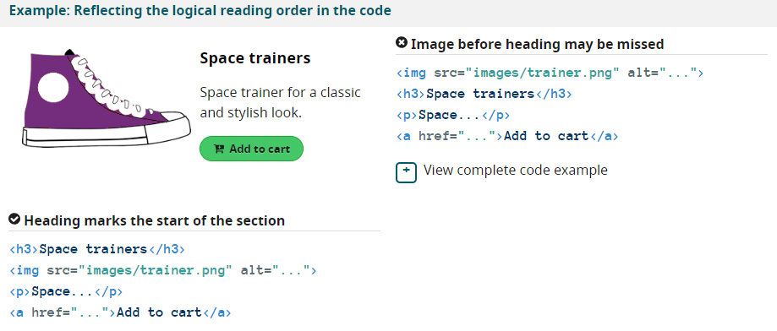
Write code that adapts to the user’s technology Use responsive design to adapt the display to different zoom states and viewport sizes, such as on mobile devices and tablets. When font size is increased by at least 200%, avoid horizontal scrolling and prevent any clipping of content. Use progressive enhancement to help ensure that core functionality and content is available regardless of technology being used.
Provide meaning for non-standard interactive elements Use WAI-ARIA to provide information on function and state for custom widgets, such as accordions and custom-made buttons. For example, role="navigation" and aria-expanded="true". Additional code is required to implement the behavior of such widgets, such as expanding and collapsing content or how the widget responds to keyboard events. | 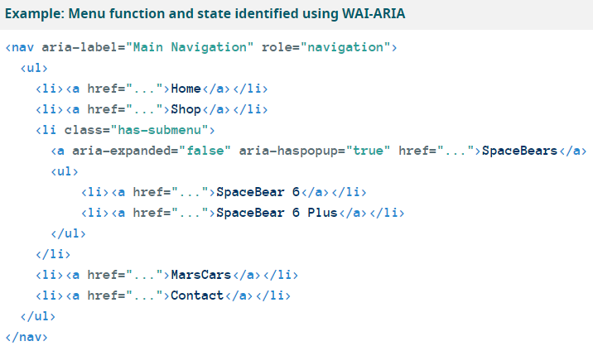
Ensure that all interactive elements are keyboard accessible Think about keyboard access, especially when developing interactive elements, such as menus, mouseover information, collapsable accordions, or media players. Use tabindex="0" to add an element that does not normally receive focus, such as <div> or <span>, into the navigation order when it is being used for interaction. Use scripting to capture and respond to keyboard events.
Avoid CAPTCHA where possible CAPTCHAs create problems for many people. There are other means of verifying that user input was generated by a human that are easier to use, such as automatic detection or interface interactions. If CAPTCHA really needs to be included, ensure that it is simple to understand and includes alternatives for users with disabilities, such as: - Providing more than two ways to solve the CAPTCHAs - Providing access to a human representative who can bypass CAPTCHA - Not requiring CAPTCHAs for authorized users.

