iteration (1)
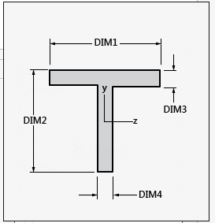
flange width | 160.000000000000
stringer height | 70.000000000000
flange thickness | 6.000000000000
web thickness | 4.000000000000
total skin width | 400.000000000000
skin thickness | 7.000000000000
panel length | 600.000000000000
z_ec | 0.699203187251

 | WIDTH | THICK | Area | z_i_bar | z_i | Area x (z_i)^2 | Iy_i | Iy_i + Area x (z_i)^2
SKIN | 400.000000000000 | 7.000000000000 | 2800.000000000000 | -3.500000000000 | -4.199203187251 | 49373.260741892984 | 11433.333333333334 | 60806.594075226320
WEB | 4.000000000000 | 64.000000000000 | 256.000000000000 | 38.000000000000 | 37.300796812749 | 356185.457373692540 | 87381.333333333330 | 443566.790707025850
FLANGE | 160.000000000000 | 6.000000000000 | 960.000000000000 | 3.000000000000 | 2.300796812749 | 5081.919334613737 | 2880.000000000000 | 7961.919334613737

MOI skin stringer comb | 512335.304116865900
radius of gyration | 11.294845368645 | sqrt(I/A)
lamda | 53.121577181181 | cL/r_gyr

sig_critical | 231.019791511249

total mass(kg) | 30.559680000000
density(kg/mm^3) | 0.000002700000
total area | 4016.000000000000
stringer area | 1216.000000000000
z_ec_stringer | 10.368421052632
z_offs(t_skin/2) | 3.500000000000
E | 66052.820000000000
nu | 0.340000000000

sig_effective | -143.930093475001

