Moment of Inertia
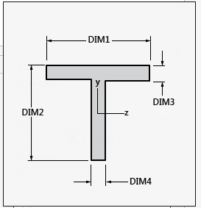
D1 | 70
D2 | 40
D3 | 3
D4 | 2
D5 | 200
D6 | 4

z_ec | -0.6868
 | WIDTH | THICK | Area | z_i_bar | z_i | Area x (z_i)^2 | Iy_i
SKIN | 400.000000000000 | 4.000000000000 | 1600.000000000000 | -2.000000000000 | -1.313200000000 | 2759.190784000000 | 2133.333333333334 | 4892.524117333334
WEB | 2.000000000000 | 37.000000000000 | 74.000000000000 | 21.500000000000 | 22.186800000000 | 36426.802973760010 | 8442.166666666666 | 44868.969640426670
FLANGE | 70.000000000000 | 3.000000000000 | 210.000000000000 | 1.500000000000 | 2.186800000000 | 1004.239790400000 | 157.500000000000 | 1161.739790400000
 |  |  | 1884.000000000000 |  |  |  |  | 50923.233548160010 | skin+stringer combined MOI

radius of gyration | 5.198972703327
lamda | 115.407414933353

sig_critical | 48.946729969865

