Sheet1
PLACE | DESTINATION | DISTANCE | LOCATION | DESCRIPTION | IMAGE

Khandadhar Waterfalls | Keonjhar |  | https://maps.app.goo.gl/nXEw5dnWQjGeUMQt7 | The Khandadhar Waterfall is truly a delight to watch. The sparkling waters of the fall come gushing down creating an incredibly enchanting sight. The most captivating sight is the rainbow which is formed at the base of the waterfall, and the rainbow appears to dance as the waterfall oscillates. It is the perfect picnic spot. You can come here with your friends or family, and spend some quality time here in the midst of nature in its purest form
Akhiyasila Waterfall | Rourkela | 30 KM from RKL | https://maps.app.goo.gl/YoZjWbR67jEuSUHA9 | SITUATED AT NEAR TULSIKANI VILLAGE & Beside SARANDA Jungle (IN BETWEEN ODISHA & JHAKHAND BORDER). This place famous for its natural beauty and the aquatic water fall. Akaisila named because its built by 21 different foundation stone (sila) laid by GOD, and decorated naturally. A TUSU immersion mela is held on every year 16th January during MAKAR PARAB / MAKAR SANKRANTI | 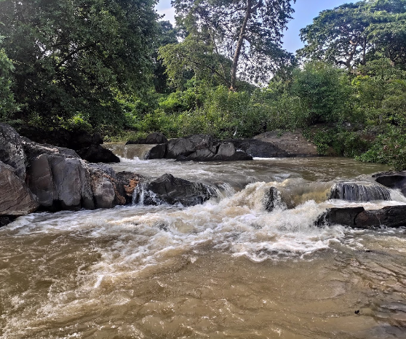
Birsa Munda International Hockey Stadium | Rourkela |  | https://maps.app.goo.gl/EFLEwc53dQUdNdyK7 | The Birsa Munda Hockey Stadium is an international field hockey stadium situated at Rourkela, India. The stadium has been named after the tribal leader, Birsa Munda, who was a famous freedom fighter from Khunti, Jharkhand. With a seating capacity of 20,011 permanent seats, it is officially recognised by the Guinness World Records as the largest fully seated hockey arena in the world on January 29, 2023 | 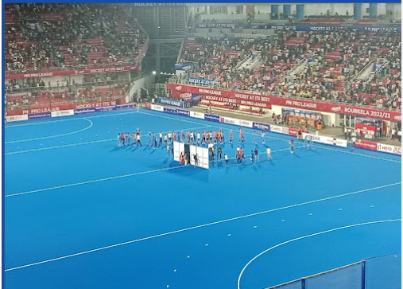
Veda Vyas | Rourkela |  | https://maps.app.goo.gl/unDtQg1cSm5pCrYC8 | Vedyas temple is situated just after sangam of river shanka and koel from were it's called river bramani, maharshi vedvyas written Mahabharat here only below sitting a rock. One can see that place here worshipped by devotees. Ghat nearby temple is also very scenic and beautiful. Beware of beggers on temple gate as one have argued with me when leaving. Overall calm and peace atmosphere. Can be visited once. | 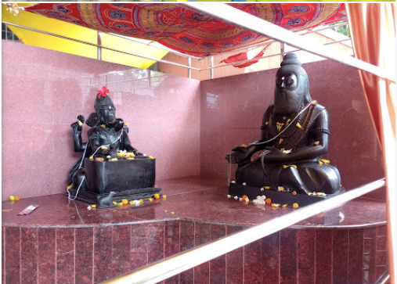
Hill Top View Point and Vaisno Devi Temple | Rourkela |  | https://maps.app.goo.gl/JYfZs6fqP16Tpeab9 |  | 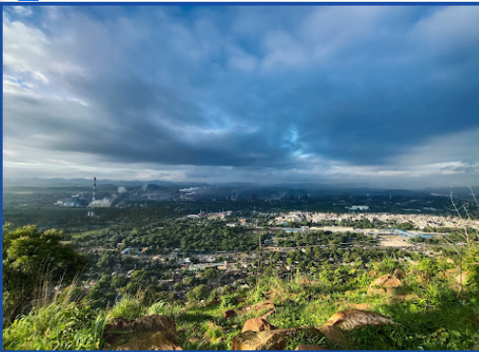
Mandira Dam | Kansbahal, Sundargarh |  | https://maps.app.goo.gl/PfmUXAcfJKmwHyyL7 | Mandira dam is located near Kansbahal in Sundergarh district, Odisha, India. It is built across Sankh river, located 16 km upstream from Mandira. The water from the dam is used for Rourkela Steel Plant. Construction of the dam began after 1957. The dam displaced 2400 families and only 843 were resettled | 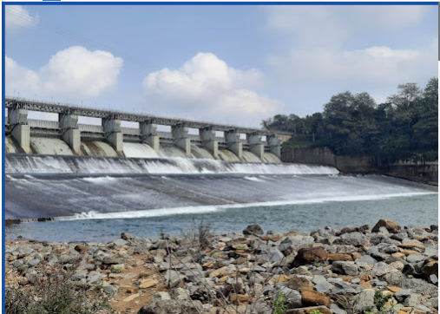
Debrigarh Wildlife Sanctaury | Bargarh, Sambalpur |  | https://maps.app.goo.gl/QoZAJU5fq55Y8Ejw8 | The Debrigarh wildlife sanctuary is located in the Bargarh district in the Indian state of Odisha, covering a total area of 346.91 km2. It is situated near the city of Sambalpur's Hirakud Dam. The Debrigarh Wildlife Sanctuary is an important location for the conservation of various local wildlife and their habitat. It is home to a wide variety of flora and fauna. Over 40 species of mammals, 200 species of birds, 40 species of reptiles, 12 species of amphibians, 42 species of fishes, 39 species of odonates, 85 species of butterflies and 38 species of spiders have been found living in the sanctuary. | 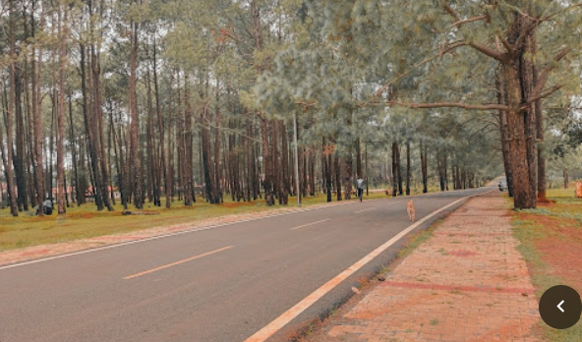
Hirakud Dam | Sambalpur | 16.5 KM from Sambalpur | https://maps.app.goo.gl/ABnbF1nYW7usKF4t5 | Hirakud Dam is built across the Mahanadi River, about 10 kilometres (6.2 mi) from Sambalpur in the state of Odisha in India. It is the longest earthen dam in the world. Behind the dam extends a lake, Hirakud Reservoir, 55 km (34 mi) long. It is one of the first major multipurpose river valley projects started after India's independence. Hirakud Reservoir was declared a Ramsar site on 12 October 2021. | 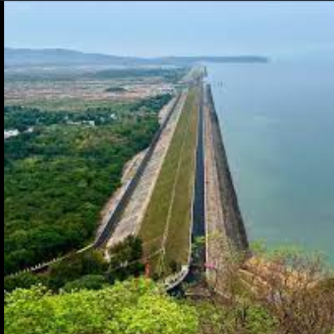
Samaleswari Temple | Sambalpur |  | https://maps.app.goo.gl/ehuj6noazQtcK6p19 | Samaleswari Temple is a Hindu temple in Sambalpur, Odisha, India, dedicated to the goddess known as 'Samaleswari', also known among the natives as samalei maa, meaning Mother Samaleswari. Shree Shree Samaleswari, the presiding deity of Sambalpur, is a strong religious force in western part of Odisha and Chhattisgarh state of India. On the bank of the river Mahanadi, the mother goddess Samaleswari is worshipped from ancient times as Jagatjanani, Adishakti, Mahalaxmi and Mahasaraswati, and is the mother of the universe. After Lord Jagannath, she is the only Goddess in Odisha who is the presiding deity of such a large region including the complete Western Odisha, parts of Jharkhand and Chhattisgarh. | 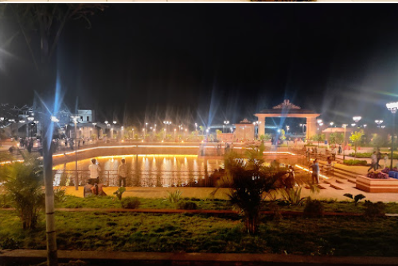
Gandhi and Jawhar Minar | Burla, Sambalpur | 16 KM from Sambalpur | https://maps.app.goo.gl/vRTHawb1xNfXJ3gc7 |  | 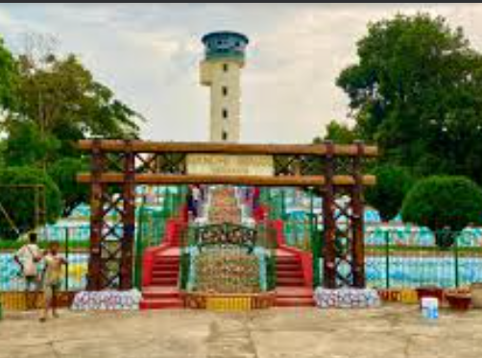
Darjing and Deoghar, Rourkela | NH23 towards Rajamunda, on the banks of Brahmani is this beautiful picnic spot, Darjing. It is a small village some 45 km away from Rourkela, it is a popular tourist spot for its soothing landscape | NH23 towards Rajamunda, on the banks of Brahmani is this beautiful picnic spot, Darjing. It is a small village some 45 km away from Rourkela, it is a popular tourist spot for its soothing landscape | https://maps.app.goo.gl/S1sKHf9CuiNfec1Z7 | A village by the side of a river, lush greenery and cold breeze. Ah, what peace! An inspection bungalow amidst beautiful gardens and gold traces in the golden sand by the river. That's Darjing for you. Deoghar is another popular tourist spot 3kms ahead of Darjing.

