KS_LSTM_HuBERT
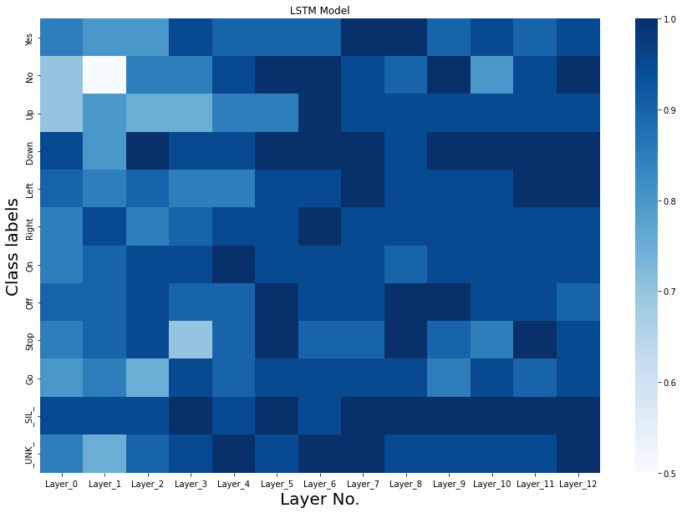
Label | Layer_0 | Layer_1 | Layer_2 | Layer_3 | Layer_4 | Layer_5 | Layer_6 | Layer_7 | Layer_8 | Layer_9 | Layer_10 | Layer_11 | Layer_12
Yes | 17 | 16 | 16 | 19 | 18 | 18 | 18 | 20 | 20 | 18 | 19 | 18 | 19
No | 14 | 10 | 17 | 17 | 19 | 20 | 20 | 19 | 18 | 20 | 16 | 19 | 20
Up | 14 | 16 | 15 | 15 | 17 | 17 | 20 | 19 | 19 | 19 | 19 | 19 | 19
Down | 19 | 16 | 20 | 19 | 19 | 20 | 20 | 20 | 19 | 20 | 20 | 20 | 20
Left | 18 | 17 | 18 | 17 | 17 | 19 | 19 | 20 | 19 | 19 | 19 | 20 | 20
Right | 17 | 19 | 17 | 18 | 19 | 19 | 20 | 19 | 19 | 19 | 19 | 19 | 19
On | 17 | 18 | 19 | 19 | 20 | 19 | 19 | 19 | 18 | 19 | 19 | 19 | 19
Off | 18 | 18 | 19 | 18 | 18 | 20 | 19 | 19 | 20 | 20 | 19 | 19 | 18
Stop | 17 | 18 | 19 | 14 | 18 | 20 | 18 | 18 | 20 | 18 | 17 | 20 | 19
Go | 16 | 17 | 15 | 19 | 18 | 19 | 19 | 19 | 19 | 17 | 19 | 18 | 19
_SIL_ | 19 | 19 | 19 | 20 | 19 | 20 | 19 | 20 | 20 | 20 | 20 | 20 | 20
_UNK_ | 17 | 15 | 18 | 19 | 20 | 19 | 20 | 20 | 19 | 19 | 19 | 19 | 20

KS_Logistic_HuBERT
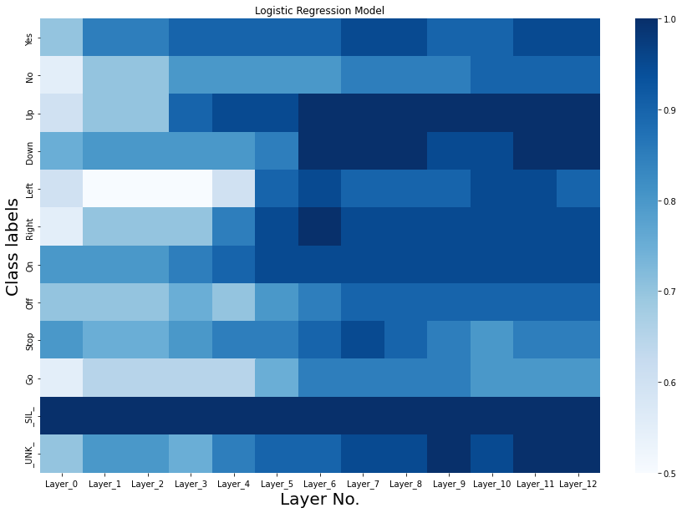
Label | Layer_0 | Layer_1 | Layer_2 | Layer_3 | Layer_4 | Layer_5 | Layer_6 | Layer_7 | Layer_8 | Layer_9 | Layer_10 | Layer_11 | Layer_12
Yes | 14 | 17 | 17 | 18 | 18 | 18 | 18 | 19 | 19 | 18 | 18 | 19 | 19
No | 11 | 14 | 14 | 16 | 16 | 16 | 16 | 17 | 17 | 17 | 18 | 18 | 18
Up | 12 | 14 | 14 | 18 | 19 | 19 | 20 | 20 | 20 | 20 | 20 | 20 | 20
Down | 15 | 16 | 16 | 16 | 16 | 17 | 20 | 20 | 20 | 19 | 19 | 20 | 20
Left | 12 | 10 | 10 | 10 | 12 | 18 | 19 | 18 | 18 | 18 | 19 | 19 | 18
Right | 11 | 14 | 14 | 14 | 17 | 19 | 20 | 19 | 19 | 19 | 19 | 19 | 19
On | 16 | 16 | 16 | 17 | 18 | 19 | 19 | 19 | 19 | 19 | 19 | 19 | 19
Off | 14 | 14 | 14 | 15 | 14 | 16 | 17 | 18 | 18 | 18 | 18 | 18 | 18
Stop | 16 | 15 | 15 | 16 | 17 | 17 | 18 | 19 | 18 | 17 | 16 | 17 | 17
Go | 11 | 13 | 13 | 13 | 13 | 15 | 17 | 17 | 17 | 17 | 16 | 16 | 16
_SIL_ | 20 | 20 | 20 | 20 | 20 | 20 | 20 | 20 | 20 | 20 | 20 | 20 | 20
_UNK_ | 14 | 16 | 16 | 15 | 17 | 18 | 18 | 19 | 19 | 20 | 19 | 20 | 20

LID_Logistic_Hubert
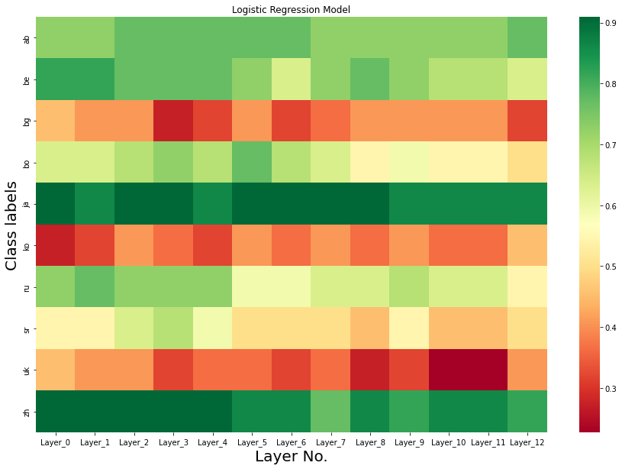
Label | Layer_0 | Layer_1 | Layer_2 | Layer_3 | Layer_4 | Layer_5 | Layer_6 | Layer_7 | Layer_8 | Layer_9 | Layer_10 | Layer_11 | Layer_12
ab | 16 | 16 | 17 | 17 | 17 | 17 | 17 | 16 | 16 | 16 | 16 | 16 | 17
be | 18 | 18 | 17 | 17 | 17 | 16 | 14 | 16 | 17 | 16 | 15 | 15 | 14
bg | 10 | 9 | 9 | 6 | 7 | 9 | 7 | 8 | 9 | 9 | 9 | 9 | 7
bo | 14 | 14 | 15 | 16 | 15 | 17 | 15 | 14 | 12 | 13 | 12 | 12 | 11
ja | 20 | 19 | 20 | 20 | 19 | 20 | 20 | 20 | 20 | 19 | 19 | 19 | 19
ko | 6 | 7 | 9 | 8 | 7 | 9 | 8 | 9 | 8 | 9 | 8 | 8 | 10
ru | 16 | 17 | 16 | 16 | 16 | 13 | 13 | 14 | 14 | 15 | 14 | 14 | 12
sr | 12 | 12 | 14 | 15 | 13 | 11 | 11 | 11 | 10 | 12 | 10 | 10 | 11
uk | 10 | 9 | 9 | 7 | 8 | 8 | 7 | 8 | 6 | 7 | 5 | 5 | 9
zh | 20 | 20 | 20 | 20 | 20 | 19 | 19 | 17 | 19 | 18 | 19 | 19 | 18

LID_LSTM_Hubert
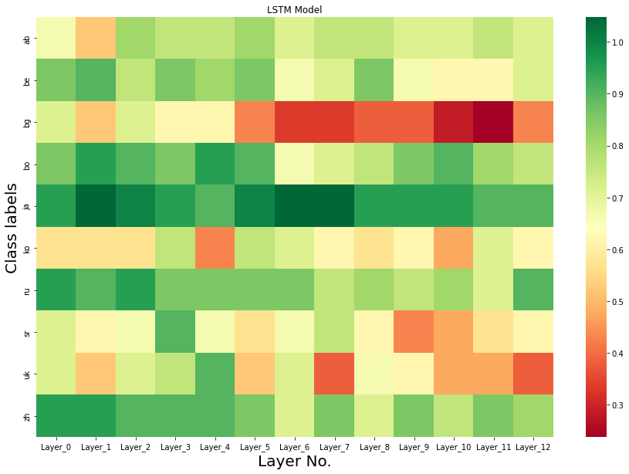
Label | Layer_0 | Layer_1 | Layer_2 | Layer_3 | Layer_4 | Layer_5 | Layer_6 | Layer_7 | Layer_8 | Layer_9 | Layer_10 | Layer_11 | Layer_12
ab | 14 | 11 | 17 | 16 | 16 | 17 | 15 | 16 | 16 | 15 | 15 | 16 | 15
be | 18 | 19 | 16 | 18 | 17 | 18 | 14 | 15 | 18 | 14 | 13 | 13 | 15
bg | 15 | 11 | 15 | 13 | 13 | 9 | 7 | 7 | 8 | 8 | 6 | 5 | 9
bo | 18 | 20 | 19 | 18 | 20 | 19 | 14 | 15 | 16 | 18 | 19 | 17 | 16
ja | 20 | 22 | 21 | 20 | 19 | 21 | 22 | 22 | 20 | 20 | 20 | 19 | 19
ko | 12 | 12 | 12 | 16 | 9 | 16 | 15 | 13 | 12 | 13 | 10 | 15 | 13
ru | 20 | 19 | 20 | 18 | 18 | 18 | 18 | 16 | 17 | 16 | 17 | 15 | 19
sr | 15 | 13 | 14 | 19 | 14 | 12 | 14 | 16 | 13 | 9 | 10 | 12 | 13
uk | 15 | 11 | 15 | 16 | 19 | 11 | 15 | 8 | 14 | 13 | 10 | 10 | 8
zh | 20 | 20 | 19 | 19 | 19 | 18 | 15 | 18 | 15 | 18 | 16 | 18 | 17
 | 0.83499997854 | 0.79000002146 | 0.83999997377 | 0.86500000954 | 0.81999999285 | 0.79500001669 | 0.74500000477 | 0.73000001907 | 0.74500000477 | 0.72000002861 | 0.68000000715 | 0.69999998808 | 0.72000002861

LID_Logistic_Wav2Vec2
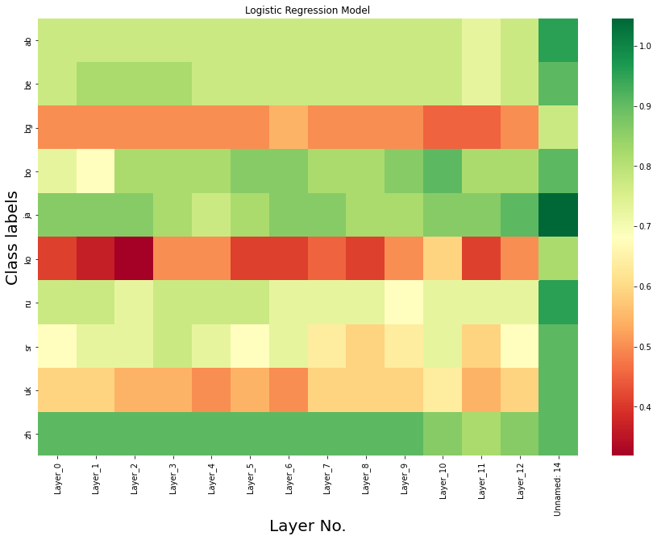
Label | Layer_0 | Layer_1 | Layer_2 | Layer_3 | Layer_4 | Layer_5 | Layer_6 | Layer_7 | Layer_8 | Layer_9 | Layer_10 | Layer_11 | Layer_12
ab | 17 | 17 | 17 | 17 | 17 | 17 | 17 | 17 | 17 | 17 | 17 | 16 | 17 | 21
be | 17 | 18 | 18 | 18 | 17 | 17 | 17 | 17 | 17 | 17 | 17 | 16 | 17 | 20
bg | 11 | 11 | 11 | 11 | 11 | 11 | 12 | 11 | 11 | 11 | 10 | 10 | 11 | 17
bo | 16 | 15 | 18 | 18 | 18 | 19 | 19 | 18 | 18 | 19 | 20 | 18 | 18 | 20
ja | 19 | 19 | 19 | 18 | 17 | 18 | 19 | 19 | 18 | 18 | 19 | 19 | 20 | 23
ko | 9 | 8 | 7 | 11 | 11 | 9 | 9 | 10 | 9 | 11 | 13 | 9 | 11 | 18
ru | 17 | 17 | 16 | 17 | 17 | 17 | 16 | 16 | 16 | 15 | 16 | 16 | 16 | 21
sr | 15 | 16 | 16 | 17 | 16 | 15 | 16 | 14 | 13 | 14 | 16 | 13 | 15 | 20
uk | 13 | 13 | 12 | 12 | 11 | 12 | 11 | 13 | 13 | 13 | 14 | 12 | 13 | 20
zh | 20 | 20 | 20 | 20 | 20 | 20 | 20 | 20 | 20 | 20 | 19 | 18 | 19 | 20

LID_LSTM_Wav2Vec2
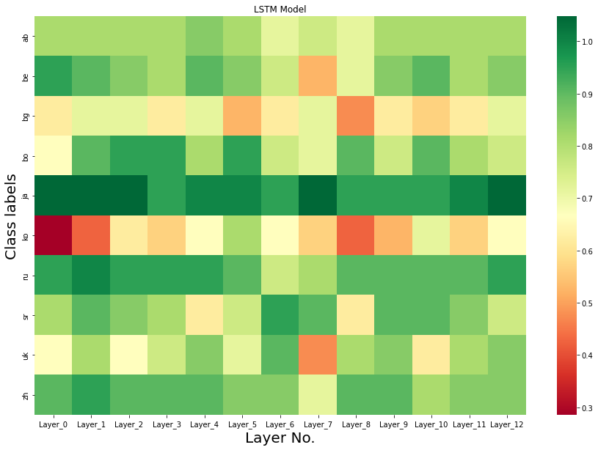
Label | Layer_0 | Layer_1 | Layer_2 | Layer_3 | Layer_4 | Layer_5 | Layer_6 | Layer_7 | Layer_8 | Layer_9 | Layer_10 | Layer_11 | Layer_12
ab | 17 | 17 | 17 | 17 | 18 | 17 | 15 | 16 | 15 | 17 | 17 | 17 | 17
be | 20 | 19 | 18 | 17 | 19 | 18 | 16 | 11 | 15 | 18 | 19 | 17 | 18
bg | 13 | 15 | 15 | 13 | 15 | 11 | 13 | 15 | 10 | 13 | 12 | 13 | 15
bo | 14 | 19 | 20 | 20 | 17 | 20 | 16 | 15 | 19 | 16 | 19 | 17 | 16
ja | 22 | 22 | 22 | 20 | 21 | 21 | 20 | 22 | 20 | 20 | 20 | 21 | 22
ko | 6 | 9 | 13 | 12 | 14 | 17 | 14 | 12 | 9 | 11 | 15 | 12 | 14
ru | 20 | 21 | 20 | 20 | 20 | 19 | 16 | 17 | 19 | 19 | 19 | 19 | 20
sr | 17 | 19 | 18 | 17 | 13 | 16 | 20 | 19 | 13 | 19 | 19 | 18 | 16
uk | 14 | 17 | 14 | 16 | 18 | 15 | 19 | 10 | 17 | 18 | 13 | 17 | 18
zh | 19 | 20 | 19 | 19 | 19 | 18 | 18 | 15 | 19 | 19 | 17 | 18 | 18
 | 0.81000000238 | 0.88999998569 | 0.87999999523 | 0.85500001907 | 0.87000000477 | 0.86000001431 | 0.83499997854 | 0.75999999046 | 0.77999997139 | 0.85000002384 | 0.85000002384 | 0.84500002861 | 0.87000000477

LID accuracy
Language Identification HuBERT
Hubert
Layer | Logistic | SVM | Random | LSTM
0 | 0.71 | 0.74 | 0.56 | 0.83499997854
1 | 0.705 | 0.6 | 0.545 | 0.79000002146
2 | 0.73 | 0.585 | 0.525 | 0.83999997377
3 | 0.71 | 0.53 | 0.51 | 0.86500000954
4 | 0.695 | 0.525 | 0.49 | 0.81999999285
5 | 0.695 | 0.505 | 0.485 | 0.79500001669
6 | 0.655 | 0.52 | 0.495 | 0.74500000477
7 | 0.665 | 0.515 | 0.45 | 0.73000001907
8 | 0.655 | 0.505 | 0.505 | 0.74500000477
9 | 0.67 | 0.515 | 0.565 | 0.72000002861
10 | 0.635 | 0.51 | 0.545 | 0.68000000715
11 | 0.635 | 0.51 | 0.58 | 0.69999998808
12 | 0.64 | 0.5 | 0.53 | 0.72000002861
Language Identification Wav2Vec2

Wav2Vec2
Layer | Logistic | SVM | Random | LSTM
0 | 0.77 | 0.74 | 0.57 | 0.81000000238
1 | 0.77 | 0.7 | 0.545 | 0.88999998569
2 | 0.77 | 0.675 | 0.505 | 0.87999999523
3 | 0.795 | 0.68 | 0.54 | 0.85500001907
4 | 0.775 | 0.65 | 0.53 | 0.87000000477
5 | 0.775 | 0.65 | 0.48 | 0.86000001431
6 | 0.78 | 0.65 | 0.475 | 0.83499997854
7 | 0.775 | 0.64 | 0.44 | 0.75999999046
8 | 0.76 | 0.625 | 0.53 | 0.77999997139
9 | 0.775 | 0.69 | 0.55 | 0.85000002384
10 | 0.805 | 0.72 | 0.5 | 0.85000002384
11 | 0.735 | 0.56 | 0.49 | 0.84500002861
12 | 0.785 | 0.705 | 0.7 | 0.87000000477

SER_Logistic_Wav2Vec2
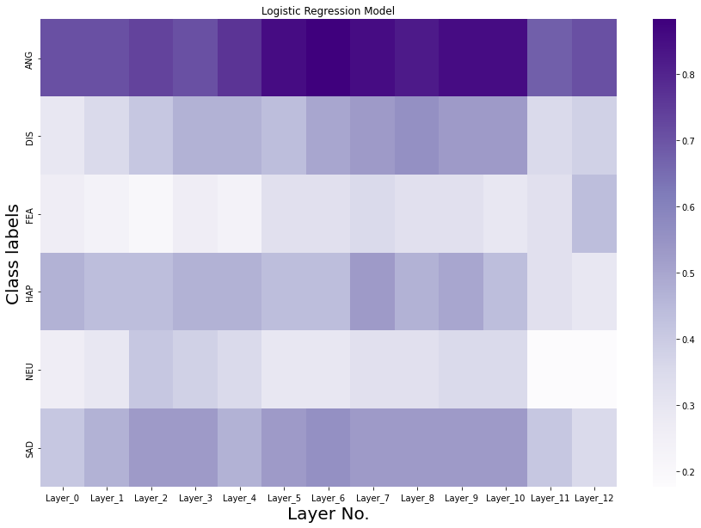
Label | Layer_0 | Layer_1 | Layer_2 | Layer_3 | Layer_4 | Layer_5 | Layer_6 | Layer_7 | Layer_8 | Layer_9 | Layer_10 | Layer_11 | Layer_12
ANG | 24 | 24 | 25 | 24 | 26 | 29 | 30 | 29 | 28 | 29 | 29 | 23 | 24
DIS | 10 | 12 | 14 | 16 | 16 | 15 | 17 | 18 | 19 | 18 | 18 | 12 | 13
FEA | 9 | 8 | 7 | 9 | 8 | 11 | 11 | 12 | 11 | 11 | 10 | 11 | 15
HAP | 16 | 15 | 15 | 16 | 16 | 15 | 15 | 18 | 16 | 17 | 15 | 11 | 10
NEU | 9 | 10 | 14 | 13 | 12 | 10 | 10 | 11 | 11 | 12 | 12 | 6 | 6
SAD | 14 | 16 | 18 | 18 | 16 | 18 | 19 | 18 | 18 | 18 | 18 | 14 | 12

Copy of SER_Logistic_Wav2Vec2
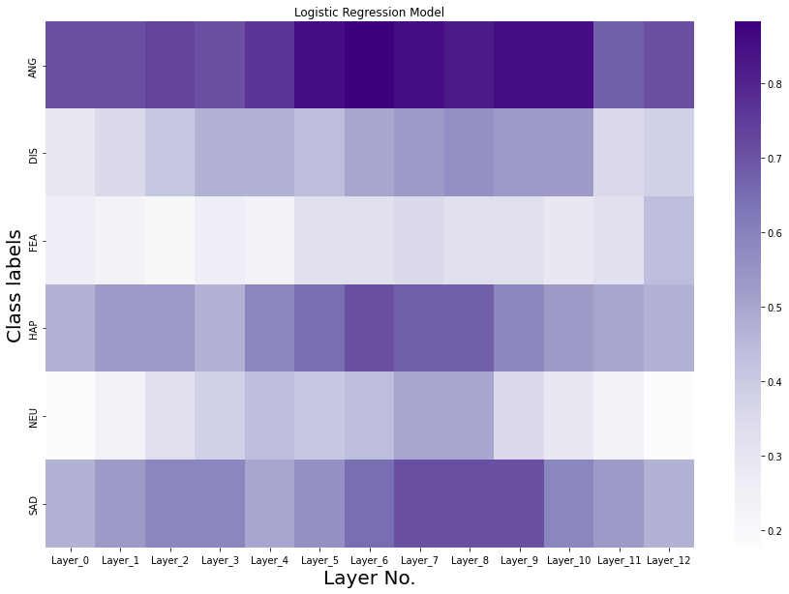
Label | Layer_0 | Layer_1 | Layer_2 | Layer_3 | Layer_4 | Layer_5 | Layer_6 | Layer_7 | Layer_8 | Layer_9 | Layer_10 | Layer_11 | Layer_12
ANG | 24 | 24 | 25 | 24 | 26 | 29 | 30 | 29 | 28 | 29 | 29 | 23 | 24
DIS | 10 | 12 | 14 | 16 | 16 | 15 | 17 | 18 | 19 | 18 | 18 | 12 | 13
FEA | 9 | 8 | 7 | 9 | 8 | 11 | 11 | 12 | 11 | 11 | 10 | 11 | 15
HAP | 16 | 18 | 18 | 16 | 20 | 22 | 24 | 23 | 23 | 20 | 18 | 17 | 16
NEU | 6 | 8 | 11 | 13 | 15 | 14 | 15 | 17 | 17 | 12 | 10 | 8 | 6
SAD | 16 | 18 | 20 | 20 | 17 | 19 | 22 | 24 | 24 | 24 | 20 | 18 | 16

