Sheet1
 | ZIRC
 | Ziegler | OSI Spirulina Flakes | Golden Pearl 300-500 | Golden Pearl 500-800 | Aggregate |  | Gemma |  | Watts
Amount (g) | 1812 | 500 | 453 | 453 | 3218
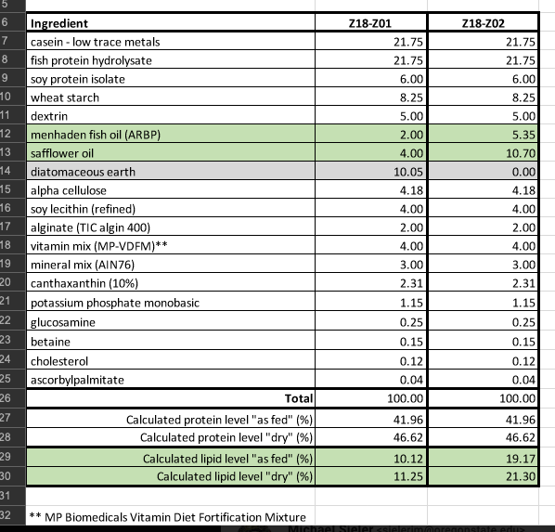
Percent Composition | 0.5631 | 0.1554 | 0.1408 | 0.1408
Protein | 0.310 | 0.064 | 0.077 | 0.077 | 0.528 |  | 0.59 |  | 0.46
Lipids | 0.084 | 0.006 | 0.023 | 0.021 | 0.135 |  | 0.14 |  | 0.11
Carbs | 0.116 |  |  |  | 0.116 |  | 0.02 |  | 0.1325
Fiber | 0.008 | 0.009 |  |  | 0.018 |  | 0.004 |  | 0.021

Phosphorous | 0.008 | 0.001 |  |  | 0.009 |  | 0.013

Other |  |  |  |  |  |  | 0.233 |  | 0.2765

Dietary Profile of Diets
Ash | 0.068 |  | 0.017 | 0.017 | 0.1549 |  | 0.14 |  | 0.0628
Moisture | 0.12 | 0.08 | 0.08 | 0.08
Vitamin C |  |  | 2550 ppm | 2550 ppm
Vitamin E |  |  | 425 ppm | 425 ppm
EPA |  |  | 10mg/g | 10mg/g
DHA |  |  | 12 mg/g | 12 mg/g

Dietary Profile of Diets
 |  |  | Our study |  |  | Leight et al 2018 |  |  |  |  | Stephens
 |  |  | Gemma | Watts | ZIRC | Ancestral | Carnivore | Omnivore | Herbivore | Artemia | High Pro/Fat | Low Pro/Fat
 |  | Protein | 0.59 | 0.46 | 0.528 | 0.55 | 0.4051 | 0.3188 | 0.0846 | 0.5837
 |  | Lipids | 0.14 | 0.11 | 0.135 | 0.15 | 0.1204 | 0.118 | 0.1175 | 0.1466
 |  | Carbs | 0.02 | 0.1325 | 0.116 | 0.08 | 0.4203 | 0.5224 | 0.7526 | 0.0521
 |  | Fiber | 0.004 | 0.021 | 0.018 | 0.02 | 0.15 | 0.3 | 0.6 | 0.05
 |  | Ash | 0.1549 | 0.14 | 0.0628 | 0.10 | 0.0318 | 0.0131 | 0.0218 | 0.072

 |  | *Estimated

