Sheet1
 | ZIRC (Juvenile) |  |  | ZIRC (Adult) |  |  |  |  |  | Gemma (Juvenile) |  |  | Gemma (Adult) |  | Watts (Juvenile) | Watts (Adult)
 | Ziegler Larval Diet AP-100 | Golden Pearl 200-300 | Aggregate | Ziegler | OSI Spirulina Flakes | Golden Pearl 300-500 | Golden Pearl 500-800 | Aggregate |  | Gemma 150 micron | Gemma 300 micron | Aggregate | Gemma 500 micron
Amount (g) | 500 | 250 | 750 | 1812 | 500 | 453 | 453 | 3218 | Amount (g) |  |  |  |  | Amount (g)
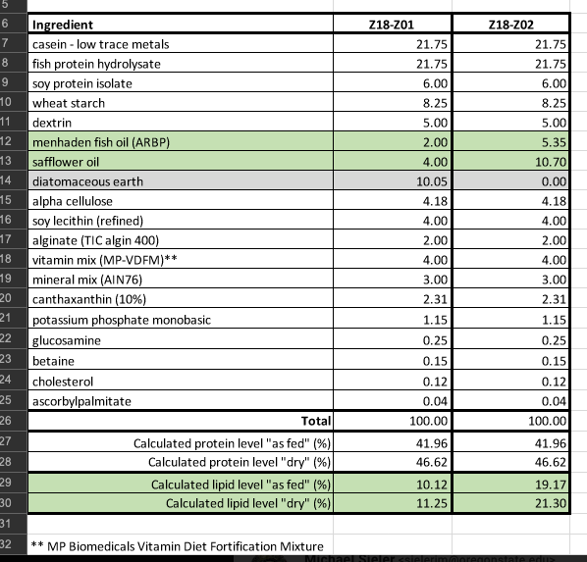
Percent Composition | 0.6667 | 0.3333 |  | 0.5631 | 0.1554 | 0.1408 | 0.1408 |  | Percent Composition | 0.5 | 0.5 |  |  | Percent Composition
Protein | 0.33333333333 | 0.18333333333 | 0.5167 | 0.310 | 0.064 | 0.077 | 0.077 | 0.528 | Protein | 0.295 | 0.295 | 0.59 | 0.59 | Protein | 0.46 | 0.46
Lipids | 0.08 | 0.05 | 0.1300 | 0.084 | 0.006 | 0.023 | 0.021 | 0.135 | Lipids | 0.07 | 0.07 | 0.14 | 0.14 | Lipids | 0.2 | 0.11
Carbs |  |  | 0.0000 | 0.116 |  |  |  | 0.116 | Carbs |  |  |  | 0.02 | Carbs | 0.1325 | 0.1325
Fiber | 0.016666666667 |  | 0.0167 | 0.008 | 0.009 |  |  | 0.018 | Fiber | 0.001 | 0.001 | 0.002 | 0.004 | Fiber | 0.021 | 0.021
Ash | 0.1 | 0.026666666667 | 0.1267 | 0.068 |  | 0.017 | 0.017 | 0.1549 | Ash | 0.07 | 0.07 | 0.14 | 0.14 | Ash |  | 0.0628

Phosphorous | 0.0086666666667 |  | 0.0087 | 0.008 | 0.001 |  |  | 0.009 |  | 0.0065 | 0.0065 | 0.013 | 0.013

Other |  |  | 0.0000 |  |  |  |  |  |  |  |  |  | 0.093 |  |  | 0.2137
Dietary Profile of Diets

Moisture | 0.066666666667 | 0.026666666667 | 0.0933 | 0.12 | 0.08 | 0.08 | 0.08
Vitamin C |  | 2550 ppm | 0.0000 |  |  | 2550 ppm | 2550 ppm
Vitamin E |  | 425 ppm | 0.0000 |  |  | 425 ppm | 425 ppm
EPA |  | 10mg/g | 0.0000 |  |  | 10mg/g | 10mg/g
DHA |  | 12 mg/g | 0.0000 |  |  | 12 mg/g | 12 mg/g

Dietary Profile of Diets
 |  | Juvenile Formulation |  |  |  | Adult Formulation |  |  |  |  | Leight et al 2018 |  |  |  |  |  |  | Stephens |  | Semova2012
 | *Estimated | Gemma | Watts | ZIRC |  | Gemma | Watts | ZIRC |  |  | Ancestral |  | Carnivore |  | Omnivore | Herbivore | Artemia | High Pro/Fat | Low Pro/Fat | Control Diet | Low Cal Diet
 | Protein | 0.59 | 0.46 | 0.528 | Protein | 0.59 | 0.46 | 0.528 |  |  | 0.55 |  | 0.4051 |  | 0.3188 | 0.0846 | 0.5837 |  |  | 45.14 | 20.03
 | Lipids | 0.14 | 0.11 | 0.135 | Lipids | 0.14 | 0.2 | 0.135 |  |  | 0.15 |  | 0.1204 |  | 0.118 | 0.1175 | 0.1466 |  |  | 15.09 | 15.08
 | Carbs | 0.02 | 0.1325 | 0.116 | Carbs | 0.02 | 0.1325 | 0.116 |  |  | 0.08 |  | 0.4203 |  | 0.5224 | 0.7526 | 0.0521 |  |  | 12.11 | 12.45
 | Fiber | 0.004 | 0.021 | 0.018 | Fiber | 0.004 | 0.021 | 0.018 |  |  | 0.02 |  | 0.15 |  | 0.3 | 0.6 | 0.05 |  |  | 0.93 | 0.62
 | Ash | 0.1549 | 0.04 | 0.0628 | Ash | 0.1549 | 0.14 | 0.0628 |  |  | 0.10 |  | 0.0318 |  | 0.0131 | 0.0218 | 0.072 |  |  | 19.92 | 45.08
 | Total | 0.9089 | 0.7635 | 0.8601 |  | 0.9089 | 0.9535 | 0.8601
Nutritional composition of diets between juvenile and adult formulations

 | *Estimated | Gemma (J) | Gemma (A) | Watts (J) | Watts (A) | ZIRC (J) | ZIRC (A)
 | Protein | 0.59 | 0.59 | 0.46 | 0.46 | 0.528 | 0.528
 | Lipids | 0.14 | 0.14 | 0.11 | 0.2 | 0.135 | 0.135
 | Carbs | 0.02 | 0.02 | 0.1325 | 0.1325 | 0.116 | 0.116
 | Fiber | 0.004 | 0.004 | 0.021 | 0.021 | 0.018 | 0.018
 | Ash | 0.1549 | 0.1549 | 0.04 | 0.14 | 0.0628 | 0.0628
 | Total | 0.9089 | 0.9089 | 0.7635 | 0.9535 | 0.8601 | 0.8601

