Missing Values
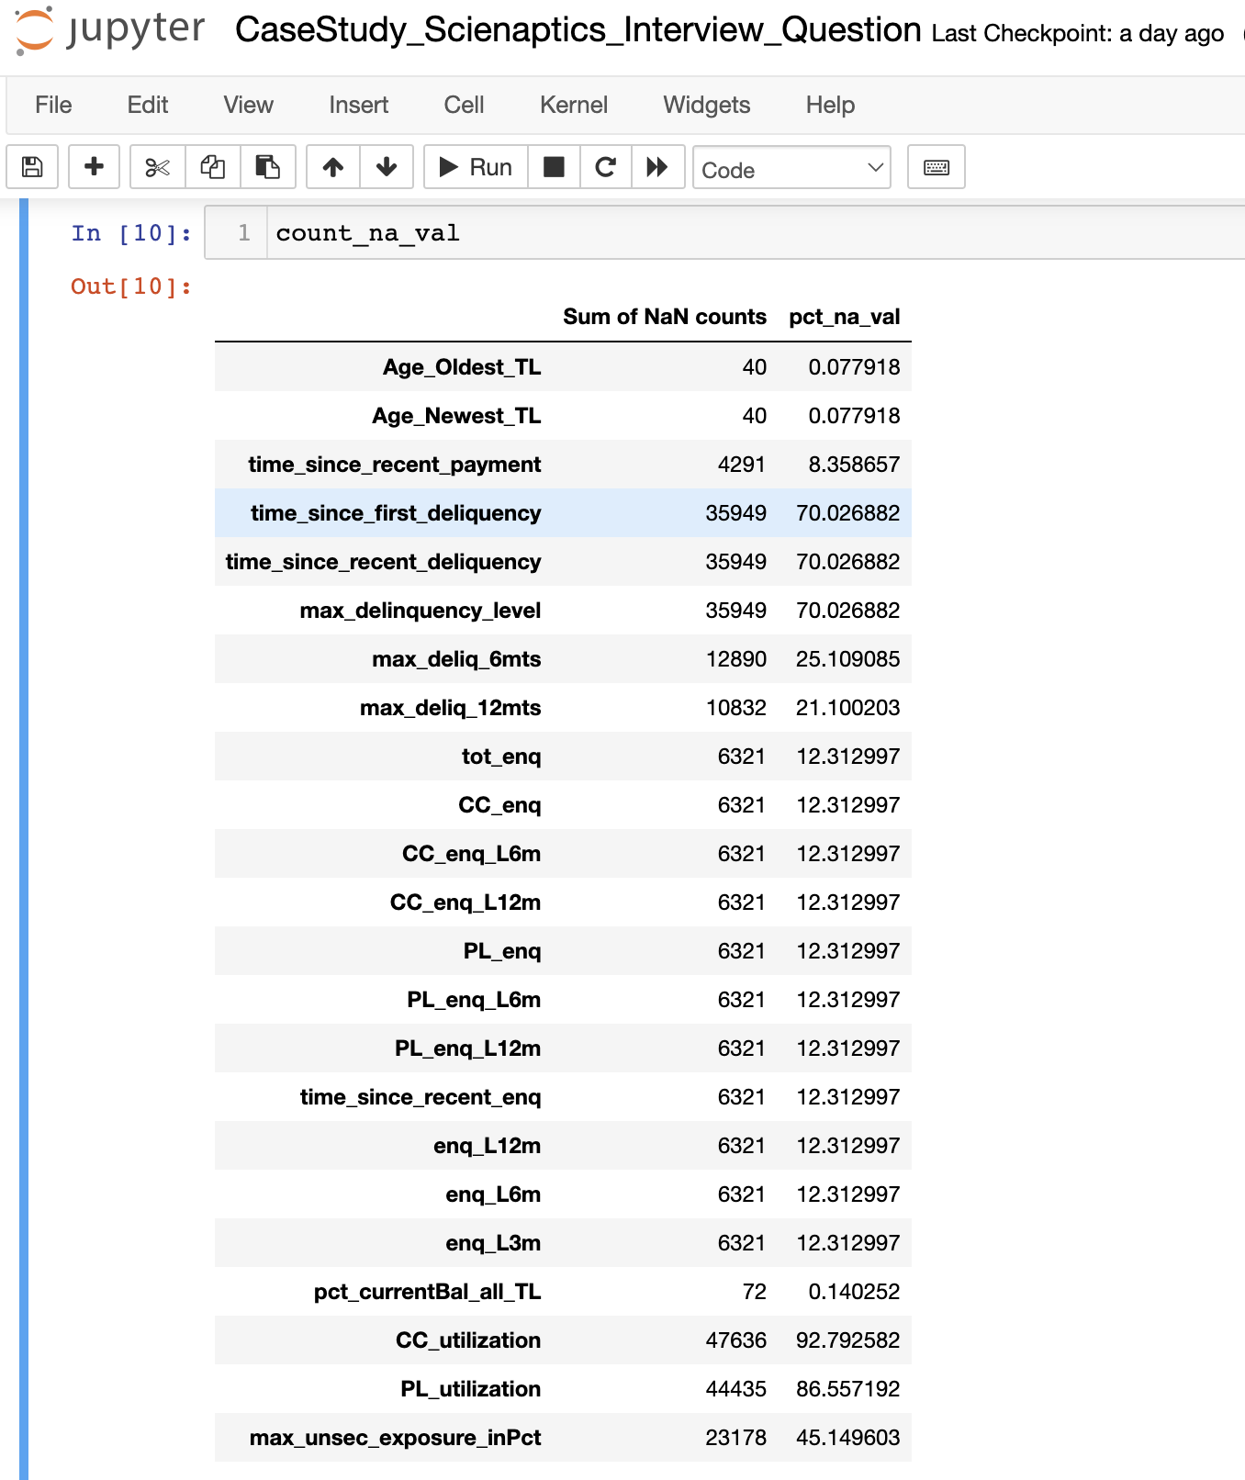

categorical
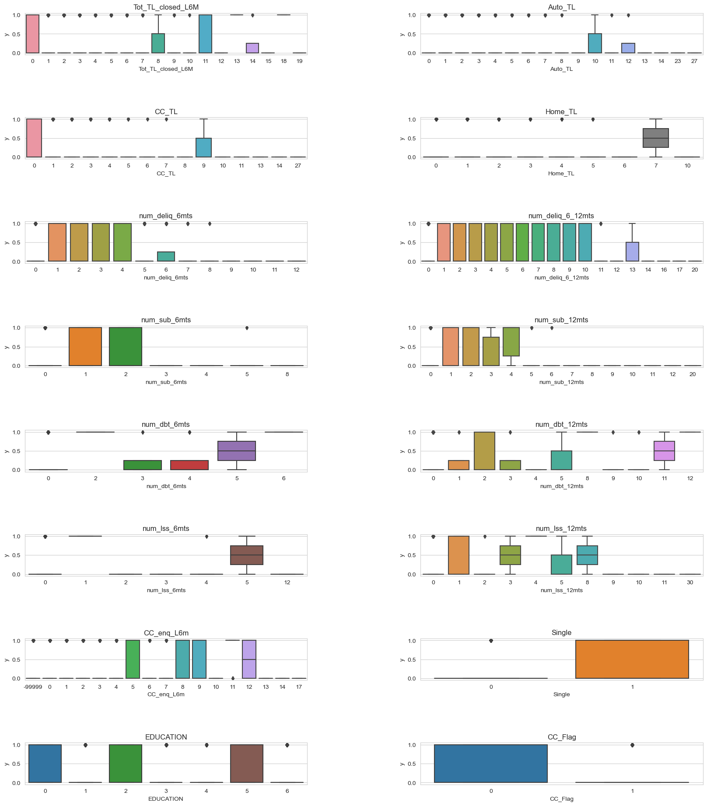
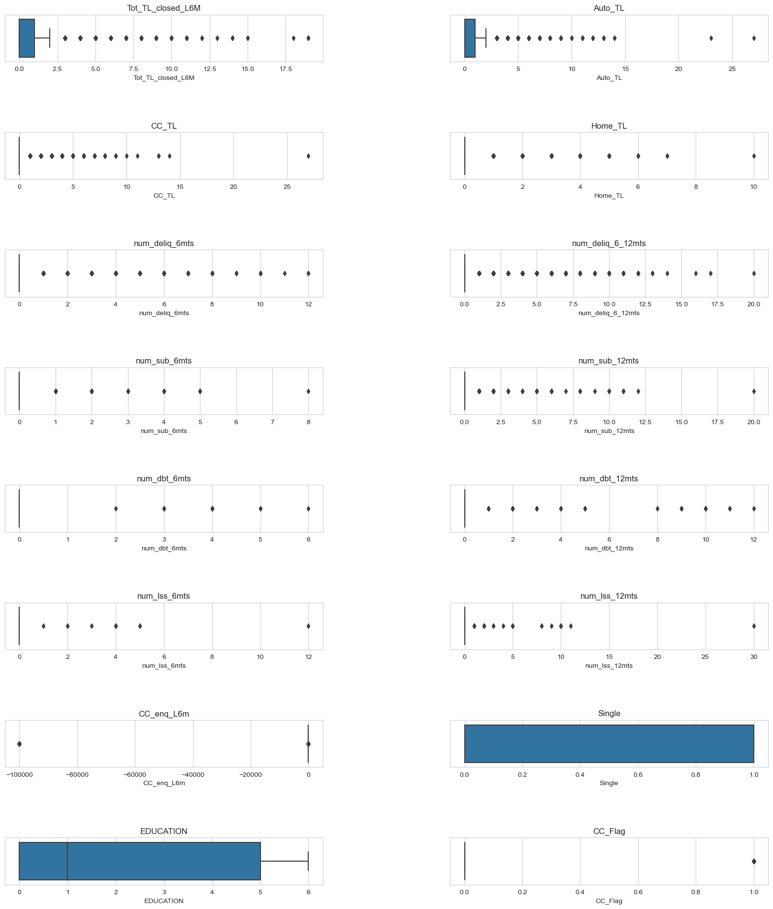
The type of feature :

Tot_TL_closed_L6M is categorical
Auto_TL is categorical
CC_TL is categorical
Home_TL is categorical
num_deliq_6mts is categorical
num_deliq_6_12mts is categorical
num_sub_6mts is categorical
num_sub_12mts is categorical
num_dbt_6mts is categorical
num_dbt_12mts is categorical
num_lss_6mts is categorical
num_lss_12mts is categorical
EDUCATION is categorical
CC_Flag is categorical
PL_Flag is categorical
HL_Flag is categorical
GL_Flag is categorical
last_prod_enq2 is categorical
first_prod_enq2 is categorical
30_DPD_F3M is categorical
BOUNCE_F3M is categorical
Single is categorical
delinquent_flag_yes is categorical

The list of categorical features with Unique Values less than 20 are stored in list_category

Number of categories in dataset : 23

univariate
