full_paper_eval_final
erc20 |  | approve | burn | mint | transfer | transferFrom | ave | weighted_ave
 | min_1 | 31 | 37 | 37 | 36 | 45 | 37.2 | #DIV/0!
 | min_2 | 33 | 37 | 37 | 36 | 47 | 38 | #DIV/0!
 | min_3 | 31 | 44 | 37 | 43 | 52 | 41.4 | #DIV/0!
 | min_4 | 33 | 44 | 37 | 43 | 54 | 42.2 | #DIV/0!
 | min_5 | 31 | 38 | 37 | 36 | 45 | 37.4 | #DIV/0!
 | min_6 | 33 | 45 | 37 | 43 | 54 | 42.4 | #DIV/0!
 | min_7 | 31 | 45 | 37 | 43 | 52 | 41.6 | #DIV/0!
 | min_8 | 33 | 38 | 37 | 36 | 47 | 38.2 | #DIV/0!
 | no_opt | 44 | 65 | 65 | 71 | 90 | 67 | #DIV/0!
 | ref | 30 | 35 | 35 | 35 | 43 | 35.6 | #DIV/0!
 | freq
 | best_min |  |  |  |  | 45 | 37.2 | #DIV/0!
erc777 |  | approve | authorizeOperator | burn | mint | operatorBurn | operatorSend | revokeOperator | transfer | transferFrom | ave | weighted_ave
 | min_1 | 33 | 46 | 36 | 53 | 46 | 67 | 32 | 37 | 49 | 44.33 | #DIV/0!
 | min_2 | 31 | 46 | 43 | 52 | 88 | 90 | 32 | 44 | 53 | 53.22 | #DIV/0!
 | min_3 | 31 | 46 | 43 | 52 | 71 | 90 | 32 | 44 | 53 | 51.33 | #DIV/0!
 | min_4 | 31 | 46 | 36 | 53 | 64 | 67 | 32 | 37 | 47 | 45.89 | #DIV/0!
 | min_5 | 33 | 46 | 36 | 53 | 64 | 67 | 32 | 37 | 49 | 46.33 | #DIV/0!
 | min_6 | 31 | 46 | 36 | 53 | 46 | 67 | 32 | 37 | 47 | 43.89 | #DIV/0!
 | min_7 | 33 | 46 | 43 | 52 | 71 | 90 | 32 | 43 | 55 | 51.67 | #DIV/0!
 | min_8 | 33 | 46 | 43 | 52 | 88 | 90 | 32 | 44 | 55 | 53.67 | #DIV/0!
 | no_opt | 44 | 44 | 63 | 117 | 105 | 153 | 30 | 72 | 105 | 81.44 | #DIV/0!
 | ref | 30 | 44 | 42 | 60 | 47 | 64 | 26 | 41 | 49 | 44.78 | #DIV/0!
 | freq
 | best_min |  |  |  |  |  |  |  |  |  | 43.89 | #DIV/0!
bnb |  | approve | burn | freeze | transfer | transferFrom | unfreeze | ave | weighted_ave
 | min_1 | 31 | 47 | 41 | 48 | 67 | 32 | 44.33 | 46.41
 | min_2 | 31 | 35 | 35 | 36 | 43 | 35 | 35.83 | 35.53
 | min_3 | 33 | 35 | 35 | 36 | 46 | 37 | 37 | 35.73
 | min_4 | 33 | 35 | 35 | 36 | 46 | 35 | 36.67 | 35.73
 | min_5 | 33 | 47 | 41 | 48 | 69 | 32 | 45 | 46.6
 | min_6 | 33 | 35 | 35 | 36 | 46 | 35 | 36.67 | 35.73
 | min_7 | 31 | 44 | 39 | 45 | 62 | 30 | 41.83 | 43.69
 | min_8 | 31 | 47 | 41 | 48 | 67 | 32 | 44.33 | 46.41
 | min_9 | 33 | 35 | 35 | 36 | 46 | 37 | 37 | 35.73
 | min_10 | 33 | 44 | 39 | 45 | 64 | 30 | 42.5 | 43.88
 | min_11 | 33 | 47 | 41 | 48 | 69 | 32 | 45 | 46.6
 | min_12 | 31 | 44 | 39 | 45 | 62 | 30 | 41.83 | 43.69
 | min_13 | 31 | 35 | 35 | 36 | 43 | 35 | 35.83 | 35.53
 | min_14 | 33 | 44 | 39 | 45 | 64 | 30 | 42.5 | 43.88
 | min_15 | 31 | 35 | 35 | 36 | 43 | 37 | 36.17 | 35.53
 | min_16 | 31 | 35 | 35 | 36 | 43 | 37 | 36.17 | 35.53
 | no_opt | 44 | 65 | 62 | 76 | 97 | 62 | 67.67 | 72.99
 | ref | 28 | 34 | 34 | 36 | 42 | 34 | 34.67 | 35.25
 | freq | 6068 | 1 | 0 | 57918 | 68 | 0
 | best_min |  |  |  |  |  |  | 35.83 | 35.53
controllable |  | approve | burn | controllerRedeem | controllerTransfer | decreaseAllowance | increaseAllowance | mint | transfer | transferFrom | ave | weighted_ave
 | min_1 | 31 | 42 | 46 | 47 | 30 | 30 | 34 | 43 | 52 | 39.44 | #DIV/0!
 | min_2 | 37 | 35 | 39 | 41 | 30 | 30 | 35 | 36 | 50 | 37 | #DIV/0!
 | min_3 | 31 | 35 | 39 | 41 | 30 | 30 | 35 | 36 | 45 | 35.78 | #DIV/0!
 | min_4 | 37 | 42 | 46 | 47 | 30 | 30 | 35 | 43 | 56 | 40.67 | #DIV/0!
 | min_5 | 37 | 36 | 40 | 41 | 30 | 30 | 35 | 36 | 50 | 37.22 | #DIV/0!
 | min_6 | 31 | 42 | 46 | 47 | 30 | 30 | 35 | 43 | 52 | 39.56 | #DIV/0!
 | min_7 | 37 | 42 | 46 | 47 | 30 | 30 | 35 | 43 | 56 | 40.67 | #DIV/0!
 | min_8 | 31 | 36 | 39 | 41 | 30 | 30 | 35 | 36 | 45 | 35.89 | #DIV/0!
 | no_opt | 47 | 63 | 65 | 74 | 45 | 46 | 63 | 71 | 93 | 63 | #DIV/0!
 | ref | 30 | 35 | 39 | 40 | 30 | 30 | 35 | 35 | 43 | 35.22 | #DIV/0!
 | freq
 | best_min |  |  |  |  |  |  |  |  |  | 35.78 | #DIV/0!
link |  | approve | burn | decreaseApproval | increaseApproval | mint | transfer | transferFrom | ave | weighted_ave
 | min_1 | 31 | 44 | 31 | 30 | 37 | 43 | 52 | 38.29 | 42.23
 | min_2 | 31 | 37 | 31 | 30 | 37 | 36 | 46 | 35.43 | 35.81
 | min_3 | 36 | 44 | 35 | 30 | 37 | 43 | 57 | 40.29 | 42.73
 | min_4 | 31 | 38 | 31 | 30 | 37 | 36 | 46 | 35.57 | 35.81
 | min_5 | 36 | 38 | 35 | 30 | 37 | 36 | 50 | 37.43 | 36.29
 | min_6 | 31 | 45 | 31 | 30 | 37 | 43 | 52 | 38.43 | 42.23
 | min_7 | 36 | 37 | 35 | 30 | 37 | 36 | 50 | 37.29 | 36.29
 | min_8 | 36 | 45 | 35 | 30 | 37 | 43 | 57 | 40.43 | 42.73
 | no_opt | 46 | 65 | 46 | 46 | 65 | 71 | 93 | 61.71 | 69.46
 | ref | 30 | 40 | 30 | 30 | 37 | 35 | 41 | 34.71 | 34.73
 | freq | 7925 | 0 | 1 | 18 | 0 | 89860 | 2056
 | best_min |  |  |  |  |  |  |  | 35.43 | 35.81
matic |  | addPauser | approve | decreaseAllowance | increaseAllowance | pause | renouncePauser | transfer | transferFrom | unpause | ave | weighted_ave
 | min_1 | 49 | 35 | 35 | 30 | 31 | 29 | 38 | 52 | 31 | 36.67 | 37.73
 | min_2 | 49 | 35 | 35 | 30 | 31 | 29 | 38 | 52 | 31 | 36.67 | 37.73
 | min_3 | 49 | 31 | 31 | 30 | 31 | 29 | 43 | 54 | 31 | 36.56 | 41.3
 | min_4 | 49 | 35 | 35 | 30 | 31 | 29 | 45 | 59 | 31 | 38.22 | 43.64
 | min_5 | 49 | 31 | 31 | 30 | 31 | 29 | 38 | 48 | 31 | 35.33 | 37.06
 | min_6 | 49 | 31 | 31 | 30 | 31 | 29 | 38 | 48 | 31 | 35.33 | 37.06
 | min_7 | 49 | 35 | 35 | 30 | 31 | 29 | 45 | 59 | 31 | 38.22 | 43.64
 | min_8 | 49 | 31 | 31 | 30 | 31 | 29 | 45 | 54 | 31 | 36.78 | 42.95
 | no_opt | 49 | 46 | 46 | 46 | 31 | 29 | 73 | 95 | 31 | 49.56 | 69.13
 | ref | 48 | 32 | 33 | 33 | 47 | 23 | 38 | 46 | 25 | 36.11 | 37.2
 | freq | 1 | 15176 | 1 | 426 | 1 | 0 | 82791 | 1586 | 0
 | best_min |  |  |  |  |  |  |  |  |  | 35.33 | 37.06
tether |  | addBlackList | approve | unpause | issue | pause | redeem | removeBlackList | setParams | transfer | transferFrom | transferOwnership | ave | weighted_ave
 | min_1 | 48 | 50 | 30 | 37 | 30 | 37 | 31 | 41 | 60 | 76 | 54 | 44.91 | 59.98
 | min_2 | 48 | 50 | 30 | 36 | 30 | 44 | 31 | 41 | 67 | 82 | 53 | 46.55 | 66.63
 | min_3 | 48 | 48 | 30 | 37 | 30 | 37 | 31 | 41 | 60 | 74 | 55 | 44.64 | 59.83
 | min_4 | 48 | 48 | 30 | 36 | 30 | 44 | 31 | 41 | 67 | 80 | 54 | 46.27 | 66.49
 | min_5 | 48 | 50 | 30 | 37 | 30 | 37 | 31 | 41 | 60 | 76 | 54 | 44.91 | 59.98
 | min_6 | 48 | 50 | 30 | 37 | 30 | 44 | 31 | 41 | 67 | 82 | 53 | 46.64 | 66.63
 | min_7 | 48 | 48 | 30 | 36 | 30 | 44 | 31 | 41 | 67 | 80 | 54 | 46.27 | 66.49
 | min_8 | 48 | 48 | 30 | 37 | 30 | 37 | 31 | 41 | 60 | 74 | 55 | 44.64 | 59.83
 | no_opt | 48 | 98 | 30 | 64 | 30 | 64 | 31 | 41 | 110 | 168 | 147 | 75.55 | 111.04
 | ref | 48 | 46 | 28 | 37 | 28 | 36 | 26 | 39 | 44 | 54 | 27 | 37.55 | 44.36
 | freq | 0 | 4566 | 0 | 0 | 0 | 0 | 0 | 0 | 92694 | 2735 | 2
 | best_min |  |  |  |  |  |  |  |  |  |  |  | 44.64 | 59.83
shib |  | approve | decreaseAllowance | increaseAllowance | ave | weighted_ave
 | min_1 | 31 | 30 | 30 | 30.33 | 31
 | min_2 | 37 | 30 | 30 | 32.33 | 36.99
 | min_3 | 37 | 30 | 30 | 32.33 | 36.99
 | min_4 | 31 | 30 | 30 | 30.33 | 31
 | min_5 | 37 | 30 | 30 | 32.33 | 36.99
 | min_6 | 31 | 30 | 30 | 30.33 | 31
 | min_7 | 37 | 30 | 30 | 32.33 | 36.99
 | min_8 | 31 | 30 | 30 | 30.33 | 31
 | no_opt | 46 | 46 | 46 | 46 | 46
 | ref | 30 | 31 | 30 | 30.33 | 30
 | freq | 14079 | 15 | 0
 | best_min |  |  |  | 30.33 | 31
wbtc |  | approve | burn | claimOwnership | decreaseApproval | increaseApproval | mint | transferOwnership | reclaimToken | transfer | transferFrom | ave | weighted_ave
 | min_1 | 31 | 41 | 34 | 31 | 30 | 37 | 31 | 40 | 45 | 54 | 37.4 | 37.69
 | min_2 | 35 | 41 | 34 | 35 | 30 | 37 | 31 | 40 | 45 | 59 | 38.7 | 39.14
 | min_3 | 35 | 35 | 34 | 35 | 30 | 37 | 31 | 34 | 38 | 52 | 36.1 | 36.72
 | min_4 | 31 | 35 | 34 | 31 | 30 | 37 | 31 | 34 | 38 | 48 | 34.9 | 35.4
 | min_5 | 35 | 42 | 34 | 35 | 30 | 37 | fail | 40 | fail | fail | fail | fail
 | min_6 | 35 | 35 | 34 | 35 | 30 | 37 | 31 | 34 | 38 | 52 | 36.1 | 36.72
 | min_7 | 31 | 35 | 34 | 31 | 30 | 37 | 31 | 34 | 38 | 48 | 34.9 | 35.4
 | min_8 | 31 | 42 | 34 | 31 | 30 | 37 | 31 | 40 | 45 | 54 | 37.5 | 37.81
 | no_opt | 46 | 62 | 34 | 46 | 46 | 65 | 31 | 61 | 73 | 95 | 55.9 | 56.56
 | ref | 32 | 38 | 29 | 33 | 33 | 39 | 47 | fail | 38 | 45 | 37.11 | 37.98
 | freq | 45248 | 0 | 0 | 1 | 21 | 0 | 0 | 4 | 53299 | 1398
 | best_min |  |  |  |  |  |  |  |  |  |  | 34.9 | 35.4
auction |  | bid | endAuction | withdraw | ave | weighted_ave
 | min_1 | 42 | 59 | 64 | 55 | #DIV/0!
 | min_2 | 42 | 58 | 40 | 46.67 | #DIV/0!
 | no_opt | 55 | 58 | 68 | 60.33 | #DIV/0!
 | ref | 55 | 56 | 29 | 46.67 | #DIV/0!
 | freq
 | best_min |  |  |  | 46.67 | #DIV/0!
tokenPartition |  | issueByPartition | redeemByPartition | transferByPartition | ave | weighted_ave
 | min_1 | 75 | 85 | 47 | 69 | #DIV/0!
 | min_2 | 54 | 43 | 39 | 45.33 | #DIV/0!
 | min_3 | 76 | 60 | 39 | 58.33 | #DIV/0!
 | min_4 | 76 | 44 | 39 | 53 | #DIV/0!
 | min_5 | 76 | 68 | 47 | 63.67 | #DIV/0!
 | min_6 | 76 | 85 | 47 | 69.33 | #DIV/0!
 | min_7 | 76 | 68 | 47 | 63.67 | #DIV/0!
 | min_8 | 76 | 61 | 39 | 58.67 | #DIV/0!
 | no_opt | 187 | 118 | 73 | 126 | #DIV/0!
 | ref | 70 | 37 | 36 | 47.67 | #DIV/0!
 | freq
 | best_min |  |  |  | 45.33 | #DIV/0!
itcSwapAsset |  | approve | burn | mint | transfer | transferFrom | ave | weighted_ave
 | min_1 | 33 | 40 | 39 | 36 | 47 | 39 | #DIV/0!
 | min_2 | 33 | 40 | 40 | 36 | 47 | 39.2 | #DIV/0!
 | min_3 | 30 | 47 | 39 | 43 | 51 | 42 | #DIV/0!
 | min_4 | 30 | 40 | 39 | 36 | 45 | 38 | #DIV/0!
 | min_5 | 33 | 47 | 39 | 43 | 54 | 43.2 | #DIV/0!
 | min_6 | 30 | 47 | 39 | 43 | 51 | 42 | #DIV/0!
 | min_7 | 33 | 47 | 39 | 43 | 54 | 43.2 | #DIV/0!
 | min_8 | 30 | 40 | 40 | 36 | 45 | 38.2 | #DIV/0!
 | no_opt | 44 | 67 | 67 | 71 | 90 | 67.8 | #DIV/0!
 | ref | 29 | 40 | 40 | 36 | 59 | 40.8 | #DIV/0!
 | freq
 | best_min |  |  |  | 36 | 45 | 38 | #DIV/0!
wallet |  | burn | mint | transfer | ave | weighted_ave
 | min_1 | 43 | 43 | 36 | 40.67 | 36
 | min_2 | 46 | 43 | 39 | 42.67 | 39
 | min_3 | 46 | 43 | 39 | 42.67 | 39
 | min_4 | 43 | 43 | 36 | 40.67 | 36
 | no_opt | 79 | 79 | 62 | 73.33 | 62
 | ref | 43 | 43 | 36 | 40.67 | 36
 | freq | 0 | 0 | 44633
 | best_min |  |  |  | 40.67 | 36
crowFunding |  | withdraw | invest | close | ave | weighted_ave
 | min_1 | 36 | 72 | 26 | 49 | 0
 | min_2 | 36 | 73 | 26 | 49.5 | 0
 | no_opt | 36 | 122 | 26 | 74 | 0
 | ref | fail | 107 | 35 | 71 | 0
 | freq
 | best_min |  |  |  | 49 | 0
vestingWallet |  | release | ave | weighted_ave
 | min_1 | 32 | 32 | 32
 | no_opt | 32 | 32 | 32
 | ref | 28 | 28 | 28
 | freq
 | best_min |  | 32 | 32

nft - results out of range
voting - canceled
erc1155 - compiler error
paymentSplitter - contains loops
MaecenasArtToken - Interface mismatch

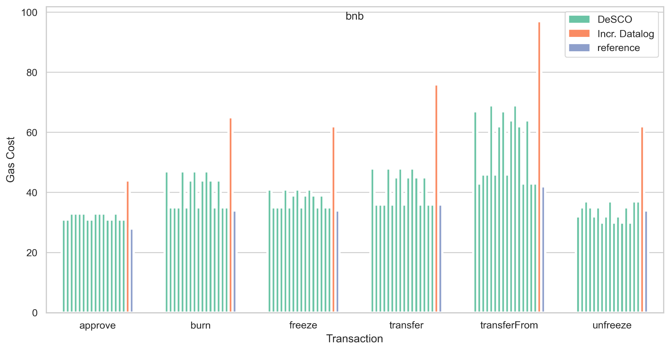

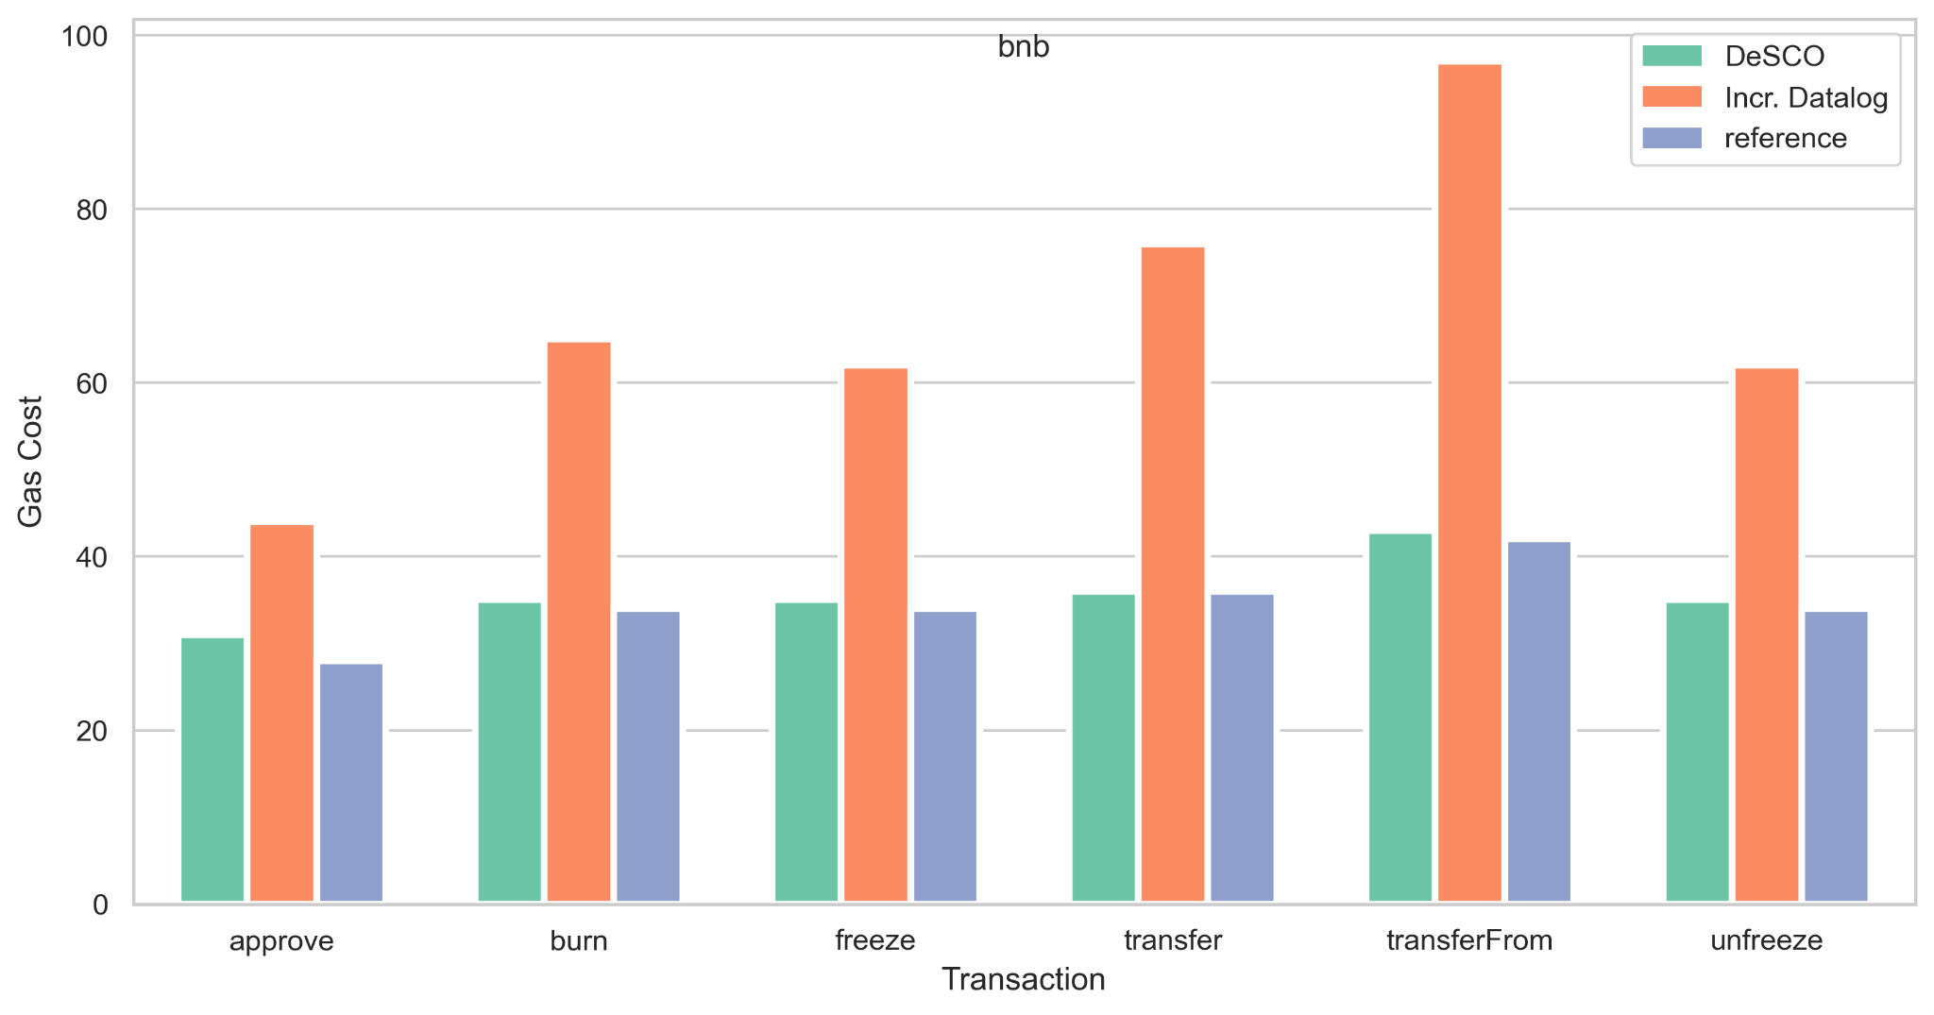

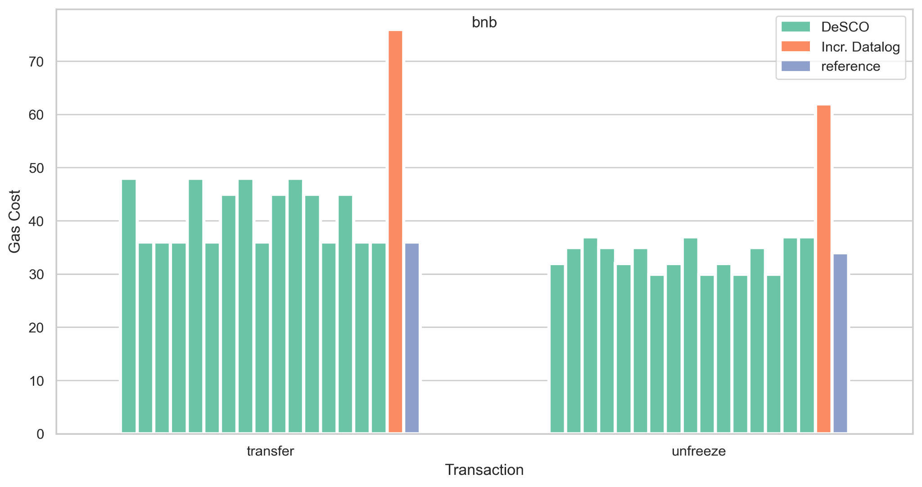

bnb |  | approve | burn | freeze | transfer | transferFrom | unfreeze
 | min_1 | 33 | 44 | 39 | 45 | 57 | 30
 | min_2 | 31 | 44 | 39 | 45 | 55 | 30
 | min_3 | 31 | 47 | 41 | 48 | 57 | 31
 | min_4 | 31 | 35 | 31 | 36 | 46 | 31
 | min_5 | 33 | 35 | 31 | 36 | 48 | 31
 | min_6 | 31 | 35 | 31 | 36 | 46 | 31
 | min_7 | 31 | 46 | 41 | 48 | 57 | 31
 | min_8 | 31 | 44 | 39 | 45 | 55 | 29
 | min_9 | 33 | 35 | 35 | 36 | 48 | 35
 | min_10 | 33 | 35 | 35 | 36 | 48 | 35
 | min_11 | 33 | 46 | 41 | 48 | 60 | 31
 | min_12 | 33 | 35 | 31 | 36 | 48 | 31
 | min_13 | 31 | 35 | 35 | 36 | 46 | 35
 | min_14 | 33 | 47 | 41 | 48 | 60 | 31
 | min_15 | 33 | 44 | 39 | 45 | 57 | 30
 | min_16 | 31 | 35 | 35 | 36 | 46 | 35
 | no_opt | 76 | 44 | 62 | 62 | 97 | 65
 | ref | 28 | 34 | 34 | 36 | 42 | 34

 | Incre Datalog | DeSCO | ref | compare with full | compare with ref
erc20 | 67 | 37.2 | 35.6 | 0.4447761194 | -0.04494382022
erc777 | 81.44 | 43.89 | 44.78 | 0.4610756385 | 0.01987494417
bnb | 72.99 | 35.53 | 35.25 | 0.5132209892 | -0.007943262411
controllable | 63 | 35.78 | 35.22 | 0.4320634921 | -0.01590005679
link | 69.46 | 35.81 | 34.73 | 0.4844514829 | -0.03109703426
matic | 69.13 | 37.06 | 37.2 | 0.463908578 | 0.00376344086
tether | 111.04 | 59.83 | 44.36 | 0.4611851585 | -0.3487376014 | checked: datalod, reference unmatch
shib | 46 | 31 | 30 | 0.3260869565 | -0.03333333333
wbtc | 56.56 | 35.4 | 37.98 | 0.374115983 | 0.06793048973
auction | 60.33 | 46.67 | 46.67 | 0.2264213492 | 0
tokenPartition | 126 | 45.33 | 47.67 | 0.6402380952 | 0.0490874764
ltcSwapAsset | 67.8 | 38 | 40.8 | 0.4395280236 | 0.06862745098
wallet | 62 | 36 | 36 | 0.4193548387 | 0
crowFunding | 74 | 49 | 71 | 0.3378378378 | 0.3098591549 | checked: datalod, reference unmatch
vestingWallet | 32 | 32 | 28 | 0 | -0.1428571429

rounding
 | Incre Datalog | DeSCO | ref | compare with full | compare with ref
erc20 | 67 | 37 | 36 | 0.447761194 | -0.02777777778
erc777 | 81 | 44 | 45 | 0.4567901235 | 0.02222222222
bnb | 73 | 36 | 35 | 0.5068493151 | -0.02857142857
controllable | 63 | 36 | 35 | 0.4285714286 | -0.02857142857
link | 69 | 36 | 35 | 0.4782608696 | -0.02857142857
matic | 69 | 37 | 37 | 0.4637681159 | 0
tether | 111 | 60 | 44 | 0.4594594595 | -0.3636363636 | checked: datalod, reference unmatch
shib | 46 | 31 | 30 | 0.3260869565 | -0.03333333333
wbtc | 57 | 35 | 38 | 0.3859649123 | 0.07894736842
auction | 60 | 47 | 47 | 0.2166666667 | 0
tokenPartition | 126 | 45 | 48 | 0.6428571429 | 0.0625
ltcSwapAsset | 68 | 38 | 41 | 0.4411764706 | 0.07317073171
wallet | 62 | 36 | 36 | 0.4193548387 | 0
crowFunding | 74 | 49 | 71 | 0.3378378378 | 0.3098591549 | checked: datalod, reference unmatch
vestingWallet | 32 | 32 | 28 | 0 | -0.1428571429

old data
controllable |  | approve | burn | controllerRedeem | controllerTransfer | decreaseAllowance | increaseAllowance | mint | transfer | transferFrom | ave
 | min_1 | 31167 | 35353.2 | 37586 | 38832.6 | 29899 | 30237.6 | 35004.4 | 36019.2 | 42983 | 35231.33
 | min_2 | 36918 | 42235.2 | 44468 | 45459.6 | 29905 | 29892.6 | 34749.4 | 42646.2 | 54184 | 40050.89
 | min_3 | 36918 | 42529.2 | 44762 | 45459.6 | 29905 | 29892.6 | 34914.4 | 42646.2 | 54184 | 40134.56
 | min_4 | 36918 | 35647.2 | 37880 | 38832.6 | 29905 | 29892.6 | 35169.4 | 36019.2 | 47557 | 36424.56
 | min_5 | 36918 | 35353.2 | 37586 | 38832.6 | 29905 | 29892.6 | 35004.4 | 36019.2 | 47557 | 36340.89
 | min_6 | 31167 | 42235.2 | 44468 | 45459.6 | 29899 | 30237.6 | 34749.4 | 42646.2 | 49610 | 38941.33
 | min_7 | 31167 | 42529.2 | 44762 | 45459.6 | 29899 | 30237.6 | 34914.4 | 42646.2 | 49610 | 39025
 | min_8 | 31167 | 35647.2 | 37880 | 38832.6 | 29899 | 30237.6 | 35169.4 | 36019.2 | 42983 | 35315

