Git
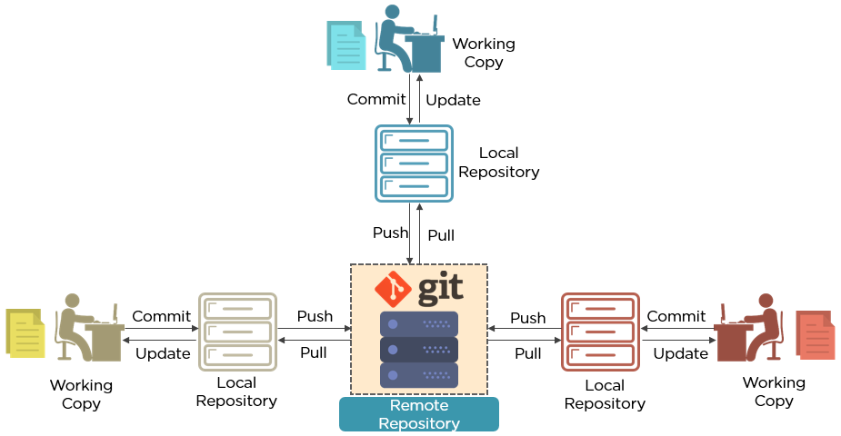
 | Git
1 | Signup for account in Github
 | https://github.com/
 | username: *ig**m
 | email:****@hotmail.com
 | password:**********
 | Signup for Github
 | Solve Puzzle
 | Verify email
 | Select Plan: Public Repository
 | Prior to April 2020 public (free) repository allowed only 3 Developers to collaborate
 | Now unlimited people can collaborate (Rival gitlab allowed to do so and github also did the same

2 | Creating a new repository in Github
 | Login to you github account
 | Top Right Corner
 | Your Repositories
 | New
 | Repository name* : DevOpsRepo1
 | Description: Test Repository (Not mandatory)
 | Public
 | Select : Initialize this repository with a README (Not Mandatory)
 | Create repository

3 | Installing Git on both Developer's Machine and Jenkins_Slave | Git is a tool to manage VCS (Version Control System)
 | #yum -y install git | Has Distributed Archicture - Work is distributed to different people
 | to install git | and everyone works on their part
 | #git --version | Every developer /user has it's own local repository
 | to check git version
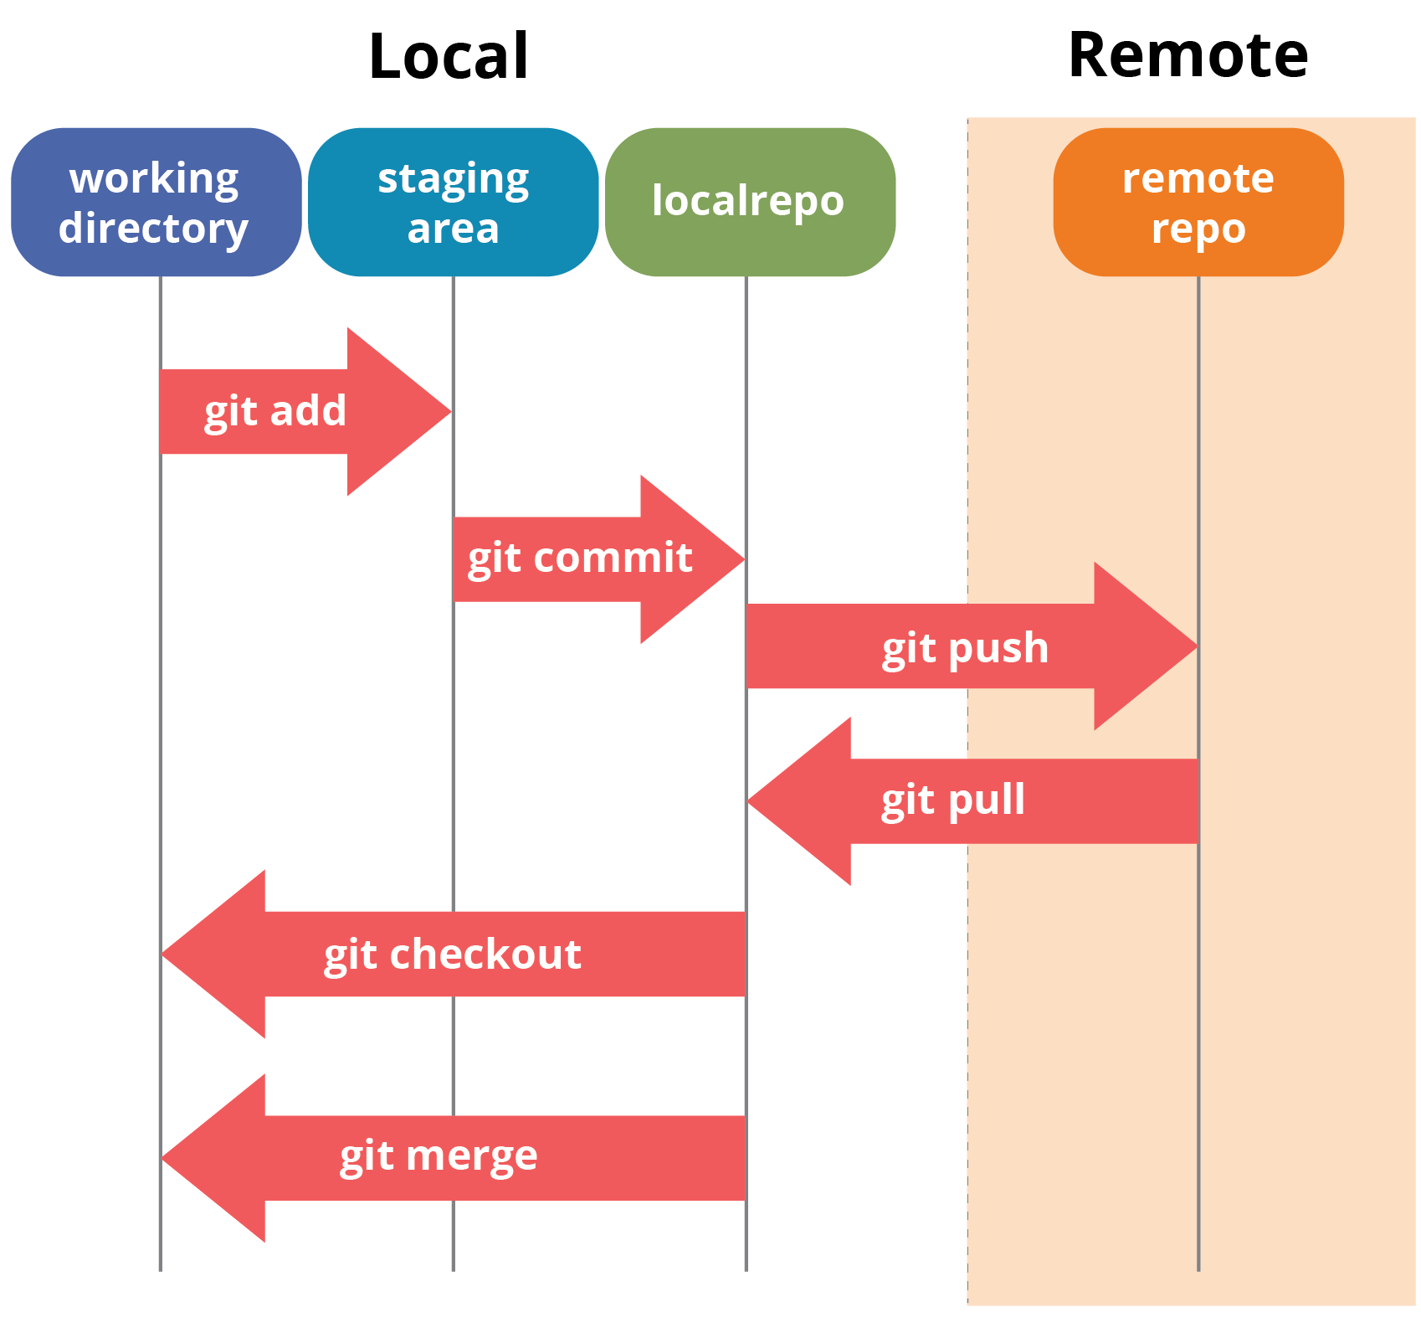
 | #which git
 | /usr/bin/git ---> Packages installed via yum will set PATH automatically
 | Yum has extracted git to /usr/bin/git
 | #rpm -ql git | grep bin

4 | Install Git Plugins - Github Integration (or Ensure it is Installed) on Jenkins Master
 | Login to Jenkins Dashboard
 | Manage Jenkins --> Manage Plugins --> Installed Tab ---> Fileter for "Github Integration" plugins
 | Already Installed, if not Installed install it

5 | Set Git PATH in Jenkins
 | In Master from Jenkins Dashboard
 | Manage Jenkins ---> Global Tool Configurations
 | Git- Git Installation
 | Git Name : Default
 | Path to executable: git
 | There's no such executable git in PATH: /sbin, /usr/sbin, /bin, /usr/bin
 | This is fine because we have not installed Git in Master, in fact it is required in Slave
 | Git will be installed in Slave, where it will have path too (which can be verified with "which git"

6 | Configuring Git (on Develeoper's Machine )
 | #git config --global user.name "s****m"
 | s****m is your user_name in github
 | #git config --global user.email "s****m@hotmail.com"
 | s****m@hotmail.com is your user_email in github
 | #git config --global credential.helper 'cache --timeout=7200'
 | It will not ask for password for another 7200 seconds (2 hrs) after entering password for the first time

 | #git config --list
 | will list above configuration set

 | No need to configure Git on Jenkins Slave, pull does not require username password

7 | Creating a Local Git repository (Staging Area)
 | Login to Developer's Machine
 | Go to the directory which contains source code i.e. # cd /root/maven-prjects/myjava-web-project
 | ls
 | remove the directory target
 | #rm -rf target
 | #ls -->ensure pom.xml src
 | ls -a --->>> output does not contain .git
 | #git init
 | Initialized empty Git repository in /root/maven_project/myjava-web-project/.git/
 | "git init" command will initialize current working directory as local git repository
 | ls -a --->>> you will see a new Directory in the output .git
 | ls .git
 | branches config description HEAD hooks info objects refs

 | #git push
 | above command pushes code (metadata to be exact) from .git directory to central repository (Github)

8 | Linkink local git repository with the central/remote github repository
 | .git <---------------Linking------------->github

 | Login to github
 | Your Repositories (Top Right Corner-->H drop down )
 | DevOpsRepo1 (Created earlier)
 | Drop down Clone
 | Clone with HTTPS
 | Copy url: https://github.com/s****m/DevOpsRepo1.git

 | From Developer's Machine
 | #git remote add origin <paste_url_copied i.e https://github.com/s****m/DevOpsRepo1.git> enter
 | #git remote remove origin --->>> will remove remote origin defined
 | To check if local repository and github are linked
 | cd /root/maven-projects/myjava-web-project
 | #git pull origin master
 | From https://github.com/s****m/DevOpsRepo1
 | ls
 | you should be able to see a new file README.md, that was just pulled from your github account

 | To view status of the file in local repository
 | #git status
 | nothing added to commit but untracked files present (use "git add" to track)
 | pom.xml(file) and src/(directory) will be listed as untracked files

 | #git push origin master
 | Username for 'https://github.com': s****m
 | Password for 'https://s****m@github.com':xxxxxx
 | Everything up-to-date
 | But you won't be able to see pom.xml and src files in github
 | Because these are untracked files i.e. not included in local repository

 | Untrackerd Files:
 | Local Repository =(Directory from where " #git init " was run to initialize the directory as local repository)
 | Local repository will have a hidden Directory named .git use the command "ls -a " to view it
 | #ls .git
 | branches description HEAD index logs refs config FETCH_HEAD hooks info objects
 | .git directory (which is hidden, will have a file named index which is not human readable)
 | #cat .git/index ---->>>You cannot read this (not human readable)
 | index file (which is also the staging area), stores the metadata about all the tracked files inside local repository
 | Any file, that is untracked means, index file does not have any information about it
 | when " #git status " shows untracked files for some files (or directories), that means index has no record for them

 | #git config --list
 | This will list global setting for git, but when run from the Local Repository , it displays some additional things
 | #pwd
 | /root/maven_project/myjava-web-project
 | # git config --list
 | user.name=s****m
 | user.email=s****m@hotmail.com
 | credential.helper=cache --timeout=7200
 | core.repositoryformatversion=0
 | core.filemode=true
 | core.bare=false
 | core.logallrefupdates=true
 | remote.origin.url=https://github.com/s****m/DevOpsRepo1.git
 | remote.origin.fetch=+refs/heads/*:refs/remotes/origin/*

 | #git config --list
 | When this command is run from anywhere except from the Local Repository, it displays global setting only
 | mkdir /root/maven_project/python-web-project
 | cd /root/maven_project/python-web-project
 | #git config --list
 | user.name=s****m
 | user.email=s****m@hotmail.com
 | credential.helper=cache --timeout=7200

9 | Basic git commands
 | To view the status of files and directories in current working directory
 | #git status
 | Untracked files : pom.xml src/ (/at the end indicated it is directory)

 | To register all the newly added/created files and directories in the current directories to the staging area (index file)
 | # git add .
 | .(dot) at the end means "all files (and directories)"
 | moves Untracked files to "changes to be committed" : new file: pom.xml …..

 | To register specific files and directories in the current directories to the staging area (index file)
 | First create few files with touch commands i.e. #touch file1 file2

 | #git add file1
 | #git status
 | file2 will be Untracked but file1 will be under changes to be committed
 | #rm file2 (Remove file2)

 | To add files from staging area to Local Repository
 | #git commit -m "committed by Som"
 | 4 files changed, 33 insertions (+)

 | #git status
 | nothing to commit, working directory clean

 | To push the content of local repository to the remote central repository (i.e. github)
 | go to Local Repository (directory containing .git directory), and from there run
 | #git push origin master (not run yet in server)
 | To https://github.com/s****m/DevOpsRepo1
 | …..... Master -> master

 | Now login to github and check the repository DevOpsRepo1, you should be able to see the new files

 | Note: Empty directory will not be added to staging area and local and remote repository as well
 | Check with below example
 | login to Developer's Machine
 | #cd /root/maven_project/myjava-web-project
 | #mkdir d1 d2
 | #git status
 | On branch master \nothing to commit, working directory clean

 | #touch /d2/f2 --> to create a file f2 inside the directory d2
 | #git status
 | Untracked files: d2/

 | #git add -A
 | On branch master \ # Changes to be committed:\new file d2/f2 \--->consider this as next line in output

 | #git commit -m "commit for empty directory test"
 | 1 file changed, 0 insertions(+), 0 deletions(-) -------> note that file f2 is empty

 | #git status
 | On branch master \nothing to commit, working directory clean

 | #git push origin master
 | if this doesn't work first perform "#git pull origin master" followed by :q! (if you don't get Command Line prompt)
 | #git push origin master
 | master -> master

 | go to github and check, only directory d2 will be pushed and not d1 because d1 was empty directory

