SF1
Supplemental Figure 1: Copy gain correlation plots across 17 target genes
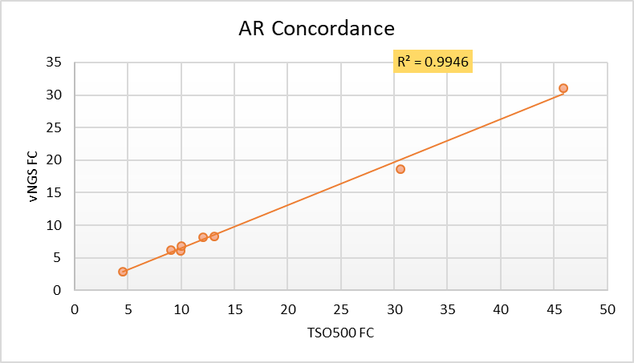
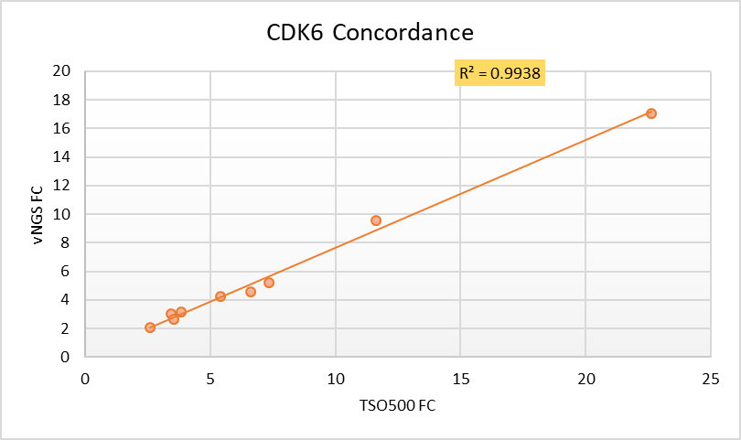
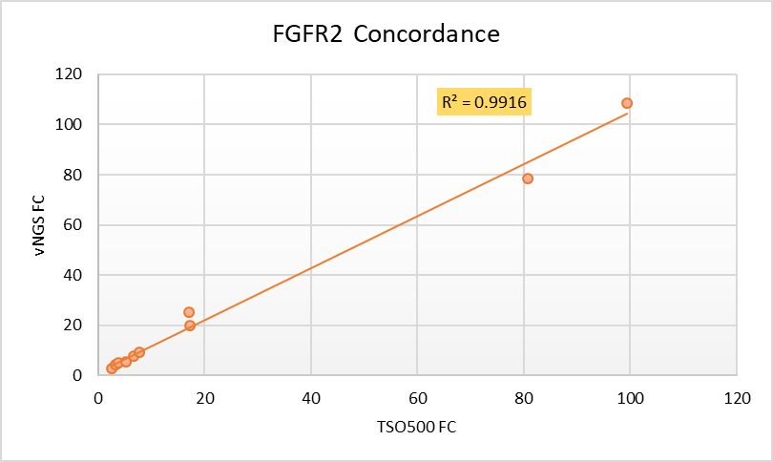
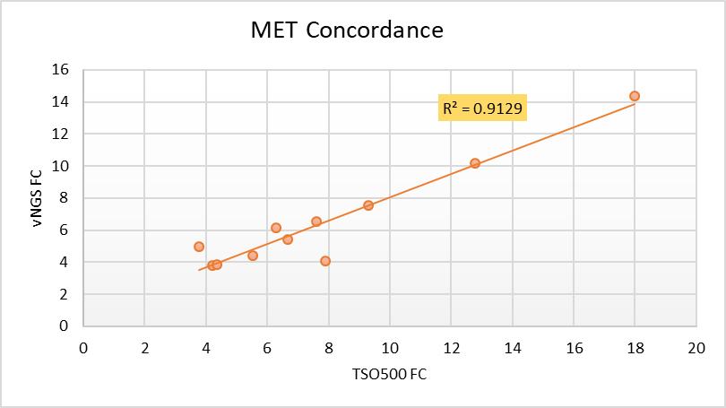

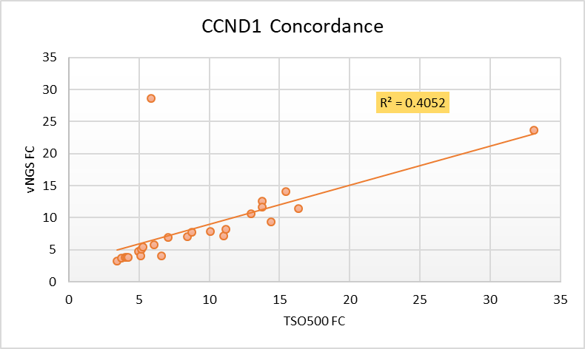
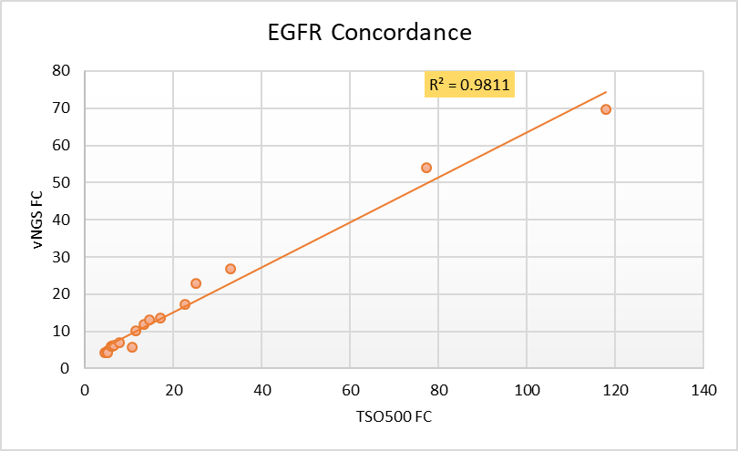
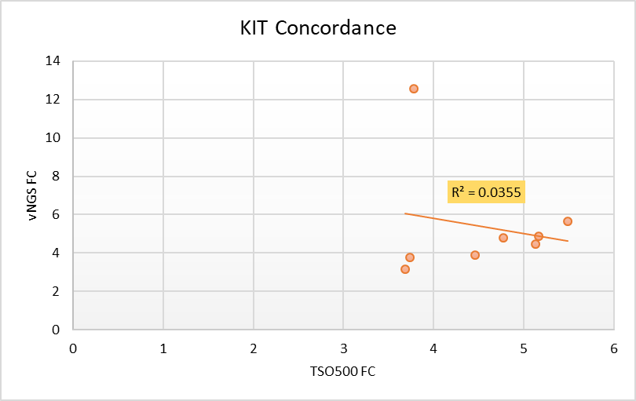
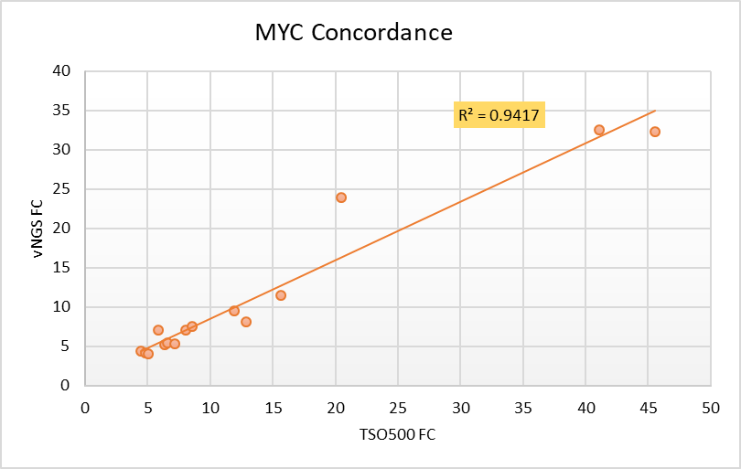

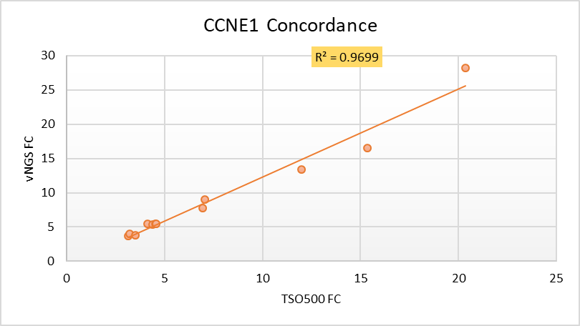
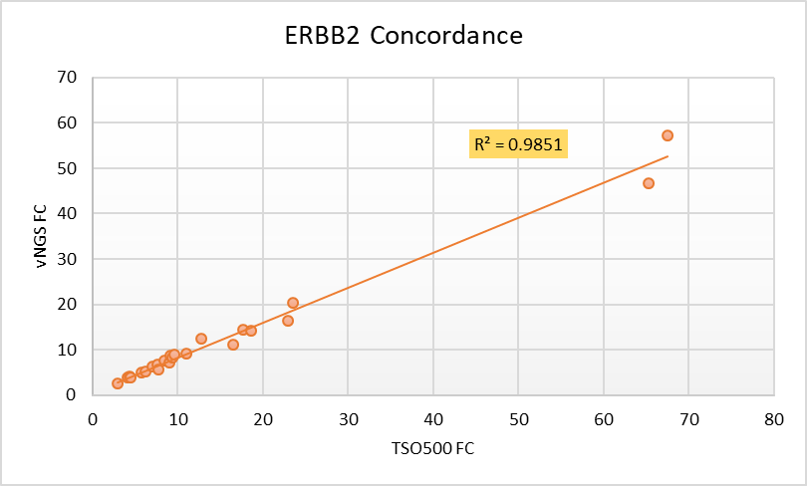
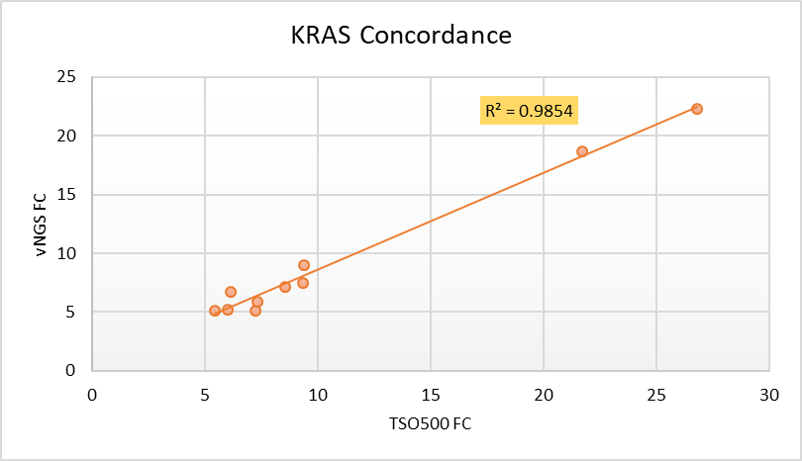
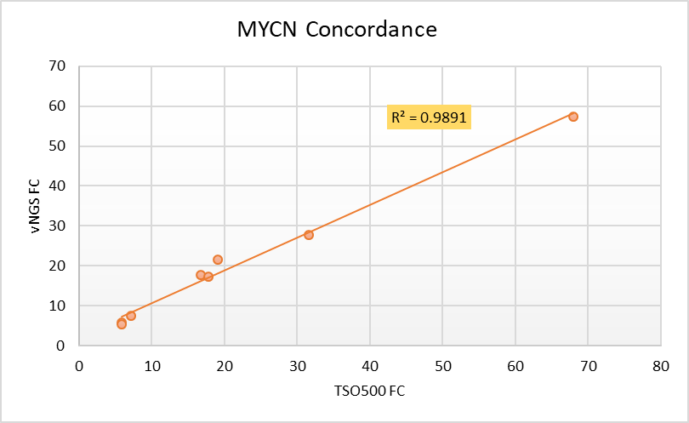

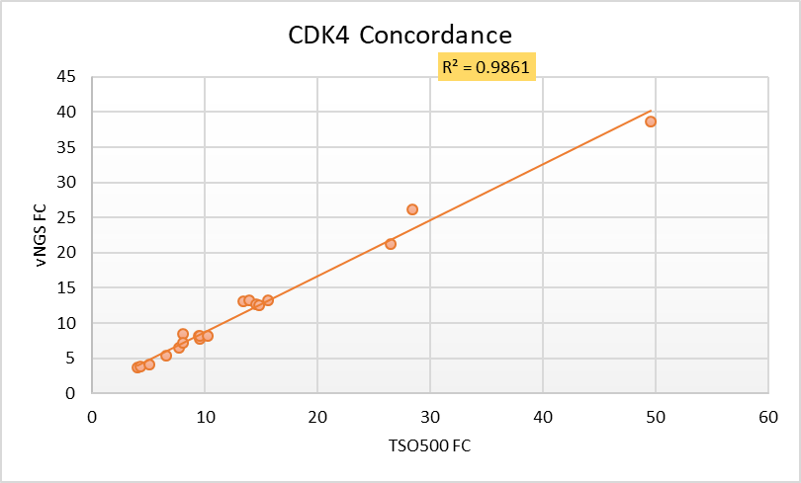
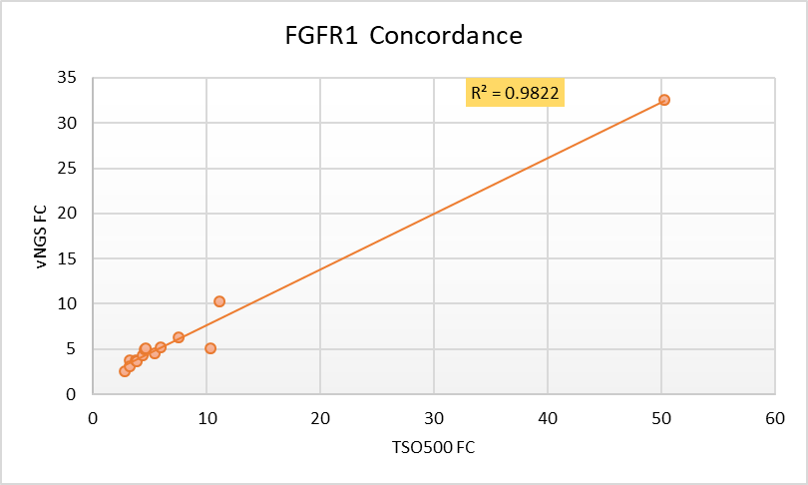
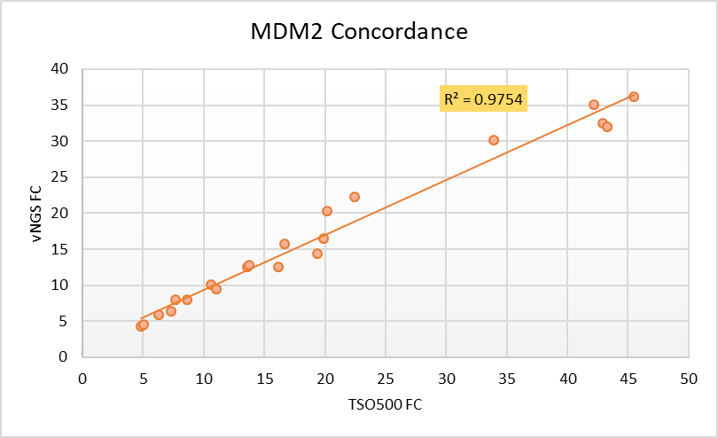
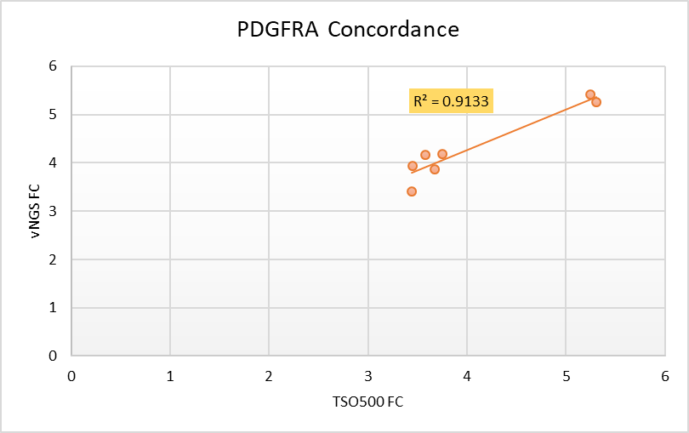

PIK3CA Concordance
 | CopyRatio
4.5509800911 | 2.844
9.0121898651 | 6.20904
9.9514703751 | 6.00695
10.009799957 | 6.79953
12.074999809 | 8.09891
13.11839962 | 8.31981
30.606899261 | 18.6488
45.923801422 | 31.0113
3.4100599289 | 3.24912
3.7263100147 | 3.70324
4.0100002289 | 3.79328
4.1064901352 | 3.75481
4.2295498848 | 3.86117
4.9610800743 | 4.78725
5.1411399841 | 4.02697
5.1475100517 | 5.0511
5.297659874 | 5.39736
5.8740901947 | 28.6713
6.0623497963 | 5.79162
6.5795297623 | 4.02512
7.0760598183 | 6.8895
8.4182195663 | 7.07155
8.7801303864 | 7.69261
10.054200172 | 7.89423
11.029899597 | 7.18195
11.180700302 | 8.16337
12.954000473 | 10.5965
13.77120018 | 12.6155
13.779999733 | 11.6563
14.375 | 9.3188
15.458000183 | 14.0434
16.351400375 | 11.4413
33.114898682 | 23.6934
3.1357200146 | 3.71418
3.2025399208 | 4.04734
3.5248000622 | 3.7943
4.1479301453 | 5.42098
4.3969497681 | 5.32214
4.5430297852 | 5.50915
4.5850601196 | 5.44251
6.9298501015 | 7.70987
7.0717000961 | 9.0502
11.974599838 | 13.356
15.352499962 | 16.523
20.355600357 | 28.1655
3.9916899204 | 3.70388
4.3112998009 | 3.80707
5.1053299904 | 4.08275
6.6228699684 | 5.33816
7.7530097961 | 6.50411
...

