AR&R Report
1.AR&R Data
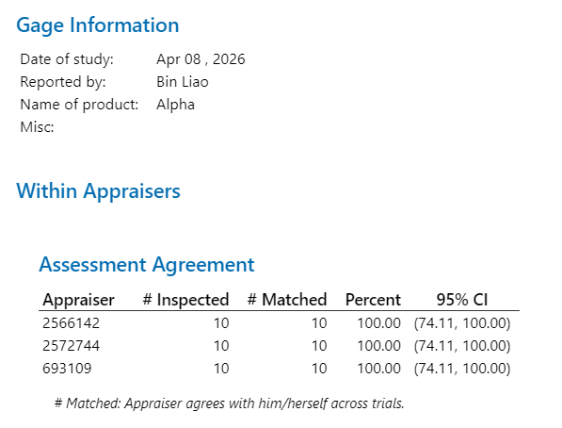
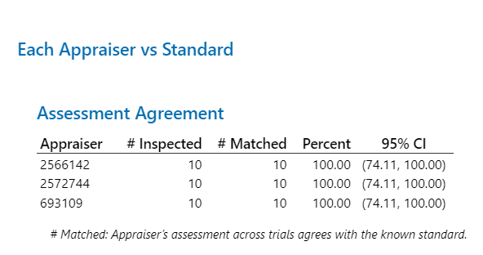
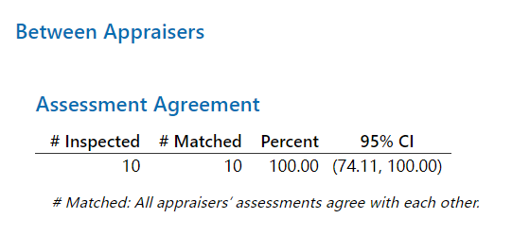

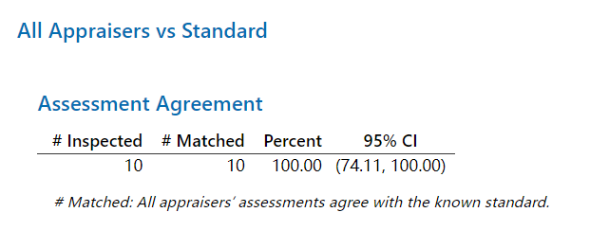

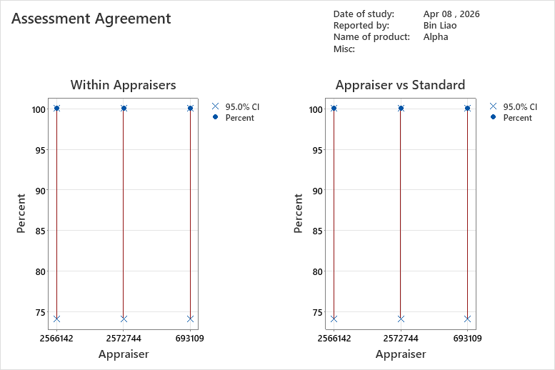
2.Graph Report | 3.Conclusion:
 | Inspector |  | A | B | C
 | ① | Within Appraisers 检验员自身一致性 | PASS | PASS | PASS
 | ② | Each Appraiser vs Standard 每个检验员与标准一致性 | PASS | PASS | PASS
 | ③ | Between Appraisers 检验员之间一致性 | PASS
 | ④ | All Appraisers vs Standard 所有检验员与标准一致性 | PASS
 | 4.Notes:
 | 1) %AR&R≥90%，Good 2) 80%≤%AR&R<90%，Acceptable. 3) %AR&R＜80%，Bad.

This Template Link to #WI-002388

