CostOfEquity & Growth
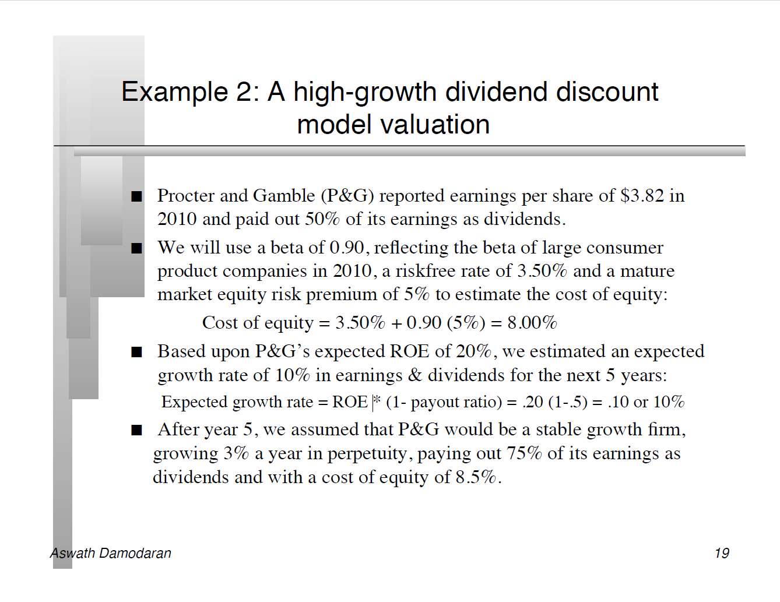

Cost of Equity
Cost of Equity | 8.17%
Risk Free Rate | 4.42%
Beta | 0.75
Market Risk Premium | 5.00%

Dividend growth Stage 1
ROE | 31%
Pay-out-ratio | 64%
Growth | 11.3%

Dividend growth Stage 2
ROE | 10%
Pay-out-ratio | 75%
Growth | 2.5%

Examples
