Fifth Avenue
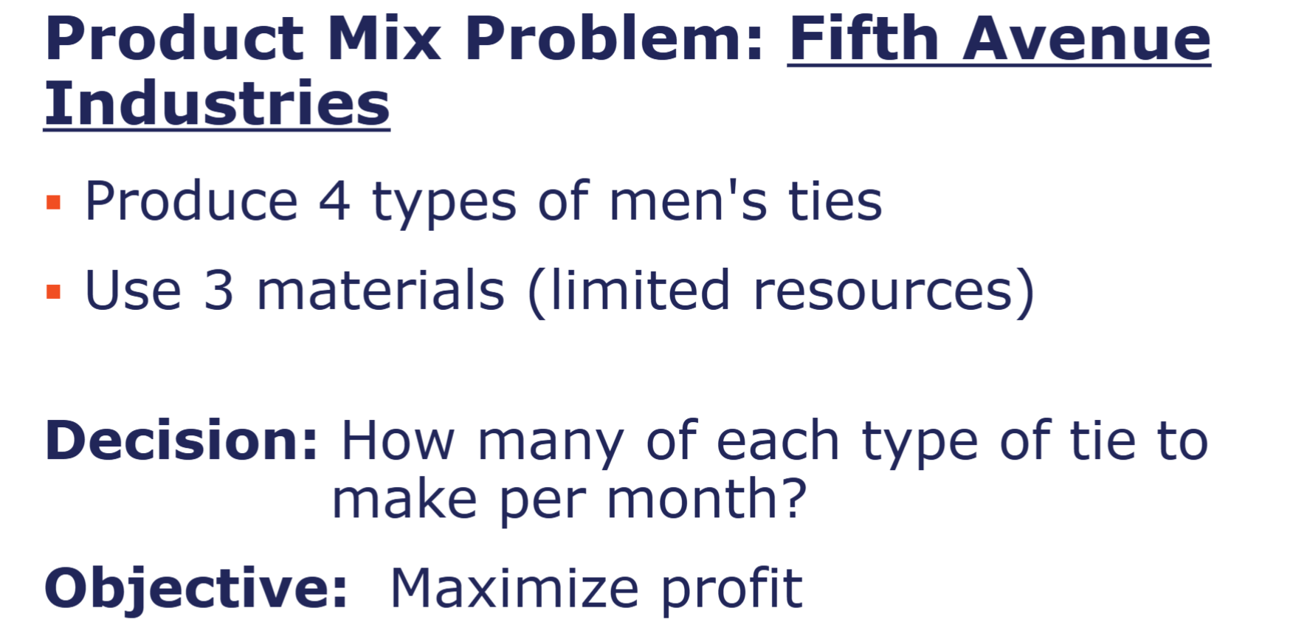
Material Requirements (yards per tie) | Type of Tie
Material | Silk | Polyester | Blend 1 (50/50) | Blend 2 (30/70) | Cost per yard
Silk | 0.125 | 0 | 0 | 0 | $20
Polyester | 0 | 0.08 | 0.05 | 0.03 | $6
Cotton | 0 | 0 | 0.05 | 0.07 | $9
Total yards | 0.125 | 0.08 | 0.1 | 0.1

 | Silk | Polyester | Blend 1 | Blend 2
Selling Price (per tie) | $6.70 | $3.55 | $4.31 | $4.81
Monthly Minimum | 6,000 | 10,000 | 13,000 | 6,000
Monthly Demand | 7,000 | 14,000 | 16,000 | 8,500
Total material (yards per tie) | 0.125 | 0.08 | 0.1 | 0.1

 | Silk | Polyester | Blend 1 | Blend 2
Production amount | 7000 | 13625 | 13100 | 8500

 | Silk | Polyester | Blend 1 | Blend 2
Selling Price (per tie) | $6.70 | $3.55 | $4.31 | $4.81
Total revenue | $46,900.00 | $48,368.75 | $56,461.00 | $40,885.00 | $192,614.75

Production | Silk | Polyester | Blend 1 | Blend 2 | Cost | Total material consumed |  | Yards available per month
Silk | 875 | 0 | 0 | 0 | $17,500 | 875 | <= | 1,000
Polyester | 0 | 1090 | 655 | 255 | $12,000 | 2000 | <= | 2,000
Cotton | 0 | 0 | 655 | 595 | $11,250 | 1250 | <= | 1,250
Labor cost | 7000 | 13625 | 13100 | 8500 | $31,669 | 42225
 |  |  |  | Totalprod cost | $72,419
 |  |  |  | Net profit | $120,196.00

 | Silk | Polyester | Blend 1 | Blend 2
Production amount | 7000 | 13625 | 13100 | 8500
 | >= | >= | >= | >=
Monthly Minimum | 6,000 | 10,000 | 13,000 | 6,000

Production amount | 7000 | 13625 | 13100 | 8500
 | <= | <= | <= | <=
Monthly Demand | 7,000 | 14,000 | 16,000 | 8,500

 | Product Data | Type of Tie
 |  | Silk | Polyester | Blend 1 | Blend 2
 | Selling Price (per tie) | $6.70 | $3.55 | $4.31 | $4.81
 | Monthly Minimum | 6,000 | 10,000 | 13,000 | 6,000
 | Monthly Demand | 7,000 | 14,000 | 16,000 | 8,500
 | Total material (yards per tie) | 0.125 | 0.08 | 0.1 | 0.1

Hong Kong bank
The Trick to a scheduling probelm is to recognize what the DVs are. They are not just the number of works of each type but they are the also when those workers will be scheduled. SO we only have one type of FT worker in this probelm but we have 5 different types of PT work (starting at 9, 10, 11, 12,and 1). Also note the many possible optimal answers for this problem.
Hong Kong Bank
Scheduling Problem

 | FT | PT 9 | PT 10 | PT 11 | PT 12 | PT 1
How Many Tellers | 10 | 1 | 6 | 2 | 3 | 2
Cost | 90 | 28 | 28 | 28 | 28 | 28 | $1,292.00
 |  |  |  |  |  |  | Actual | Sign | Limit
9-10 | 1 | 1 |  |  |  |  | 11 | >= | 10
10-11 | 1 | 1 | 1 |  |  |  | 17 | >= | 12
11-12 | 0.5 | 1 | 1 | 1 |  |  | 14 | >= | 14
12-1 | 0.5 | 1 | 1 | 1 | 1 |  | 17 | >= | 16
1-2 | 1 |  | 1 | 1 | 1 | 1 | 23 | >= | 18
2-3 | 1 |  |  | 1 | 1 | 1 | 17 | >= | 17
3-4 | 1 |  |  |  | 1 | 1 | 15 | >= | 15
4-5 | 1 |  |  |  |  | 1 | 12 | >= | 10
Max Full Time | 1 |  |  |  |  |  | 10 | <= | 12
Part-time limt |  | 4 | 4 | 4 | 4 | 4 | 56 | <= | 56

Executive furniture
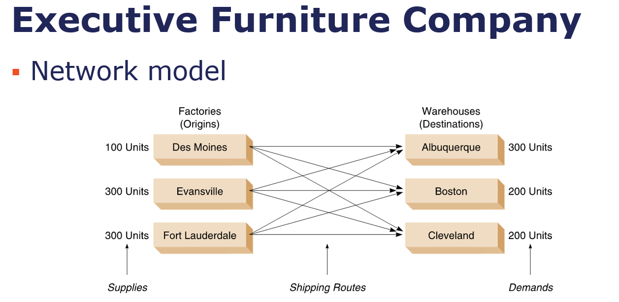

FROM/To | ALBUQUERQUE | BOSTON | CLEVELAND
Des Moines | 100.00 | 0.00 | 0.00 | 100.00 | = | 100
Evansville | - | 200.00 | 100.00 | 300.00 | = | 300
Fort Lauderdale | 200.00 | - | 100.00 | 300.00 | = | 300
 | 300.00 | 200.00 | 200.00
 | = | = | =
 | 300 | 200 | 200

FROM/To | ALBUQUERQUE | BOSTON | CLEVELAND
Des Moines | $5 | $4 | $3
Evansville | $8 | $4 | $3
Fort Lauderdale | $9 | $7 | $5 | 3,900.00

Luffy
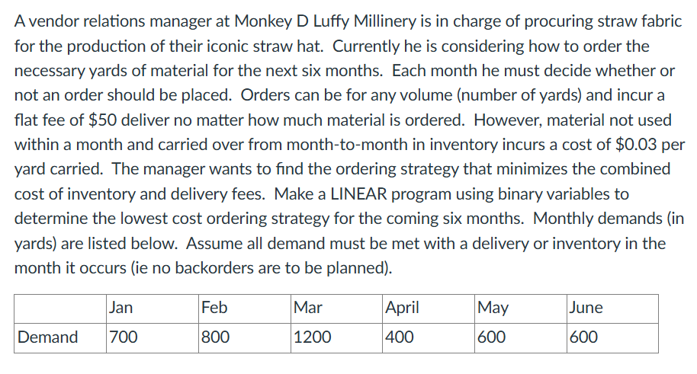
 | Jan | Feb | Mar | April | May | June
order? | 1 | 0 | 1 | 0 | 1 | 0
Start | 0 | 800 | 0 | 400 | 0 | 600
Used/Demand | 700 | 800 | 1200 | 400 | 600 | 600
Ordered quant | 1500 | 0 | 1600 | 0 | 1200 | 0
 | <= | <= | <= | <= | <= | <=
Max allowed order | 50000 | 0 | 50000 | 0 | 50000 | 0
Final | 800 | 0 | 400 | 0 | 600 | 0 | -->Cannot be equal to zero

Inventory cost | 24 | 0 | 12 | 0 | 18 | 0
Fixed order cost | 50 | 0 | 50 | 0 | 50 | 0 | 204

Simple goal
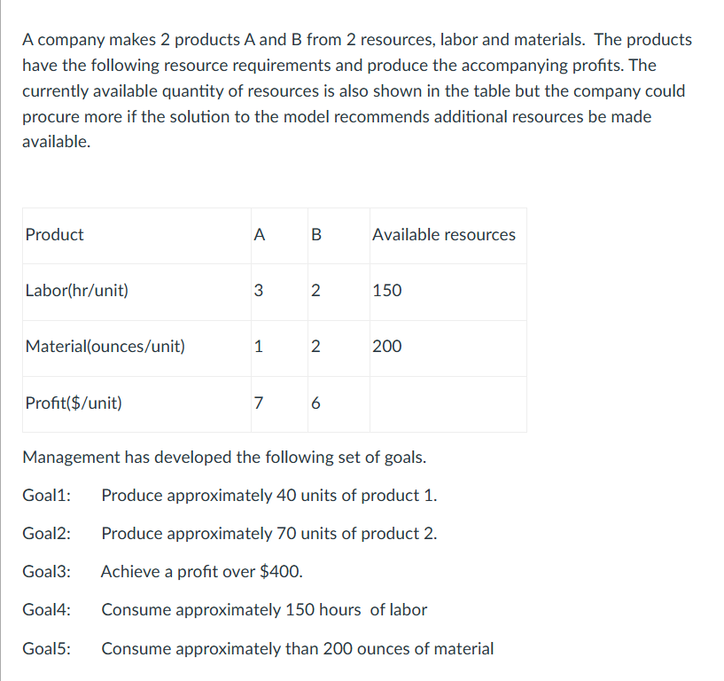
Product | A | B | Available resources
Labor(hr/unit) | 3 | 2 | 150
Material(ounces/unit) | 1 | 2 | 200
Profit($/unit) | 7 | 6

 | A | B | Labor(hr/unit) | Material(ounces/unit) | Profit($/unit)
Actual | 40 | 70 | 260 | 180 | 700
+Under | 0 | 0 | 0 | 20 | 0
-Over | 0 | 0 | 110 | 0 | 300
Goal | 40 | 70 | 150 | 200 | 400
 | = | = | = | = | =
Targets | 40 | 70 | 150 | 200 | 400

Weights
+Under | 2 | 2 | 1 | 1 | 10000
-Over | 2 | 2 | 1 | 1 | 0

Total % of deviation
%Deviation
+Under | 0 | 0 | 0 | 0.1 | 0
-Over | 0 | 0 | 0.73333333333 | 0 | 0.75 | 0.83333333333

Goodman
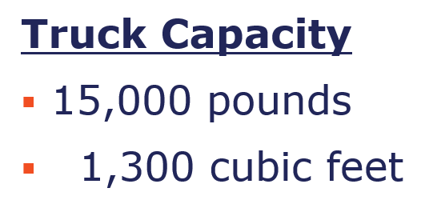
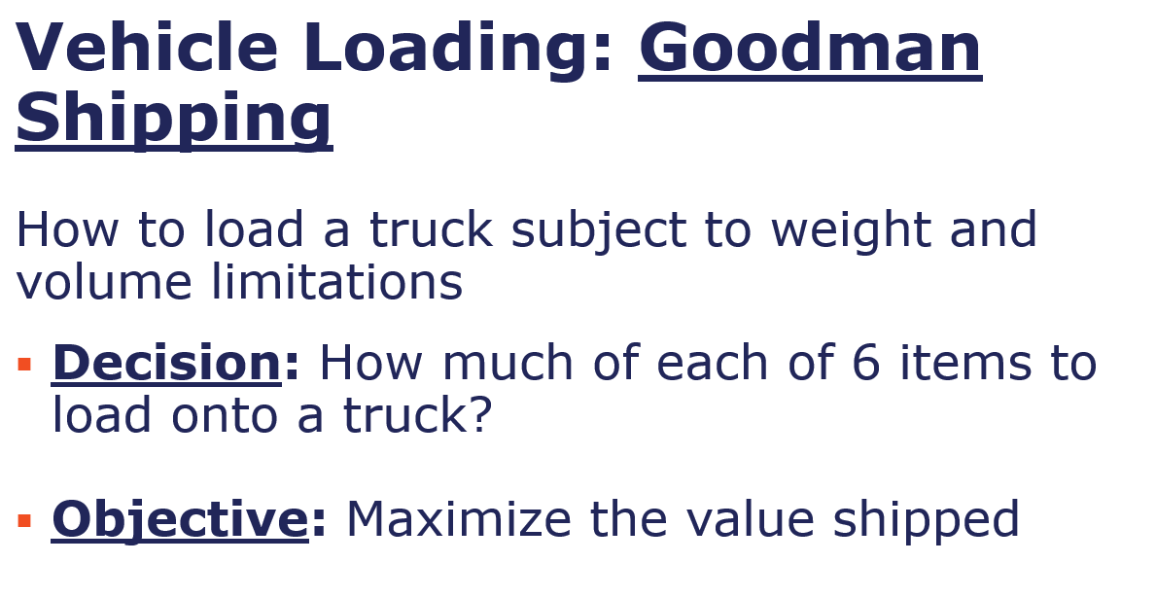
 | 1 | 2 | 3 | 4 | 5 | 6
Amount to load | 3037.3831776 | 4500 | 3000 | 0 | 4000 | 462.61682243 | 15000 | <= | 15000
 | <= | <= | <= | <= | <= | <=
Pounds available | 5,000.00 | 4,500.00 | 3,000.00 | 3,500.00 | 4,000.00 | 3,500.00
Value per pound | $3.10 | $3.20 | $3.45 | $4.15 | $3.25 | $2.75
Value of the load | $9,416 | $14,400 | $10,350 | $0 | $13,000 | $1,272 | $48,438
Cu. ft. per lb | 0.125 | 0.064 | 0.144 | 0.448 | 0.048 | 0.018
Cu. ft. per lb of load | 379.6728972 | 288 | 432 | 0 | 192 | 8.3271028037 | 1,300.00 | <= | 1300

Goodman (2)
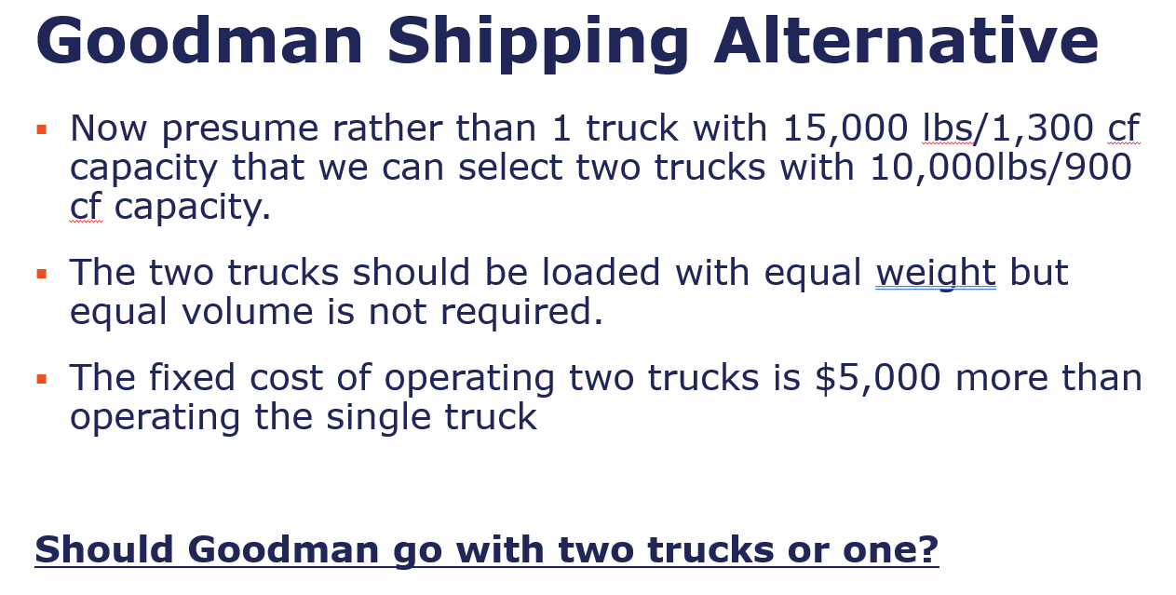
 | Truck 1 |  |  |  |  |  |  |  |  |  | Truck 2
 | 1 | 2 | 3 | 4 | 5 | 6 | Total |  |  |  | 1 | 2 | 3 | 4 | 5 | 6 | Total
Amount to load | 205.60747664 | 0 | 3000 | 465.11627907 | 4000 | 2329.2762443 | 10,000.00 | <= | 10,000.00 |  | 4794.3925234 | 4500 | 0 | 0 | 0 | 705.60747664 | 10000 | <= | 10,000.00
Cu. ft. per lb | 0.125 | 0.064 | 0.144 | 0.448 | 0.048 | 0.018 |  |  |  | Cu. ft. per lb | 0.125 | 0.064 | 0.144 | 0.448 | 0.048 | 0.018
Cu. ft. per lb of load | 25.700934579 | 0 | 432 | 208.37209302 | 192 | 41.926972397 | 900.00 | <= | 900 | Cu. ft. per lb of load | 599.29906542 | 288 | 0 | 0 | 0 | 12.700934579 | 900.00 | <= | 900

 |  |  |  |  |  |  |  |  |  | T1 weight |  | T2 weight
 | 1 | 2 | 3 | 4 | 5 | 6 |  |  |  | 10,000.00 | = | 10,000.00
Total amount | 5,000.00 | 4,500.00 | 3,000.00 | 465.12 | 4,000.00 | 3,034.88
 | <= | <= | <= | <= | <= | <=
Pounds available | 5,000.00 | 4,500.00 | 3,000.00 | 3,500.00 | 4,000.00 | 3,500.00
Value per pound | $3.10 | $3.20 | $3.45 | $4.15 | $3.25 | $2.75
Value of the load | $15,500.00 | $14,400.00 | $10,350.00 | $1,930.23 | $13,000.00 | $8,345.93 | $63,526.16
 |  |  |  |  |  | Fixed cost | $5,000.00
 |  |  |  |  |  | Net profit | $58,526.16

Frair
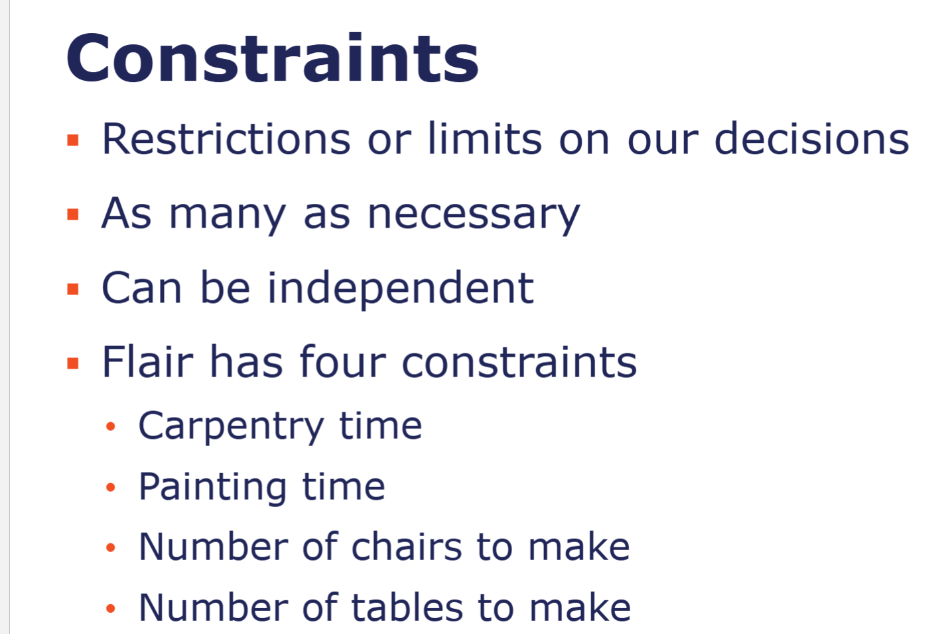
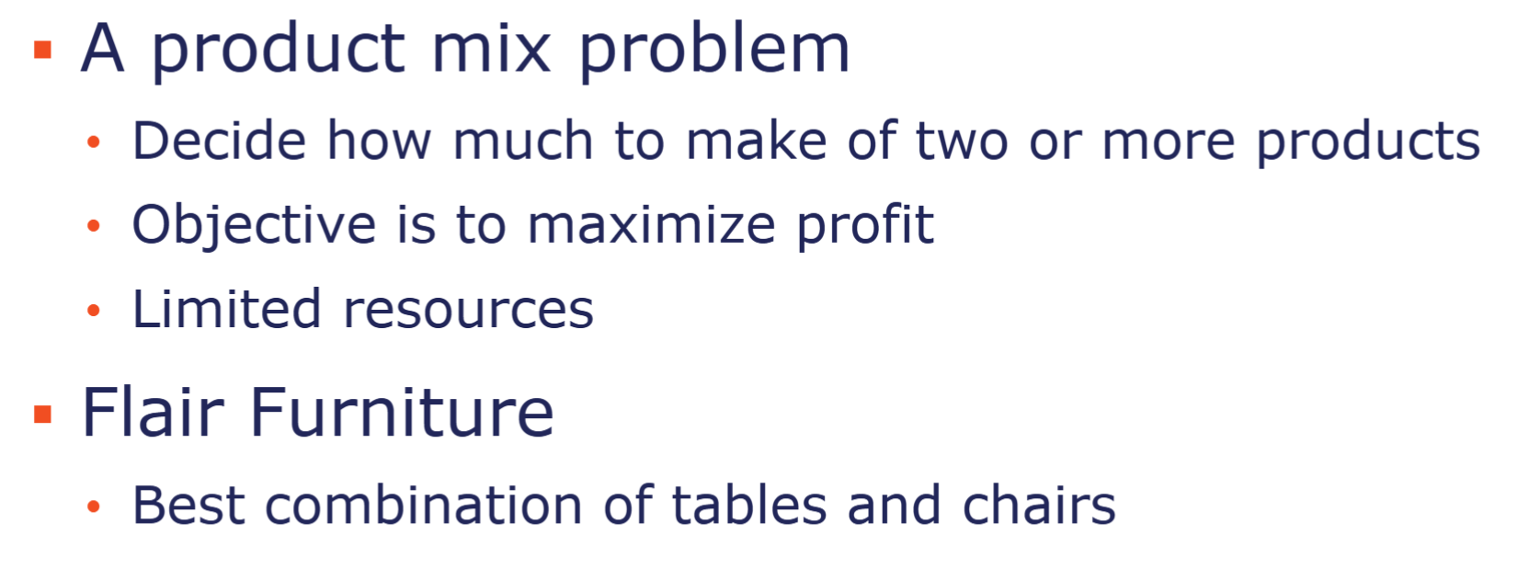
 | Tabes | Chairs
Amoutn to produce | 320 | 360
Price | $7.00 | $5.00 | 4040

Production
Painting | 3 | 4 | 2400 | <= | 2400
carpentering | 2 | 1 | 1000 | <= | 1000

Max chair | 360 | <= | 450
min table | 320 | >= | 100

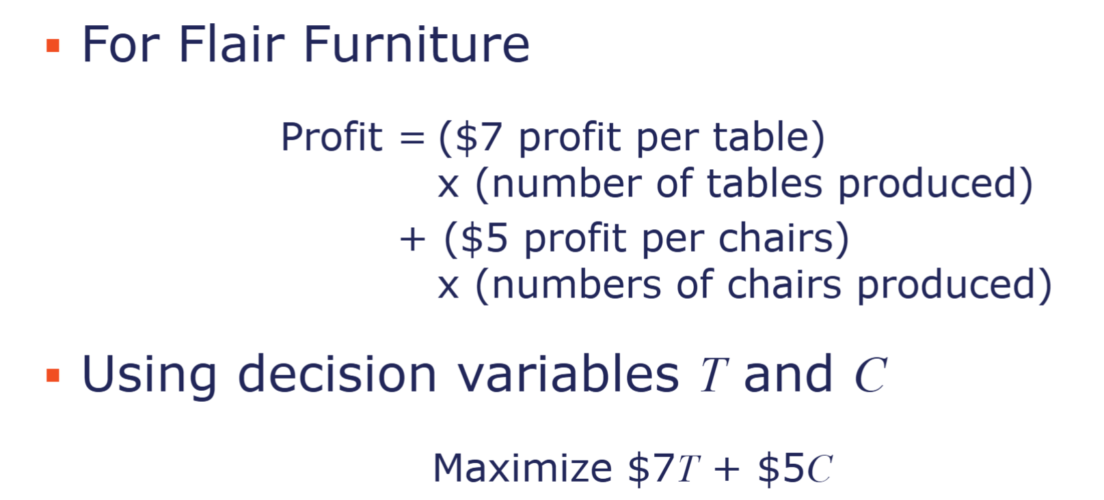

2400 Human hours (3 hours required for tables and 4 for charis) can be assign for painting of the tables and chairs and 1000 (2 hours for table and 1 hour for chairs) human hours can be assign to the carpentering part of the productions process.
There is a demand of 450 for chair, and we also need to produce at least 100 units of table.

Hardgrave
Supply and Demand Data |  |  |  |  |  |  |  | Possible Locations for New Plant
Warehouse | Monthly Demand | Plant | Monthly Supply | Production Cost (per unit) |  |  |  |  | Production Cost (per unit) | Fixed Cost (per month) | FROM/To | DETROIT | HOUSTON | NEW YORK | LOS ANGELES
Detroit | 10,000 | Cincinnati | 15,000 | $48 | Open |  |  | Seattle | $53 | $400,000 | Cincinnati | $25 | $55 | $40 | $60
Houston | 12,000 | Kansas City | 6,000 | $50 | Seattle | - |  | Birmingham | $49 | $325,000 | Kansas City | $35 | $30 | $50 | $40
New York | 15,000 | Pittsburgh | 14,000 | $52 | Birmingham | 1.00 |  |  |  |  | Pittsburgh | $36 | $45 | $26 | $66
Los Angeles | 9,000 |  |  |  | Decision control | 1.00 | <= | 1 |  |  | Seattle | $60 | $38 | $65 | $27
Total | 46,000 |  | 35,000 |  |  |  |  |  |  |  | Birmingham | $35 | $30 | $41 | $50
Note: New plant must supply 11,000 units per month

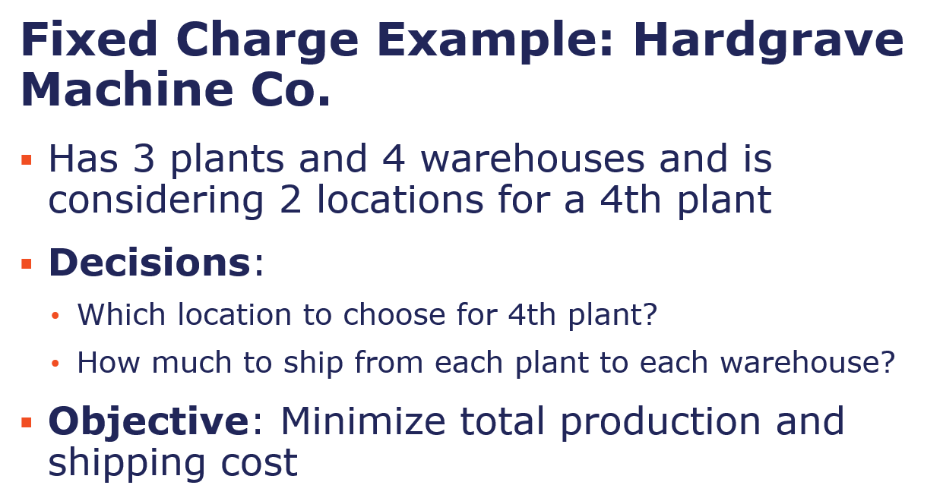
FROM/To | DETROIT | HOUSTON | NEW YORK | LOS ANGELES |  |  | Month supply
Cincinnati | 10,000.00 | - | 1,000.00 | 4,000.00 | 15,000.00 | = | 15,000.00
Kansas City | - | 1,000.00 | - | 5,000.00 | 6,000.00 | = | 6,000.00
Pittsburgh | - | - | 14,000.00 | - | 14,000.00 | = | 14,000.00
Seattle | - | - | - | 0.00 | 0.00 | = | -
Birmingham | - | 11,000.00 | - | - | 11,000.00 | = | 11,000.00
 | 10,000.00 | 12,000.00 | 15,000.00 | 9,000.00
 | = | = | = | =
Month demand | 10,000.00 | 12,000.00 | 15,000.00 | 9,000.00

Production cost | Production Cost (per unit) | Total produciton cost
Cincinnati | $48 | $720,000.00
Kansas City | $50 | $300,000.00
Pittsburgh | $52 | $728,000.00
Seattle | $53 | $0.00
Birmingham | $49 | $539,000.00
 |  | $2,287,000.00

Fixed cost | Total fixed cost
Seattle | $0
Birmingham | $325,000
 | $325,000

Distribution cost
FROM/To | DETROIT | HOUSTON | NEW YORK | LOS ANGELES
Cincinnati | $25 | $55 | $40 | $60
Kansas City | $35 | $30 | $50 | $40
Pittsburgh | $36 | $45 | $26 | $66
Seattle | $60 | $38 | $65 | $27
Birmingham | $35 | $30 | $41 | $50 | $1,454,000.00

 |  |  |  | Total cost | $4,066,000.00

Multiperiod easy
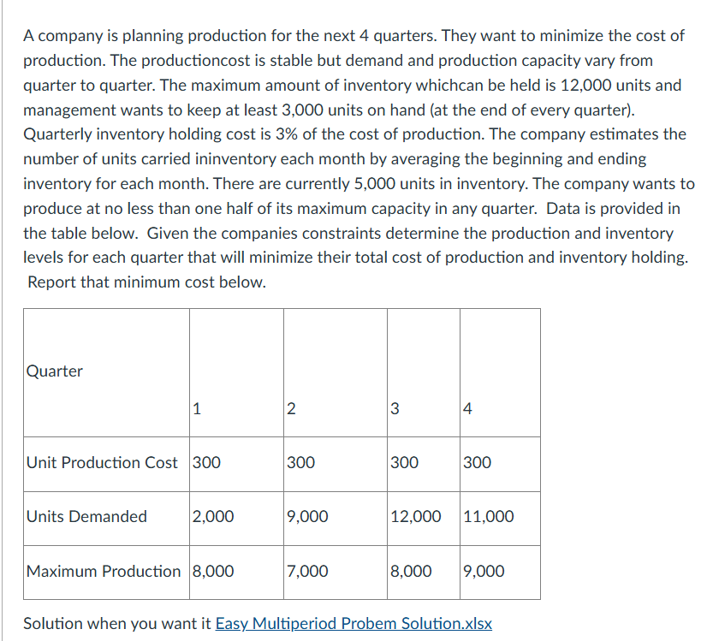
Quarter | 1.00 | 2.00 | 3.00 | 4.00
Start | 5,000.00 | 11,000.00 | 9,000.00 | 5,000.00
Produce | 8,000.00 | 7,000.00 | 8,000.00 | 9,000.00
 | <= | <= | <= | <=
Maximum Production | 8,000.00 | 7,000.00 | 8,000.00 | 9,000.00
 | >= | >= | >= | >=
Min porduction | 4,000.00 | 3,500.00 | 4,000.00 | 4,500.00

use/demand | 2,000.00 | 9,000.00 | 12,000.00 | 11,000.00
Final Inventory | 11,000.00 | 9,000.00 | 5,000.00 | 3,000.00
 | >= | >= | >= | >=
Min inventory | 3,000.00 | 3,000.00 | 3,000.00 | 3,000.00
 | <= | <= | <= | <=
Max Inventory | 12,000.00 | 12,000.00 | 12,000.00 | 12,000.00

Porduciton cost
Unit Production Cost | $300.00 | $300.00 | $300.00 | $300.00
Total prod cost | $2,400,000.00 | $2,100,000.00 | $2,400,000.00 | $2,700,000.00 | $9,600,000.00

Inventory cost | 0.03 | 0.03 | 0.03 | 0.03
Estimated inventory | 8,000.00 | 10,000.00 | 7,000.00 | 4,000.00
Inventory cost | 72,000.00 | 90,000.00 | 63,000.00 | 36,000.00 | $261,000.00
 |  |  |  | Final cost | 9,861,000.00
Inventory cost %*unit produciton cost*etimated inventory

Blending problem
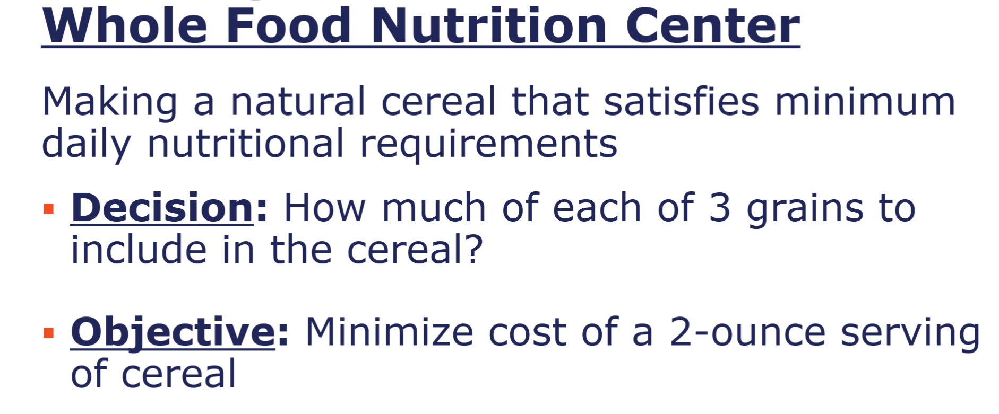
 |  |  |  |  |  |  | 2 ounce=0.125 pound
 | Grain A | Grain B | Grain C
Amount to include | 0.025 | 0.05 | 0.05 | 0.125 | = | 0.125

Protein per pound | 0.55 | 1.4 | 1.05 | 3 | >= | 3
Riboflavin per pound | 0.4 | 0.7 | 1.25 | 2.35 | >= | 2
Phosphorus per pound | 0.2 | 0.35 | 0.45 | 1 | >= | 1
Magnesium per pound | 0.125 | 0 | 0.3 | 0.425 | >= | 0.425

Cost per pound | $0.01 | $0.02 | $0.02 | $0.05

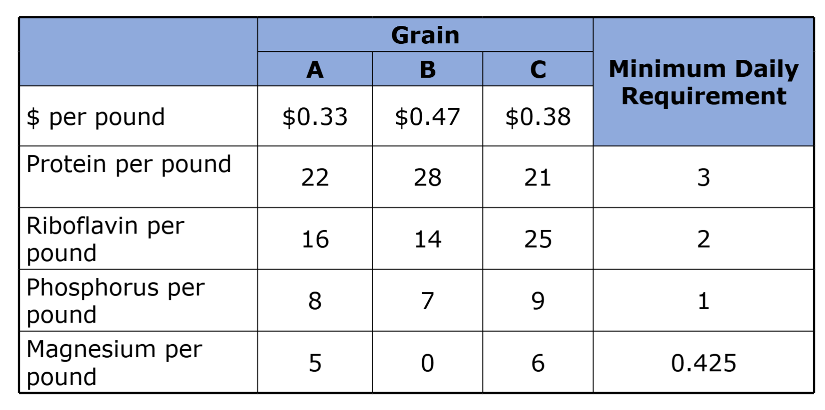
 | Grain A | Grain B | Grain C | Min Daily Req
$ per pound | $0.33 | $0.47 | $0.38
Protein per pound | 22 | 28 | 21 | 3
Riboflavin per pound | 16 | 14 | 25 | 2
Phosphorus per pound | 8 | 7 | 9 | 1
Magnesium per pound | 5 | 0 | 6 | 0.425

Hotel
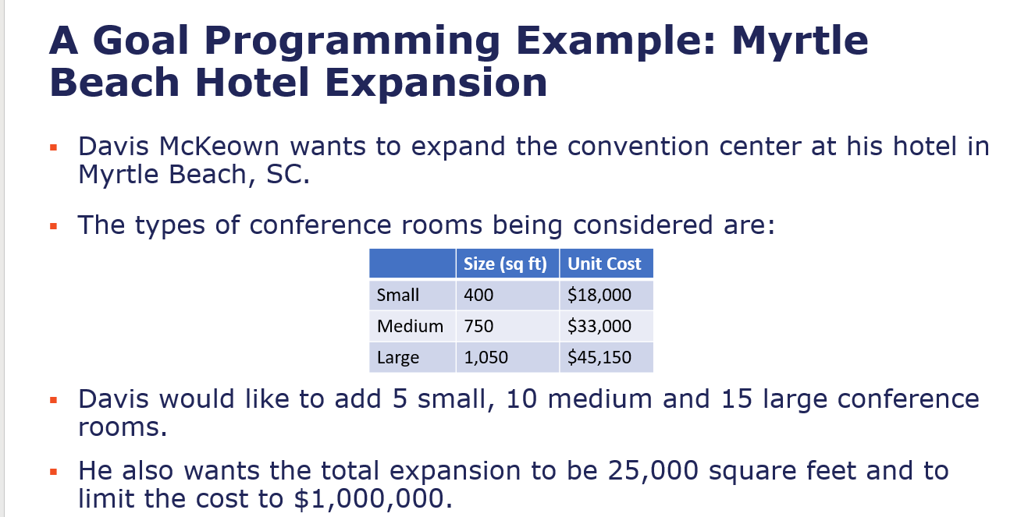
 | Size (sq ft) | Unit Cost
Small | 400.00 | $18,000.00
Medium | 750.00 | $33,000.00
Large | 1,050.00 | $45,150.00

 | Small | Medium | Large | Size | Cost
Quantity of room | 5.00 | 18.00 | 7.00 | 22,850.00 | $1,000,050
+Under | 0 | 0 | 8 | 2150 | 0
-Over | 0 | 8 | 0 | 0 | 50
Estimation | 5.00 | 10.00 | 15.00 | 25,000.00 | 1,000,000.00
 | = | = | = | = | =
Target | 5.00 | 10.00 | 15.00 | 25,000.00 | $1,000,000.00

total deviation
2216

Weights
+Under | 1 | 1 | 1 | 1 | 0
-Over | 1 | 1 | 1 | 0 | 1

Total % of deviation
%Deviation
+Under | - | - | 0.53 | 0.09 | -
-Over | - | 0.80 | - | - | 0.00 | 1.4193833333

quiz 1
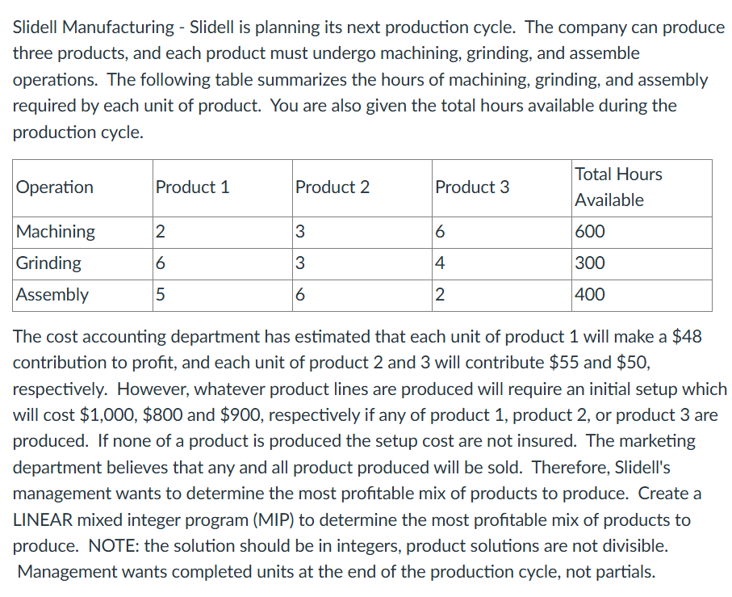
Operation | Product 1 | Product 2 | Product 3 | Total Hours Available
Machining | 2 | 3 | 6 | 600
Grinding | 6 | 3 | 4 | 300
Assembly | 5 | 6 | 2 | 400

Operation | Product 1 | Product 2 | Product 3
Produce? | 0 | 1 | 1
Q to produce | 0 | 56 | 32
 | <= | <= | <=
 | 0 | 50000 | 50000

Machining | 0 | 168 | 192 | 360 | <= | 600
Grinding | 0 | 168 | 128 | 296 | <= | 300
Assembly | 0 | 336 | 64 | 400 | <= | 400

Fixed cost |  |  | Revenue
Product 1 | $- |  | Product 1 | $48.00 | $-
Product 2 | $800.00 |  | Product 2 | $55.00 | $3,080.00
Product 3 | $900.00 |  | Product 3 | $50.00 | $1,600.00
 | $1,700.00 |  |  |  | $4,680.00
 |  |  |  | Net profit | $2,980.00

