Instruction
Compare Topic Models

Goal: To choose the better topic model among the pre-selected 2 models: LDA (lda_gensim_20) and NMF (nmf_gensim_20)
Both of these models have 20 topics, but were generated using different algorithms. Model selection is based on 4 aspects:
 | topic segregation
 | topic coherence
 | topic model comprehensiveness
 | topic assignment quality
We provide a template below to guide you through the model comparison and selection process. Please rank the selected models according to each of the 4 metrics

Model Evaluation Template
Metric | Description | Negative Example: SampleMpdel_3Topics | Model ranking (e.g.,Model 1 > Model 2) | Comments
Topic Segregation | To measure within a model, how separated topics/clusters are between each other. An ideal topic model should have little word or semantic overlap between topics (clusters). | topic_1 top_ranked_words: manager, job, efficiency, work topic_2 top_ranked_words: progress, work, occupation, people topic_3 top_ranked_words: occupation, employer, labor, progression | LDA>NMF | Easier to make out the themes with LDA
Topic Coherence | To measure within each topic, how coherent the top-ranked words are. Ideally, the top-ranked words of a topic should share some overall semantic relatedness, this applies to all topics in a model | topic_1 top_ranked_words: fertility, nationality, cellular, linear_regression | LDA>NMF | top rank words in LDA model were more cohesive
Topic model comprehensiveness | To measure how thoroughly a model covers topics appearing in the body of the literature. A good topic model should cover comprehensive topics relevant to the imported text. This assessment is heavily subjective to human judgments. In our case, we would want the model to cover comprehensive topics within the scope of digital public health | Topics/themes we think appearing in the body of the literature include: `food therapy', “symptom', and `sleep', but the topic model covers topics of`”food therapy'. |  | This is difficult to say because both are quite broad in perspective.
Topic Assignment Quality | To measure how well topics reflect the underlying texts/documents, and how interpretable the topics are. A good topic model should have easily interpretable topics that accurately capture key themes of the most representative papers of the topics*. Typically, these topics would be broad enough but not too high- level / abstract. | too high level: topic_1 top_ranked_words: digital, public, health, research too fine_grained: (it’s okay to have a few fine-grained words, but not most) topic_1 top_ranked_words: Ultra-large telescope (ULT), Dihydrotestosterone (DHT), opioid treatment program (OTP), post-traumatic stress disorder (PTSD). | NMF>LDF | LDA: more high level words NMF: top rank words are more specific
Final selection:
*: We provide 15 representative sample papers for each topic, these papers are the documents a given topic has contributed to the most, we could infer the topic by reading these documents

How to carry out the work?
It is important for both the researches to get involved in the evaluation process, however, there are multiple ways to carry out the plan:
Plan A) both researchers evaluate 2 models separately and compare the results in the end
Plan B) discussing and evaluating 2 models together
Plan C) ?

Timeline:
Current stage: Model selection before: 17th morning
Next stage: assigning interpretations to each topic
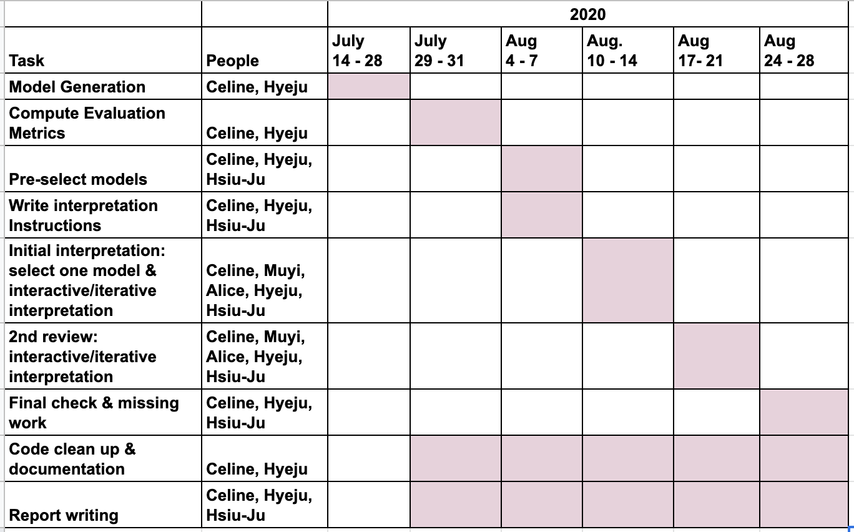
https://docs.google.com/spreadsheets/d/1Q3Y0yHvu9ENbuoFF0RqOsV587N4Gc7JpxHJvub-KAjs/edit?usp=sharing

Where to find the model information:
(2 seperate tabs)
contains: | top-ranked words for each topic of each model
 | 15 representative papers for each model (paper’s pmc_id and title or link)

Other references:
Full 12 model results: https://docs.google.com/spreadsheets/d/1gxakNwrHG-Eptvxp_whXlm_lq7G39fgh0xZmDv-MtPk/edit?usp=sharing

Let me know if you have any questions any time, email: siliang625@gmail.com / 425-773-0865

