Gensim_LDA_10
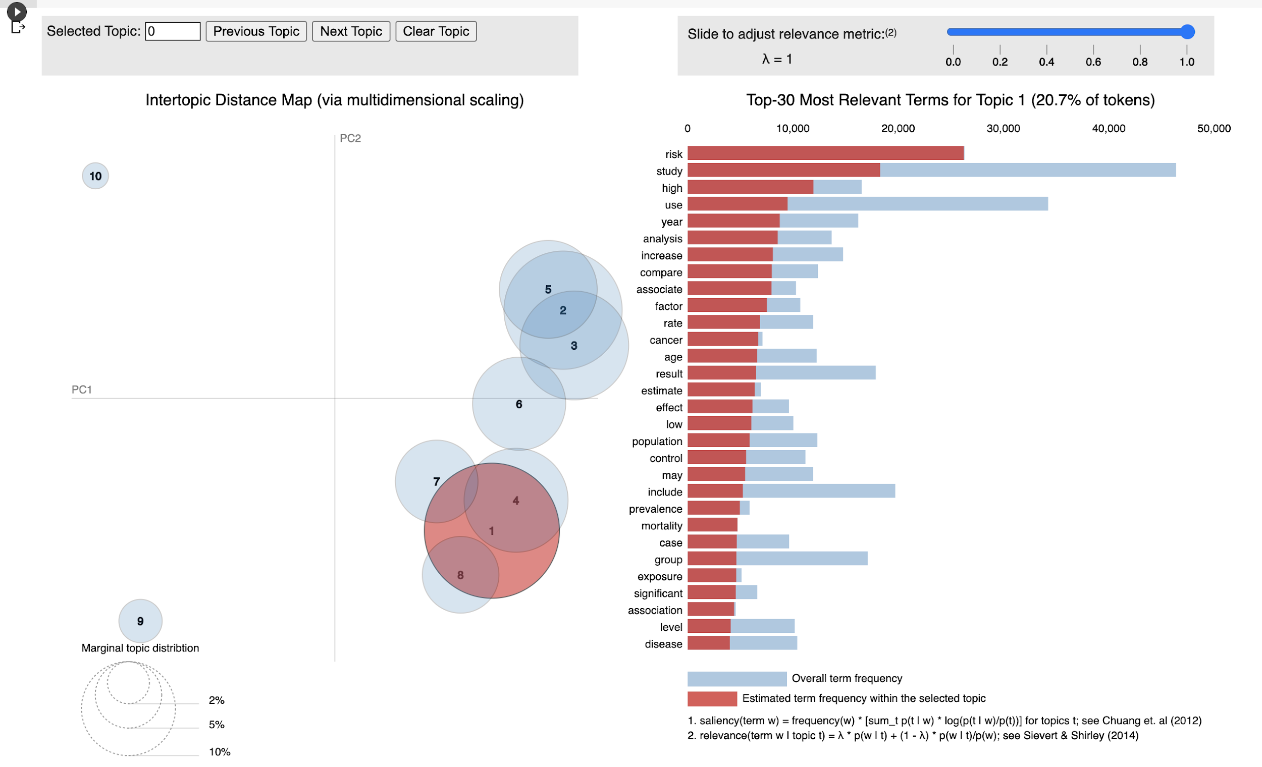
LDA using Gensim with 10 topics
Topic_Id | Top_ranked Words (20)
0 | ['health', 'information', 'public', 'system', 'provide', 'tool', 'develop', 'technology', 'user', 'support', 'research', 'use', 'process', 'need', 'base', 'development', 'new', 'approach', 'design', 'application']
1 | ['study', 'include', 'web', 'search', 'research', 'review', 'report', 'evidence', 'quality', 'database', 'use', 'article', 'identify', 'result', 'policy', 'conduct', 'literature', 'publish', 'analysis', 'assess']
2 | ['health', 'care', 'service', 'cost', 'community', 'condition', 'population', 'people', 'access', 'chronic', 'home', 'need', 'level', 'mental', 'diabetes', 'family', 'work', 'relate', 'management', 'diabete']
3 | ['intervention', 'group', 'base', 'participant', 'program', 'month', 'change', 'trial', 'web', 'outcome', 'control', 'study', 'week', 'follow', 'smoker', 'effect', 'effectiveness', 'measure', 'self', 'treatment']
4 | ['datum', 'model', 'use', 'base', 'method', 'surveillance', 'system', 'case', 'disease', 'data', 'source', 'performance', 'area', 'result', 'outbreak', 'develop', 'number', 'set', 'detection', 'test']
5 | ['child', 'age', 'adult', 'year', 'school', 'old', 'adolescent', 'parent', 'obesity', 'cigarette', 'young', 'cognitive', 'youth', 'weight', 'decline', 'black', 'prevalence', 'brain', 'aged', 'restaurant']
6 | ['survey', 'internet', 'report', 'woman', 'respondent', 'student', 'online', 'alcohol', 'likely', 'participant', 'use', 'behavior', 'man', 'web', 'information', 'response', 'questionnaire', 'high', 'self', 'complete']
7 | ['smoking', 'symptom', 'depression', 'oral', 'hispanic', 'suicide', 'nearly', 'elderly', 'impairment', 'stimulant', 'dental', 'deficit', 'trauma', 'antidepressant', 'depressive_symptom', 'severity', 'placebo', 'cvd', 'employment', 'severe']
8 | ['risk', 'study', 'high', 'use', 'year', 'analysis', 'increase', 'compare', 'associate', 'factor', 'rate', 'cancer', 'age', 'result', 'estimate', 'effect', 'low', 'population', 'control', 'may']
9 | ['patient', 'care', 'clinical', 'record', 'medical', 'practice', 'hospital', 'electronic', 'physician', 'system', 'treatment', 'primary', 'visit', 'provider', 'medication', 'use', 'diagnosis', 'time', 'clinician', 'clinic']

Gensim_LDA_20
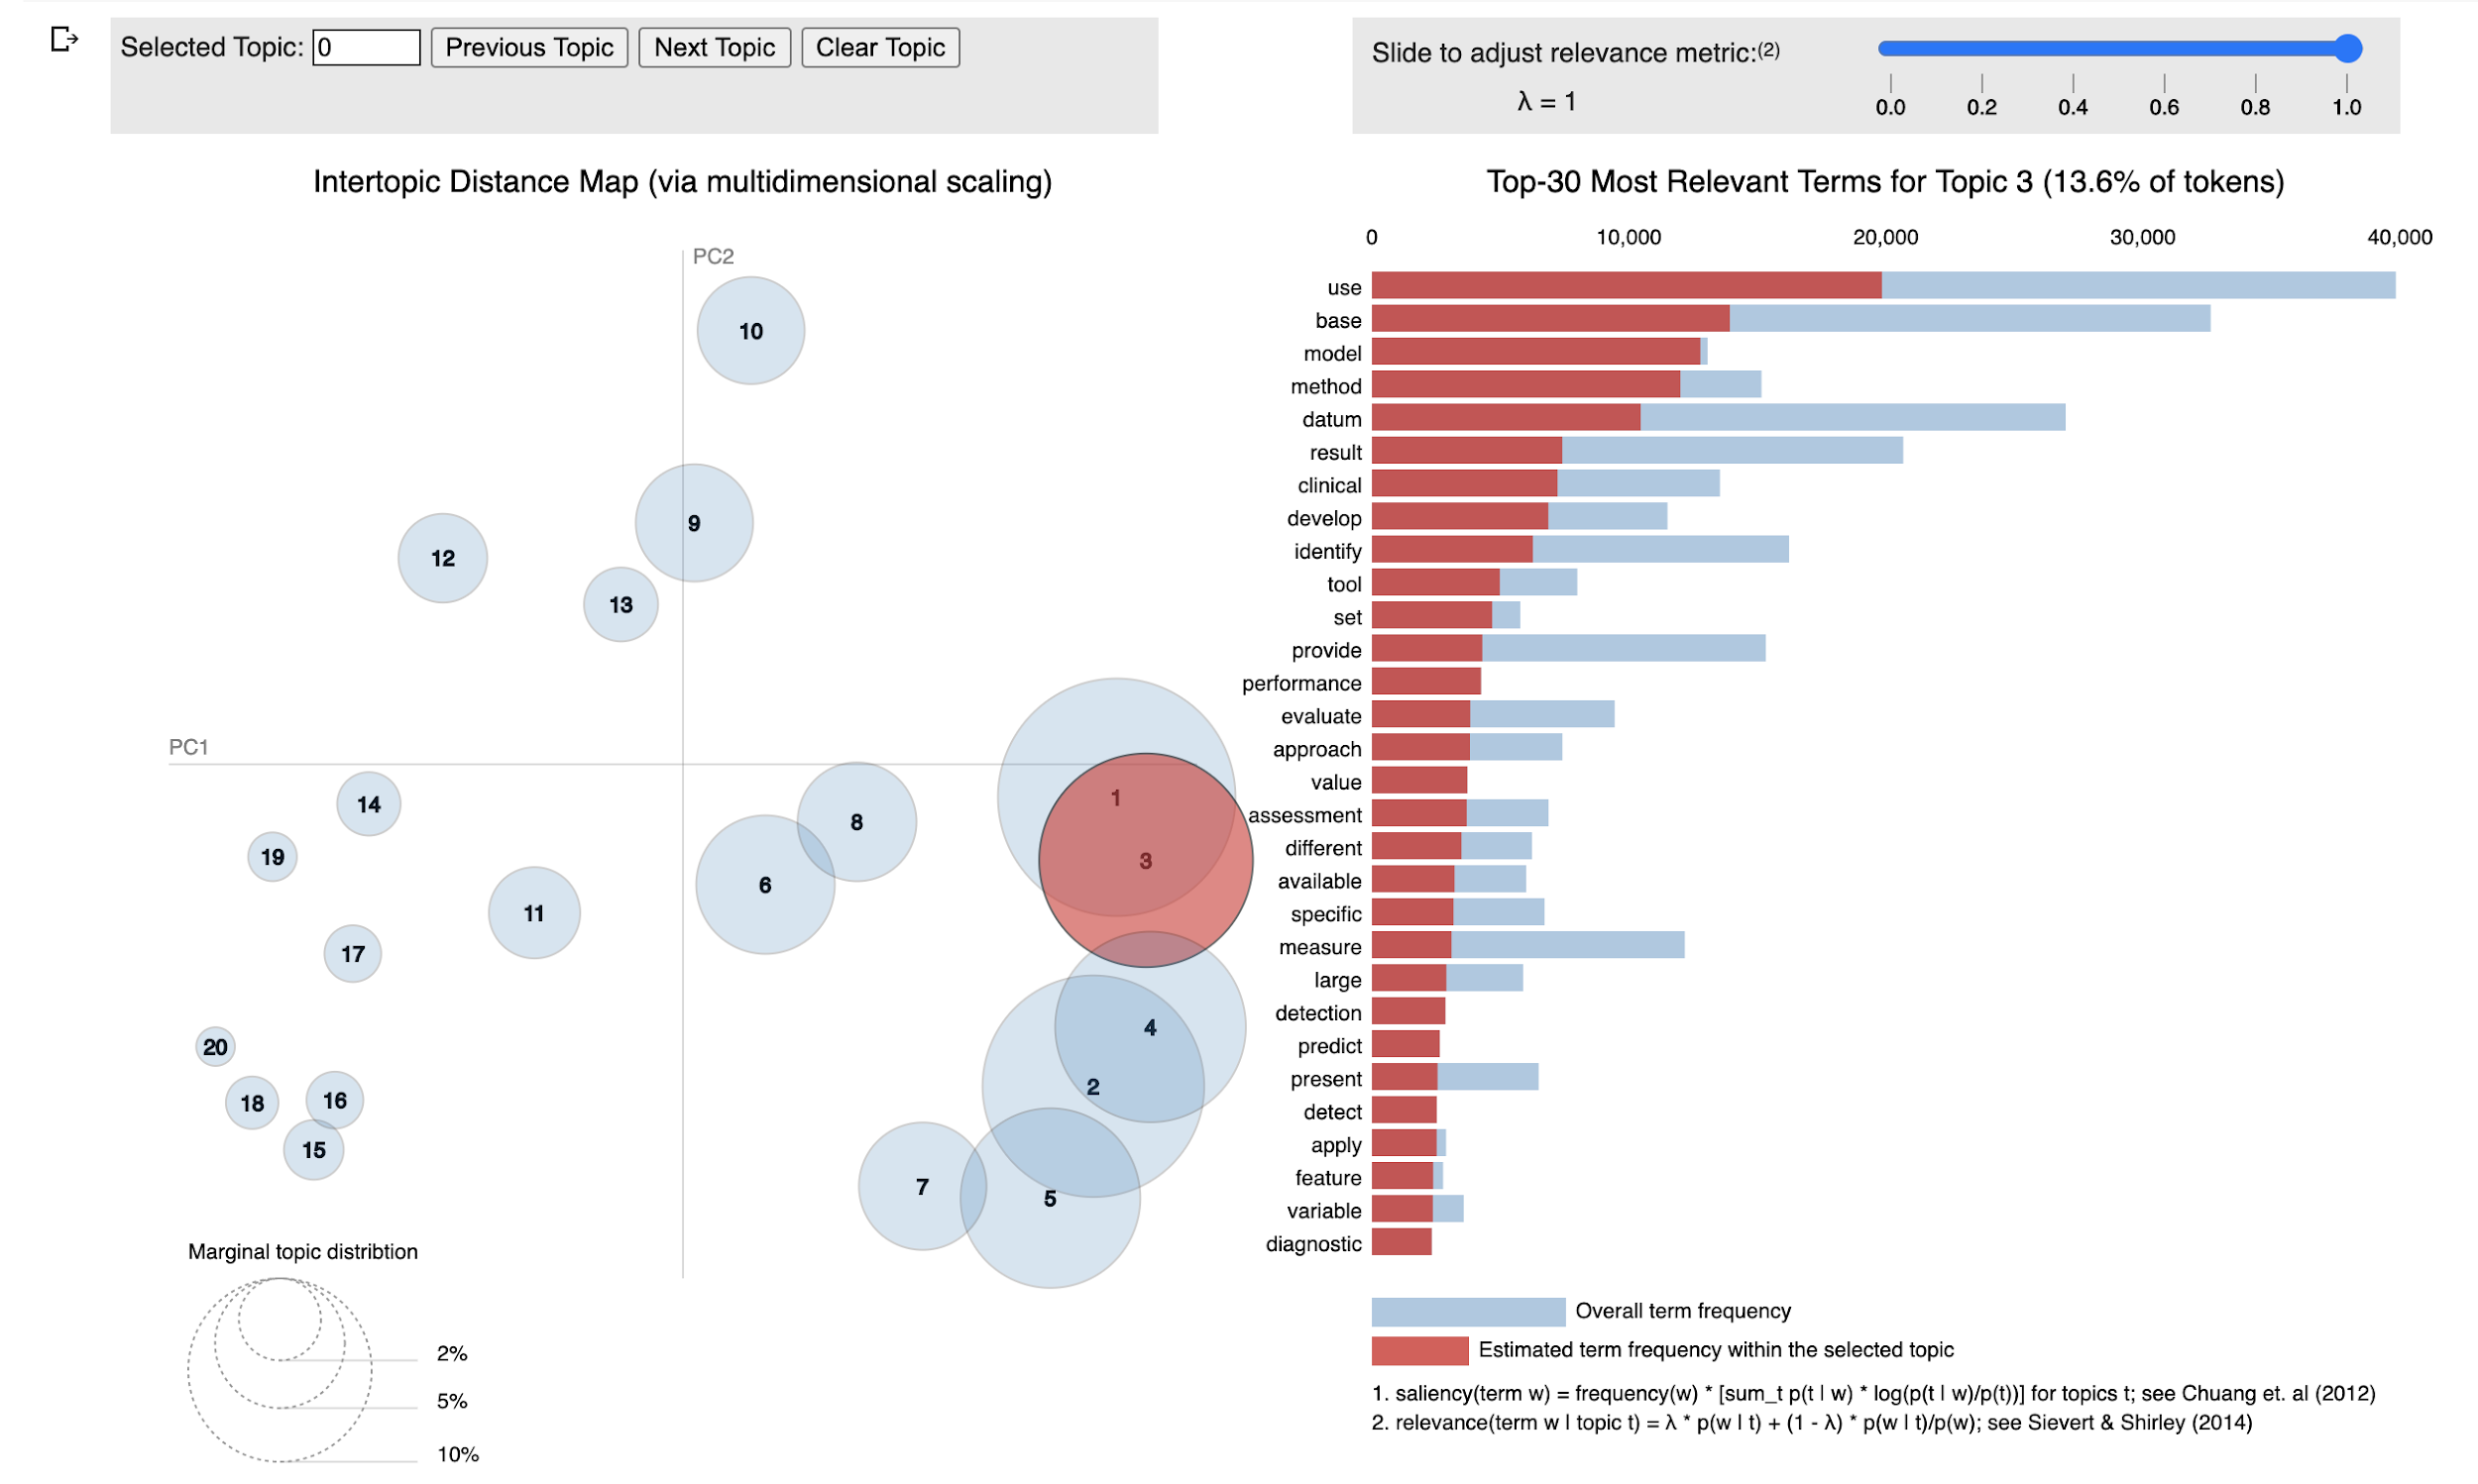
LDA using Gensim with 20 topics
Topic_Id | Top_ranked Words (20)
0 | ['risk', 'case', 'cancer', 'disease', 'factor', 'mortality', 'cause', 'death', 'incidence', 'control', 'genetic', 'event', 'cohort', 'estimate', 'cardiovascular', 'epidemiology', 'population', 'increase', 'identify', 'history']
1 | ['child', 'family', 'school', 'adolescent', 'parent', 'oral', 'youth', 'birth', 'consultation', 'pediatric', 'digit', 'maternal', 'parental', 'age', 'home', 'young', 'rich', 'habit', 'nutrition', 'growth']
2 | ['treatment', 'condition', 'chronic', 'diabetes', 'disease', 'diabete', 'diagnosis', 'type', 'therapy', 'treat', 'disability', 'image', 'management', 'stress', 'line', 'diagnose', 'respiratory', 'normal', 'hospitalization', 'complication']
3 | ['intervention', 'group', 'program', 'base', 'change', 'month', 'outcome', 'cost', 'trial', 'control', 'effectiveness', 'web', 'follow', 'participant', 'effective', 'reduce', 'measure', 'study', 'effect', 'week']
4 | ['system', 'datum', 'surveillance', 'information', 'state', 'public', 'data', 'case', 'source', 'outbreak', 'disease', 'report', 'collection', 'local', 'monitor', 'facility', 'epidemic', 'reporting', 'integrate', 'regional']
5 | ['adult', 'old', 'weight', 'obesity', 'cigarette', 'young', 'black', 'brain', 'age', 'overweight', 'cognition', 'violence', 'mobility', 'see', 'dsst', 'aged', 'education', 'atrophy', 'community_dwelling', 'unclear']
6 | ['survey', 'report', 'participant', 'web', 'self', 'respondent', 'complete', 'student', 'base', 'questionnaire', 'response', 'behavior', 'interview', 'study', 'use', 'activity', 'experience', 'participation', 'contact', 'question']
7 | ['score', 'smoking', 'symptom', 'depression', 'cognitive', 'function', 'random_digit_dialing', 'severity', 'impairment', 'scale', 'ad', 'rating', 'subject', 'memory', 'placebo', 'deficit', 'severe', 'depressive_symptom', 'employment', 'mild']
8 | ['use', 'base', 'model', 'method', 'datum', 'result', 'clinical', 'develop', 'identify', 'tool', 'set', 'provide', 'performance', 'evaluate', 'approach', 'value', 'assessment', 'different', 'available', 'specific']
9 | ['test', 'screening', 'screen', 'testing', 'code', 'proportion', 'percentage', 'location', 'recall', 'restaurant', 'annual', 'positive', 'office', 'laboratory', 'law', 'purchase', 'triage', 'willingness', 'act', 'crc']
10 | ['mental', 'food', 'disorder', 'item', 'validity', 'illness', 'consumption', 'fall', 'instrument', 'problem', 'claim', 'reliability', 'dementia', 'sleep', 'psychological', 'nutrition', 'caregiver', 'healthy', 'psychiatric', 'people']
11 | ['new', 'application', 'country', 'network', 'challenge', 'web', 'global', 'human', 'resident', 'field', 'sequence', 'organization', 'environmental', 'lead', 'facilitate', 'environment', 'example', 'international', 'product', 'also']
12 | ['patient', 'care', 'hospital', 'record', 'clinical', 'primary', 'electronic', 'visit', 'provider', 'medical', 'clinician', 'clinic', 'ehr', 'service', 'outcome', 'center', 'quality', 'improve', 'receive', 'phase']
13 | ['study', 'include', 'web', 'database', 'search', 'analysis', 'review', 'report', 'evidence', 'quality', 'article', 'result', 'use', 'literature', 'effect', 'publish', 'assess', 'identify', 'conduct', 'science']
14 | ['practice', 'physician', 'drug', 'medical', 'training', 'medication', 'guideline', 'safety', 'prescription', 'course', 'recommendation', 'medicine', 'pregnancy', 'train', 'nurse', 'knowledge', 'discuss', 'staff', 'prescribe', 'recommend']
15 | ['internet', 'user', 'information', 'online', 'website', 'site', 'content', 'relate', 'anxiety', 'message', 'post', 'source', 'medium', 'seek', 'topic', 'contain', 'video', 'public', 'trust', 'behavior']
16 | ['year', 'high', 'age', 'rate', 'study', 'increase', 'associate', 'low', 'compare', 'woman', 'population', 'level', 'use', 'likely', 'prevalence', 'may', 'examine', 'group', 'significantly', 'difference']
17 | ['exposure', 'infection', 'smoke', 'vaccine', 'vaccination', 'display', 'surgical', 'surgery', 'procedure', 'coverage', 'stratify', 'infant', 'complication', 'move', 'hit', 'ed', 'payment', 'viable', 'operation', 'necessitate']
18 | ['health', 'information', 'public', 'research', 'need', 'provide', 'support', 'community', 'access', 'service', 'technology', 'work', 'include', 'design', 'resource', 'base', 'policy', 'develop', 'use', 'knowledge']
19 | ['female', 'male', 'sexual', 'partner', 'sex', 'hispanic', 'young', 'people', 'covariate', 'count', 'initiation', 'predominantly', 'initiate', 'aged', 'behaviour', 'substance', 'drink', 'condom', 'drinking', 'gay']

Gensim_LDA_100
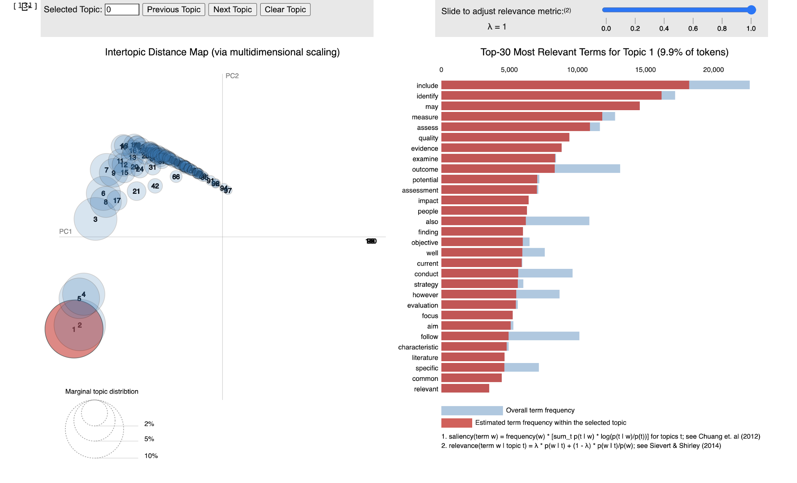
LDA using Gensim with 100 topics
Topic_Id | Top_ranked Words (20)
0 | ['diagnostic', 'healthcare', 'rural', 'limited', 'regular', 'remote', 'telehealth', 'far', 'complementary', 'programming', 'asian', 'prognostic', 'equip', 'incorporated', 'fitness', 'fragmentation', 'otp', 'numberactrn', 'rightrx', 'disappoint']
1 | ['computer', 'commonly', 'undergo', 'check', 'walk', 'promising', 'balance', 'proper', 'gait', 'explained', 'executive_function', 'disappoint', 'numberactrn', 'otp', 'urate_concentration', 'rightrx', 'dutie', 'eride', 'ethyl', 'ult']
2 | ['cost', 'plan', 'life', 'economic', 'effectiveness', 'planning', 'financial', 'effective', 'client', 'best', 'go', 'eliminate', 'reader', 'million', 'extensively', 'inappropriate', 'full', 'money', 'analysissette', 'urate_lowere']
3 | ['intervention', 'participant', 'program', 'base', 'month', 'reduce', 'follow', 'effective', 'week', 'receive', 'prevention', 'effectiveness', 'decrease', 'indicate', 'improve', 'promote', 'deliver', 'baseline', 'web', 'reach']
4 | ['exposure', 'day', 'smoking', 'smoke', 'pregnancy', 'maternal', 'intake', 'admission', 'threshold', 'logistic_regression', 'passive', 'characterise', 'limb', 'unaffected', 'breach', 'urination', 'shooter', 'overburdened', 'hackathon', 'dht']
5 | ['condition', 'chronic', 'cigarette', 'contrast', 'otp', 'eride', 'prescribed_varenicline', 'ethyl', 'prepopulation', 'rightrx', 'lockdown', 'urate_lowere', 'dht', 'urate_concentration', 'ult', 'numberactrn', 'disappoint', 'analysissette', 'sscs', 'dutie']
6 | ['recommendation', 'guideline', 'code', 'recommend', 'mail', 'assign', 'schedule', 'helpful', 'assignment', 'stratification', 'precede', 'safely', 'player', 'concussion', 'descriptive_statistic', 'urate_concentration', 'rightrx', 'ult', 'prepopulation', 'dutie']
7 | ['school', 'adolescent', 'environment', 'medium', 'protocol', 'pathway', 'disappoint', 'eride', 'dutie', 'urate_lowere', 'sscs', 'analysissette', 'shooter', 'lockdown', 'urate_concentration', 'dht', 'deliverable', 'monograph', 'numberactrn', 'project_echo']
8 | ['subject', 'direct', 'illness', 'rapid', 'provision', 'longitudinal', 'growth', 'write', 'higher', 'abnormal', 'clarify', 'slow', 'rarely', 'negatively', 'reduced', 'harmful', 'geographically', 'propensity', 'cirrhosis', 'uncover']
9 | ['compare', 'total', 'mean', 'value', 'set', 'variable', 'range', 'respectively', 'similar', 'define', 'appear', 'single', 'procedure', 'calculate', 'independent', 'material', 'substantial', 'dataset', 'derive', 'median']
10 | ['community', 'psychological', 'fund', 'caregiver', 'investment', 'co', 'turn', 'equivalent', 'withdrawal', 'undertaken', 'disappoint', 'shooter', 'analysissette', 'lockdown', 'ult', 'sscs', 'urate_lowere', 'dutie', 'eride', 'urate_concentration']
11 | ['site', 'human', 'sequence', 'environmental', 'transmission', 'virus', 'reflect', 'genomic', 'isolate', 'explain', 'host', 'pathogen', 'viral', 'specie', 'relevance', 'consistently', 'dimension', 'magnitude', 'allele', 'mutation']
12 | ['face', 'linkage', 'discharge', 'biomedical', 'university', 'failure', 'institutional', 'assume', 'alteration', 'qualitatively', 'imply', 'mine', 'readmission', 'steroid', 'sscs', 'urate_lowere', 'otp', 'dutie', 'eride', 'unhappy']
13 | ['report', 'self', 'event', 'reporting', 'location', 'mix', 'otp', 'prepopulation', 'eride', 'dutie', 'monograph', 'disappoint', 'hyperoxic', 'analysissette', 'shooter', 'lockdown', 'dht', 'ult', 'numberactrn', 'sscs']
14 | ['medication', 'safety', 'awareness', 'respond', 'collaboration', 'actual', 'certain', 'choose', 'print', 'instruction', 'regimen', 'hope', 'nonadherence', 'radiology', 'cluster_randomized_trial', 'methanol', 'sscs', 'eride', 'vol', 'dutie']
15 | ['positive', 'software', 'negative', 'acute', 'complication', 'central', 'rating', 'opinion', 'presentation', 'comment', 'categorize', 'analytical', 'try', 'applicability', 'sentiment', 'unstructured', 'clean', 'free_text', 'machine_learne', 'eride']
16 | ['risk', 'index', 'consistent', 'hypertension', 'adjustment', 'estimation', 'indicate', 'prior', 'radiologist', 'auc', 'calculate', 'osteoporosis', 'osteoarthritis', 'menopause', 'prevention', 'assessment', 'actionable', 'machine_learning_algorithm', 'par', 'ambient']
17 | ['physician', 'medicine', 'expert', 'pediatric', 'categorization', 'emergency_department_ed', 'urate_lowere', 'rightrx', 'prescribed_varenicline', 'otp', 'prepopulation', 'dht', 'ult', 'dutie', 'numberactrn', 'disappoint', 'analysissette', 'shooter', 'urate_concentration', 'sscs']
18 | ['case', 'particularly', 'confirm', 'recruitment', 'furthermore', 'strain', 'tumor', 'body', 'underlie', 'subtype', 'protection', 'stay', 'confidence_interval', 'trade', 'invasive', 'exam', 'caucasian', 'quarter', 'unrelated', 'pass']
19 | ['model', 'predict', 'prediction', 'account', 'official', 'later', 'discrimination', 'urate_lowere', 'rightrx', 'dutie', 'prepopulation', 'prescribed_varenicline', 'numberactrn', 'ult', 'otp', 'disappoint', 'analysissette', 'shooter', 'urate_concentration', 'eride']
20 | ['regard', 'general', 'participate', 'addition', 'discussion', 'step', 'consultation', 'detail', 'specifically', 'add', 'investigator', 'hold', 'brief', 'distinct', 'internal', 'ethical', 'arise', 'position', 'gps', 'stimulate']
21 | ['relate', 'activity', 'term', 'indicator', 'trend', 'related', 'second', 'correlate', 'correlation', 'successful', 'resistance', 'entire', 'sub', 'leverage', 'dutie', 'prepopulation', 'rightrx', 'sscs', 'eride', 'otp']
22 | ['project_echo', 'monograph', 'deliverable', 'dht', 'lockdown', 'shooter', 'analysissette', 'disappoint', 'numberactrn', 'ult', 'urate_concentration', 'urate_lowere', 'sscs', 'eride', 'dutie', 'otp', 'prepopulation', 'remodeling', 'healthstreet', 'prescribed_varenicline']
23 | ['clinical', 'practice', 'clinician', 'curriculum', 'era', 'locally', 'eride', 'urate_concentration', 'prepopulation', 'rightrx', 'dutie', 'otp', 'numberactrn', 'urate_lowere', 'disappoint', 'analysissette', 'shooter', 'ult', 'dht', 'sscs']
24 | ['disease', 'diabete', 'cardiovascular', 'oral', 'profile', 'exercise', 'antibiotic', 'successfully', 'registration', 'advanced', 'greatly', 'blood_pressure', 'communicable', 'blood_glucose', 'anthropometric', 'chronic_kidney_disease', 'psoriasis', 'prescribed_varenicline', 'urate_lowere', 'vol']
25 | ['conclusion', 'percent', 'background', 'standardize', 'return', 'annual', 'never', 'objective', 'law', 'predominantly', 'mandate', 'certify', 'randomly', 'organ', 'cross_sectional', 'datalink', 'methanol', 'sscs', 'eride', 'otp']
26 | ['gene', 'predictor', 'epidemiology', 'protein', 'predictive', 'statistic', 'biological', 'interface', 'validation', 'virtual', 'friend', 'shift', 'get', 'progression', 'terminology', 'mostly', 'concordance', 'dialysis', 'hide', 'nfd']
27 | ['user', 'interview', 'structure', 'end', 'staff', 'functional', 'observation', 'personnel', 'expectation', 'overview', 'citizen', 'qualitative', 'semi_structured_interview', 'participatory', 'reality', 'hardware', 'numberactrn', 'shooter', 'analysissette', 'disappoint']
28 | ['stage', 'household', 'white', 'government', 'black', 'hispanic', 'trust', 'episode', 'representative', 'news', 'involvement', 'panel', 'random_digit_dial', 'crisis', 'closely', 'cooperation', 'stand', 'press', 'ult', 'disappoint']
29 | ['surveillance', 'outbreak', 'detection', 'traditional', 'algorithm', 'serve', 'capture', 'geographic', 'influenza', 'popular', 'keyword', 'modest', 'refine', 'cough', 'forecast', 'oppose', 'flu', 'real_world', 'pertussis', 'aggregated']
30 | ['detect', 'field', 'contain', 'investigation', 'agency', 'regulation', 'attribute', 'insight', 'usually', 'completeness', 'table', 'suspect', 'conventional', 'anti', 'aggregate', 'statistically', 'randomly_selected', 'conference', 'sometimes', 'repository']
31 | ['type', 'website', 'update', 'primarily', 'occurrence', 'compile', 'time_consuming', 'disappoint', 'numberactrn', 'otp', 'prepopulation', 'eride', 'dutie', 'analysissette', 'sscs', 'shooter', 'lockdown', 'dht', 'urate_concentration', 'ult']
32 | ['woman', 'man', 'odd', 'insurance', 'dynamic', 'mhealth', 'couple', 'random', 'reproductive', 'random_effect', 'seasonal', 'empowerment', 'synthesize', 'uninsured', 'inequalitie', 'pap', 'imperative', 'insure', 'resultant', 'uninsure']
33 | ['survey', 'response', 'respondent', 'student', 'questionnaire', 'complete', 'question', 'ask', 'hour', 'usage', 'email', 'agree', 'web', 'college', 'send', 'prevalent', 'infant', 'invite', 'would', 'clearly']
34 | ['time', 'problem', 'period', 'document', 'researcher', 'physical', 'approximately', 'variation', 'highly', 'vary', 'size', 'consensus', 'depend', 'absolute', 'recognition', 'distinguish', 'meaningful', 'sample_size', 'disclosure', 'evident'] | occupation
35 | ['increase', 'population', 'factor', 'associate', 'individual', 'likely', 'significantly', 'less', 'great', 'status', 'several', 'link', 'demographic', 'relative', 'cluster', 'adjust', 'know', 'observe', 'ratio', 'overall']
36 | ['datum', 'data', 'allow', 'collection', 'occur', 'map', 'epidemic', 'match', 'morbidity', 'miss', 'incident', 'ongoing', 'reliability', 'intensity', 'normal', 'clinically', 'reliable', 'geographical', 'interpret', 'comprise']
37 | ['food', 'participation', 'date', 'sensitivity', 'frequent', 'undertake', 'already', 'close', 'possibility', 'fatal', 'whole', 'computerized', 'european', 'exception', 'allergic', 'sscs', 'urate_concentration', 'unhappy', 'urate_lowere', 'eride']
38 | ['estimate', 'prevalence', 'person', 'diagnosis', 'incidence', 'diagnose', 'registry', 'hospitalization', 'lower', 'rare', 'copd', 'hospitalize', 'possibly', 'fulfil', 'exacerbation', 'overall', 'population', 'otp', 'urate_lowere', 'dutie']
39 | ['visit', 'state', 'injury', 'consumer', 'percentage', 'restaurant', 'city', 'educate', 'label', 'calorie', 'labeling', 'sscs', 'eride', 'analysissette', 'urate_lowere', 'numberactrn', 'ult', 'rightrx', 'urate_concentration', 'prescribed_varenicline']
40 | ['implementation', 'provider', 'barrier', 'perception', 'adoption', 'infrastructure', 'fall', 'orient', 'therapeutic', 'deal', 'workflow', 'organizational', 'implement', 'recovery', 'desire', 'qualitative', 'operational', 'facilitator', 'contextual', 'stakeholder']
41 | ['performance', 'point', 'category', 'automate', 'classification', 'classify', 'note', 'element', 'final', 'recall', 'promise', 'automatically', 'stratify', 'experimental', 'chart', 'precision', 'machine_learning', 'ed', 'manually', 'lab']
42 | ['include', 'identify', 'may', 'measure', 'assess', 'quality', 'evidence', 'examine', 'outcome', 'potential', 'assessment', 'impact', 'people', 'also', 'finding', 'objective', 'well', 'current', 'conduct', 'strategy']
43 | ['group', 'control', 'difference', 'recruit', 'monitoring', 'differ', 'duration', 'anxiety', 'significant', 'register', 'usual', 'intention', 'short', 'significantly', 'submit', 'injection', 'blind', 'randomised', 'reading', 'randomise']
44 | ['infection', 'platform', 'query', 'architecture', 'input', 'adapt', 'rely', 'act', 'handle', 'thereby', 'complicate', 'retrieval', 'optimization', 'execution', 'microbiology', 'bedside', 'montgomery', 'lockdown', 'deliverable', 'dht']
45 | ['proportion', 'criterion', 'examination', 'grade', 'digital', 'telemedicine', 'triage', 'diabetic', 'eye', 'imaging', 'camera', 'multicenter', 'shooter', 'ult', 'urate_concentration', 'dutie', 'disappoint', 'otp', 'numberactrn', 'prepopulation']
46 | ['influence', 'accuracy', 'doctor', 'basis', 'accurate', 'varied', 'unclear', 'joint', 'modestly', 'eride', 'otp', 'deliverable', 'numberactrn', 'disappoint', 'analysissette', 'shooter', 'lockdown', 'urate_lowere', 'prepopulation', 'ult']
47 | ['child', 'parent', 'nutrition', 'stress', 'parental', 'behavioural', 'scarce', 'lie', 'inconsistency', 'utilise', 'thorough', 'randomly_allocate', 'absent', 'family', 'ult', 'urate_concentration', 'sscs', 'urate_lowere', 'dutie', 'ethyl']
48 | ['alcohol', 'contact', 'daily', 'consequence', 'consumption', 'acceptability', 'consume', 'prefer', 'acceptable', 'audit', 'randomised_controlled_trial', 'expenditure', 'vulnerability', 'hazardous', 'text_message', 'text_messaging', 'lockdown', 'dht', 'numberactrn', 'ult']
49 | ['non', 'see', 'line', 'length', 'draw', 'strength', 'sleep', 'insufficient', 'deprivation', 'ill', 'electronic_supplementary_material', 'article_doi_contains_supplementary_material', 'methanol', 'sscs', 'eride', 'urate_lowere', 'urate_concentration', 'otp', 'prescribed_varenicline', 'kshv']
50 | ['experience', 'image', 'guidance', 'improved', 'experienced', 'urate_lowere', 'rightrx', 'dutie', 'prepopulation', 'urate_concentration', 'deliverable', 'ult', 'otp', 'disappoint', 'analysissette', 'shooter', 'lockdown', 'eride', 'numberactrn', 'remodeling']
51 | ['database', 'search', 'review', 'article', 'publish', 'science', 'author', 'reference', 'publication', 'international', 'scientific', 'systematic', 'paper', 'adverse', 'journal', 'research', 'cite', 'retrieve', 'output', 'citation']
52 | ['training', 'telephone', 'course', 'train', 'skill', 'serious', 'unknown', 'adequate', 'head', 'neck', 'teacher', 'incur', 'recognise', 'trainee', 'programmatic', 'anatomical', 'rotation', 'practical', 'urate_lowere', 'dutie']
53 | ['patient', 'unit', 'acquire', 'receive', 'intensive', 'count', 'accurately', 'admit', 'vital', 'cholesterol', 'curve', 'liver', 'overlap', 'sufficiently', 'warehouse', 'danger', 'discriminate', 'curate', 'sensitivity_specificity_positive_predictive_value', 'receiver_operating_characteristic_curve']
54 | ['technology', 'application', 'monitor', 'mobile', 'device', 'smartphone', 'urate_concentration', 'otp', 'urate_lowere', 'rightrx', 'prescribed_varenicline', 'dutie', 'numberactrn', 'lockdown', 'ult', 'eride', 'disappoint', 'analysissette', 'prepopulation', 'monograph']
55 | ['medical', 'list', 'abstract', 'inclusion', 'exclude', 'description', 'archive', 'career', 'urate_lowere', 'otp', 'eride', 'analysissette', 'prepopulation', 'dht', 'lockdown', 'hyperoxic', 'numberactrn', 'disappoint', 'shooter', 'sscs']
56 | ['mortality', 'cause', 'death', 'adherence', 'dose', 'counseling', 'induce', 'maximum', 'pharmacist', 'regularly', 'endpoint', 'screened', 'systolic_blood_pressure', 'periodically', 'sscs', 'analysissette', 'lockdown', 'disappoint', 'shooter', 'eride']
57 | ['rate', 'hospital', 'obesity', 'agreement', 'administrative', 'rank', 'compute', 'overweight', 'gather', 'bmi', 'attributable', 'highest', 'publicly', 'obstetric', 'quartile', 'quarterly', 'blog', 'ranking', 'varied_considerably', 'eride']
58 | ['region', 'ability', 'regional', 'immunization', 'processing', 'fast', 'rigorous', 'mobility', 'faster', 'atrophy', 'reply', 'numberactrn', 'urate_concentration', 'shooter', 'prepopulation', 'analysissette', 'disappoint', 'eride', 'otp', 'urate_lowere']
59 | ['sex', 'seek', 'male', 'sexual', 'vaccine', 'female', 'partner', 'vaccination', 'initiate', 'ehealth', 'lifetime', 'partnership', 'notification', 'initiation', 'preventable', 'assistant', 'fight', 'inclusive', 'prophylaxis', 'religious']
60 | ['mental', 'limit', 'active', 'cover', 'alone', 'pair', 'exceed', 'violence', 'structured', 'elevate', 'hamper', 'partial', 'inconclusive', 'shooter', 'dht', 'turkstat', 'disappoint', 'lockdown', 'deliverable', 'numberactrn']
61 | ['bias', 'generally', 'language', 'yield', 'minute', 'extraction', 'original', 'correct', 'empirical', 'sufficient', 'top', 'chinese', 'restrict', 'reviewer', 'german', 'translation', 'double', 'correctly', 'japanese', 'speak']
62 | ['year', 'age', 'old', 'administer', 'gender', 'aged', 'brain', 'adjust', 'female', 'least', 'revise', 'mean', 'damage', 'body_mass_index', 'linear_regression', 'first', 'dsst', 'characteristic', 'follow', 'examine']
63 | ['adult', 'young', 'distribution', 'subgroup', 'random_digit_dialing', 'comparable', 'phone', 'nationally', 'cellular', 'census', 'brfss', 'deviation', 'benchmarke', 'percentage_point', 'urate_lowere', 'urate_concentration', 'prepopulation', 'otp', 'rightrx', 'sscs']
64 | ['level', 'frequency', 'third', 'occupational', 'fail', 'compliance', 'reaction', 'light', 'temperature', 'alter', 'upper', 'dramatically', 'enormous', 'discomfort', 'musculoskeletal', 'urate_lowere', 'eride', 'dutie', 'otp', 'shooter']
65 | ['education', 'professional', 'promotion', 'integration', 'peer', 'industry', 'free', 'do', 'norm', 'look', 'strategie', 'channel', 'influential', 'normative', 'trace', 'approval', 'conform', 'serene', 'unhappy', 'sscs']
66 | ['service', 'delivery', 'urban', 'facility', 'coverage', 'distance', 'optimal', 'locate', 'initially', 'bed', 'payment', 'viable', 'metropolitan', 'area', 'icus', 'prepopulation', 'ethyl', 'ult', 'rightrx', 'prescribed_varenicline']
67 | ['communication', 'content', 'tailor', 'message', 'interactive', 'feedback', 'text', 'format', 'difficulty', 'feasible', 'video', 'security', 'descriptive', 'assistance', 'supportive', 'personalized', 'achievement', 'way', 'appreciation', 'unperturbed']
68 | ['major', 'theme', 'finally', 'contribution', 'formal', 'disaster', 'medline', 'library', 'embed', 'librarian', 'announcement', 'lockdown', 'shooter', 'otp', 'analysissette', 'disappoint', 'numberactrn', 'urate_lowere', 'dutie', 'rightrx']
69 | ['form', 'substantially', 'office', 'specificity', 'exchange', 'coordinate', 'illicit', 'pharmacy', 'shape', 'globally', 'sale', 'combat', 'nfd', 'vol', 'transmitted_infection', 'rightrx', 'prescribed_varenicline', 'ethyl', 'otp', 'kshv']
70 | ['screening', 'screen', 'funding', 'county', 'almost', 'structural', 'crc', 'eride', 'dht', 'sscs', 'ult', 'dutie', 'analysissette', 'prepopulation', 'urate_lowere', 'rightrx', 'urate_concentration', 'numberactrn', 'disappoint', 'otp']
71 | ['symptom', 'disorder', 'phase', 'late', 'blood', 'interpretation', 'innovation', 'lung', 'epidemiologic', 'elevated', 'confounder', 'substance_abuse', 'pregnant_woman', 'ptsd', 'activation', 'hair', 'dutie', 'otp', 'prepopulation', 'rightrx']
72 | ['system', 'develop', 'improve', 'require', 'challenge', 'lead', 'implement', 'often', 'feature', 'standard', 'useful', 'enable', 'improvement', 'contribute', 'framework', 'identification', 'call', 'meet', 'exist', 'goal']
73 | ['care', 'primary', 'clinic', 'referral', 'harm', 'refer', 'encounter', 'consent', 'specialist', 'centre', 'appointment', 'decision_make', 'read', 'flexible', 'standardise', 'instance', 'hypertensive', 'transform', 'iterative', 'mature']
74 | ['social', 'network', 'post', 'share', 'member', 'other', 'disseminate', 'acceptance', 'connection', 'tweet', 'mention', 'twitter', 'personal', 'poster', 'unique', 'interaction', 'constrain', 'hashtag', 'collect', 'way']
75 | ['early', 'domain', 'half', 'few', 'begin', 'recognize', 'dependent', 'signal', 'hit', 'portion', 'necessitate', 'conversely', 'computerize', 'analysissette', 'otp', 'lockdown', 'sscs', 'disappoint', 'shooter', 'urate_concentration']
76 | ['study', 'web', 'analysis', 'result', 'find', 'show', 'significant', 'evaluate', 'perform', 'include', 'conduct', 'investigate', 'suggest', 'reveal', 'extract', 'eligible', 'potentially', 'accord', 'pool', 'however']
77 | ['behavior', 'discuss', 'behavioral', 'healthy', 'attitude', 'youth', 'birth', 'lifestyle', 'choice', 'subsequent', 'weekly', 'monthly', 'habit', 'real_time', 'occasion', 'promote', 'hypothesize', 'reinforce', 'style', 'notable']
78 | ['effect', 'respiratory', 'protective', 'numerous', 'property', 'beneficial', 'ulcer', 'formation', 'microbial', 'sscs', 'dutie', 'urate_concentration', 'ult', 'ethyl', 'disappoint', 'analysissette', 'prescribed_varenicline', 'prepopulation', 'numberactrn', 'otp']
79 | ['live', 'prevent', 'recently', 'claim', 'belief', 'hypothesis', 'delay', 'package', 'residential', 'living', 'instead', 'justify', 'carer', 'current_controlled_trials_isrctn', 'unhappy', 'eride', 'otp', 'urate_lowere', 'expediently', 'sscs']
80 | ['management', 'home', 'center', 'manage', 'team', 'expand', 'secure', 'organize', 'connect', 'coordination', 'administrator', 'heterosexual', 'expansion', 'lessons_learne', 'disparate', 'enhanced', 'chain', 'bacterial', 'developed', 'elective']
81 | ['health', 'public', 'access', 'resource', 'policy', 'national', 'local', 'issue', 'offer', 'facilitate', 'address', 'personal', 'view', 'topic', 'practitioner', 'broad', 'full', 'advance', 'privacy', 'world']
82 | ['family', 'genetic', 'history', 'error', 'alert', 'ad', 'strongly', 'familial', 'pedigree', 'urate_lowere', 'dht', 'otp', 'dutie', 'ult', 'numberactrn', 'rightrx', 'disappoint', 'eride', 'prepopulation', 'sscs']
83 | ['knowledge', 'role', 'perceive', 'opportunity', 'decision', 'learn', 'assist', 'play', 'pandemic', 'perspective', 'engagement', 'answer', 'success', 'moreover', 'crucial', 'keep', 'learning', 'scheme', 'nee', 'scientist']
84 | ['pattern', 'routine', 'hand', 'multivariate', 'diet', 'marker', 'cell', 'abnormality', 'indication', 'mandatory', 'side_effect', 'designate', 'belong', 'accordance', 'restrictive', 'bottom', 'triglyceride', 'adiposity', 'otp', 'sscs']
85 | ['project_echo', 'monograph', 'deliverable', 'dht', 'lockdown', 'shooter', 'analysissette', 'disappoint', 'numberactrn', 'ult', 'urate_concentration', 'urate_lowere', 'sscs', 'eride', 'dutie', 'otp', 'prepopulation', 'remodeling', 'healthstreet', 'prescribed_varenicline']
86 | ['score', 'depression', 'function', 'cognitive', 'scale', 'moderate', 'attention', 'severe', 'severity', 'concentration', 'impairment', 'covariate', 'psychiatric', 'memory', 'ascertain', 'associated', 'bad', 'deficit', 'serum', 'cognition']
87 | ['provide', 'research', 'need', 'support', 'tool', 'design', 'new', 'important', 'development', 'make', 'process', 'help', 'effort', 'purpose', 'paper', 'involve', 'would', 'setting', 'integrate', 'key']
88 | ['project_echo', 'monograph', 'deliverable', 'dht', 'lockdown', 'shooter', 'analysissette', 'disappoint', 'numberactrn', 'ult', 'urate_concentration', 'urate_lowere', 'sscs', 'eride', 'dutie', 'otp', 'prepopulation', 'remodeling', 'healthstreet', 'prescribed_varenicline']
89 | ['cancer', 'association', 'relationship', 'cohort', 'epidemiological', 'mechanism', 'prospective', 'summary', 'susceptibility', 'embase', 'insulin', 'formally', 'tertile', 'clear', 'slide', 'cbm', 'urate_concentration', 'otp', 'ult', 'eride']
90 | ['drug', 'prescription', 'determinant', 'prescribe', 'dementia', 'onset', 'mitigate', 'dispense', 'pragmatic', 'renew', 'numberactrn', 'disappoint', 'ult', 'urate_concentration', 'analysissette', 'prepopulation', 'otp', 'prescribed_varenicline', 'rightrx', 'urate_lowere']
91 | ['high', 'low', 'poor', 'income', 'last', 'arm', 'digit', 'extent', 'disparity', 'rise', 'minority', 'valid', 'rich', 'inequality', 'decade', 'replacement', 'unhappy', 'dutie', 'otp', 'eride']
92 | ['information', 'internet', 'source', 'online', 'product', 'open', 'institution', 'safe', 'sector', 'marketing', 'valuable', 'market', 'pharmaceutical', 'political', 'actor', 'regulator', 'engage', 'largely', 'capitalize', 'otp']
93 | ['test', 'testing', 'item', 'utilization', 'laboratory', 'satisfaction', 'outpatient', 'repeat', 'veteran', 'concurrent', 'electronically', 'probably', 'validity', 'indice', 'calendar', 'eride', 'analysissette', 'disappoint', 'shooter', 'otp']
94 | ['use', 'base', 'method', 'result', 'number', 'present', 'different', 'approach', 'large', 'first', 'area', 'sample', 'describe', 'also', 'could', 'multiple', 'analyze', 'obtain', 'demonstrate', 'good']
95 | ['country', 'ci', 'global', 'resident', 'disability', 'burden', 'distribute', 'worldwide', 'inpatient', 'perinatal', 'residency', 'accredit', 'gynecologic', 'methanol', 'eride', 'ethyl', 'prepopulation', 'urate_concentration', 'ult', 'dutie']
96 | ['treatment', 'trial', 'outcome', 'therapy', 'secondary', 'treat', 'primary', 'randomized', 'placebo', 'standard', 'randomize', 'modality', 'allocate', 'forward', 'selective', 'clinically', 'comparator', 'randomized_controlled_trial', 'denmark', 'favour']
97 | ['record', 'electronic', 'ehr', 'organization', 'documentation', 'reminder', 'log', 'prepopulation', 'rightrx', 'dutie', 'otp', 'ult', 'numberactrn', 'disappoint', 'urate_concentration', 'analysissette', 'shooter', 'urate_lowere', 'dht', 'eride']
98 | ['change', 'weight', 'action', 'theory', 'construct', 'drive', 'progress', 'modify', 'core', 'mixed', 'preliminary', 'raise', 'appeal', 'conceptual', 'weight_loss', 'solicit', 'civilian', 'factual', 'exactly', 'ethyl']
99 | ['work', 'characterize', 'nurse', 'department', 'attend', 'adopt', 'scenario', 'nursing', 'fully', 'module', 'manager', 'job', 'teach', 'efficiently', 'linear', 'grant', 'completely', 'ult', 'numberactrn', 'prepopulation']

Sklearn_LDA_10
LDA using sklearn with 10 topics
topic_id | 20 top_ranked_words
0 | ['prevalence', 'individual', 'participant', 'study', 'sex', 'increase', 'rate', 'health', 'screen', 'adult', 'risk', 'population', 'screening', 'high', 'old', 'man', 'test', 'woman', 'year', 'age']
1 | ['week', 'control', 'web', 'improve', 'care', 'follow', 'health', 'treatment', 'change', 'app', 'program', 'self', 'month', 'outcome', 'study', 'trial', 'base', 'group', 'participant', 'intervention']
2 | ['datum', 'assess', 'literature', 'effect', 'result', 'publish', 'identify', 'report', 'web', 'science', 'database', 'quality', 'evidence', 'article', 'analysis', 'use', 'review', 'include', 'search', 'study']
3 | ['control', 'group', 'incidence', 'low', 'use', 'rate', 'treatment', 'compare', 'analysis', 'associate', 'mortality', 'factor', 'increase', 'disease', 'year', 'high', 'cancer', 'study', 'patient', 'risk']
4 | ['sample', 'different', 'study', 'available', 'data', 'develop', 'web', 'provide', 'gene', 'identify', 'result', 'approach', 'genetic', 'analysis', 'disease', 'base', 'method', 'use', 'model', 'datum']
5 | ['practice', 'improve', 'implementation', 'access', 'include', 'develop', 'support', 'community', 'base', 'provide', 'technology', 'use', 'service', 'datum', 'need', 'research', 'public', 'care', 'information', 'health']
6 | ['health', 'web', 'people', 'young', 'tobacco', 'smoker', 'relate', 'website', 'post', 'message', 'information', 'content', 'social', 'alcohol', 'use', 'smoking', 'behavior', 'internet', 'online', 'user']
7 | ['area', 'increase', 'exposure', 'disease', 'number', 'art', 'report', 'influenza', 'rate', 'estimate', 'high', 'region', 'control', 'antibiotic', 'country', 'transmission', 'vaccination', 'vaccine', 'case', 'infection']
8 | ['result', 'cost', 'health', 'physician', 'report', 'model', 'primary', 'ehr', 'practice', 'identify', 'base', 'medical', 'electronic', 'hospital', 'record', 'clinical', 'datum', 'use', 'care', 'patient']
9 | ['pregnancy', 'school', 'depression', 'low', 'measure', 'exposure', 'student', 'level', 'health', 'survey', 'factor', 'year', 'woman', 'report', 'use', 'associate', 'high', 'age', 'study', 'child']

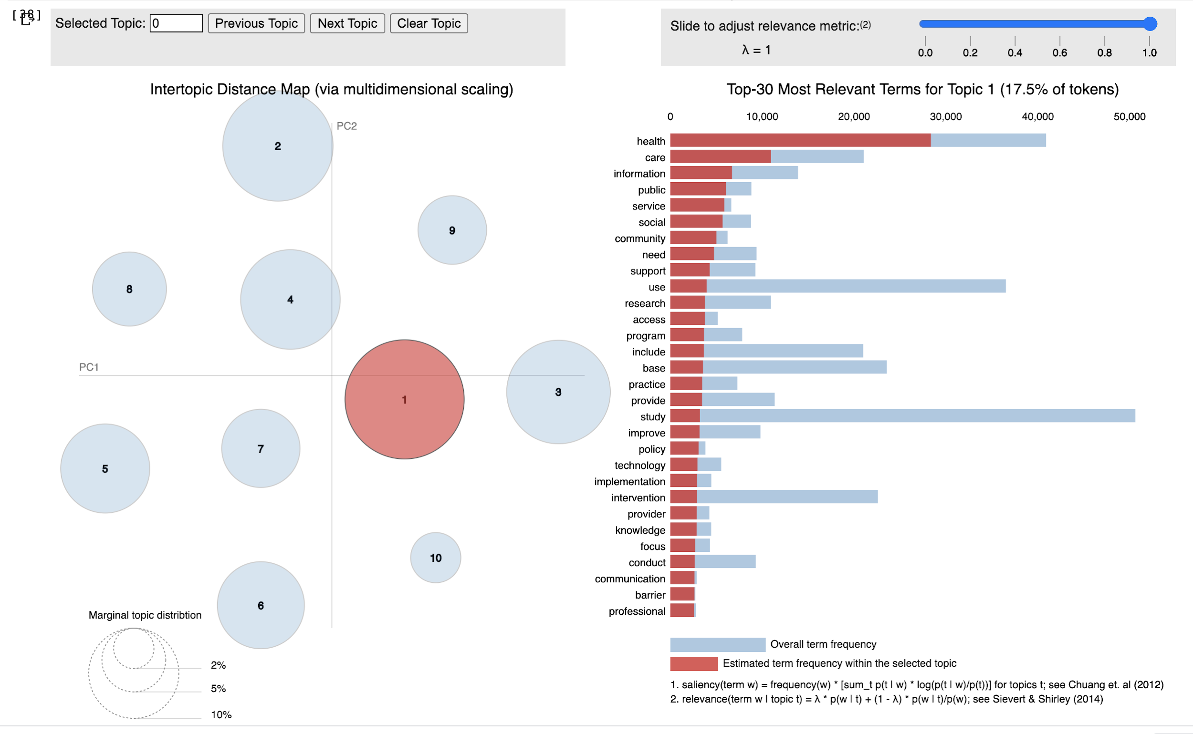

current topic is: 4
Index(['12307', '25110', '23730', '3000', '22704', '15643', '23985', '23436',
9328', '7168', '18111', '5235', '1402', '7047', '24390'],
dtype='object')
[0.941253 0.928199 0.92038 0.919818 0.915188 0.914917 0.91459 0.911186
0.907507 0.906703 0.894714 0.889415 0.886997 0.884535 0.881066]
current topic is: 9
Index(['75', '15740', '2923', '9111', '8272', '3918', '27283', '12871',
11690', '7833', '11830', '18663', '3592', '15102', '13041'],
dtype='object')
[0.99357 0.991817 0.991665 0.991427 0.991174 0.989771 0.989023 0.988887
0.988748 0.985243 0.984996 0.983164 0.981591 0.980899 0.980361]
current topic is: 6
Index(['3080', '27038', '17420', '73', '13913', '14349', '7210', '2269', '272',
6797', '4651', '2548', '7278', '8474', '2887'],
dtype='object')
[0.949992 0.918177 0.884337 0.875989 0.841307 0.823313 0.821563 0.820598
0.814984 0.812379 0.807598 0.797948 0.792116 0.781975 0.771732]
current topic is: 0
Index(['7546', '26107', '11217', '4340', '166', '9476', '16352', '3600',
1916', '3126', '2949', '2330', '4501', '8322', '8846'],
dtype='object')
[0.898081 0.849986 0.844436 0.835547 0.835482 0.825843 0.814668 0.813819
0.811543 0.811133 0.797978 0.788012 0.787533 0.787104 0.780132]
current topic is: 3
Index(['25077', '12738', '6201', '9460', '25274', '8363', '2968', '18718',
4021', '26449', '10739', '7158', '3415', '14722', '7157'],
dtype='object')
[0.987139 0.983016 0.970216 0.962491 0.95907 0.957591 0.952929 0.939989
0.939986 0.938578 0.931853 0.930757 0.928845 0.927203 0.924996]
current topic is: 8
Index(['458', '1722', '25780', '12375', '480', '11858', '1451', '21970',
5315', '25047', '16197', '27361', '12894', '7291', '26555'],
dtype='object')
[0.939127 0.931198 0.93076 0.918165 0.912891 0.909992 0.904741 0.895756
0.889581 0.889432 0.888441 0.883089 0.879791 0.877886 0.875794]
current topic is: 2
Index(['3320', '19327', '9249', '24074', '6544', '11737', '2210', '21894',
17107', '22273', '16123', '2355', '19137', '567', '4402'],
dtype='object')
[0.952215 0.949989 0.942563 0.939771 0.931629 0.930146 0.920366 0.902295
0.898043 0.89626 0.878648 0.868876 0.868279 0.868235 0.868064]
current topic is: 1
Index(['22', '18851', '26840', '7891', '2844', '12917', '26157', '902', '4950',
89', '8928', '13179', '12271', '1263', '15871'],
dtype='object')
[0.908499 0.771676 0.7459 0.736127 0.727917 0.716158 0.705458 0.703106
0.690316 0.680457 0.67167 0.663169 0.662322 0.661909 0.659152]
current topic is: 5
Index(['16034', '188', '25294', '27346', '26889', '26598', '1394', '9001',
7873', '371', '726', '18999', '987', '6371', '217'],
dtype='object')
[0.97631 0.956494 0.948591 0.939862 0.937163 0.932024 0.927683 0.92498
0.922849 0.918899 0.915228 0.91194 0.906964 0.902567 0.893572]
current topic is: 7
Index(['23683', '9885', '24090', '5851', '21958', '1880', '22398', '3143',
2725', '8221', '3804', '1844', '21487', '10616', '18042'],
dtype='object')
[0.748571 0.719575 0.70786 0.671893 0.665408 0.635637 0.624253 0.620582
0.620165 0.607437 0.600962 0.597501 0.592287 0.589428 0.588587]

Sklearn_LDA_20
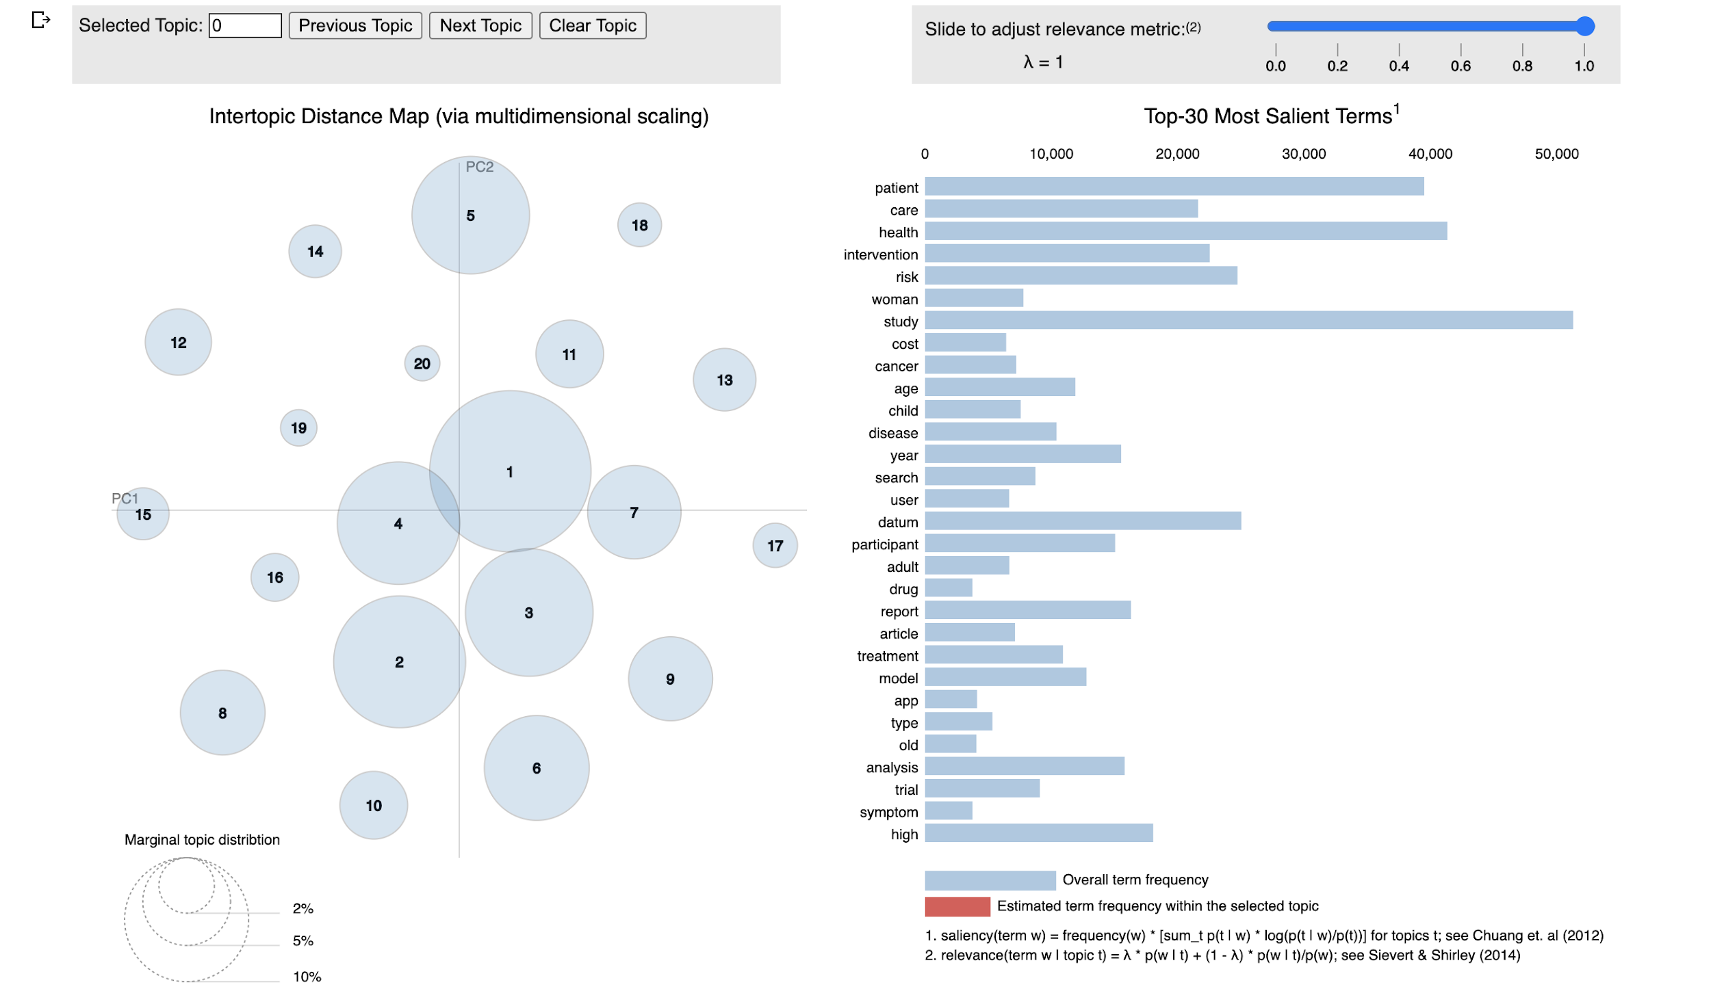
LDA using sklearn with 20 topics
topic_id | 20 top_ranked_words
0 | ['examine', 'likely', 'associate', 'study', 'white', 'population', 'problem', 'suicide', 'self', 'substance', 'high', 'age', 'report', 'year', 'school', 'disorder', 'adolescent', 'student', 'mental', 'health']
1 | ['tool', 'doi', 'electronic', 'digital', 'information', 'application', 'feature', 'usability', 'smartphone', 'content', 'video', 'use', 'article', 'contains', 'mobile', 'available', 'supplementary', 'material', 'user', 'app']
2 | ['effect', 'conduct', 'assess', 'result', 'literature', 'identify', 'publish', 'report', 'web', 'science', 'database', 'analysis', 'use', 'quality', 'evidence', 'article', 'review', 'include', 'search', 'study']
3 | ['result', 'score', 'difference', 'age', 'group', 'association', 'compare', 'year', 'model', 'effect', 'low', 'level', 'increase', 'analysis', 'use', 'associate', 'factor', 'high', 'study', 'risk']
4 | ['disease', 'base', 'report', 'trend', 'area', 'use', 'region', 'infection', 'number', 'increase', 'incidence', 'country', 'high', 'year', 'datum', 'estimate', 'case', 'prevalence', 'rate', 'population']
5 | ['improve', 'policy', 'care', 'identify', 'develop', 'service', 'datum', 'include', 'access', 'base', 'community', 'provide', 'use', 'support', 'technology', 'need', 'public', 'research', 'information', 'health']
6 | ['sexual', 'tobacco', 'respondent', 'relate', 'smoker', 'study', 'social', 'user', 'web', 'message', 'parent', 'alcohol', 'report', 'participant', 'smoking', 'internet', 'use', 'online', 'survey', 'behavior']
7 | ['immunization', 'coverage', 'initiation', 'disaster', 'lmic', 'community', 'brain', 'household', 'young', 'middle', 'live', 'low', 'people', 'year', 'vaccination', 'income', 'vaccine', 'age', 'adult', 'old']
8 | ['predict', 'information', 'prediction', 'accuracy', 'set', 'provide', 'identify', 'performance', 'test', 'data', 'result', 'tool', 'approach', 'develop', 'clinical', 'method', 'base', 'model', 'use', 'datum']
9 | ['year', 'intake', 'test', 'score', 'exposure', 'anxiety', 'infant', 'dietary', 'measure', 'sleep', 'mother', 'birth', 'dementia', 'study', 'age', 'cognitive', 'pregnancy', 'food', 'depression', 'child']
10 | ['response', 'dental', 'reaction', 'immune', 'subject', 'severe', 'serum', 'underlie', 'respiratory', 'relate', 'influenza', 'report', 'exposure', 'adverse', 'event', 'concentration', 'stress', 'oral', 'asthma', 'symptom']
11 | ['effectiveness', 'activity', 'week', 'health', 'change', 'improve', 'treatment', 'web', 'control', 'follow', 'self', 'program', 'outcome', 'month', 'study', 'trial', 'base', 'group', 'participant', 'intervention']
12 | ['disease', 'breast', 'type', 'biomarker', 'case', 'twitter', 'result', 'tumor', 'protein', 'survival', 'variant', 'cell', 'association', 'identify', 'study', 'tweet', 'analysis', 'gene', 'genetic', 'cancer']
13 | ['spread', 'scenario', 'veteran', 'public', 'exposure', 'infectious', 'control', 'pandemic', 'work', 'emergency', 'caregiver', 'case', 'response', 'worker', 'report', 'covid', 'infection', 'surveillance', 'outbreak', 'disease']
14 | ['kidney', 'prep', 'population', 'obese', 'increase', 'fracture', 'risk', 'overweight', 'condition', 'high', 'sex', 'year', 'prevalence', 'chronic', 'weight', 'age', 'disease', 'obesity', 'man', 'woman']
15 | ['transport', 'osteoporosis', 'scheme', 'bone', 'recurrence', 'vector', 'dog', 'climate', 'aki', 'couple', 'chemical', 'surgeon', 'wearable', 'temperature', 'specie', 'water', 'lesion', 'human', 'skin', 'animal']
16 | ['disease', 'study', 'rate', 'day', 'include', 'electronic', 'follow', 'year', 'pain', 'identify', 'use', 'diagnosis', 'record', 'medication', 'care', 'outcome', 'clinical', 'hospital', 'treatment', 'patient']
17 | ['estimate', 'condition', 'total', 'management', 'workplace', 'eye', 'effective', 'diabetic', 'year', 'employee', 'effectiveness', 'art', 'health', 'disability', 'economic', 'hypertension', 'type', 'diabetes', 'diabete', 'cost']
18 | ['use', 'report', 'quality', 'screen', 'health', 'medical', 'clinical', 'screening', 'ehr', 'clinic', 'service', 'record', 'electronic', 'physician', 'primary', 'visit', 'provider', 'practice', 'patient', 'care']
19 | ['commercial', 'carrier', 'claim', 'law', 'company', 'hand', 'pharmaceutical', 'migrant', 'brand', 'pharmacy', 'post', 'safe', 'consumer', 'regulation', 'industry', 'market', 'marketing', 'product', 'safety', 'drug']

Sklearn_LDA_100
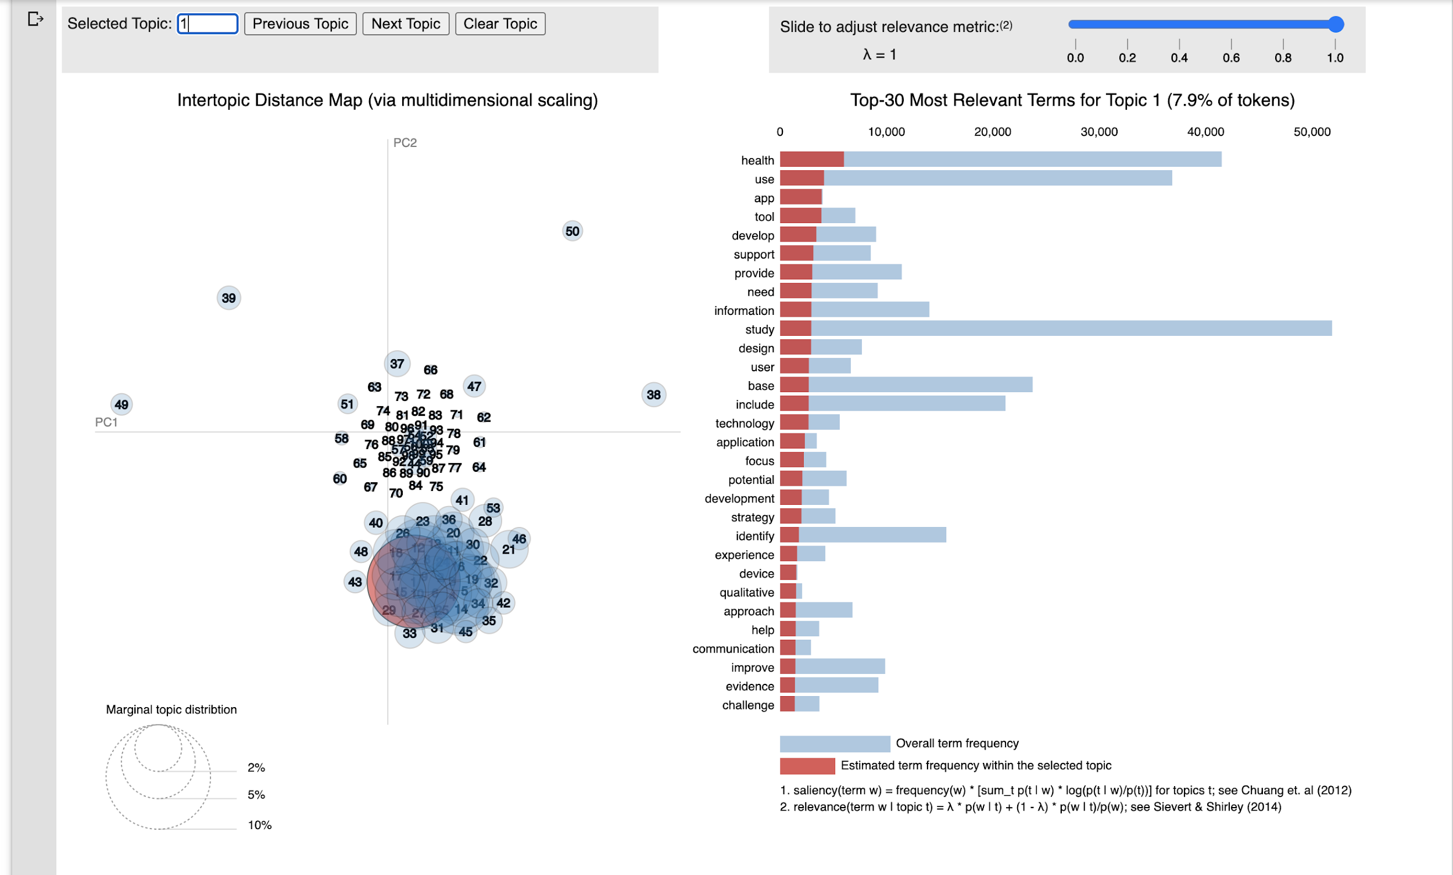
LDA using sklearn with 100 topics
topic_id | 20 top_ranked_words
0 | ['specimens', 'evenness', 'actigraph', 'blow', 'illiteracy', 'selectivity', 'mda', 'sludge', 'forage', 'schooling', 'entertain', 'standing', 'washout', 'stec', 'sympathetic', 'zoonosis', 'melinda', 'gates', 'cimt', 'antioxidant']
1 | ['reluctance', 'temporarily', 'recur', 'sized', 'esophageal', 'missingness', 'unfavorable', 'wrong', 'jointly', 'organise', 'transient', 'distal', 'proximal', 'remission', 'metastasis', 'qol', 'preserve', 'recurrent', 'inflammatory', 'recurrence']
2 | ['stem', 'ard', 'radiotherapy', 'ibd', 'trip', 'physically', 'calculated', 'therapie', 'switch', 'cure', 'effective', 'toxicity', 'regimen', 'addiction', 'failure', 'malaria', 'insulin', 'resistance', 'therapy', 'treatment']
3 | ['meta', 'estimate', 'case', 'pool', 'low', 'significant', 'model', 'control', 'include', 'result', 'increase', 'high', 'effect', 'use', 'associate', 'association', 'factor', 'analysis', 'study', 'risk']
4 | ['ltcfs', 'ffdm', 'rigid', 'cystoscopy', 'nhws', 'emit', 'bioaccumulation', 'distortion', 'anthropogenic', 'fate', 'dioxide', 'lake', 'atmosphere', 'stigmatizing', 'plhiv', 'preprocesse', 'occasional', 'cyberbullye', 'obvious', 'fish']
5 | ['center', 'adoption', 'provide', 'base', 'staff', 'healthcare', 'delivery', 'facility', 'implement', 'resource', 'clinic', 'improve', 'barrier', 'access', 'implementation', 'care', 'provider', 'health', 'community', 'service']
6 | ['edited', 'themed', 'cytotoxic', 'mturk', 'edrugtrend', 'ostensibly', 'translocation', 'flexion', 'stromal', 'leaf', 'mesenchymal', 'dab', 'bearing', 'advantages', 'hsr', 'femoral', 'transcriptomic', 'smi', 'convincing', 'scd']
7 | ['recommend', 'receive', 'korean', 'uptake', 'immigrant', 'vaccinate', 'sex', 'couple', 'lifetime', 'gender', 'partner', 'immunization', 'prep', 'coverage', 'influenza', 'dose', 'vaccination', 'female', 'vaccine', 'male']
8 | ['application', 'detect', 'performance', 'algorithm', 'feature', 'data', 'apply', 'dataset', 'accuracy', 'set', 'clinical', 'develop', 'detection', 'result', 'identify', 'approach', 'base', 'method', 'use', 'datum']
9 | ['cholecalciferol', 'rhetoric', 'upregulated', 'invasively', 'overexpresse', 'cohen', 'erythrocyte', 'hyperthyroidism', 'retrieved', 'coupon', 'collision', 'anomalie', 'pedestrian', 'retailer', 'voucher', 'chromosomal', 'greatest', 'disagree', 'snap', 'snowball']
10 | ['digit', 'normal', 'task', 'recall', 'cognition', 'healthy', 'level', 'memory', 'measurement', 'serum', 'impairment', 'participant', 'decline', 'associate', 'function', 'subject', 'performance', 'measure', 'cognitive', 'test']
11 | ['result', 'surgical', 'procedure', 'test', 'perform', 'high', 'unit', 'value', 'base', 'tool', 'surgery', 'assess', 'evaluate', 'diagnostic', 'clinical', 'assessment', 'use', 'physician', 'score', 'patient']
12 | ['rassf', 'scroll', 'laste', 'inspiration', 'inactivate', 'keyboard', 'silence', 'cpgs', 'repellent', 'proficient', 'conversational', 'leveraged', 'ring', 'functionally', 'psychoeducation', 'coder', 'epigenetic', 'promoter', 'methylation', 'simultaneously']
13 | ['hospitalization', 'datum', 'number', 'range', 'burden', 'diagnosis', 'study', 'use', 'increase', 'age', 'person', 'case', 'high', 'year', 'food', 'incidence', 'estimate', 'population', 'rate', 'prevalence']
14 | ['filtration', 'glomerular', 'conception', 'conceive', 'organic', 'metal', 'calorie', 'emission', 'offspring', 'offspre', 'synthetic', 'click', 'plant', 'defect', 'head', 'migrant', 'natural', 'advertising', 'advertisement', 'category']
15 | ['undergone', 'oocyte', 'embryo', 'vae', 'vap', 'plr', 'orphan', 'appendectomy', 'ventricle', 'worthwhile', 'tiere', 'metagenomic', 'modifi', 'pcp', 'cdm', 'appendicitis', 'capturing', 'neoplasm', 'ipd', 'matche']
16 | ['multilocus', 'furosemide', 'vancomycin', 'persuasiveness', 'unnecessarily', 'meniscal', 'rape', 'tank', 'colony', 'haart', 'albumin', 'myth', 'empathy', 'clock', 'perpetration', 'plasmid', 'gentamicin', 'ereferral', 'branch', 'prison']
17 | ['cdcs', 'changeable', 'unequally', 'reconfigure', 'firehose', 'crew', 'maxqda', 'phenomic', 'mbsr', 'marginalised', 'spoken', 'traction', 'marginalise', 'abandonment', 'testicular', 'wic', 'prepared', 'flight', 'idiopathic', 'endometrial']
18 | ['prevention', 'prophylaxis', 'fluid', 'tract', 'newborn', 'carie', 'hepatitis', 'volunteer', 'acquire', 'control', 'transmission', 'culture', 'case', 'sepsis', 'dental', 'skin', 'infect', 'contact', 'antibiotic', 'infection']
19 | ['shutdown', 'eskd', 'periventricular', 'sensibility', 'tweeting', 'apnea', 'nontechnical', 'concurrence', 'postnatally', 'reclassify', 'lkd', 'sewage', 'dpn', 'enactment', 'legalize', 'legalization', 'unlock', 'drunk', 'nafld', 'unified']
20 | ['statement', 'view', 'recommendation', 'disorder', 'label', 'help', 'dimension', 'physical', 'reach', 'rating', 'maintenance', 'abuse', 'consensus', 'indicator', 'psychosocial', 'consumer', 'expert', 'substance', 'problem', 'mental']
21 | ['crizotinib', 'swelling', 'parahippocampal', 'fpr', 'phosphorylate', 'lebanese', 'fluorescence', 'pth', 'htn', 'phthalate', 'vigilance', 'penetrate', 'swell', 'shrinkage', 'secretion', 'toxicant', 'attenuation', 'charity', 'creatinine', 'gamble']
22 | ['ace', 'non', 'affected', 'quantity', 'night', 'poor', 'supplemental', 'price', 'colonoscopy', 'quality', 'deprivation', 'crc', 'doi', 'electronic', 'sleep', 'contains', 'article', 'available', 'supplementary', 'material']
23 | ['asymmetric', 'innovativeness', 'glutamate', 'metabolome', 'greenhouse', 'flame', 'springer', 'dexmedetomidine', 'facing', 'dehydrogenase', 'idiosyncratic', 'wheat', 'microbiome', 'dili', 'wastewater', 'passenger', 'reproduction', 'exome', 'nomenclature', 'intraoperative']
24 | ['convergence', 'tele', 'farmer', 'telemedical', 'fasting', 'camp', 'parenteral', 'burden', 'religion', 'low', 'impaired', 'denominator', 'humanitarian', 'tolerance', 'utilise', 'countries', 'schizophrenia', 'african', 'glucose', 'lmic']
25 | ['prebiotic', 'biosensor', 'hourly', 'preferably', 'regulated', 'agitation', 'erroneous', 'adopter', 'contacted', 'noninvasive', 'spiritual', 'measurement', 'sedation', 'ventilation', 'icus', 'metropolitan', 'icu', 'bed', 'intensive', 'critical']
26 | ['systematic', 'term', 'country', 'journal', 'relate', 'scientific', 'include', 'author', 'web', 'database', 'paper', 'study', 'publication', 'identify', 'science', 'research', 'publish', 'review', 'search', 'article']
27 | ['recombinant', 'evaluated', 'motif', 'realist', 'universally', 'virulence', 'intentional', 'prophylactic', 'box', 'civilian', 'soldier', 'enterprise', 'suicidality', 'causality', 'egg', 'pathogenic', 'circumstance', 'organism', 'military', 'warning']
28 | ['protozoa', 'schistosoma', 'deworme', 'aseptic', 'humeral', 'plink', 'adjudicated', 'periprosthetic', 'pressing', 'unidentified', 'schistosome', 'speculate', 'distressed', 'osteoporotic', 'vertebral', 'pricing', 'ssc', 'loyalty', 'schistosomiasis', 'bisphosphonate']
29 | ['infertility', 'cat', 'alteration', 'ptsd', 'propensity', 'activation', 'supplement', 'relapse', 'contraceptive', 'dog', 'acid', 'psychiatric', 'current', 'trauma', 'vitamin', 'concentration', 'stress', 'oral', 'cigarette', 'disorder']
30 | ['sensitivitie', 'levofloxacin', 'myositis', 'qof', 'outage', 'ukpds', 'biogenesis', 'ciprofloxacin', 'respiration', 'whradjbmi', 'ventilatory', 'underreported', 'discernable', 'biorepository', 'polysomnography', 'anonymization', 'ppm', 'neuromuscular', 'mitochondrial', 'heritable']
31 | ['ethnic', 'minority', 'disparity', 'high', 'government', 'neighborhood', 'countrie', 'disease', 'hispanic', 'pandemic', 'middle', 'black', 'household', 'white', 'outbreak', 'low', 'case', 'report', 'income', 'surveillance']
32 | ['shallow', 'extrapulmonary', 'unfeasible', 'salinity', 'tender', 'senegal', 'consequential', 'dessert', 'txt', 'dining', 'sediment', 'foci', 'fry', 'environmentally', 'observable', 'juice', 'conscious', 'bacteremia', 'mercury', 'fev']
33 | ['branching', 'epicollect', 'subcohort', 'hapa', 'effector', 'axillary', 'neutralize', 'envisage', 'sunscreen', 'clip', 'escape', 'contingent', 'northeastern', 'tanning', 'dance', 'habitual', 'yoga', 'worth', 'fellowship', 'scanning']
34 | ['concern', 'private', 'issue', 'use', 'general', 'need', 'access', 'preventive', 'seek', 'source', 'promotion', 'insurance', 'literacy', 'relate', 'professional', 'population', 'internet', 'information', 'public', 'health']
35 | ['investigate', 'pda', 'productive', 'detrimental', 'uncontrolle', 'regular', 'noise', 'cardiometabolic', 'employer', 'hear', 'hearing', 'muscle', 'productivity', 'indirect', 'fitness', 'workplace', 'employee', 'active', 'exercise', 'activity']
36 | ['ebi', 'hosmer', 'lemeshow', 'crccp', 'screening', 'ebis', 'toxicogenomic', 'dwelle', 'love', 'state', 'hia', 'preterm', 'fewer', 'grantee', 'learner', 'frail', 'abortion', 'orient', 'frailty', 'client']
37 | ['group', 'fatigue', 'moderate', 'significant', 'experience', 'report', 'people', 'depressive', 'scale', 'self', 'life', 'score', 'copd', 'severe', 'severity', 'disorder', 'mental', 'anxiety', 'depression', 'symptom']
38 | ['breath', 'bite', 'precisely', 'falciparum', 'aetiology', 'import', 'typing', 'vivax', 'clearance', 'parasite', 'inhibition', 'malnutrition', 'constant', 'delirium', 'assay', 'plasma', 'antibody', 'anti', 'protective', 'respiratory']
39 | ['perform', 'epidemic', 'information', 'literature', 'include', 'source', 'number', 'base', 'use', 'present', 'type', 'available', 'provide', 'result', 'different', 'analysis', 'database', 'study', 'datum', 'web']
40 | ['ophthalmic', 'multicenter', 'ophthalmology', 'camera', 'rop', 'screen', 'crp', 'bar', 'retinopathy', 'diagnosis', 'neural', 'screening', 'triage', 'imaging', 'eye', 'examination', 'diabetic', 'telemedicine', 'image', 'digital']
41 | ['charge', 'distribute', 'trainee', 'continue', 'radiologist', 'improve', 'hope', 'cervical', 'professional', 'learning', 'practice', 'hpv', 'skill', 'aware', 'raise', 'compliance', 'learn', 'awareness', 'education', 'knowledge']
42 | ['period', 'occur', 'regulation', 'safe', 'emergency', 'source', 'pharmacy', 'agency', 'market', 'occurrence', 'marketing', 'public', 'change', 'medium', 'increase', 'trend', 'product', 'state', 'event', 'safety']
43 | ['spread', 'pathogen', 'disease', 'mutation', 'specie', 'strain', 'region', 'control', 'infectious', 'virus', 'host', 'veteran', 'genomic', 'isolate', 'animal', 'transmission', 'sequence', 'human', 'campaign', 'resident']
44 | ['ban', 'section', 'manufacturer', 'equally', 'generic', 'spectrum', 'competition', 'frame', 'desire', 'antimicrobial', 'presentation', 'brand', 'disseminate', 'conference', 'industry', 'dissemination', 'ethic', 'youth', 'peer', 'adolescent']
45 | ['radiological', 'ambulance', 'destination', 'brain', 'differentiation', 'folate', 'mechanistic', 'hemorrhage', 'telestroke', 'coffee', 'prehospital', 'hub', 'color', 'infarction', 'artery', 'inflammation', 'possibly', 'lesion', 'acute', 'stroke']
46 | ['study', 'develop', 'regional', 'high', 'influence', 'national', 'social', 'diet', 'area', 'dietary', 'environment', 'nutrition', 'determinant', 'policy', 'environmental', 'global', 'region', 'physical', 'country', 'level']
47 | ['importantly', 'mark', 'longer', 'day', 'achieve', 'control', 'range', 'hemoglobin', 'inhibitor', 'foot', 'hypertensive', 'attempt', 'hba', 'round', 'gps', 'read', 'initiation', 'initiate', 'median', 'hypertension']
48 | ['database', 'method', 'literature', 'intervention', 'conduct', 'result', 'datum', 'analysis', 'review', 'assess', 'search', 'effect', 'use', 'report', 'outcome', 'quality', 'evidence', 'trial', 'include', 'study']
49 | ['cap', 'arterial', 'aspirin', 'coronary', 'markedly', 'iron', 'burden', 'people', 'event', 'abnormality', 'vascular', 'disease', 'met', 'pressure', 'caregiver', 'dementia', 'adherence', 'blood', 'cardiovascular', 'guideline']
50 | ['orthodox', 'pilgrim', 'climbing', 'prosocial', 'metagenome', 'newcomer', 'camel', 'truth', 'prostatectomy', 'srt', 'catalyst', 'airline', 'socialization', 'airport', 'importation', 'iatrogenic', 'situate', 'denv', 'traveller', 'serotype']
51 | ['description', 'natural', 'french', 'speak', 'original', 'spanish', 'correctly', 'german', 'semantic', 'japanese', 'ontology', 'extraction', 'translation', 'version', 'reliability', 'chinese', 'english', 'domain', 'language', 'item']
52 | ['outer', 'degradation', 'biomechanical', 'magnesium', 'hematologic', 'ought', 'constructive', 'cmb', 'stain', 'sustainment', 'conceptualise', 'subacute', 'tnbc', 'judgement', 'histological', 'distancing', 'render', 'rejection', 'executive', 'warfarin']
53 | ['high', 'strategy', 'ckd', 'reproductive', 'prevention', 'young', 'base', 'increase', 'partner', 'positive', 'woman', 'sex', 'risk', 'sexual', 'screen', 'testing', 'screening', 'test', 'man', 'cancer']
54 | ['reporting', 'poison', 'fresh', 'body', 'aerobic', 'anatomical', 'injure', 'collegiate', 'personality', 'head', 'talk', 'vehicle', 'relate', 'victim', 'mask', 'poisoning', 'related', 'sport', 'track', 'injury']
55 | ['ras', 'angry', 'rationalize', 'entered', 'mesenteric', 'popf', 'bike', 'unattende', 'epistatic', 'trio', 'wbi', 'pedal', 'endanger', 'remnant', 'definitely', 'nonresponse', 'happy', 'helmet', 'commute', 'facial']
56 | ['health', 'activity', 'participation', 'care', 'complain', 'indecisiveness', 'systemize', 'snome', 'los', 'palsy', 'intervertebral', 'ontologie', 'toxicologist', 'premier', 'banner', 'pal', 'thereof', 'sadness', 'bariatric', 'brazilian']
57 | ['progression', 'diabete', 'coordination', 'liver', 'pharmacist', 'cvd', 'act', 'renal', 'monitor', 'monitoring', 'kidney', 'manage', 'heart', 'map', 'error', 'stage', 'self', 'chronic', 'management', 'disease']
58 | ['risk', 'unsupervised', 'increase', 'nonmedical', 'antiviral', 'overdose', 'polypharmacy', 'antipsychotic', 'prescribing', 'receive', 'dispense', 'indication', 'agent', 'alert', 'class', 'opioid', 'prescribe', 'prescription', 'medication', 'drug']
59 | ['analysis', 'platform', 'internet', 'site', 'study', 'engagement', 'topic', 'message', 'twitter', 'information', 'relate', 'tweet', 'website', 'network', 'use', 'post', 'content', 'social', 'online', 'user']
60 | ['eminence', 'zoonosis', 'vitreous', 'homo', 'traction', 'hunting', 'idiopathic', 'oldmedline', 'lozenge', 'epiretinal', 'laterality', 'unmask', 'hole', 'ignorance', 'tenet', 'vitrectomy', 'taxonomic', 'font', 'smokefree', 'etiological']
61 | ['amplify', 'collaboratively', 'difficult', 'stigmatize', 'directory', 'stabilize', 'phenotyping', 'cycling', 'loop', 'execution', 'microbiology', 'retrieval', 'registere', 'cataract', 'victimization', 'readability', 'expense', 'consuming', 'problematic', 'query']
62 | ['favorite', 'alleviation', 'biomechanic', 'ototoxicity', 'oxycodone', 'ppps', 'biophysical', 'cisplatin', 'reformulation', 'enhancer', 'asha', 'fluctuate', 'hurdle', 'aom', 'angle', 'cancellation', 'symptomatology', 'retweete', 'recipe', 'actor']
63 | ['total', 'number', 'compare', 'infant', 'daily', 'base', 'recruitment', 'period', 'recruit', 'rate', 'mean', 'feasibility', 'time', 'complete', 'follow', 'study', 'day', 'week', 'month', 'participant']
64 | ['morbidity', 'treat', 'event', 'associate', 'early', 'follow', 'group', 'complication', 'compare', 'high', 'rate', 'year', 'clinical', 'survival', 'outcome', 'cause', 'pain', 'death', 'mortality', 'patient']
65 | ['equation', 'close', 'multiple', 'variation', 'snps', 'explain', 'trait', 'causal', 'genotype', 'population', 'rare', 'family', 'phenotype', 'identify', 'variant', 'survivor', 'suicide', 'cluster', 'individual', 'genetic']
66 | ['efficacy', 'randomized', 'effectiveness', 'deliver', 'web', 'increase', 'receive', 'effective', 'effect', 'improve', 'message', 'behavior', 'self', 'outcome', 'control', 'trial', 'change', 'base', 'group', 'intervention']
67 | ['meniscal', 'showed', 'montreal', 'ligament', 'preinjury', 'cochlear', 'extraintestinal', 'imprisonment', 'cruciate', 'appalachia', 'appalachian', 'suboptimally', 'nds', 'pade', 'emirate', 'hev', 'engender', 'uninfected', 'plwh', 'pylori']
68 | ['individual', 'adjust', 'rate', 'difference', 'old', 'young', 'low', 'type', 'increase', 'use', 'parent', 'diabetes', 'diabete', 'compare', 'high', 'study', 'group', 'age', 'child', 'year']
69 | ['bin', 'prepilote', 'gambiae', 'mating', 'anopheline', 'ios', 'retrievable', 'encoding', 'mbs', 'stereotactic', 'upcome', 'rti', 'resectable', 'rtis', 'uric', 'crystal', 'urate', 'predefined', 'ninth', 'gout']
70 | ['subgroup', 'wmd', 'compulsory', 'hrql', 'nephrology', 'osa', 'common', 'urge', 'prevalent', 'accompany', 'mile', 'stata', 'multiple', 'osteoarthritis', 'epilepsy', 'residence', 'urban', 'rural', 'chronic', 'condition']
71 | ['record', 'support', 'routine', 'family', 'secondary', 'electronic', 'rehabilitation', 'outcome', 'professional', 'telehealth', 'general', 'home', 'usual', 'management', 'clinical', 'visit', 'practice', 'primary', 'care', 'patient']
72 | ['defibrillation', 'bisphosphonate', 'actif', 'pour', 'tenant', 'sharable', 'automobile', 'ver', 'resuscitate', 'purple', 'bac', 'siloed', 'ecp', 'nri', 'aseptic', 'quantifiable', 'cadre', 'chikv', 'arr', 'analysed']
73 | ['lipid', 'energy', 'adult', 'organ', 'statin', 'height', 'cholesterol', 'multimorbidity', 'growth', 'mass', 'change', 'body', 'bmi', 'index', 'obese', 'elderly', 'overweight', 'loss', 'obesity', 'weight']
74 | ['disturbance', 'iodine', 'pcps', 'count', 'used', 'workplace', 'radiation', 'partial', 'adverse', 'comorbidity', 'pro', 'visual', 'distress', 'occupational', 'reaction', 'feel', 'expose', 'work', 'worker', 'exposure']
75 | ['intake', 'current', 'exposure', 'antenatal', 'low', 'status', 'prenatal', 'neonatal', 'delivery', 'breastfeed', 'gestational', 'age', 'pregnant', 'maternal', 'smoke', 'birth', 'mother', 'pregnancy', 'smoking', 'woman']
76 | ['expenditure', 'benefit', 'living', 'financial', 'service', 'reduce', 'burden', 'canadian', 'impact', 'health', 'centre', 'live', 'claim', 'people', 'quality', 'psychological', 'effectiveness', 'economic', 'life', 'cost']
77 | ['histamine', 'slit', 'barometer', 'researched', 'controllability', 'ttga', 'phewas', 'spatio', 'sorte', 'handbook', 'autoantibodie', 'proteinuria', 'conditioning', 'wechsler', 'pollen', 'tst', 'immunotherapy', 'runner', 'ltbi', 'autoantibody']
78 | ['dial', 'dialing', 'demographic', 'print', 'compare', 'state', 'behavioral', 'sampling', 'absolute', 'adult', 'location', 'difference', 'survey', 'percentage', 'distribution', 'digit', 'random', 'telephone', 'population', 'sample']
79 | ['homelessness', 'motivator', 'multimodal', 'supervisor', 'sick', 'teledermatology', 'midwife', 'penetration', 'scalability', 'person', 'mvpa', 'homeless', 'owner', 'ownership', 'sms', 'access', 'computer', 'phone', 'technology', 'mobile']
80 | ['add', 'drive', 'suggest', 'line', 'different', 'transition', 'paper', 'temporal', 'incentive', 'pre', 'dynamic', 'guidance', 'documentation', 'impact', 'art', 'change', 'response', 'site', 'ehr', 'time']
81 | ['tumblr', 'messages', 'lunar', 'clot', 'versatility', 'ineligibility', 'interchangeable', 'enm', 'caption', 'caseload', 'regulating', 'nanomaterial', 'eap', 'remit', 'unsure', 'opiate', 'surgically', 'humidity', 'empiric', 'fetus']
82 | ['molecule', 'saudi', 'undergraduate', 'suitability', 'pursue', 'join', 'graduate', 'director', 'formal', 'role', 'career', 'compound', 'instruction', 'chemical', 'description', 'job', 'library', 'disaster', 'student', 'medical']
83 | ['sensitizer', 'irritant', 'leucocyte', 'postsurvey', 'infantile', 'toc', 'sparql', 'chemically', 'lod', 'lacked', 'electrolyte', 'contextualise', 'observatory', 'dilution', 'hypokalemia', 'telomere', 'wet', 'staging', 'swallow', 'adl']
84 | ['nipple', 'transcutaneous', 'moist', 'putatively', 'ofloxacin', 'deciduous', 'immediacy', 'prayer', 'perpetrate', 'peanut', 'trimethoprim', 'powere', 'pacifier', 'batter', 'prognostication', 'mct', 'lim', 'skepticism', 'sensitization', 'perpetrator']
85 | ['non', 'feature', 'mouse', 'signature', 'cellular', 'quitline', 'novel', 'molecular', 'control', 'immune', 'tissue', 'expression', 'pathway', 'tumor', 'quit', 'cell', 'cessation', 'smoker', 'tobacco', 'gene']
86 | ['strategy', 'development', 'potential', 'focus', 'application', 'technology', 'include', 'base', 'user', 'design', 'study', 'information', 'need', 'provide', 'support', 'develop', 'tool', 'app', 'use', 'health']
87 | ['sooner', 'utero', 'carbapenem', 'infective', 'marijuana', 'antibodie', 'carbapenemase', 'gamma', 'mammal', 'ast', 'positive', 'swiss', 'cow', 'deprived', 'pac', 'rodent', 'evd', 'infusion', 'parameter', 'approximately']
88 | ['likely', 'response', 'perceive', 'school', 'student', 'associate', 'factor', 'behavior', 'questionnaire', 'base', 'alcohol', 'web', 'self', 'respondent', 'high', 'participant', 'study', 'use', 'report', 'survey']
89 | ['imply', 'time', 'person', 'autonomy', 'transformation', 'dual', 'adaptive', 'prevention', 'sit', 'wear', 'movement', 'legal', 'cycle', 'hit', 'balance', 'walk', 'satisfaction', 'regulatory', 'fall', 'program']
90 | ['discharge', 'quality', 'consultation', 'admission', 'outcome', 'information', 'data', 'study', 'care', 'day', 'identify', 'medical', 'health', 'clinical', 'use', 'electronic', 'record', 'hospital', 'datum', 'patient']
91 | ['right', 'segment', 'identity', 'fast', 'similarity', 'mobility', 'speed', 'community', 'transplant', 'recipient', 'correlation', 'score', 'brain', 'volume', 'correlate', 'age', 'function', 'functional', 'old', 'adult']
92 | ['conditioning', 'cor', 'embryo', 'oocyte', 'noninvasive', 'qaly', 'transferre', 'subfertility', 'hypercalcaemia', 'prenatally', 'architect', 'incursion', 'ovulation', 'vigibase', 'noninferiority', 'infographic', 'autologous', 'smell', 'indexed', 'fasd']
93 | ['manager', 'project', 'making', 'work', 'funding', 'skill', 'aid', 'clinical', 'scenario', 'train', 'success', 'practice', 'course', 'programme', 'make', 'base', 'nurse', 'clinician', 'decision', 'training']
94 | ['accra', 'illegally', 'deputy', 'abolish', 'unofficial', 'amalgamation', 'materialize', 'curator', 'auditing', 'negation', 'ccc', 'halt', 'umls', 'election', 'semantically', 'aca', 'elearne', 'enteric', 'eheal', 'traditional']
95 | ['fecundity', 'eeg', 'ailment', 'transferable', 'puerto', 'occipital', 'worst', 'ttp', 'obviously', 'sperm', 'dkd', 'ihc', 'noisy', 'grace', 'bottle', 'deidentified', 'transferability', 'incidental', 'billion', 'fecundability']
96 | ['malnourish', 'digoxin', 'vague', 'pleural', 'preexposure', 'soluble', 'mhc', 'constraine', 'farmworker', 'infestation', 'proband', 'endophenotype', 'sible', 'rash', 'hypotension', 'syphili', 'paternal', 'septic', 'severely', 'burn']
97 | ['unsuitable', 'waitlist', 'aspx', 'vastly', 'apple', 'biochemically', 'examiner', 'causally', 'glean', 'avatar', 'transcriptional', 'gradual', 'subtheme', 'synonyms', 'arsenic', 'mirna', 'genital', 'discourage', 'gaming', 'observed']
98 | ['learning', 'discrimination', 'machine', 'validate', 'regression', 'area', 'fit', 'auc', 'fracture', 'performance', 'construct', 'develop', 'predictor', 'predictive', 'use', 'prediction', 'risk', 'mhealth', 'predict', 'model']
99 | ['recommendation', 'team', 'need', 'key', 'project', 'advance', 'development', 'address', 'share', 'researcher', 'issue', 'stakeholder', 'work', 'challenge', 'practice', 'approach', 'policy', 'process', 'datum', 'research']

