usb2p0_vip_architecture
USB_TOP
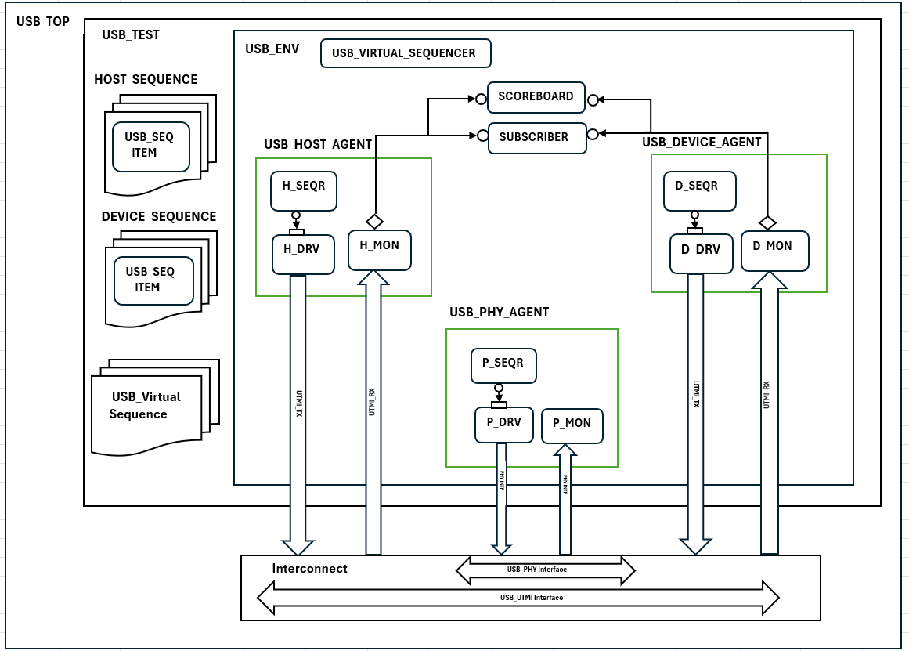
USB_TEST
USB_ENV
USB_VIRTUAL_SEQUENCER
HOST_SEQUENCE
SCOREBOARD

USB_SEQ ITEM
SUBSCRIBER
USB_HOST_AGENT
USB_DEVICE_AGENT

H_SEQR
D_SEQR

DEVICE_SEQUENCE
H_DRV
H_MON
D_DRV
D_MON

USB_SEQ ITEM

USB_PHY_AGENT

P_SEQR
USB_Virtual Sequence
UTMI_RX
UTMI_RX
UTMI_TX
UTMI_TX
UTMI_TX
P_MON
P_DRV

PHY INTF
PHY INTF

Interconnect
USB_PHY Interface
USB_UTMI Interface

