F02.CFG-Paths
 |  | VVSS, Info Romana, 2024-2025

F02. afisarea task-urilor

F02. Afisarea task-rilor planificate intr-o anumita perioada de timp, precizata ca data si ora de inceput si data si ora de sfarsit. |  |  | F02. Control Flow Graph (CFG) | F02. Cyclomatic Complexity (CC)
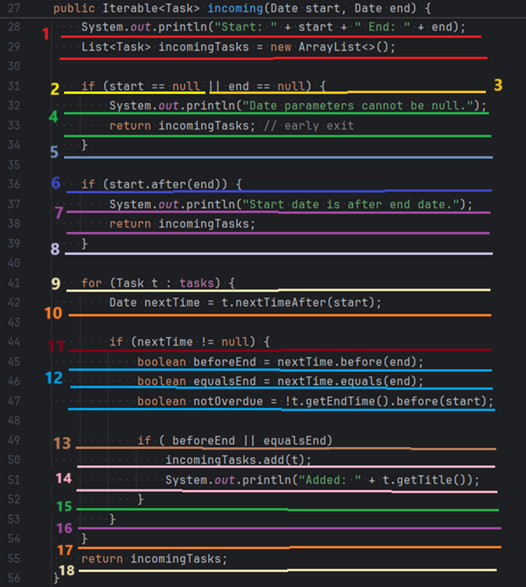
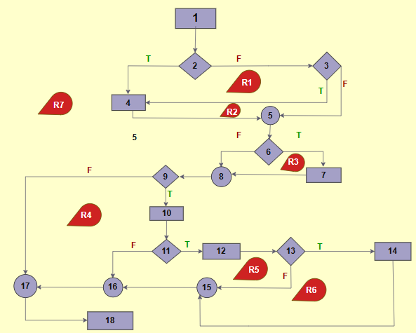
Line No. | Source code |  | Se va insera CFG asociat codului sursa testat (poza, diagrama, etc.). | CC1 = No. of regions = |  | 7
Req02_L01 | … |  |  | CC2 = Edges - Nodes + 2 = |  | 23 - 18 + 2 = 7
Req02_L02 | … |  | <Req02 CFG > | CC3 = No. of Conditions + 1 = |  | 6 + 1 = 7
Req02_L03 | …
... | …
.. | … |  |  | F02. Individual Paths
... | …
 |  |  |  | Path No. | Path
 |  |  |  | F02_P01 | 1 - 2(F) - 3(F) - 5 - 6(F) - 8 - 9(T) - 10 - 11(T) - 12 - 13(T) - 14 - 15 - 16 - 17 - 18
 |  |  |  | F02_P02 | 1 - 2(F) - 3(F) - 5 - 6(F) - 8 - 9(T) - 10 - 11(T) - 12 - 13(F) - 15 - 16 - 17 - 18
 |  |  |  | F02_P03 | 1 - 2(F) - 3(F) - 5 - 6(F) - 8 - 9(T) - 10 - 11(F) - 16 - 17 - 18
 |  |  |  | F02_P04 | 1 - 2(F) - 3(F) - 5 - 6(F) - 8 - 9(F) - 17 - 18
 |  |  |  | F02_P05 | 1 - 2(F) - 3(F) - 5 - 6(T) - 7
 |  |  |  | F02_P06 | 1 - 2(F) - 3(T) - 4
 |  |  |  | F02_P07 | 1 - 2(T) - 4

F02.TCs
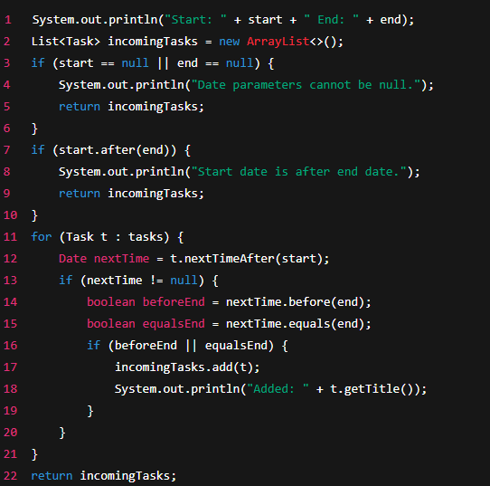
 |  | VVSS, Info Romana, 2024-2025

F02. Afisarea task-rilor planificate intr-o anumita perioada de timp, precizata ca data si ora de inceput si data si ora de sfarsit.

TC No. | Input | Output | Coverage
 |  |  | Statement (sc) | Condition/ decision (dc, cc, dcc, mcc) |  |  |  |  |  |  |  |  |  |  |  | Path (apc) |  |  |  |  |  |  | Loop (lc)
 |  |  |  | start == null |  | end == null |  | start > end |  | tasks != null |  | nextTime != null |  | beforeEnd || equalsEnd |  | F02_P01 | F02_P02 | F02_P03 | F02_P04 | F02_P05 | F02_P06 | F02_P07 | 0 | 1 | 2 | 3 | n-1 | n | n+1 | m<n
 |  |  |  | T | F | T | F | T | F | T | F | T | F | T | F
F02_TC01 | Task1 start = 09.04.2025 13:00 end = 09.04.2025 15:00 Task2 start = 09.04.2025 15:00 end = 09.04.2025 16:00; incoming(now, in3Hours) | Task1 and Task2 added | 1–2, 3, 6, 7, 10, 11–13, 14–16, 17–18, 22 | _ | F | _ | F | _ | F | T | _ | T | _ | T | _ | X |  |  |  |  |  |  |  |  | X |  |  | x
F01_TC02 | Task1 start = 09.04.2025 16:00 end = 09.04.2025 18:00; incoming(now, in3Hours) | not added | 1–2, 3, 6, 7, 10, 11–13, 14–15, 16, 20–22 | _ | F | _ | F | _ | F | T | _ | T | _ | _ | F |  | X |  |  |  |  |  |  | X |  |  |  | x
F01_TC03 | Task1 start = 09.04.2025 15:00 end = 09.04.2025 16:00; incoming(now, in2Hours) | not added | 1–2, 3, 6, 7, 10, 11–13, 20, 21, 22 | _ | F | _ | F | _ | F | T | _ | _ | F | _ | _ |  |  | X |  |  |  |  |  | X |  |  |  | x
F01_TC04 | empty list; incoming(now, in3Hours) | empty list | 1–2, 3, 6, 7, 10, 22 | _ | F | _ | F | _ | F | _ | T | _ | _ | _ | _ |  |  |  | X |  |  |  | X
F01_TC05 | Task1 start = 09.04.2025 13:00 end = 09.04.2025 15:00 Task2 start = 09.04.2025 14:00 end = 09.04.2025 16:00; incoming(in3Hours, now) | not added | 1–2, 3, 6, 7–9 | _ | F | _ | F | T | _ | _ | _ | _ | _ | _ | _ |  |  |  |  | X |  |  | X
F01_TC06 | Task1 start = 09.04.2025 13:00 end = 09.04.2025 15:00 Task2 start = 09.04.2025 14:00 end = 09.04.2025 16:00; incoming(now, null) | not added | 1–2, 3–5 | _ | F | T | _ | _ | _ | _ | _ | _ | _ | _ | _ |  |  |  |  |  | X |  | X
F01_TC07 | Task1 start = 09.04.2025 13:00 end = 09.04.2025 15:00 Task2 start = 09.04.2025 14:00 end = 09.04.2025 16:00; incoming(null, in3Hours) | not added | 1–2, 3–5 | T | _ | _ | F | _ | _ | _ | _ | _ | _ | _ | _ |  |  |  |  |  |  | X | X

