ESP32-S3 Pin Mapping
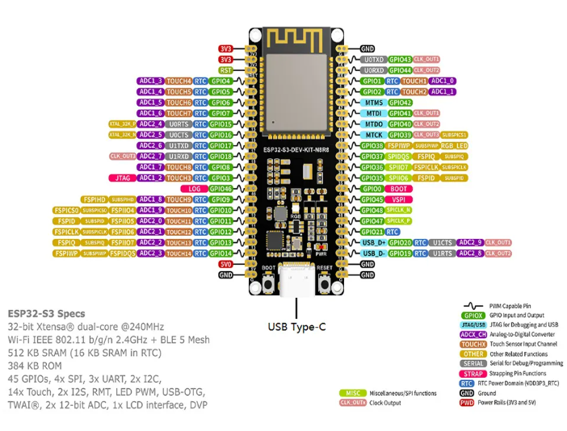
GPIO | Signal Name | Group | Notes
GPIO0 | BOOT | ESP | ESP BOOT button
GPIO1 | WAKE | ESP | ESP WAKE buuton
GPIO2
GPIO3 | EP_DIN | EPD | EPaper data in
GPIO4 | EP_CLK | EPD | Epaper clk
GPIO5 | EP_CS | EPD | Epaper chip select
GPIO6 | EP_DC | EPD | Epaper DC
GPIO7 | EP_RST | EPD | Epaper reset
GPIO8 | EP_BUSY | EPD | Epaper BUSY
GPIO9 | BAT_ADC | SYS | BAttery ADC
GPIO10 | SD _PWR | SD | SD card power
GPIO11 | 4G PWR | 4G | ML307R power
GPIO12 | I2C_SCL | I2C | SCL ( epaper/Audio)
GPIO13 | I2C_SDA | I2C | SDA (epaper/audio)
GPIO14 | SD_DATA1 | SD | SD data1
GPIO15 | SD_DATA0 | SD | SD data0
GPIO16 | SD CLK | SD | SD clock
GPIO17 | SD CMD | SD | SD command
GPIO18 | SD DATA3 | SD | SD data3
GPIO19 | USB_D- | USB | USB D-
GPIO20 | USB_D+ | USB | USB D+
GPIO21 | SD_DATA2 | SD | SD data2
GPIO31
GPIO32
GPIO33
GPIO34
GPIO35 | PA_EN | Audio | NS4150 enable
GPIO36 | TOUCH_INT | EPD | FT6236 touch screen
GPIO37 | TOUCH_PWR | EPD | FT6236 touch screen
GPIO38 | AUDIO DOUT | Audio | Audio Dout
GPIO39 | AUDIO LRCLK | Audio | Audio LRCLK
GPIO40 | AUDIO SCLK | Audio | Audio SCLK
GPIO41 | AUDIO DIN | Audio | AUDIO DIN
GPIO42 | AUDIO MCLK | Audio | AUDIO MCLK
GPIO43 | UART_RX | 4G | ML307 TX
GPIO44 | UART_TX | 4G | ML307 RX
GPIO45
GPIO46
GPIO47
GPIO48

