Hoja1
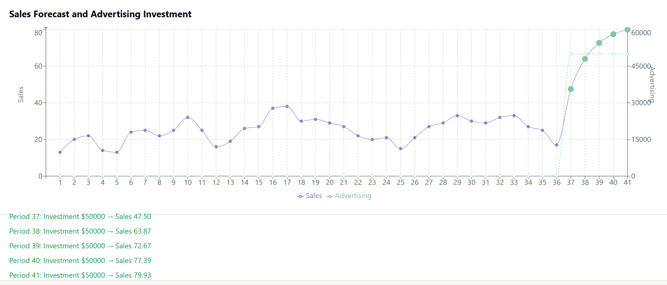
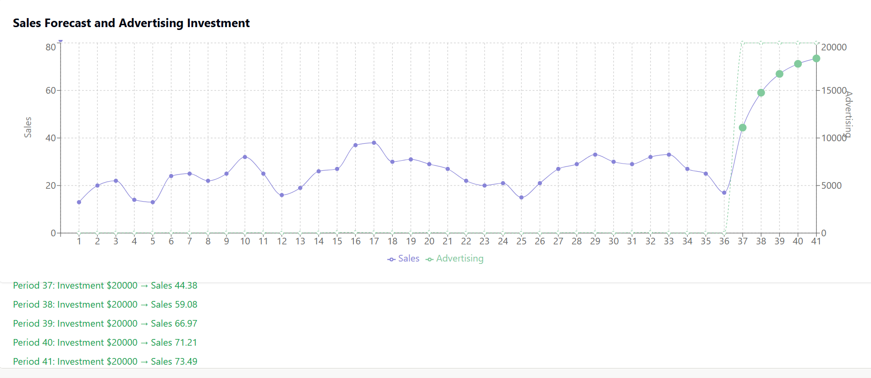
*Everything expressed in thousands

Current monthly add spent |  | 2
Latest monthly sales |  | 17

ESCENARIO 1: CONSERVATIVE |  | 20
P37 SALES | 44.38
P38 SALES | 59.08
P39 SALES | 66.97
P40 SALES | 71.21
P41 SALES | 73.49
ROI | 0.5649 | BEST SCENARIO

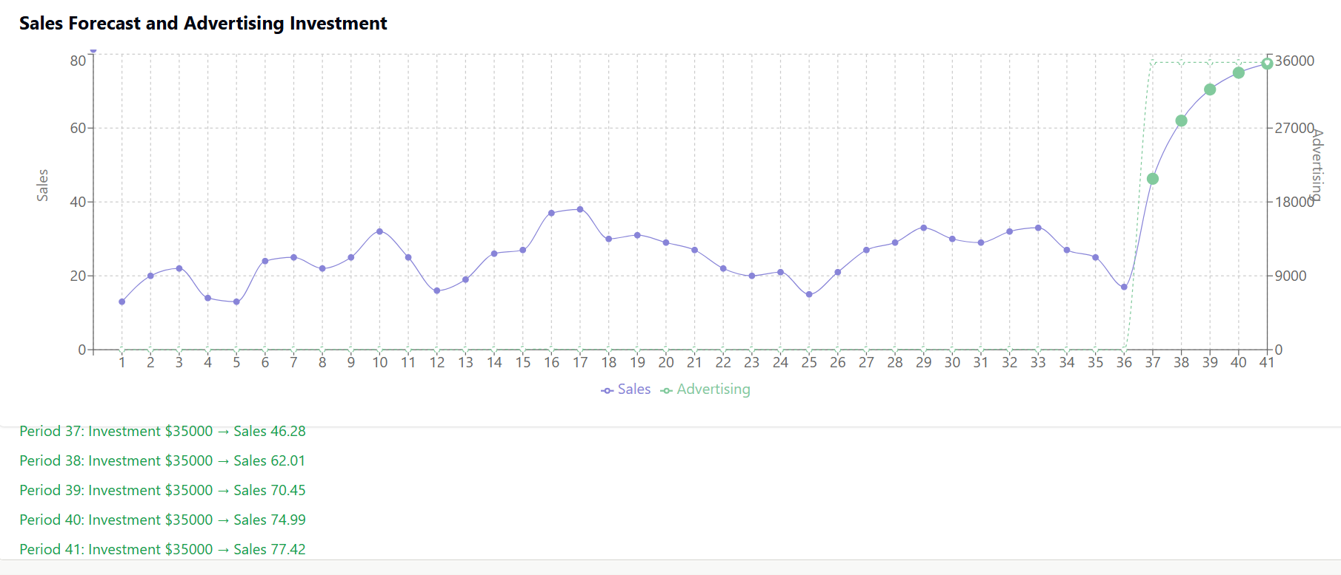
ESCENARIO 2: MODERATE |  | 35
P37 SALES | 46.28
P38 SALES | 62.01
P39 SALES | 70.45
P40 SALES | 74.99
P41 SALES | 77.42
ROI | 0.34525714286

ESCENARIO 3: AGGRESSIVE |  | 50
P37 SALES | 47.5
P38 SALES | 63.87
P39 SALES | 72.67
P40 SALES | 77.39
P41 SALES | 79.93
ROI | 0.25172

