사용 가이드
문서 사용 가이드 |  |  |  | 문서 정보

 | 해당 아이콘 클릭 시 가이드 문서 페이지로 이동 가능합니다. |  |  | 제작 목적 | 모든 프로젝트에서 범용적으로 사용 할 수 있는 데이터 탐색 문서 제작 주로 검색하는 파일들을 일일이 열지 않고 한 파일 내에서 전체 조회할 수 있도록 편의성 반영

 |  |  |  | 문서 설명 | 데이터 시트를 불러와서 필요한 키워드를 손쉽게 검색할 수 있는 문서 - 데이터 문서 검색 및 호출 기능 - 호출된 데이터에서 필요한 키워드 검색 기능 - 검색 중이던 파일 정보 저장 및 호출할 수 있는 프리셋 기능
 | 해당 아이콘 클릭 시 좌측 메뉴 숨기기 / 표시하기 가능합니다.

 | 해당 아이콘 클릭 시 열 선택 영역이 숨기기 / 표시하기 가능합니다.

 |  | 해당 버튼들 마우스 오버 시 설명 문구 표시됩니다.

1. 파일 정보 입력

파일 경로 | 호출할 파일의 경로를 입력해주세요. Ex) C:\Users

파일 이름 | 호출할 파일 이름을 입력해주세요. Ex) 데이터 탐색기_ver.1.0.xlsx

시트 이름 | 호출할 시트 이름을 입력해주세요.

프리셋 이름 | 기존 프리셋 이름과 중복되지 않는 이름을 입력해주세요.
* 파일 경로, 파일 이름, 시트 이름은 필수적으로 입력해야 합니다.
* 프리셋 이름은 생략 가능하며, 생략 시 임의 이름으로 저장됩니다.
* 동일한 파일을 여러 프리셋으로 저장 가능합니다.
! 파일 경로, 이름, 시트 목록 미 입력 시 오류 팝업 표시됩니다.
! 사용자가 입력한 경로에 해당 파일이 존재하지 않는다면 [불러오기] 버튼 클릭 시 오류 팝업 표시됩니다.
! 프리셋 이름이 중복되는 경우 생성 불가능합니다.

파일 검색

 | [파일 검색] 버튼 클릭 시 파일 탐색기 오픈되며 파일 선택 가능합니다.

 | 파일 선택 시 파일 경로, 파일 이름, 시트 목록 자동 호출됩니다.

 | 시트 목록은 드롭다운 형태로 전체 리스트 확인 가능합니다.

* 파일 검색 클릭으로 탐색기 오픈 시 엑셀 형식의 파일만 선택 가능합니다.
* 파일 선택 시 해당 파일 용량이 크다면 일정 시간이 소요됩니다.

2. 파일 불러오기

 | [불러오기] 버튼 클릭 시 입력된 파일 정보로 데이터를 가져옵니다.

3. 열 선택
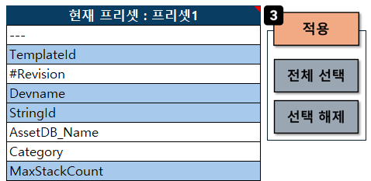
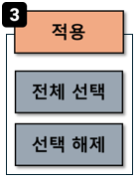
데이터 시트의 첫 행을 기준으로 표시 및 검색할 리스트를 가져옵니다.

마우스 좌 클릭 및 드래그 시 셀을 선택 / 해제 할 수 있습니다.

희망하는 셀 선택 후 [적용] 버튼 클릭 시 검색 영역에 추가됩니다.

* 첫 행 값 중에 공백인 셀이 존재한다면 colunmN 형식으로 표시됩니다.
* 실수로 해당 영역을 수정한 경우 프리셋 [불러오기] 버튼으로 새로고침 가능합니다.

4. 검색

열 선택에서 적용한 내용이 선택된 열 우측에 순서대로 표시됩니다.
선택된 열 중 검색하고자 하는 내용이 있으면 해당 키워드 상단에 검색어를 입력합니다.
[검색 초기화] 버튼 클릭 시 검색중이던 내용을 모두 초기화 해줍니다.

* 현재 검색중인 항목은 하단 셀이 강조 표시됩니다.
* 선택된 열 영역을 지운 경우 [열 선택] 영역에서 [적용] 버튼 재 클릭 시 복구 가능합니다.

검색 형식

특정 단어 포함하는 문자열 선택 : Pea, *Pea*
특정 단어 포함 하지 않는 문자열 선택 : <>*Pea*
정확하게 매칭 되는 문자열 선택 : =Pea
특정 단어로 시작하는 문자열 선택 : =Pea*
특정 단어로 끝나는 문자열 선택 : =*Pea
?(물음표), 한 글자와 매칭 : =Pea?

고정 행

데이터 검색 시 고정으로 표시하고 싶은 행 값을 입력합니다.
값 미 입력 시 첫행만을 고정으로 표시해주고 있습니다.

ex) 3행까지 고정으로 표시하고 싶다면 3을 입력해둔 후 데이터 검색하면 됩니다. * 정수만 입력 가능합니다.

프리셋

프리셋은 파일을 불러오는 과정에서 자동 추가됩니다.

프리셋 1개 선택 상태에서 [불러오기] 버튼 클릭 시 마지막으로 검색하던 상태를 호출합니다.

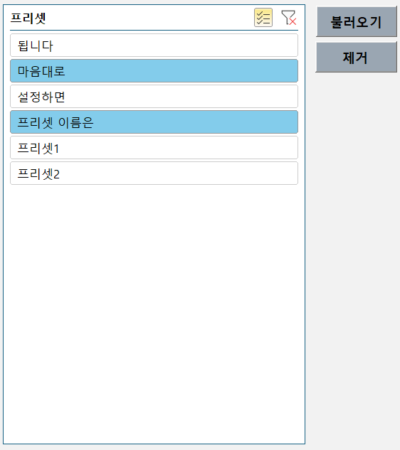
 |  |  | 해당 버튼 클릭 시 프리셋을 다중 선택 할 수 있습니다.

 |  |  | 다중 선택 상태에서 해당 버튼 클릭 시 프리셋들을 전체 선택할 수 있습니다.

 |  |  | 원하시는 프리셋 1개 이상 선택 후 [제거] 버튼을 클릭하면 제거됩니다.

! 프리셋 불러오기 시 프리셋에 저장된 파일의 경로가 변경된 경우 오류 팝업 표시됩니다.
(파일 경로 변경 시에는 프리셋 제거 후 재 호출 필요합니다.)

