ctrb_country
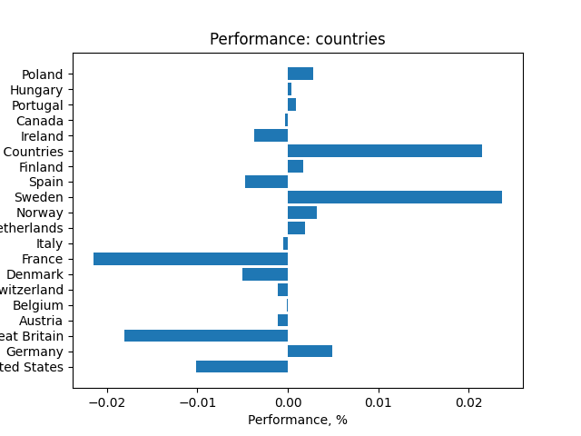
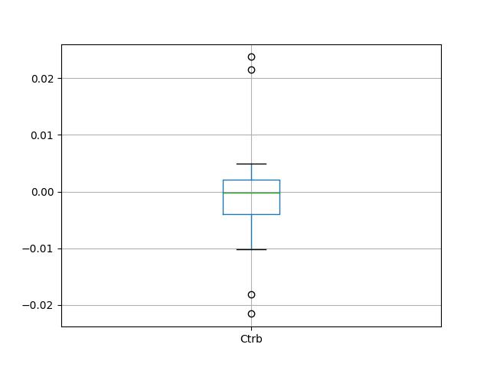
 | Country | Ctrb
0 | United States | -0.010102895099
1 | Germany | 0.0049299438397
2 | Great Britain | -0.01808188009
3 | Austria | -0.0010846875668
4 | Belgium | -0.00014258465988
5 | Switzerland | -0.0011155434367
6 | Denmark | -0.0050620425266
7 | France | -0.021541799747
8 | Italy | -0.00047774986865
9 | Netherlands | 0.0019137413673
10 | Norway | 0.0031773373325
11 | Sweden | 0.023751659095
12 | Spain | -0.0047500482865
13 | Finland | 0.0017139745366
14 | Euro Zone Countries | 0.021447375794
15 | Ireland | -0.0037601088331
16 | Canada | -0.000256729093
17 | Portugal | 0.00093856607055
18 | Hungary | 0.00036068218973
19 | Poland | 0.0028393056449

ctrb_currency
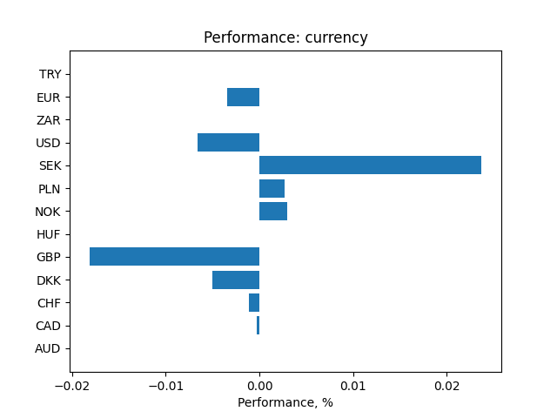
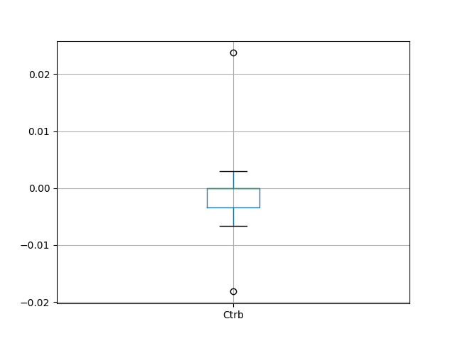
 | Currency | Ctrb
0 | AUD | 2.2483642552E-16
1 | CAD | -0.0002722698627
2 | CHF | -0.0011558640403
3 | DKK | -0.0050575043344
4 | GBP | -0.018158538559
5 | HUF | 2.5653578654E-16
6 | NOK | 0.0029690519295
7 | PLN | 0.0027119093986
8 | SEK | 0.023726700857
9 | USD | -0.0066349392705
10 | ZAR | 1.428300837E-16
11 | EUR | -0.0034320294554
12 | TRY | 5.9988461935E-14

ctrb_inst_class
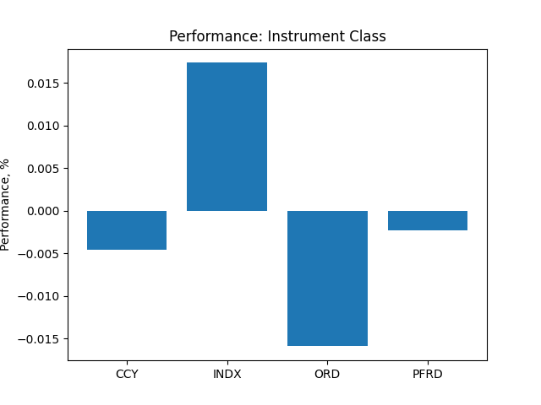
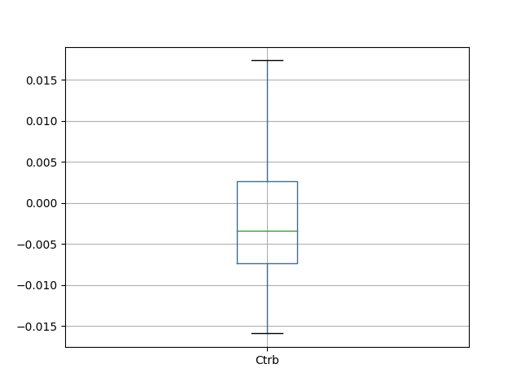
 | Instrument Class | Ctrb
0 | CCY | -0.0045307776394
1 | INDX | 0.017366039206
2 | ORD | -0.015884479289
3 | PFRD | -0.0022542656149

ctrb_sector
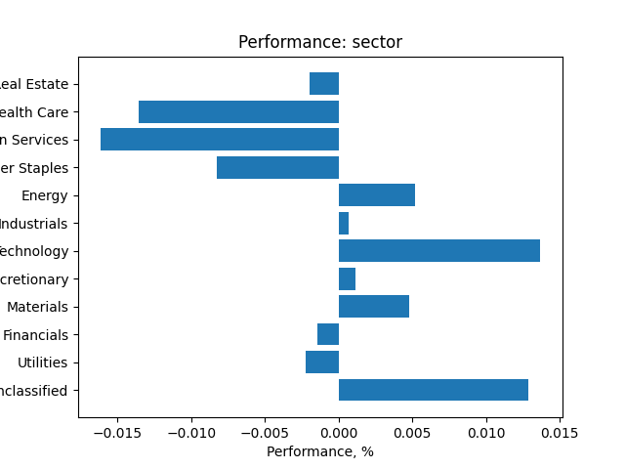
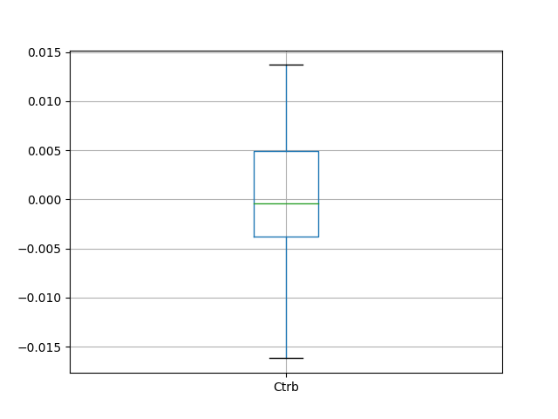
 | Instrument Class | Ctrb
0 | Unclassified | 0.012835261567
1 | Utilities | -0.0022485020899
2 | Financials | -0.0014633038876
3 | Materials | 0.0047916089322
4 | Consumer Discretionary | 0.001174794307
5 | Information Technology | 0.013690508709
6 | Industrials | 0.00070794034389
7 | Energy | 0.0051594323005
8 | Consumer Staples | -0.0082835490249
9 | Communication Services | -0.016175607911
10 | Health Care | -0.013547900153
11 | Real Estate | -0.0019441664291

ctrb_day_week
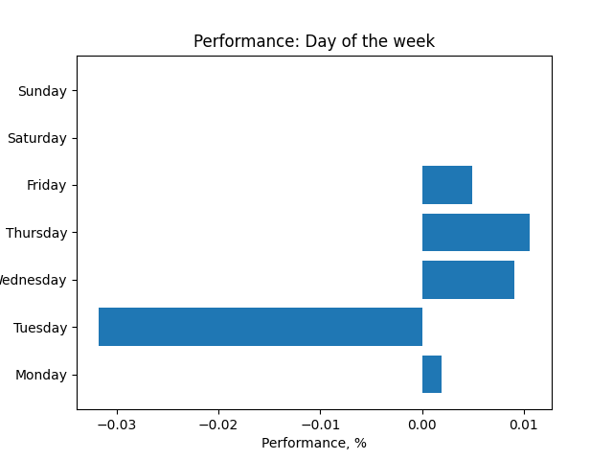
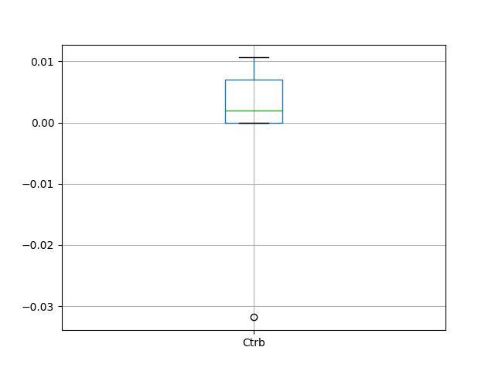
 | Day of the week | Ctrb
0 | Monday | 0.0019386366819
1 | Tuesday | -0.031812428453
2 | Wednesday | 0.009035240094
3 | Thursday | 0.010629295901
4 | Friday | 0.0049052096507
5 | Saturday | 5.656860748E-07
6 | Sunday | -2.8979993654E-09

ctrb_week
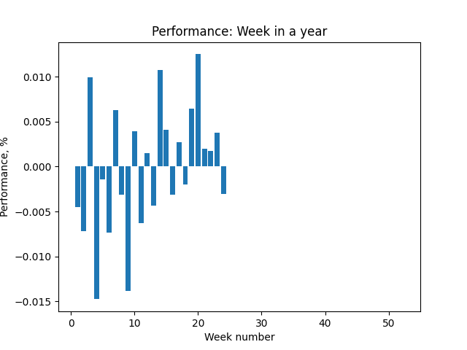
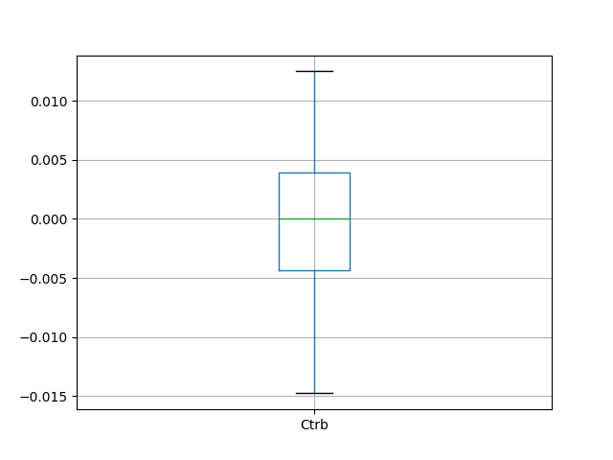
 | Week | Ctrb
0 | 1 | -0.0044868470695
1 | 2 | -0.0071717275402
2 | 3 | 0.0099498100411
3 | 4 | -0.014761140342
4 | 5 | -0.0014203714522
5 | 6 | -0.0073278600454
6 | 7 | 0.0062861985879
7 | 8 | -0.0030996013443
8 | 9 | -0.013860933691
9 | 10 | 0.0039052198388
10 | 11 | -0.0063175136874
11 | 12 | 0.0015130774873
12 | 13 | -0.0043366128784
13 | 14 | 0.010709261327
14 | 15 | 0.0040843514992
15 | 16 | -0.0031369084713
16 | 17 | 0.0027532884703
17 | 18 | -0.0020290639053
18 | 19 | 0.0064398806272
19 | 20 | 0.012498793524
20 | 21 | 0.0019970937943
21 | 22 | 0.0017762753939
22 | 23 | 0.0037371744425
23 | 24 | -0.003005327944
24 | 52 | 0

ctrb_month
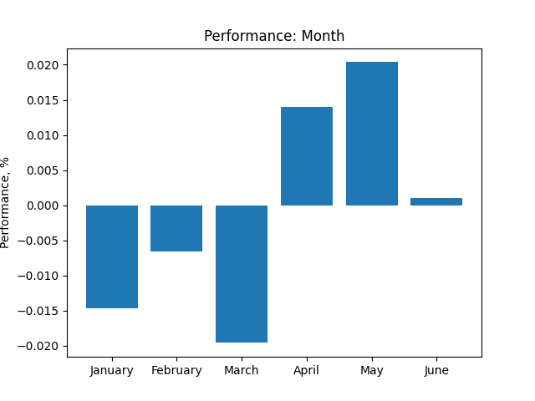
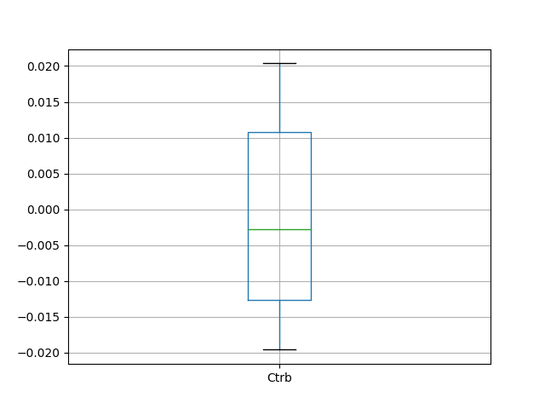
 | Month | Ctrb
0 | January | -0.01464081924
1 | February | -0.0065364219012
2 | March | -0.019577418405
3 | April | 0.014036350277
4 | May | 0.020368067997
5 | June | 0.0010467579355

