ctrb_country
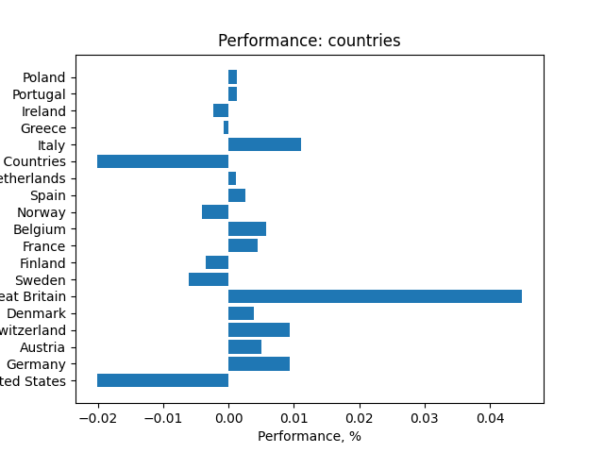
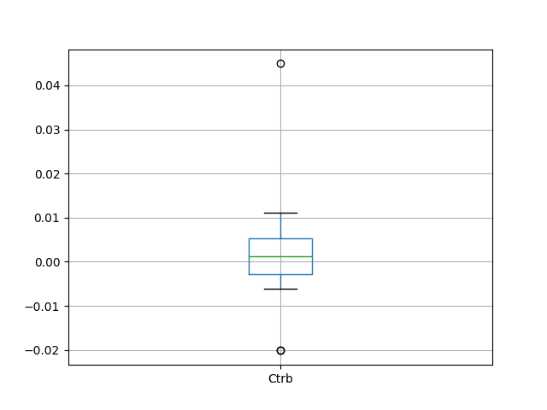
 | Country | Ctrb
0 | United States | -0.020082665511
1 | Germany | 0.0094373868551
2 | Austria | 0.0050633358171
3 | Switzerland | 0.0093327616719
4 | Denmark | 0.0038780676064
5 | Great Britain | 0.044948255341
6 | Sweden | -0.0060283968958
7 | Finland | -0.0034579520895
8 | France | 0.0045292752207
9 | Belgium | 0.0057487403476
10 | Norway | -0.0040948304521
11 | Spain | 0.0025794653295
12 | Netherlands | 0.0011424655906
13 | Euro Zone Countries | -0.020146351061
14 | Italy | 0.011090426097
15 | Greece | -0.00074684980643
16 | Ireland | -0.0022966784341
17 | Portugal | 0.001328965886
18 | Poland | 0.0012841137144

ctrb_currency
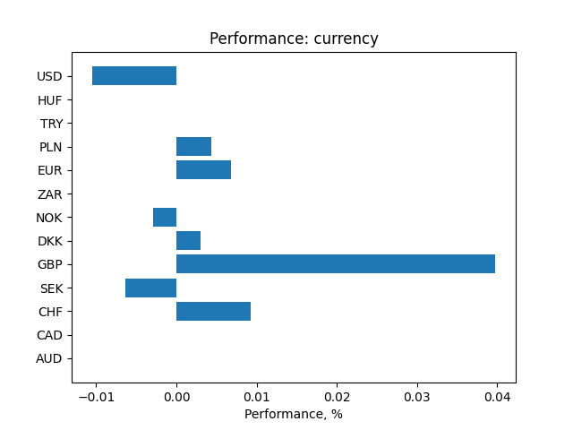
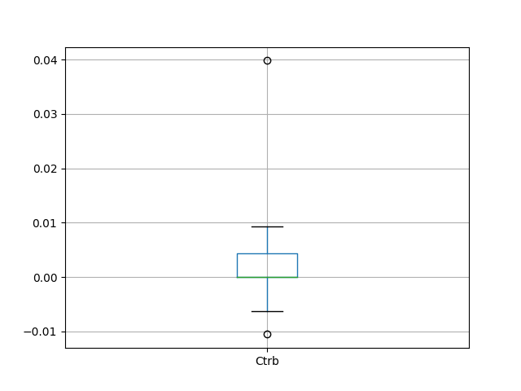
 | Currency | Ctrb
0 | AUD | -1.7867990616E-16
1 | CAD | -1.0646312684E-09
2 | CHF | 0.0092826923108
3 | SEK | -0.0063289487848
4 | GBP | 0.039808470659
5 | DKK | 0.0030182894459
6 | NOK | -0.0028974187373
7 | ZAR | -4.6214117602E-16
8 | EUR | 0.0067827611769
9 | PLN | 0.0043937617719
10 | TRY | 2.2382697231E-13
11 | HUF | -6.0854235063E-17
12 | USD | -0.010550071552

ctrb_inst_class
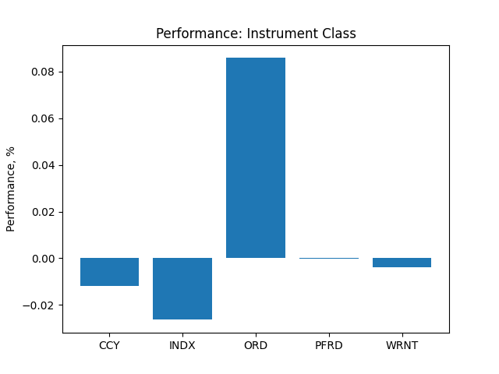
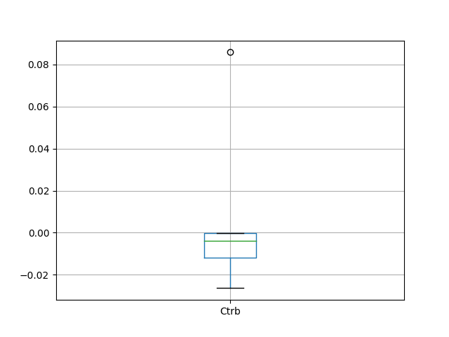
 | Instrument Class | Ctrb
0 | CCY | -0.011866252779
1 | INDX | -0.026349025464
2 | ORD | 0.085780256089
3 | PFRD | -0.00015053766503
4 | WRNT | -0.0039049049548

ctrb_sector
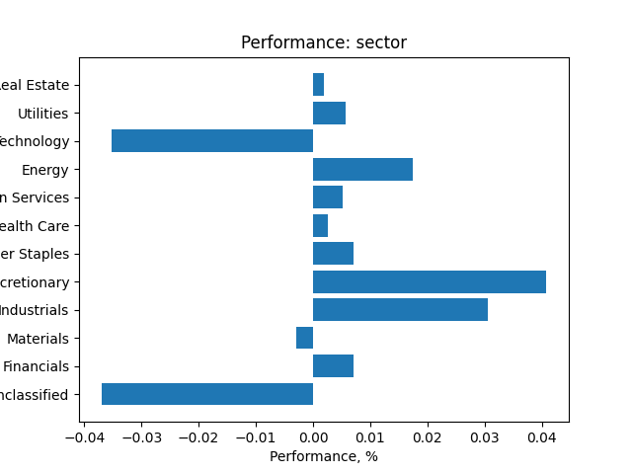
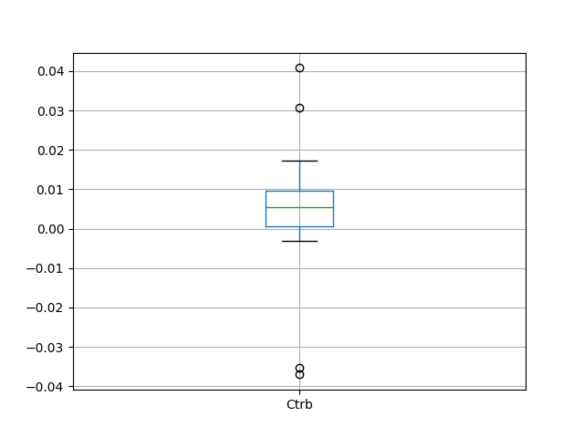
 | Instrument Class | Ctrb
0 | Unclassified | -0.037013005509
1 | Financials | 0.0071565832943
2 | Materials | -0.0029925283387
3 | Industrials | 0.030645839022
4 | Consumer Discretionary | 0.040828872104
5 | Consumer Staples | 0.0071497027999
6 | Health Care | 0.0026496629943
7 | Communication Services | 0.0052586723492
8 | Energy | 0.017393183307
9 | Information Technology | -0.035246612013
10 | Utilities | 0.0057891254985
11 | Real Estate | 0.0018900397181

ctrb_day_week
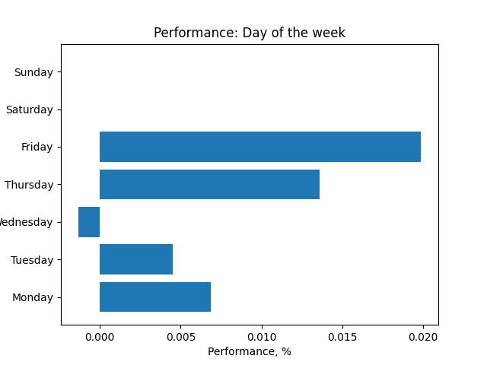
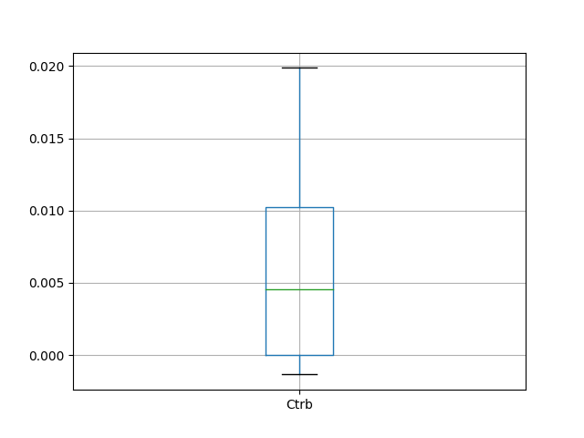
 | Day of the week | Ctrb
0 | Monday | 0.0068765346452
1 | Tuesday | 0.0045265997357
2 | Wednesday | -0.0013432746672
3 | Thursday | 0.01357476523
4 | Friday | 0.019875221127
5 | Saturday | -9.3875501583E-08
6 | Sunday | -2.1696910378E-07

ctrb_week
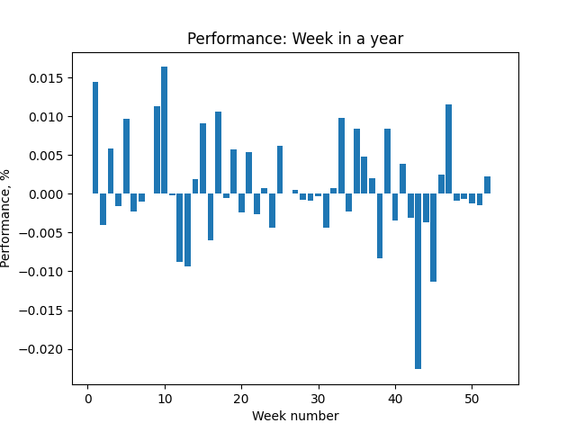
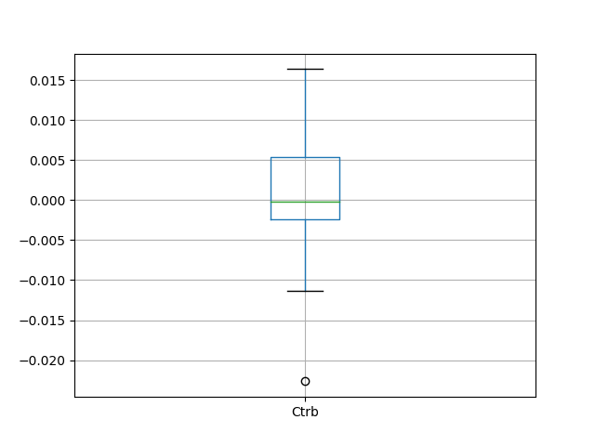
 | Week | Ctrb
0 | 1 | 0.014420141377
1 | 2 | -0.0040663969426
2 | 3 | 0.0057893918718
3 | 4 | -0.001544650697
4 | 5 | 0.0096949231036
5 | 6 | -0.0023404438792
6 | 7 | -0.001013443373
7 | 8 | 4.7967139587E-05
8 | 9 | 0.011284886613
9 | 10 | 0.016366338769
10 | 11 | -0.00019834011086
11 | 12 | -0.0087640642041
12 | 13 | -0.009380857514
13 | 14 | 0.0018806806858
14 | 15 | 0.0090710923601
15 | 16 | -0.0060227606936
16 | 17 | 0.01062600622
17 | 18 | -0.0005193297861
18 | 19 | 0.0057834582876
19 | 20 | -0.002398954957
20 | 21 | 0.0054351251056
21 | 22 | -0.002674802276
22 | 23 | 0.00074609360163
23 | 24 | -0.004431788043
24 | 25 | 0.0061609597392
25 | 26 | 8.0711240488E-05
26 | 27 | 0.00055051135159
27 | 28 | -0.00081397692477
28 | 29 | -0.00090816937953
29 | 30 | -0.00032911994272
30 | 31 | -0.0044144613937
31 | 32 | 0.00075384598019
32 | 33 | 0.0098355195963
33 | 34 | -0.0022598525458
34 | 35 | 0.0084566679314
35 | 36 | 0.004748109313
36 | 37 | 0.0020708908983
37 | 38 | -0.0083282720458
38 | 39 | 0.0084108507246
39 | 40 | -0.0034777391184
40 | 41 | 0.0038163915722
41 | 42 | -0.0030464568722
42 | 43 | -0.022652706108
43 | 44 | -0.0036729258347
44 | 45 | -0.011347490241
45 | 46 | 0.002478831036
46 | 47 | 0.011480966055
47 | 48 | -0.00087121351074
48 | 49 | -0.00060878304471
49 | 50 | -0.0011906512422
50 | 51 | -0.001456949071
51 | 52 | 0.0022421552021
52 | 53 | 1.1619202703E-05

ctrb_month
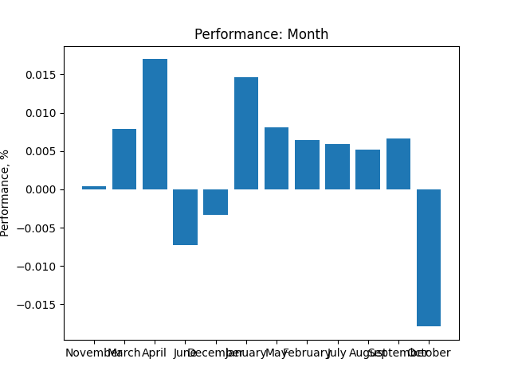
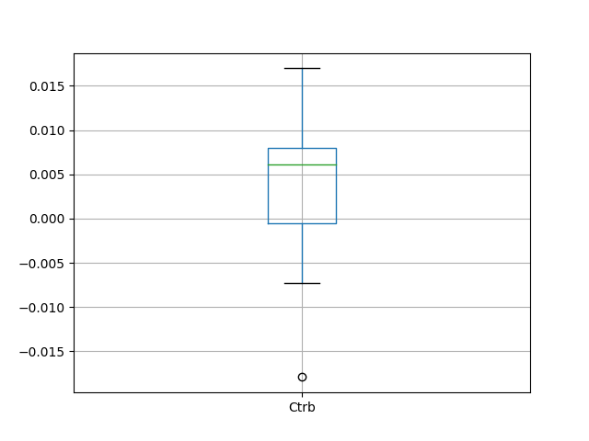
 | Month | Ctrb
0 | November | 0.00041455366276
1 | March | 0.0078926781143
2 | April | 0.016970304011
3 | June | -0.0073120120499
4 | December | -0.0033606143142
5 | January | 0.014610104812
6 | May | 0.0080959130108
7 | February | 0.006389002991
8 | July | 0.0058968170561
9 | August | 0.0051956553748
10 | September | 0.0066212876463
11 | October | -0.017904155089

