Sheet1
 |  |  |  |  |  |  | IX | IY | ZX | ZY | CentridX | CentroidY | AX
 |  |  |  | cm |  |  | 274800 | 98130 | 11580 | 4629 |  |  | 808 |  |  | Property | Units | Published | Calculated | Error (%)
 |  |  |  | mm | From table |  | 2748000000 | 981300000 | 11580000 | 4629000 |  |  | 80800 | 808 | cm2 | AX | mm2 | 80800 | 80557 | -0.301
Rectangular Beam |  |  |  |  |  |  |  |  |  |  | 212 | 237.3 |  | 274800 | cm4 | IX | mm4 | 2748000000 | 2743565853 | -0.161
x | y |  |  |  | Calculated |  | 2743565852.6 | 981102538.54 |  |  | 212 | 237.3 | 80556.56 | 98130 | cm4 | IY | mm4 | 981300000 | 981102539 | -0.020
0 | 0
0 | 1.2 |  |  |  |  | error (%) | -0.16135907411 | -0.020122436007 |  |  | 1.34E-14 | 2.40E-14 | -0.30128712871
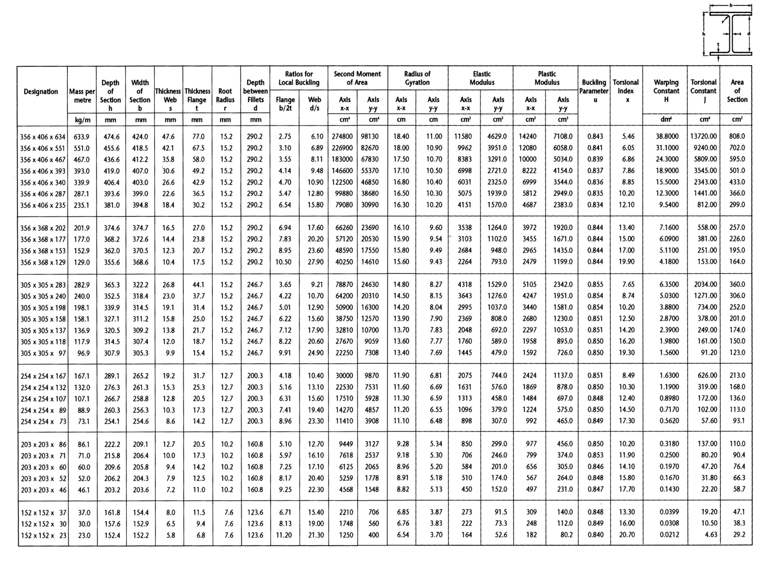
0.6 | 1.2
0.6 | 0
0 | 0

UC Column |  | 356x406x634x633.9kg/m
h | b | s | t
474.6 | 424 | 47.6 | 77

 |  | units | mm
x | y
0 | 0 |  | [0,0]
0 | 77 |  | [0,77]
188.2 | 77 |  | [188.2,77]
188.2 | 397.6 |  | [188.2,397.6]
0 | 397.6 |  | [0,397.6]
0 | 474.6 |  | [0,474.6]
424 | 474.6 |  | [424,474.6]
424 | 397.6 |  | [424,397.6]
235.8 | 397.6 |  | [235.8,397.6]
235.8 | 77 |  | [235.8,77]
424 | 77 |  | [424,77]
424 | 0 |  | [424,0]
0 | 0 |  | [0,0]

 | json_request |  | {"name":"356x406x634x633.9kg/m","coords":[[0,0],[0,77],[188.2,77],[188.2,397.6],[0,397.6],[0,474.6],[424,474.6],[424,397.6],[235.8,397.6],[235.8,77],[424,77],[424,0],[0,0]],"units":"mm"}

 |  | {"name":"356x406x634x633.9kg/m","coords":[[0,0],[0,77],[188.2,77],[188.2,397.6],[0,397.6],[0,474.6],[424,474.6],[424,397.6],[235.8,397.6],[235.8,77],[424,77],[424,0],[0,0]],"units":"mm"}

