Performance measure
Machine | Type | How | Pro | Cons/limit
Designer | Default :results | Display result window and read results | very easy to use, with a good details | "one-shot" | 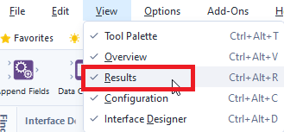
 | logs | In your user settings, give a path for Logging Directory (blank by default) | you can aggregate the differend log files to analyse several workflows/evolution along time of the same workflow, etc | -not very detailed. -think to delete it, either automatically with a log rotation or manually
 | Performance Profiling | On the worfklow configuration pane, "Runtime" tab, check "Enable Performance Profiling" | Gives time by tool in the result pane and in the logs | -Enabling Performance profiling can cost processing time. Before using it in production, be careful… if you see too much impact, just use it in design phase. (as specified in help : Use this option to troubleshoot a specific workflow because it may decrease workflow processing performance.) -warning : can differ according the used engines and between result pane and logs. | 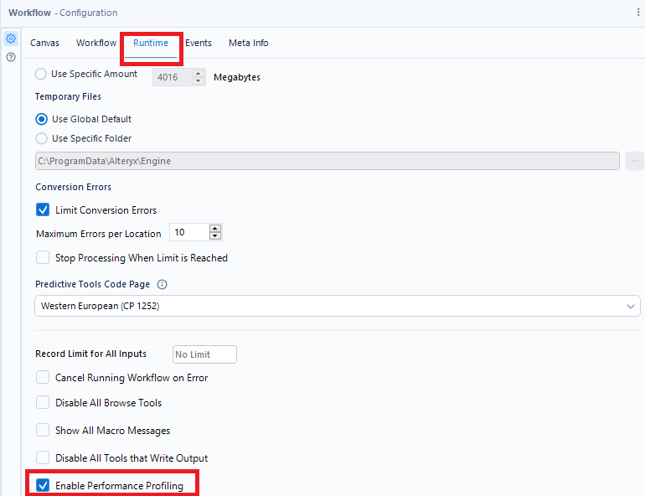 | 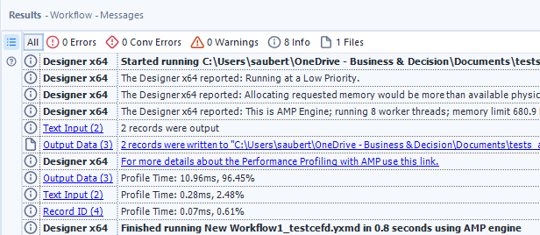
Server | Logs/Execution Result | You can use the same logs than on designer
 | API | Get the information about jobs with API through the job endpoint https://help.alteryx.com/current/en/server/api-overview/alteryx-server-api-v3/server-api-v3-objects/jobs-endpoints.html

Engine
Item | Comment
Choice of the good engine | 3 different engines are available on Alteryx : -In-Memory Engines The processing is done on the Alteryx machine. Two in-memory engines can be used : the historical e2 and the yougest AMP (Alteryx Multi-threaded Processing). AMP processes the data in parallel thanks to the multi-threadind while the original engine processes the data record-by-record and sequentially. The choice can be done on your Alteryx User Settings (in workflows/check "Use AMP Engine for All New Worfklow") or individually on the worflow configuration pane, Runtime tab by checking "Use AMP Engine". ⚠ there are some considerations to keep in mind : some tools/features require a specific engine to work (e.g. : Parquet needs AMP), sort order can vary in the output of some tools. if you need the same order, use the "Engine Compatibility Mode" option. -In-database Engine The Processing is done on the database server. We call it "in-db" on Alteryx. Depending of your architecture it can be a lot faster than in-memory because it uses the database server computing resources and you avoid data transfert. Especially recommanded for large dataset | 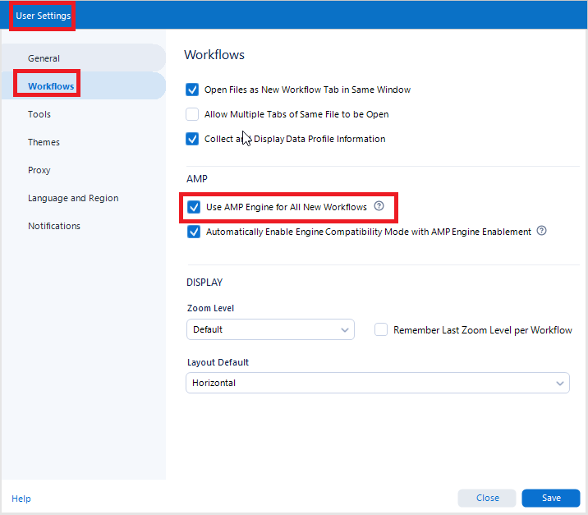 |  | 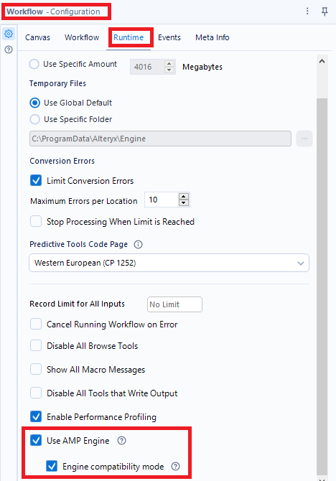
 |  |  | In Memory | In Database
 |  | Working | Alteryx retrieves the data, processes it, and produces a result, potentially inserting data into a database. | In-db tools generate one or more queries directly in the database; nothing is retrieved to the local machine.
 |  | Used resources | The machine executing the processing (user workstation or Alteryx Server: be aware that the cost of CPU on the latter is very high : it's CPU-licensed) | Database server (not recommended on an operating system, excellent on a Big Data cluster)
 |  | Language (for formula, filter…) | very simple Alteryx language (Tableau/Qlik/Excel like). Langage Alteryx, très simple (type Tableau/SQL/Qlik…). Completion when writing | Database language, generally SQL or a flavor of SQL (e.g. : HQL on Hive). Be aware that every database has its own SQL flavor so read the doc. No completion.
 |  | Naming of fields/tables | Free | Can be limited. Favor alphanumeric characters and _ (NB : you have a look at database enclosing character)
 |  | Tools quantity | Several hundreds (≈ 300) | A dozen (in-db category in-db + some in predictive tools)
 |  | Connecteurs et liens | Green square connectors and thin links | Blue square connectors and thick links
 |  | Database Compatibility | Pretty much all with ODBC connectors+the ones with dedicated connectors built in Alteryx | Most common databases (≈ 20)

Data and calculation
Items | Comment
Field type are ok | Use date instead of timestamp if you don't need hours, minutes, secondes… cast properly thing : a year is a number, not a string. Boolean if you have only two values, etc. Reminder for performance bool>byte>integer>other numerics>string. That's the case for almost any tool : join, aggregation, calculation, etc... To find the relevant type, you can use combination of Data profile (Browse tool), autofield (but don't keep it in production) and Field Summary.
Simplify Join | Try to reduce the number of fields used in join key. The ideal situation would be with only one field in integer.
Calculations are simple | if are avoided as much as you can (try to use boolean logic, case when syntax…, etc) and when not avoided, the condition must be fast to calculate
 | don't calculate twice the same thing. If several calculations are based on the same inputs, it can be relevant to create temporary calculated fields (don't forget to unselect it after)
Avoid the Data Cleanse Tool | While it's pretty easy and popular, it's not the most optimized tool (just a giant macro) and you can have better performance by using formula or multi-field formula instead.
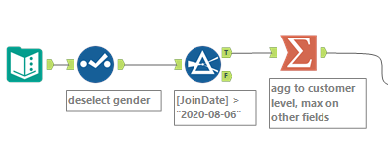
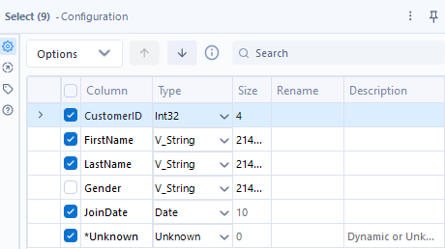
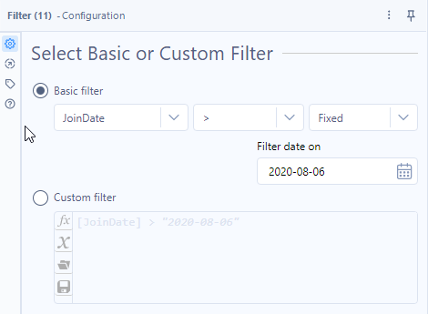
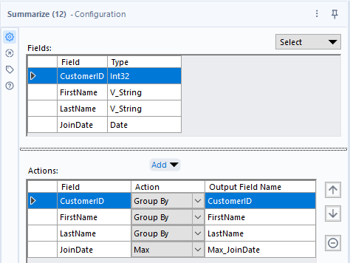
Only use the data you need | in terms of rows and column, limit the data to the strict minimum : select columns , filter data… and aggregate it the good level (generally in that order)! Remove unnecessary fields after each steps.

User Settings and resources
Items | Comment
Override Default Memory Limit | By default, at installation, Alteryx will only use 1/4 of the RAM available. However, if you have more than 4 Go RAM, it may be useful to increase the quantity of RAM that Alteryx can use. For that, go to the User Settings/General/check the Override System Settings and specify the amount of RAM you want.
Local Temporary Directory Space | By default, the temporary directory used by Alteryx when swapping (when your RAM is not enough, it writes temp data on hard drive) is on your hard drive. However, sometimes IT forces it to network. Avoid that and stay on your hard drive. Go to the User Settings/General and have a look at Default Temporary Directory | 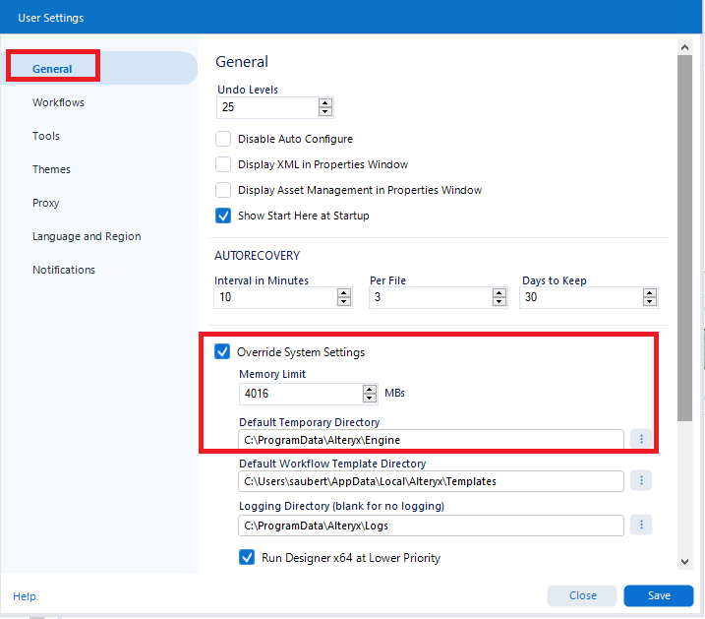

Runtime
Item | Comment
Disable All Browse Tools | Once you don't need browse tools, you should do one of the following: -delete it -put it in a container and deactivate the container -check the "Disable All Browse Tools" on the Runtime (Workflow configuration/Runtime tab) | 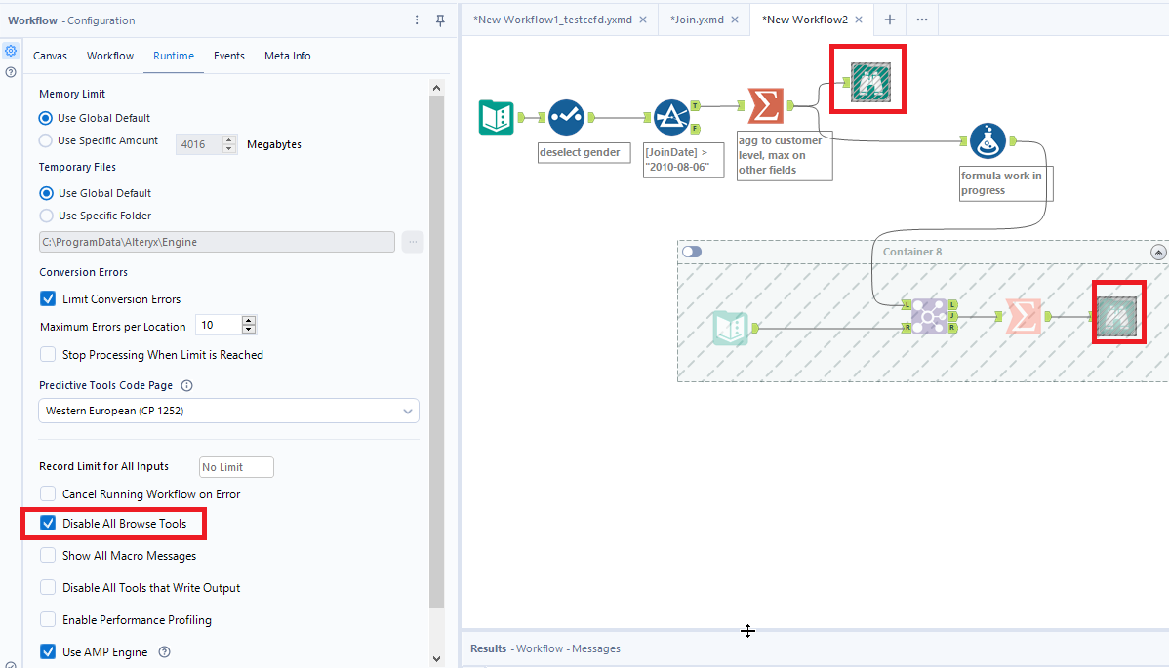
Adapt the memory | You can bypass the allocated memory (RAM) in the user setting for a specific worklow (Workflow configuration/Runtime tab Memory Limit) | 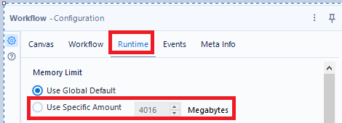

Design Phase
Item | Comment
Sample | You can design your workflow with a subset of data in order to design faster without being impacted by performance. However, do not forget to stress test your work with real volumetry. For that, use a Sample or Random % Sample tools.
Cache | With a right-click on a tool, you can cache the data, meaning the next run will begin at the cached tool, saving the time of all previous steps. | 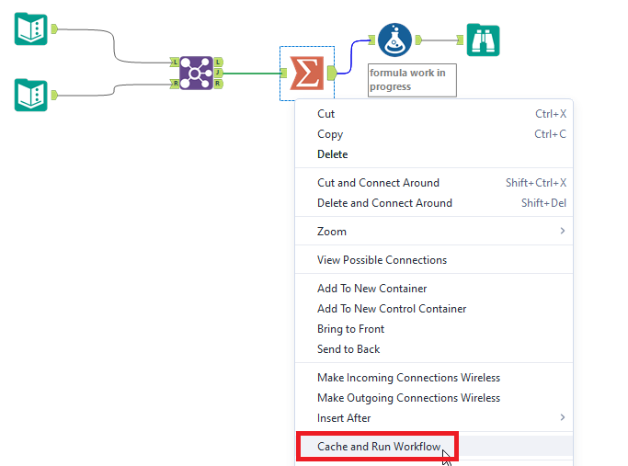 |  | After
Deactivate what is unused | When you don't need a part of your worklow, just deactivate it. For that, you need to have this part in a Container | 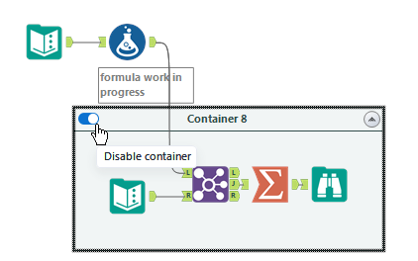 | 