Main
NVDA |  |  |  |  |  |  | Price | 262.2
 |  |  |  |  |  |  | Shares | 2470
 |  |  |  |  |  |  | MC | 647634
 |  |  |  |  |  |  | CASH | 13296
 | Data Center (Rev in M) |  |  |  |  |  | DEBT | 19081
 | Q4FY22 | Q1FY23 | Q2FY23 | Q3FY23 | Q4FY23 | Hyperscale | EV | 653419
 | 3263 | 3750 | 3806 | 3833 | 3616 | Cloud Service Provider outpaced Data Center
y/y |  |  |  |  | 10.8% | CSP drove 40% of Data Center Revenue
q/q |  | 14.9% | 1.5% | 0.7% | -5.7%
 |  |  |  |  |  |  | Upcoming Events:
 | Gaming (Rev in M) |  |  |  |  |  | Launch Gaming Laptop Designs GeForce RTX 40 Series
 | Q4FY22 | Q1FY23 | Q2FY23 | Q3FY23 | Q4FY23 | Q/Q Groth Q423 driven by GeForce RTX GPU | GeForce RTX 4070 TI
 | 3420 | 3620 | 2042 | 1574 | 1831 | Channel Inventory Correction | GeForce coming to Cars in Hyundai, BYD, Polestar
y/y |  |  |  |  | -46.5% |  | New RTX4080-Class Cloud Gaming Tier
q/q |  | 5.8% | -43.6% | -22.9% | 16.3% |  | Foxconn Partners build automated Electric Vehicles
 |  |  |  |  |  |  | Mercedes Benz assembles Omniverse with NVIDIA
 | Professional Visualization (Rev in M) |  |  |  |  | Q/Q Growth Q423 driven by Desktop Workstations | Omniverse Avatar Early Access
 | Q4FY22 | Q1FY23 | Q2FY23 | Q3FY23 | Q4FY23 | Channel Inventory Correction | DB Partnership (might fall flat)
 | 643 | 622 | 496 | 200 | 226 |  | Nvidia & MSFT Partnership
y/y |  |  |  |  | -64.9%
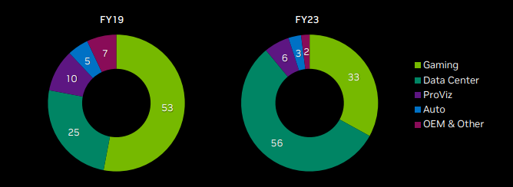
q/q |  | -3.3% | -20.3% | -59.7% | 13.0%

 | Automotive (Rev in M)
 | Q4FY22 | Q1FY23 | Q2FY23 | Q3FY23 | Q4FY23 | AI Automotive Solution on Electric and OEM
 | 125 | 138 | 220 | 251 | 294 | NVIDIA DRIVE Operation System
y/y |  |  |  |  | 135.2%
q/q |  | 10.4% | 59.4% | 14.1% | 17.1%

 | Sources & Uses of Cash
 | Q4FY22 | Q1FY23 | Q2FY23 | Q3FY23 | Q4FY23 | Ended 2023 2,3B in net Cash
 | 3033 | 1731 | 1270 | 392 | 2249
y/y |  |  |  |  | -25.8%
q/q |  | -42.9% | -26.6% | -69.1% | 473.7%

