Linkit
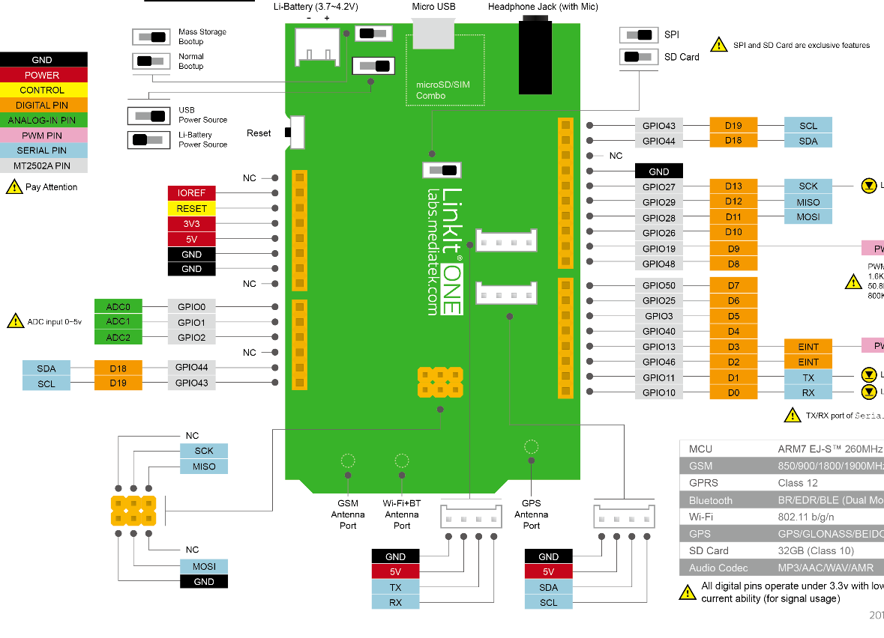

32

1

23

8
22
9

114
15

