Sheet1
Image Number | Picture | Path | Theme | Emotional response | Title | Date | Material | Measurements | Repository | Signature Hidden In Painting
1 | 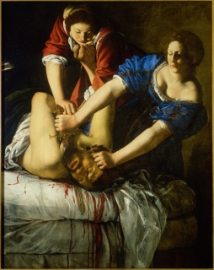 | 1.jpg | Biblical |  | Judith Beheading Holofernes | 1611-1612 | oil on canvas | 158.8 x 125.5 cm | Museo e gallerie nazionali di Capodimonte
2 | 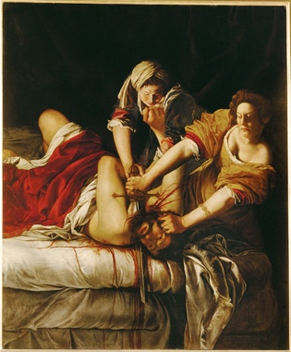 | 2.jpg | Biblical |  | Judith and Holofernes | circa 1620 | oil on canvas | 199 x 162.5 cm | Inv. 1567 Uffizi, Florence
3 | 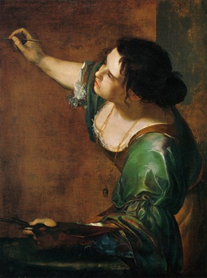 | 3.jpg | Self-Portrait |  | La Pittura (Self-portrait) | 1630 | oil on canvas | 97.8 cm x 74.9 cm | Windsor Castle, Windsor, England, United Kingdom
4 | 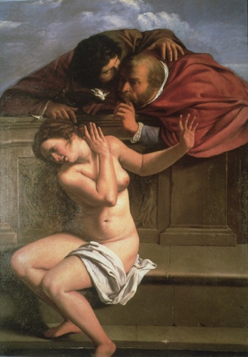 | 4.jpg |  |  | Susanna and the Elders | 1610 | oil on canvas
5 | 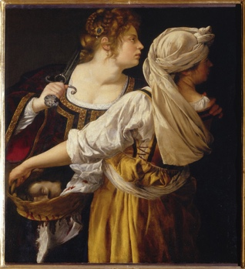 | 5.jpg |  |  | Judith and Her Maidservant (Judith with the Head of Holofernes)
6 | 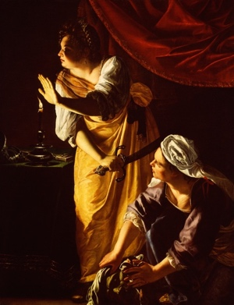 | 6.jpg | Biblical |  | Judith and Maidservant with the Head of Holofernes | 1625 | oil on canvas | 184.15 cm x 141.61 cm | The Detroit Institute of Arts Detroit, Michigan, USA Gift of Mr. Leslie H. Green 52.253
7 | 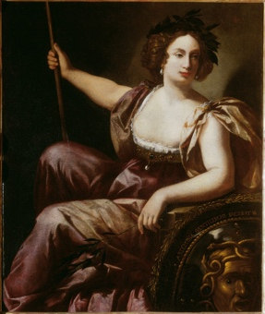 | 7.jpg |  |  | Minerva | 1640-1651 | oil on canvas | 131 x 105 cm | Galleria delgi Uffizi, Florence, Italy, Inv. 1890 no. 8557 | Yes
8 | 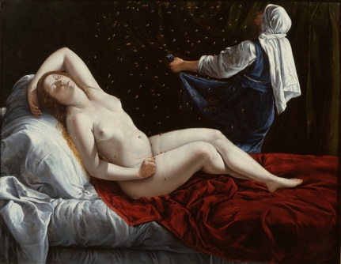 | 8.jpg |  |  | Danaë | 1612 | oil on copper | 41.3 x 52.7 cm | Saint Louis Art Museum, Museum Purchase and gift of Edward Mallinckrodt, Sydney M. Shoenberg Sr., Horace Morison, Mrs. Florence E. Bing, Morton D. May in honor of Perry T. Rathbone, Mrs. James Lee Johnson Jr., Oscar Johnson, Fredonia J. Moss, Mrs. Arthur
9 | 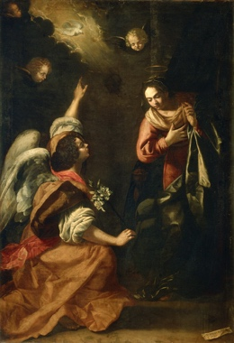 | 9.jpg |  |  | Annunciation | 1630 | oil on canvas | 257 x 179 cm | Museo e gallerie nazionali di Capodimonte
10 |  | 10.jpg |  |  | Allegory of Inclination | 1615-1616 | canvas mounted on the ceiling | 152 x 61 cm | Casa Buonarroti (Florence, Italy)
11 | 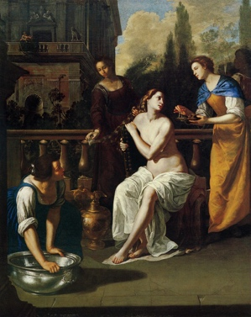 | 11.jpg |  |  | David and Bathsheba | 1640-1645 | oil on canvas
12 | 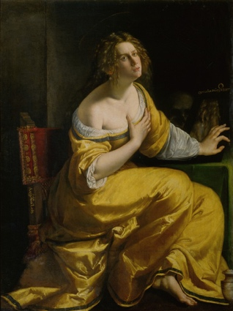 | 12.jpg |  |  | Conversion of the Magdalen | 1615-1616 | oil on canvas | 146.5 x 108 cm | Galleria Palatina
13 | 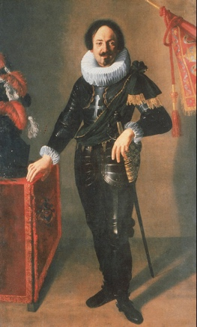 | 13.jpg
14 | 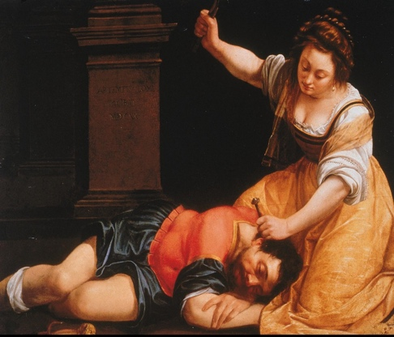 | 14.jpg
15 | 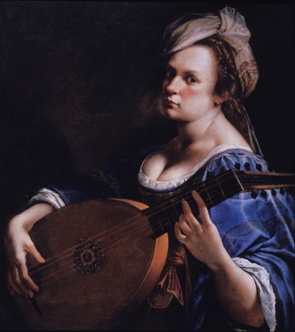 | 15.jpg |  |  | Self-portrait as a Lute Player | 1615-1617 | oil on canvas | 77.5 cm x 71.1 cm
16 | 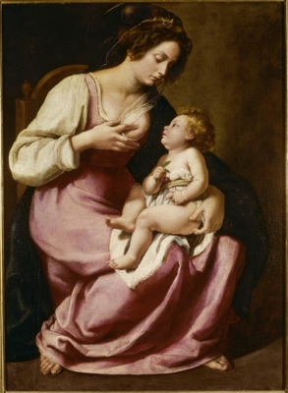 | 16.jpg
17 | 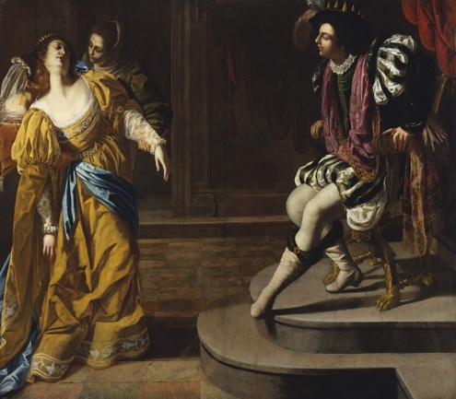 | 17.jpg |  |  | Esther before Ahasuerus |  | oil on canvas | 208.3 x 273.7 cm
18 | 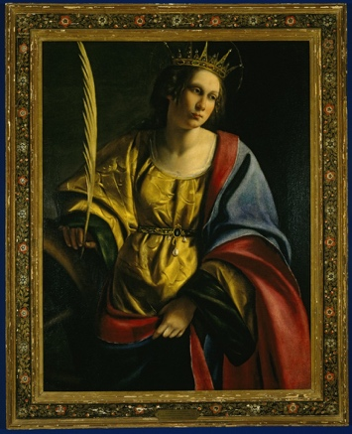 | 18.jpg
19 | 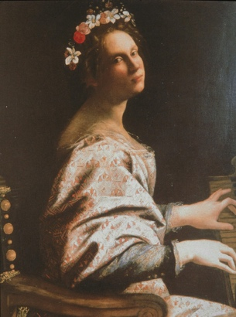 | 19.jpg
20 | 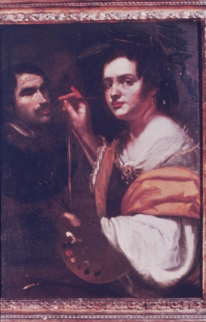 | 20.jpg
21 | 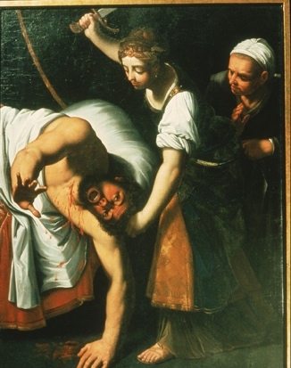 | 21.jpg
22 | 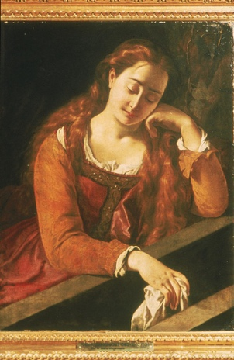 | 22.jpg
23 | 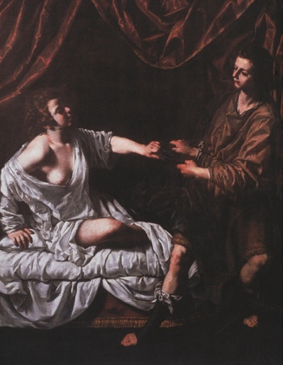 | 23.jpg
24 | 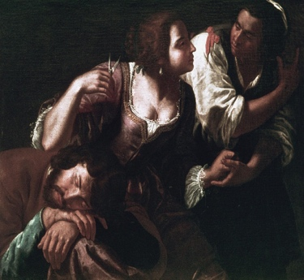 | 24.jpg
25 | 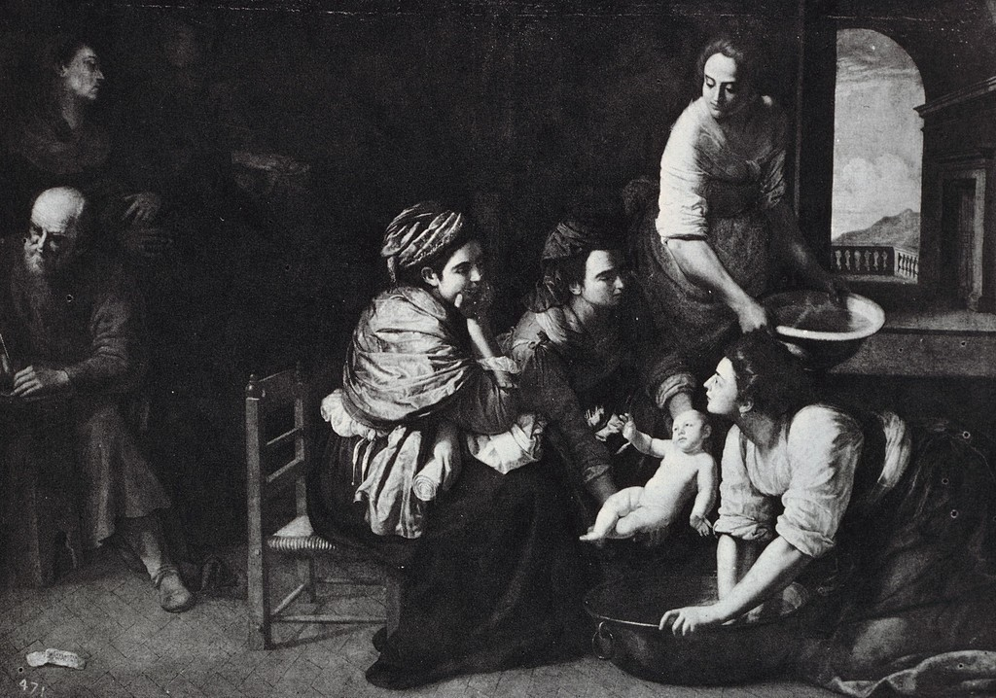 | 25.jpg
26 | 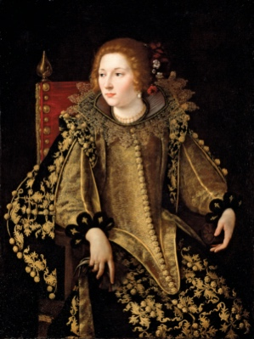 | 26.jpg | Commission

