Logik
Verbindungslogik zwischen Familien

Family |  | Description
program |  | Where does the financing and/or mandate come from?
project |  | What is the current activity or activity bundle that is being worked on?
player |  | Who are the people engaged and investing their time?
resources |  | Which organizational resources are applied or developed?
tool |  | Which digital or non-digital solutions are applied or developed?
target |  | Which target groups are supposed to be addressed by the results?
metric |  | Which outputs are generated and may be used to measure success?

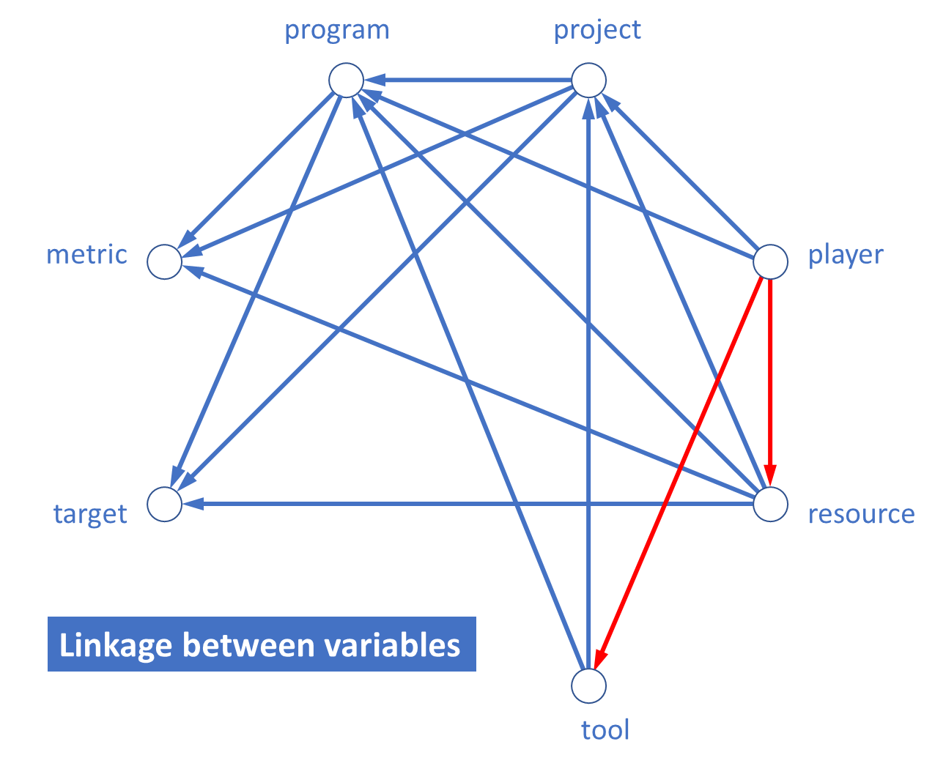
project | -> | program |  | projects contribute to programs
player | -> | program |  | players contribute to programs
resources | -> | program |  | resources are applied to programs
tool | -> | program |  | tools are applied to programs
player | -> | project |  | players contribute to projects
resources | -> | project |  | resources are applied to projects
tool | -> | project |  | tools are applied to projects
player | -> | resources |  | players contribute to resources
player | -> | tool |  | players contribute to tool development
program | -> | target |  | programs affect target groups
project | -> | target |  | projects affect target groups
resources | -> | target |  | resources are applied to target groups
program | -> | metric |  | programs affect success metrics
project | -> | metric |  | projects affect success metrics
resources | -> | metric |  | resources affect success metrics

 | from | to | sum
program | 2 | 4 | 6
project | 3 | 3 | 6
player | 4 | 0 | 4
resources | 4 | 1 | 5
tool | 2 | 1 | 3
target | 0 | 3 | 3
metric | 0 | 3 | 3

