SyntaxSemanRedun
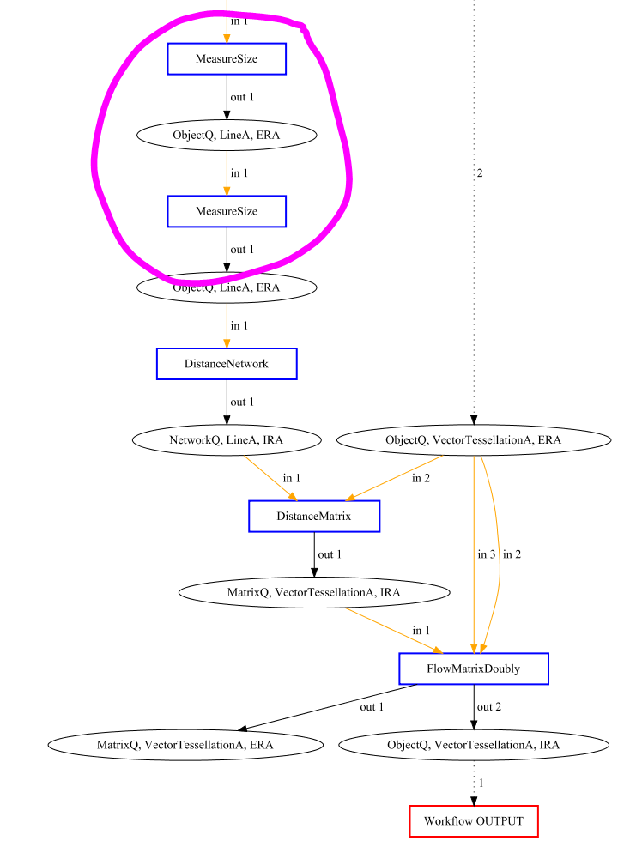
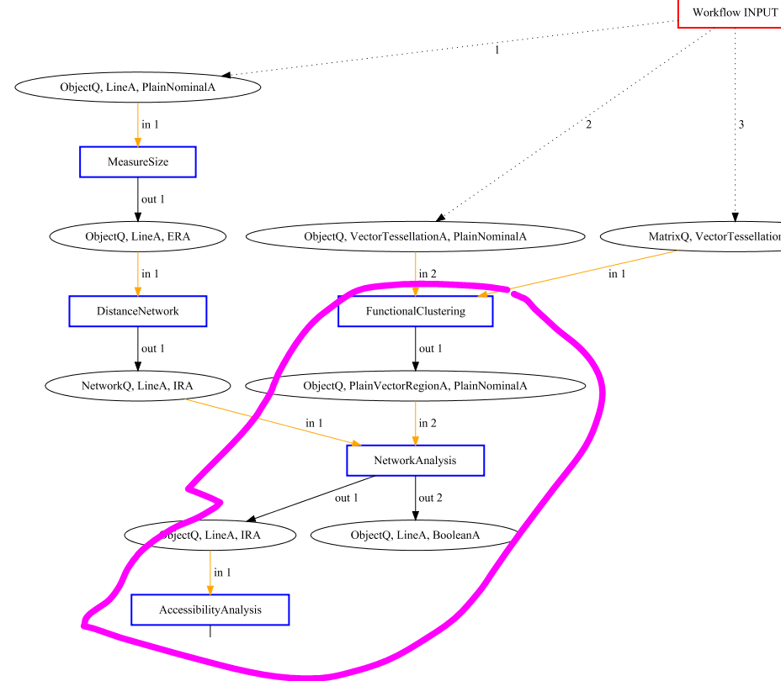
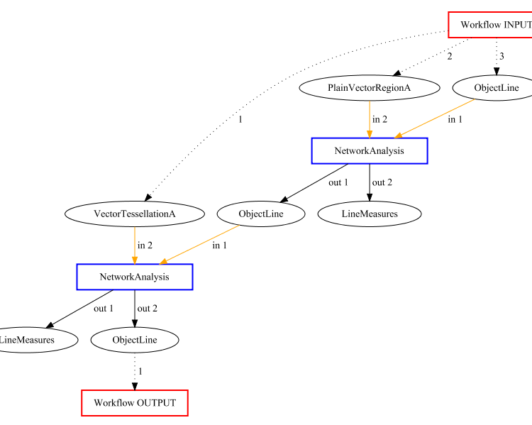
Solution |  | 2.2 | 7.1 | Bench 12.3
Syntax Error | 1 | Measure Size can't feed into Measure Size | Functional Clustering does not feed into NetworkAnalysis which does not feed into AccessiblityAnalysis | Requirements NetworkAnalysis missing
Semantic Error | 1 | FlowMatrixDoubly does not take threshold capacity into account so does not produce desired result | Neither DistanceTable nor TripEndRanking are done | Suggested procedure does not produce desired result
Redundancy Error | 1 | Measure Size after Measure Size | Most Functions performed are redundant | Both NetworkAnalysis Redundant
Data Quality Error | 0 | - | - | -

SyntaxRedun
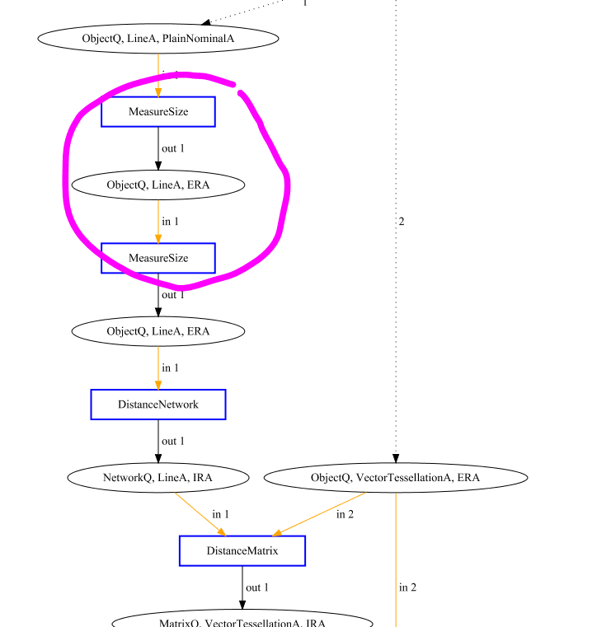
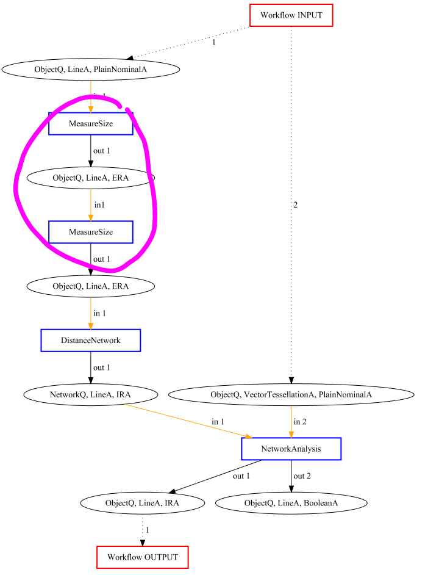
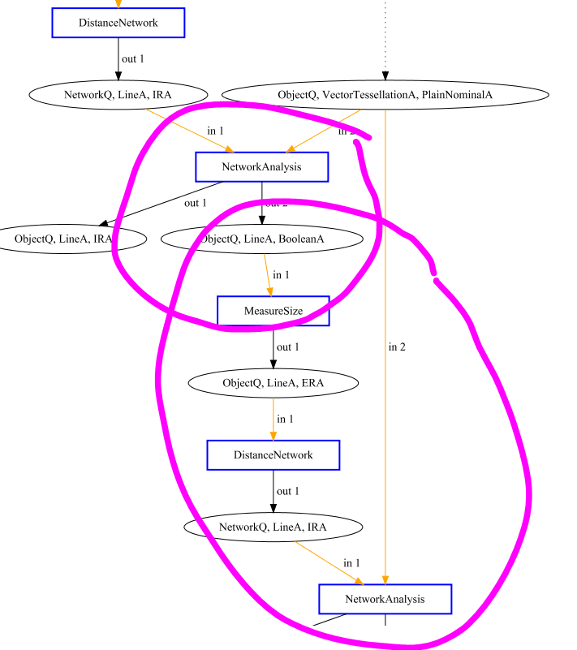
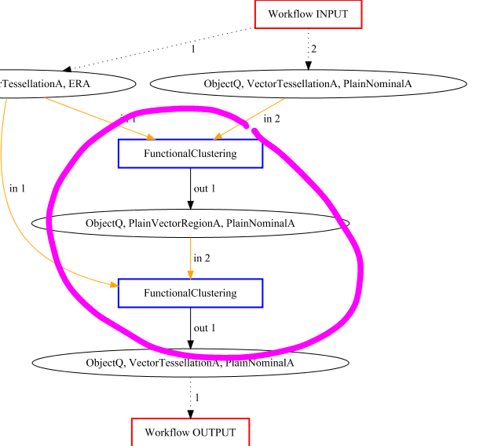
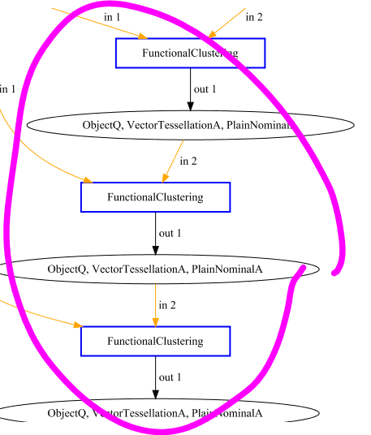
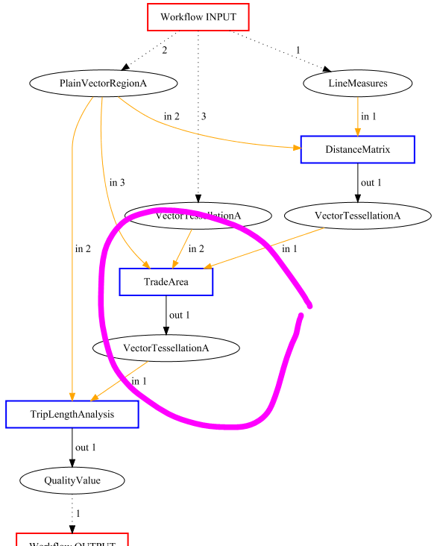
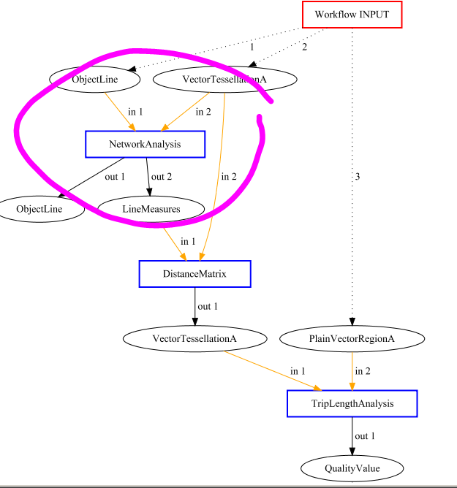
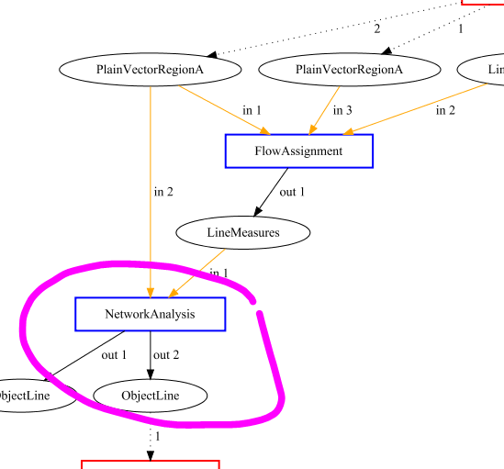
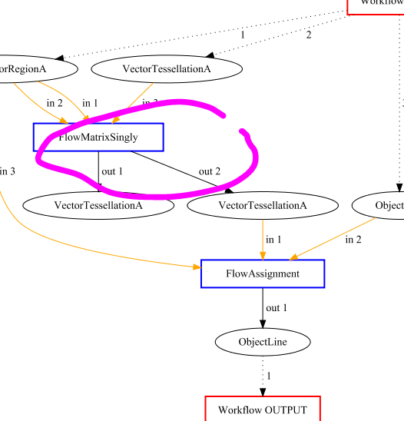
Solution |  | 2.2/4.1/9.4/12.2 | 4.3 | 4.4 | 6.1 | 6.2/6.3/6.4 | Bench 7.3 | Bench 7.4 | Bench 12.1 | Bench 12.2
Syntax Error | 1 | Measure Size can't feed into Measure Size | Network Analysis can't feed into Measure Size | Measure Size can't feed into Measure Size | Functional Clustering can't feed into Functional Clustering | Functional Clustering can't feed into Functional Clustering | Requirements DistanceMatrix missing | Requirements DistanceMatrix missing | Requirements FlowAssignment missing | Requirements FlowAssignment missing
Semantic Error | 0 | - | - |  | - | - | - | - | - | -
Redundancy Error | 1 | Measure Size after Measure Size | Measure Size after Measure Size | Full duplication of procedure | Functional Clustering after Functional Clustering | Functional Clustering after Functional Clustering | Trade Area redundant | NetworkAnalysis redundant | NetworkAnalysis redundant | FlowMatrixSingly redundant
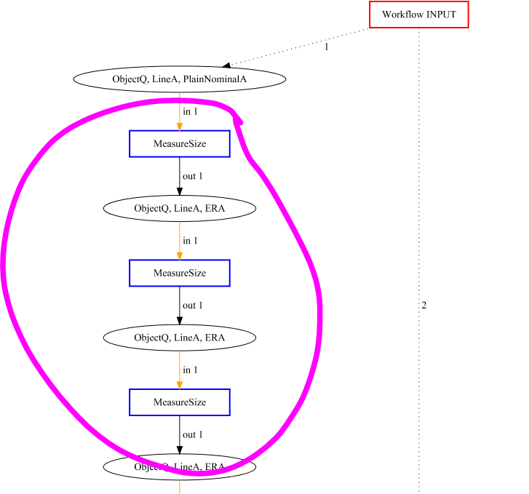
Data Quality Error | 0 | - | - |  | - | - | - | - | - | -

Syntax
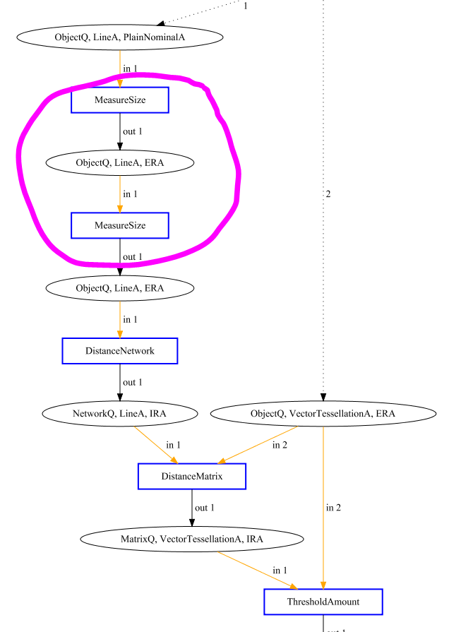
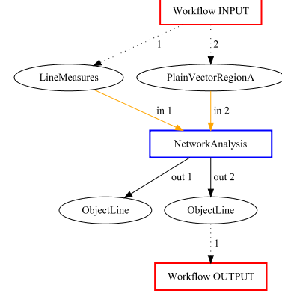
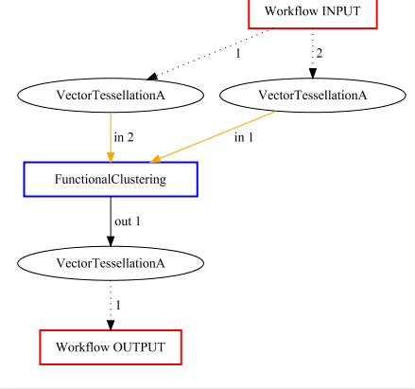
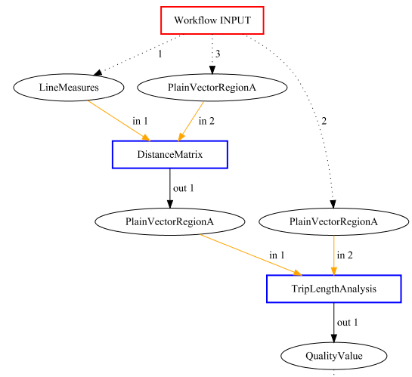
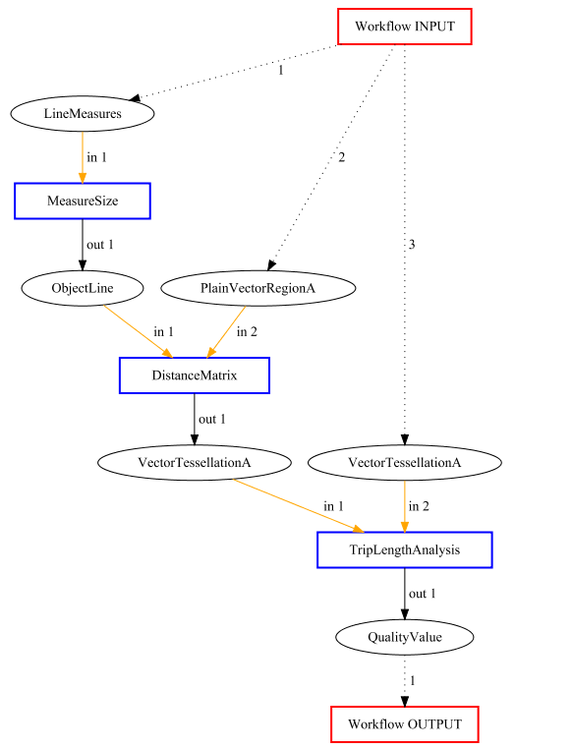
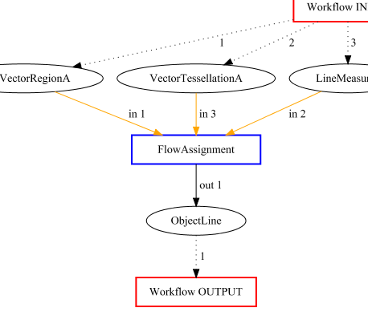
Solution |  | 2.2 | Bench 4.0 | Bench 6.4 | Bench 7.0/8.2 | Bench 7.1/7.2 | Bench 12.0/12.4
Syntax Error | 1 | Measure Size can't feed into Measure Size | Requirements not met for application of NetworkAnalysis | Requirements not met for application of FunctionalClustering | Requirements not met for application of Distance Matrix | Critical Function Missing | Requirements not met for application of FlowAssignment
Semantic Error | 0 | - | - | - | - | - | -
Redundancy Error | 0 | - | - | - | - | - | -
Data Quality Error | 0 | - | - | - | - | - | -

SyntaxSeman
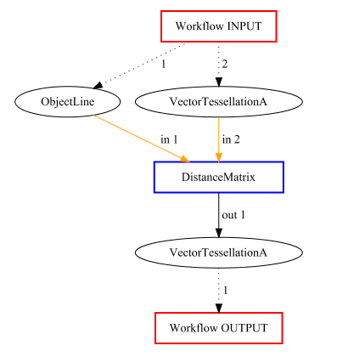
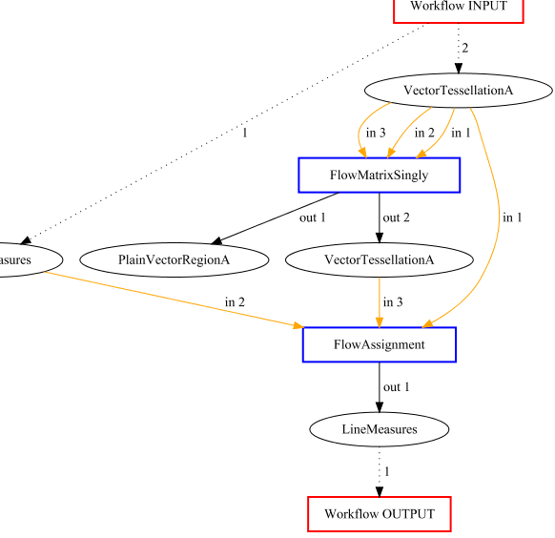
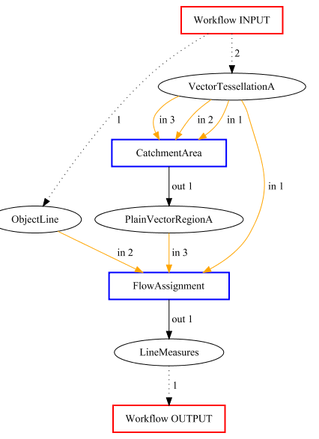
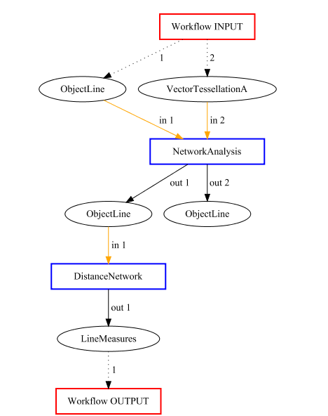
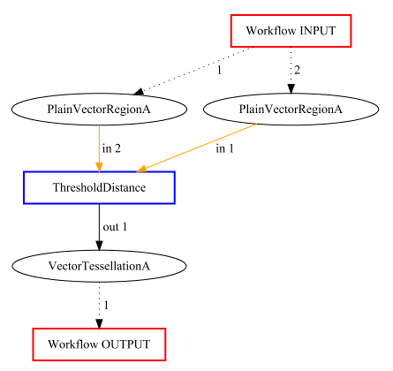
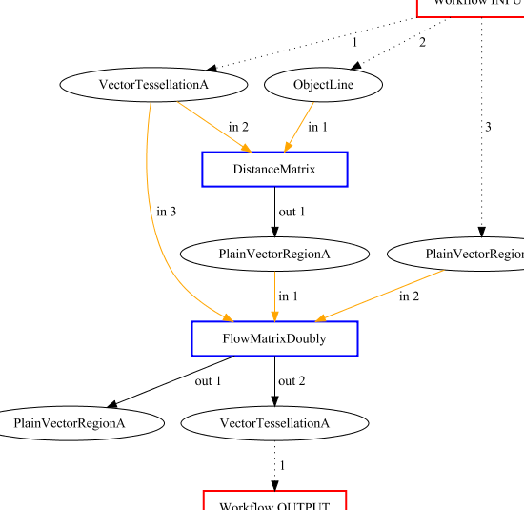
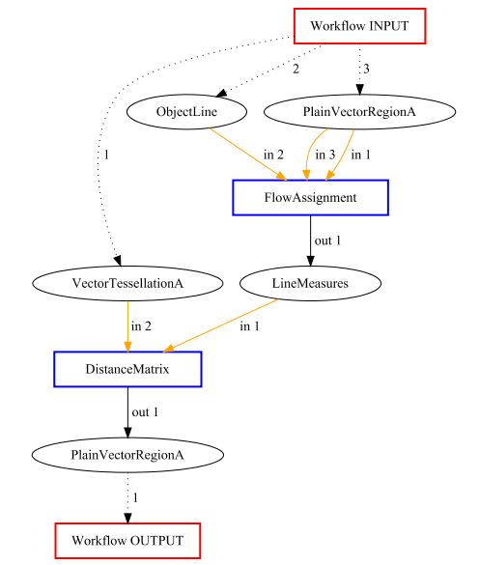
Solution |  | Bench 1.0 | Bench 4.2 | Bench 4.3 | Bench 4.4 | Bench 6.0/6.1/6.2/6.3 | Bench 8.0/9.0/9.2/9.3/9.4/10.0/10.2/10.3/10.4/11.1/11.3 | Bench 8.1/8.3/8.4/9.1/10.1/11.0/11.2/11.4
Syntax Error | 1 | Requirements not met for application of DistanceMatrix | Requirements not met for application of FlowMatrixSingly nor FlowAssignment | Requirements not met for application of CatchmentArea nor FlowAssignment | Requirements not met for application of FlowMatrixSingly nor FlowAssignment | Requirements not met for any suggested application | Requirements not met for DistanceMatrix | Requirements not met for any suggested application
Semantic Error | 1 | A DistanceMatrix is not the desired result | Procedure does not lead to the desired result | Procedure does not lead to the desired result | Procedure does not lead to the desired result | Procedure does not lead to the desired result | Procedure does not lead to the desired result | Procedure does not lead to the desired result
Redundancy Error | 0 | - | - | - | - | - | - | -
Data Quality Error | 0 | - | - | - | - | - | - | -

Seman
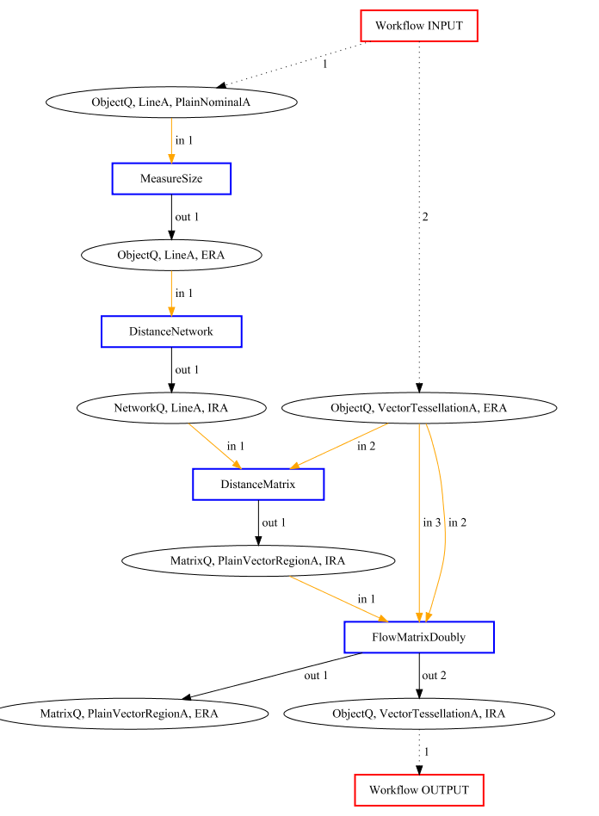
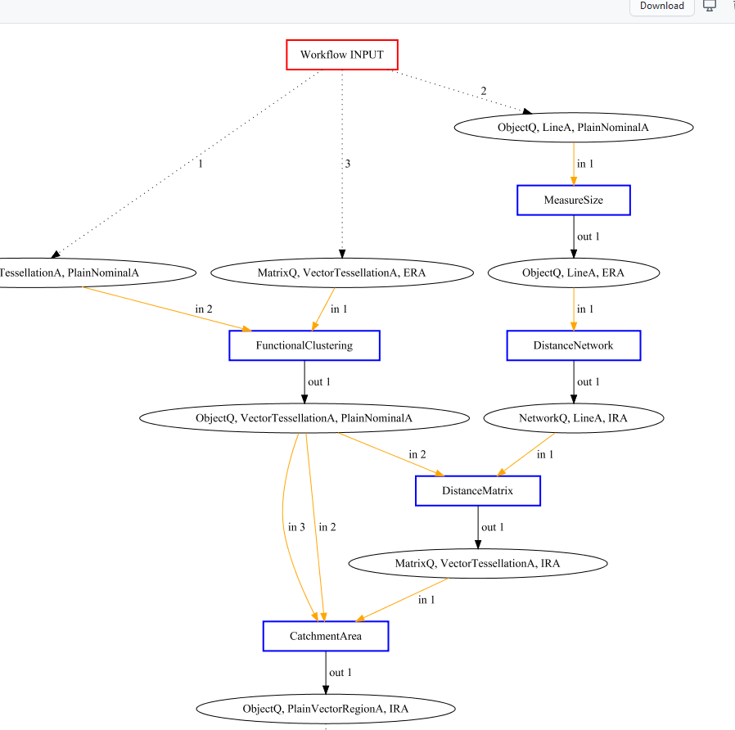
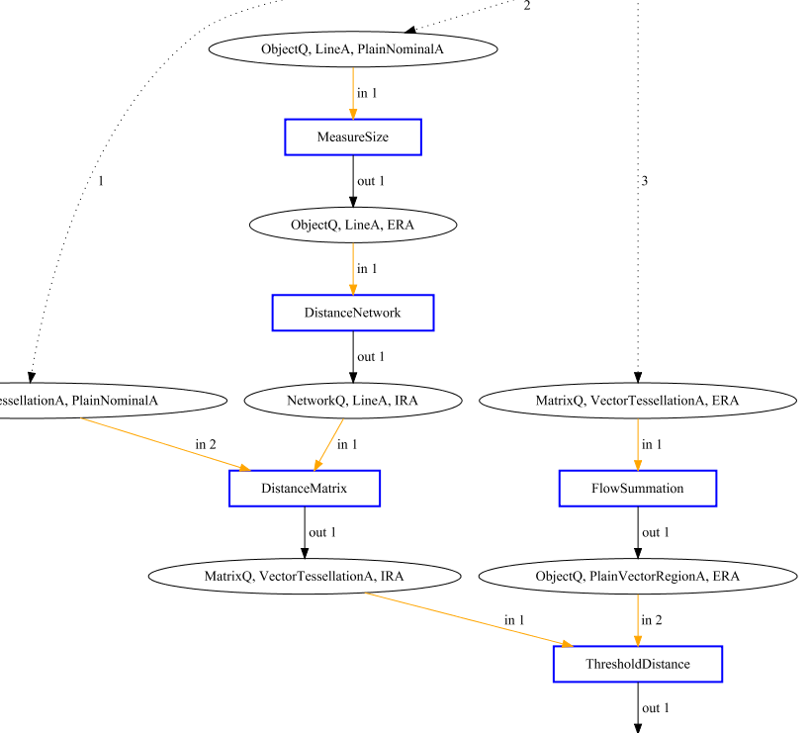
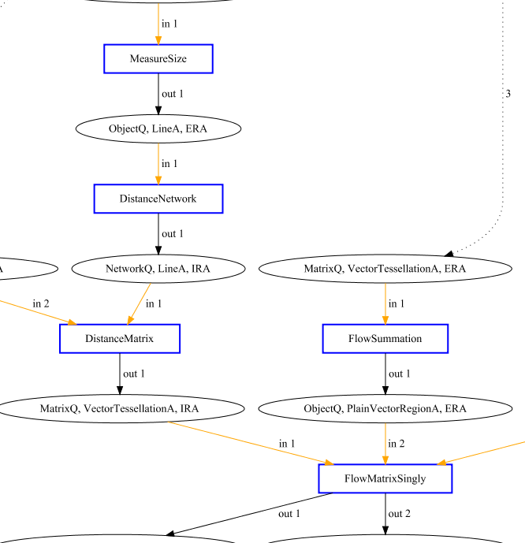
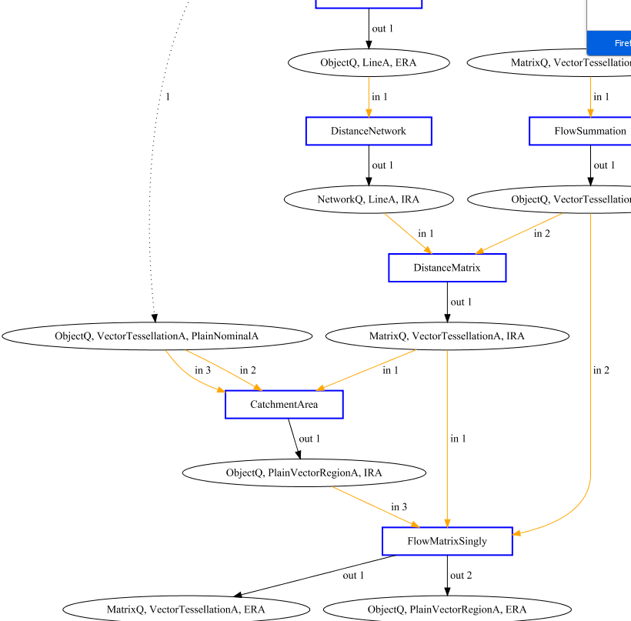
Solution |  | 2.1 | 10.0/10.2 | 10.1/10.2 | 11b.0
Syntax Error | 0 | - | - | - | - | - | - | - | -
Semantic Error | 1 | FlowMatrixDoubly does not take threshold distance into account so does not produce desired result | FunctionalClustering should be FlowSummation, CatchmentArea does not produce Attractivity Estimation | ThresholdDistance does not produce Attractivity Estimation | Catchment Area does not produce proper attractions
Redundancy Error | 0 | - | - | - | - | - | - | - | -
Data Quality Error | 0 | - | - | - | - | - | - | - | -

SemanRedun
Solution |  | 1.1 | 11.4
Syntax Error | 0 | -
Semantic Error | 1 | Does not take threshold distance into account so does not produce desired result | Function FlowDoubly for attraction estimation is missing
Redundancy Error | 1 | Flow Summation after Flow Matrix Doubly | 2nd Flow Summation is Redundant
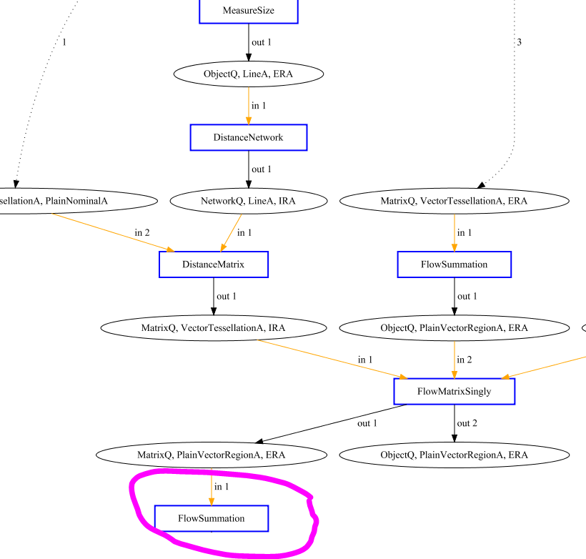
Data Quality Error | 0 | -
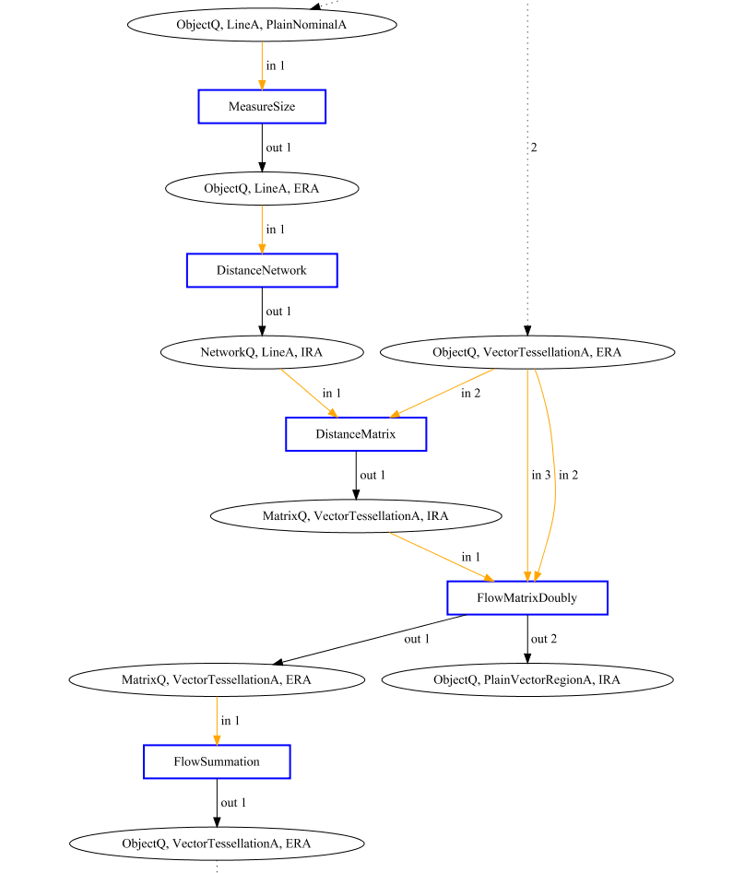
Flowchart

Redun
Solution |  | 1.3 | 4.2 | 7.2/7.3/7.4/12.1/12.3/12.4 | 8.1/8.2/8.3 | 8.4
Syntax Error | 0 | - | - | - | - | -
Semantic Error | 0 | - | - | - | - | -
Redundancy Error | 1 | Threshold Amount after Threshold Amount | DistanceMatrix and CatchmentAreA fully redundant | Functional Clustering is redundant | FlowSummation/Functional Clustering is redundant | 2nd Trade Area is redundant
Data Quality Error | 0 | - | - | - | - | -
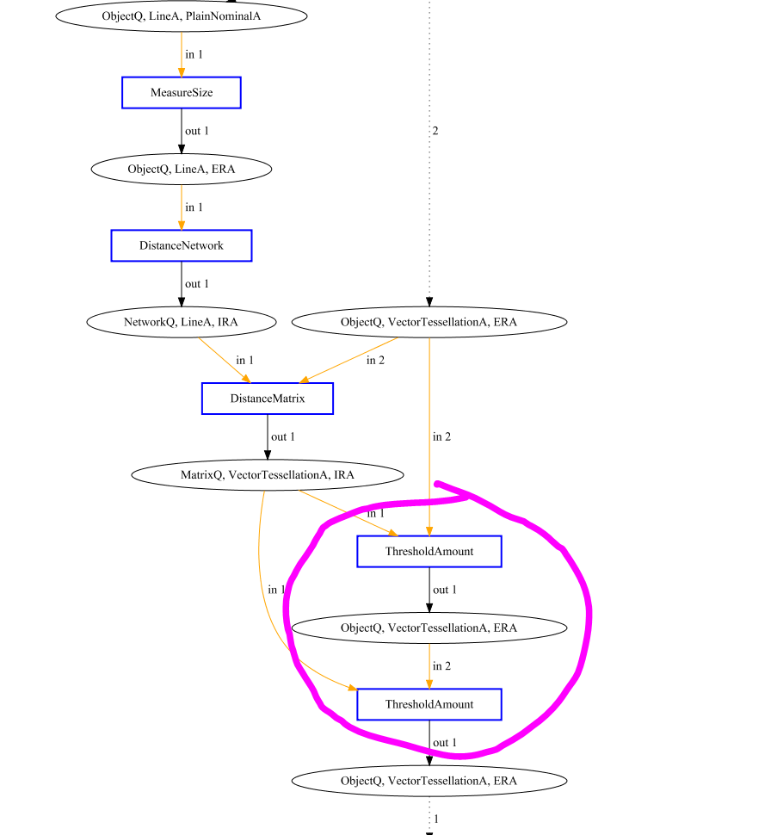
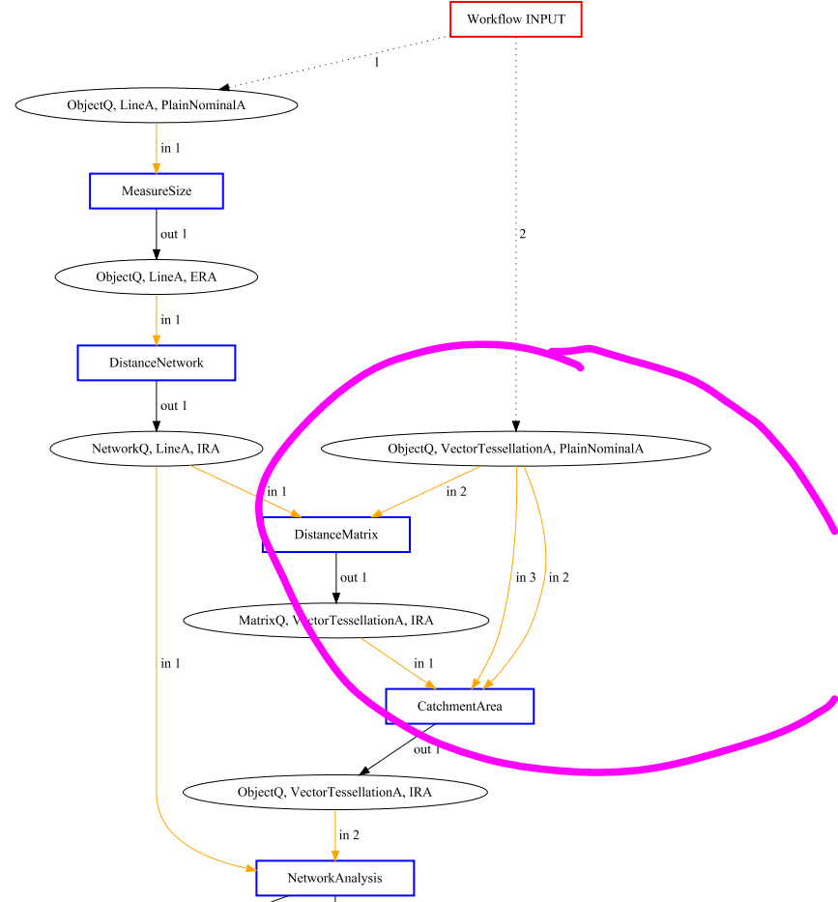
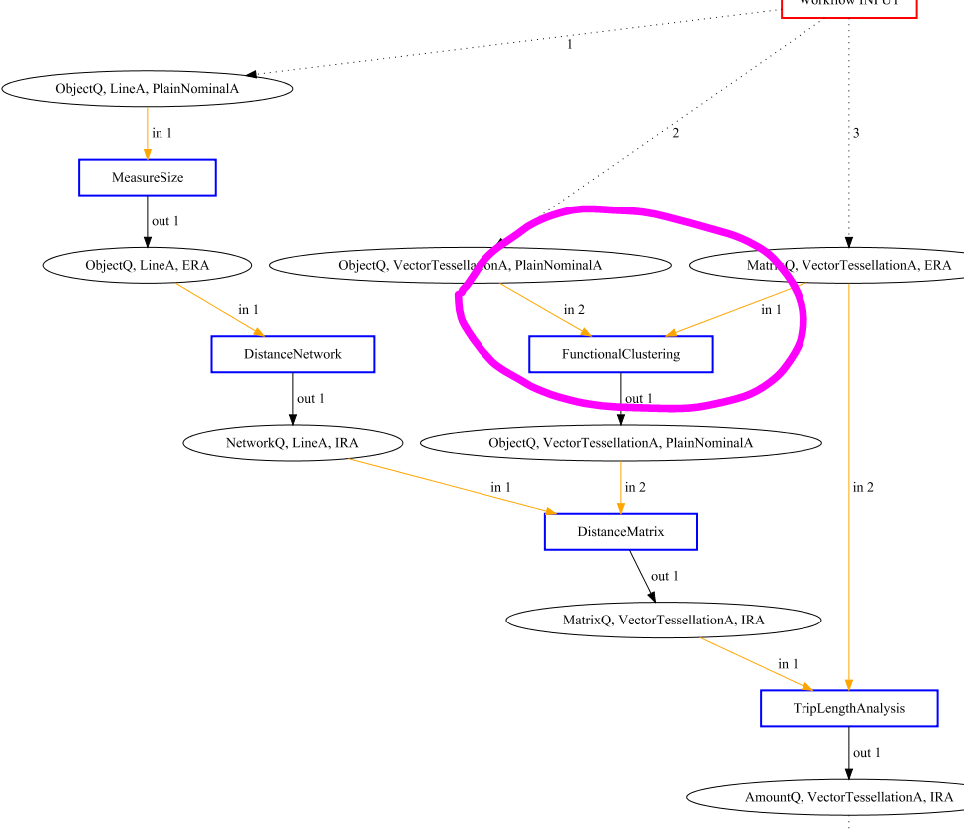
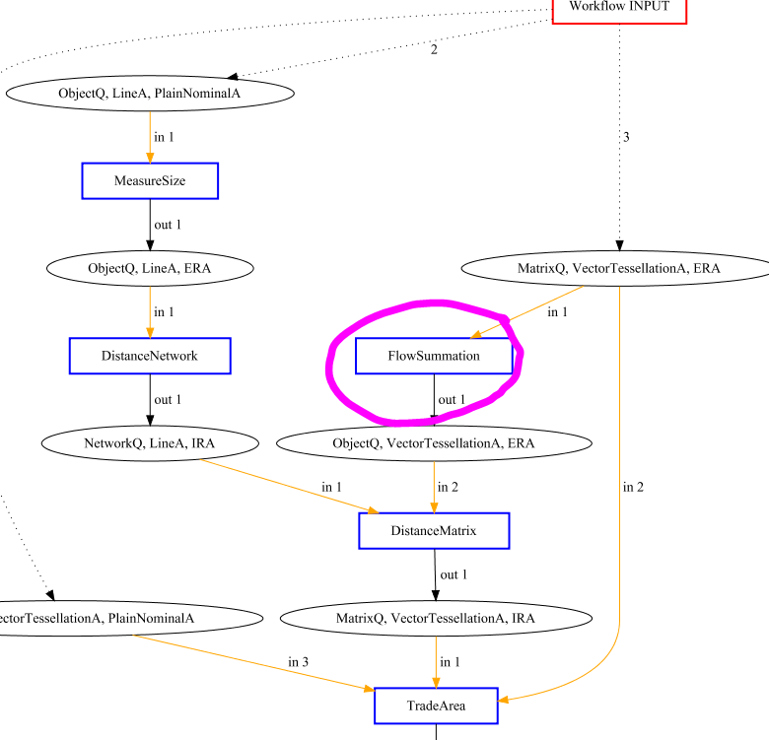
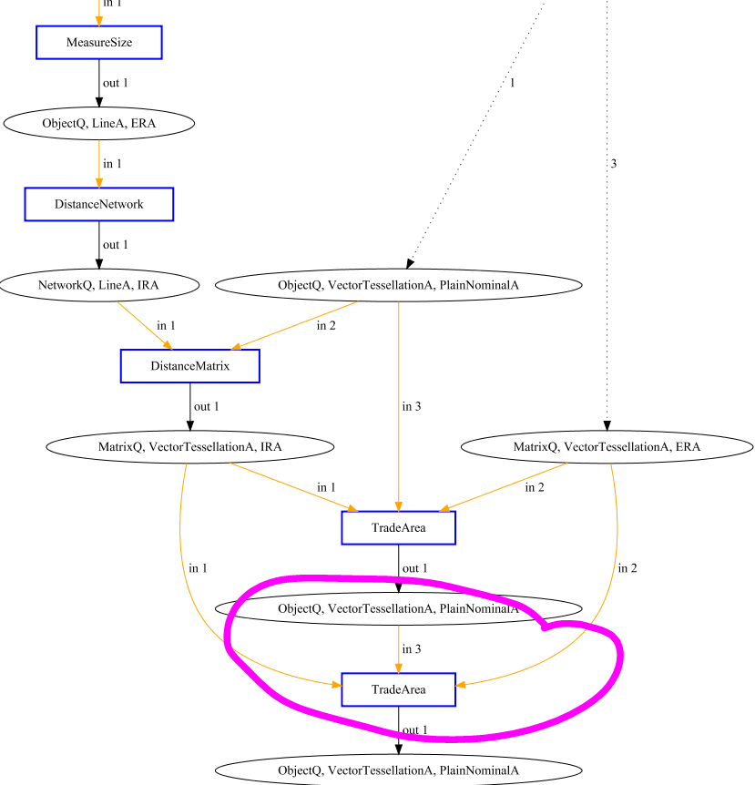
Flowchart

