Sheet1
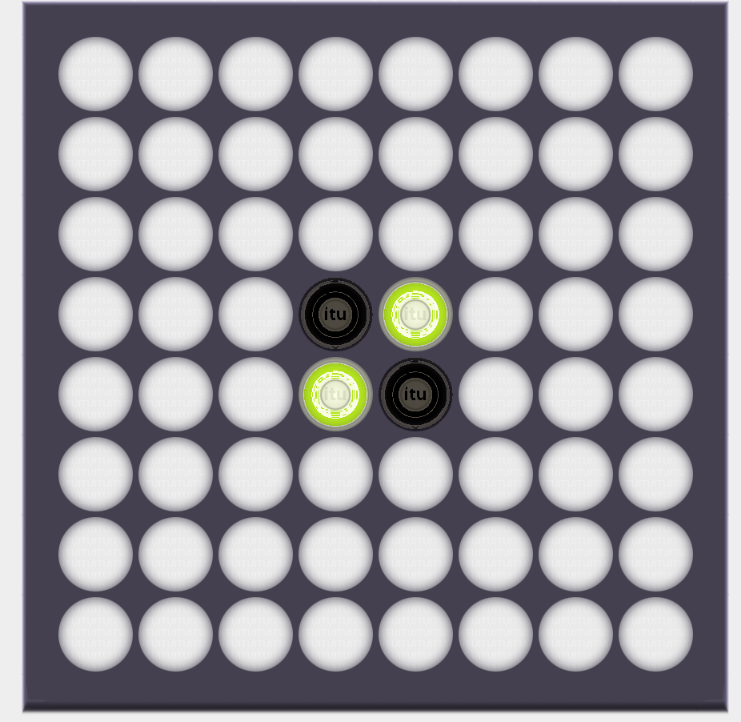
 | 1 | 3 | 2 | 2 | 2 | 2 | 3 | 1
 | 3 | 8 | 6 | 7 | 7 | 6 | 8 | 3
 | 2 | 6 | 4 | 5 | 5 | 4 | 6 | 2
 | 2 | 7 | 5 |  |  | 5 | 7 | 2
 | 2 | 7 | 5 |  |  | 5 | 7 | 2
 | 2 | 6 | 4 | 5 | 5 | 4 | 6 | 2
 | 3 | 8 | 6 | 7 | 7 | 6 | 8 | 3
 | 1 | 3 | 2 | 2 | 2 | 2 | 3 | 1

 | 0 | 1 | 2 | 3 | 4 | 5 | 6 | 7
0 | 8 | 6 | 7 | 7 | 7 | 7 | 6 | 8
1 | 6 | 1 | 3 | 2 | 2 | 3 | 1 | 6
2 | 7 | 3 | 5 | 4 | 4 | 5 | 3 | 7
3 | 7 | 2 | 4 | 5 | 5 | 4 | 2 | 7
4 | 7 | 2 | 4 | 5 | 5 | 4 | 2 | 7
5 | 7 | 3 | 5 | 4 | 4 | 5 | 3 | 7
6 | 6 | 1 | 3 | 2 | 2 | 3 | 1 | 6 | 3.5
7 | 8 | 6 | 7 | 7 | 7 | 7 | 6 | 8

 | 0 | 1 | 2 | 3 | 4 | 5 | 6 | 7
0 | 24.5 | 18.5 | 14.5 | 12.5 | 12.5 | 14.5 | 18.5 | 24.5
1 | 18.5 | 12.5 | 8.5 | 6.5 | 6.5 | 8.5 | 12.5 | 18.5
2 | 14.5 | 8.5 | 4.5 | 2.5 | 2.5 | 4.5 | 8.5 | 14.5
3 | 12.5 | 6.5 | 2.5 | 0.5 | 0.5 | 2.5 | 6.5 | 12.5
4 | 12.5 | 6.5 | 2.5 | 0.5 | 0.5 | 2.5 | 6.5 | 12.5
5 | 14.5 | 8.5 | 4.5 | 2.5 | 2.5 | 4.5 | 8.5 | 14.5
6 | 18.5 | 12.5 | 8.5 | 6.5 | 6.5 | 8.5 | 12.5 | 18.5
7 | 24.5 | 18.5 | 14.5 | 12.5 | 12.5 | 14.5 | 18.5 | 24.5

