Data
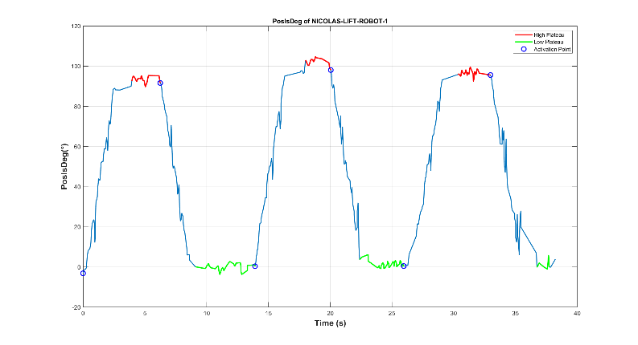
File 1 - 11-45-40
Movement Number | Trigger Type | Timestamp | ARDUINO | Delay
1 | 1 | 2024-12-16 11:46:06 | 2024-12-16 11:46:07 | 0:00:01 | Delay Mediana Trigger 1 | 0:00:01
1 | 0 | 2024-12-16 11:46:12 | 2024-12-16 11:46:13 | 0:00:01 | IQR Trigger 1 | 0:00:00
2 | 1 | 2024-12-16 11:46:20 | 2024-12-16 11:46:21 | 0:00:01 | Delay Mediana Trigger 0 | 0:00:01
2 | 0 | 2024-12-16 11:46:26 | 2024-12-16 11:46:27 | 0:00:01 | IQR Trigger 0 | 0:00:00
3 | 1 | 2024-12-16 11:46:33 | 2024-12-16 11:46:33 | 0:00:00
3 | 0 | 2024-12-16 11:46:39 | 2024-12-16 11:46:40 | 0:00:01

File 2 - 11-51-22
Movement Number | Trigger Type | Timestamp | ARDUINO | Delay
1 | 1 | 0:51:36 | 2024-12-16 11:51:37 | 2024-12-16 11:00:00 | Delay Mediana Trigger 1 | 2024-12-16 11:00:01
1 | 0 | 0:51:44 | 2024-12-16 11:51:45 | 2024-12-16 11:00:01 | IQR Trigger 1 | 0:00:01
2 | 1 | 0:51:48 | 2024-12-16 11:51:49 | 2024-12-16 11:00:01 | Delay Mediana Trigger 0 | 2024-12-16 11:00:01
2 | 0 | 0:51:58 | 2024-12-16 11:51:58 | 2024-12-16 11:00:01 | IQR Trigger 0 | 0:00:00
3 | 1 | 0:52:01 | 2024-12-16 11:52:03 | 2024-12-16 11:00:02
3 | 0 | 0:52:09 | 2024-12-16 11:52:09 | 2024-12-16 11:00:01

File 3 - 11-58-55
Movement Number | Trigger Type | Timestamp | ARDUINO | Delay
1 | 1 | 0:59:05 | 2024-12-16 11:59:06 | 2024-12-16 11:00:00 | Delay Mediana Trigger 1 | 2024-12-16 11:00:01
1 | 0 | 0:59:11 | 2024-12-16 11:59:12 | 2024-12-16 11:00:01 | IQR Trigger 1 | 0:00:01
2 | 1 | 0:59:13 | 2024-12-16 11:59:15 | 2024-12-16 11:00:01 | Delay Mediana Trigger 0 | 2024-12-16 11:00:01
2 | 0 | 0:59:20 | 2024-12-16 11:59:21 | 2024-12-16 11:00:02 | IQR Trigger 0 | 0:00:00
3 | 1 | 0:59:23 | 2024-12-16 11:59:26 | 2024-12-16 11:00:03
3 | 0 | 0:59:30 | 2024-12-16 11:59:31 | 2024-12-16 11:00:01

File 4 - 12-01-43
Movement Number | Trigger Type | Timestamp | ARDUINO | Delay
1 | 1 | 0:02:14 | 2024-12-16 12:02:15 | 2024-12-16 12:00:01 | Delay Mediana Trigger 1 | 2024-12-16 12:00:01
1 | 0 | 0:02:21 | NO |  | IQR Trigger 1 | 0:00:00
2 | 1 | 0:02:21 | NO |  | Delay Mediana Trigger 0 | 2024-12-16 12:00:01
2 | 0 | 0:02:27 | 2024-12-16 12:02:28 | 2024-12-16 12:00:01 | IQR Trigger 0 | 0:00:00
3 | 1 | 0:02:37 | 2024-12-16 12:02:38 | 2024-12-16 12:00:01
3 | 0 | 0:02:42 | NO
4 | 1 | 0:02:42 | NO
4 | 0 | 0:02:48 | 2024-12-16 12:02:48 | 2024-12-16 12:00:00
5 | 1 | 0:02:57 | 2024-12-16 12:02:57 | 2024-12-16 12:00:00
5 | 0 | 0:03:03 | NO
6 | 1 | 0:03:03 | NO
6 | 0 | 0:03:09 | 2024-12-16 12:03:10 | 2024-12-16 12:00:01

File 5 - 12-11-12
Movement Number | Trigger Type | Timestamp | ARDUINO | Delay
1 | 1 | 0:11:40 | 12:11:42 | 12:00:01 | Delay Mediana Trigger 1 | 2024-12-16 12:00:01
1 | 0 | 0:11:47 | 2024-12-16 12:11:47 | 2024-12-16 12:00:01 | IQR Trigger 1 | 00.386
2 | 1 | 0:11:53 | 2024-12-16 12:11:54 | 2024-12-16 12:00:01 | Delay Mediana Trigger 0 | 2024-12-16 12:00:01
2 | 0 | 0:11:58 | NO |  | IQR Trigger 0 | 0:00:00
3 | 1 | 0:11:59 | NO
3 | 0 | 0:12:05 | 2024-12-16 12:12:05 | 2024-12-16 12:00:01
4 | 1 | 0:12:13 | 2024-12-16 12:12:13 | 2024-12-16 12:00:00
4 | 0 | 0:12:20 | 2024-12-16 12:12:20 | 2024-12-16 12:00:01
5 | 1 | 0:12:40 | 2024-12-16 12:12:40 | 2024-12-16 12:00:00
5 | 0 | 0:12:47 | 2024-12-16 12:12:47 | 2024-12-16 12:00:00

Total Trigger 1 | 20
Total Trigger 0 | 20
Successes Trigger 1 | 16
Successes Trigger 0 | 16
% Successes Trigger 1 | 80
% Successes Trigger 0 | 80

Graphs
Delay Target Position (90°)
Trigger 1 |  | IQR/2
5 | 01.003 | 00.193
1 | 01.113 | 00.181
Median | 01.114 | 00.223
2 | 01.437 | 00.409
3 | 01.811 | 00.639

Delay Rest Position (0°)
Trigger 0 |  | IQR/2
5 | 01.029 | 00.076
2 | 01.053 | 00.038
Median | 01.065 | 00.020
4 | 01.203 | 00.153
3 | 01.810 | 00.233

