IO-list
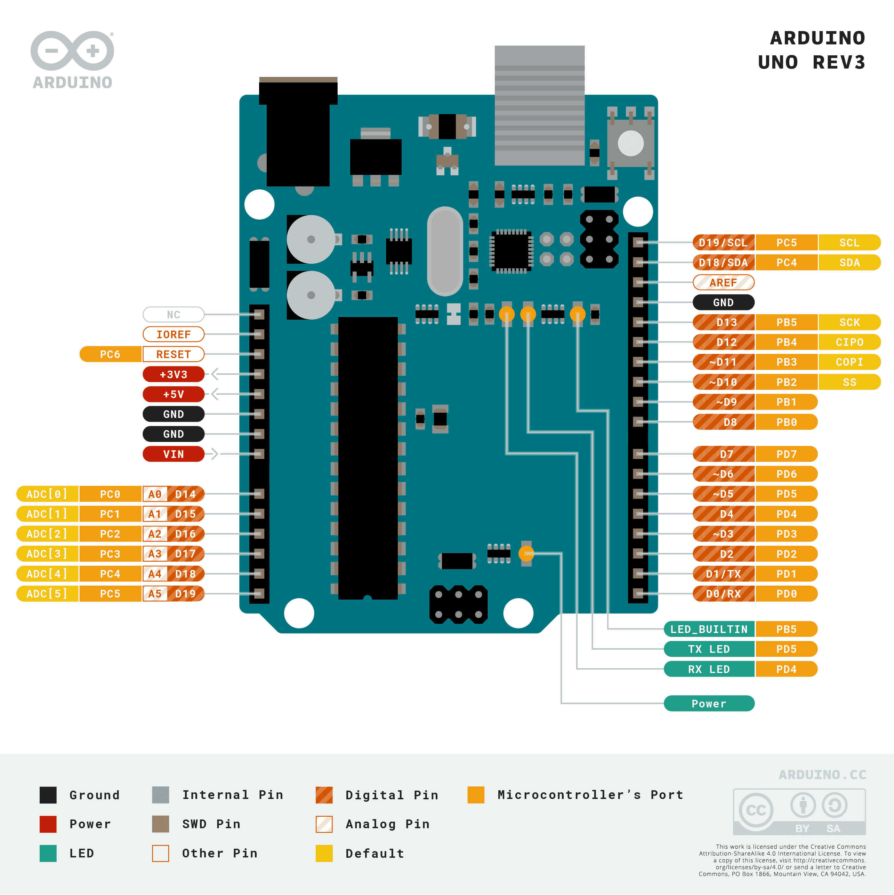
Arduino port | Notation | Description | Type | Function | Comment
GND | - | LED- |  |  | Expand with extra screw terminals
Vin | -
5V | - | LED+ |  |  | Expand with extra screw terminals. Use 220 ohm resistor in series for LED-backlight LED+
3.3V | -
GND | -
IOREF | -
Digital Pin 0 (RX)
Digital Pin 1 (TX)
Digital Pin 2 |  | D7
Digital Pin 3 |  | D6
Digital Pin 4 |  | D5
Digital Pin 5 |  | D7
Digital Pin 6 |  | V0 | DO |  | Adjust PWM for optimal contrast
Digital Pin 7 | PB1 | More water button | DO
Digital Pin 8 | PB2 | Less water button | DO
Digital Pin 9
Digital Pin 10
Digital Pin 11 |  | E
Digital Pin 12 |  | RS
Digital Pin 13
Analog Pin 0 (A0)
Analog Pin 1 (A1)
Analog Pin 2 (A2)
Analog Pin 3 (A3)
Analog Pin 4 (A4)
Analog Pin 5 (A5)
RESET
AREF | -

