UNO
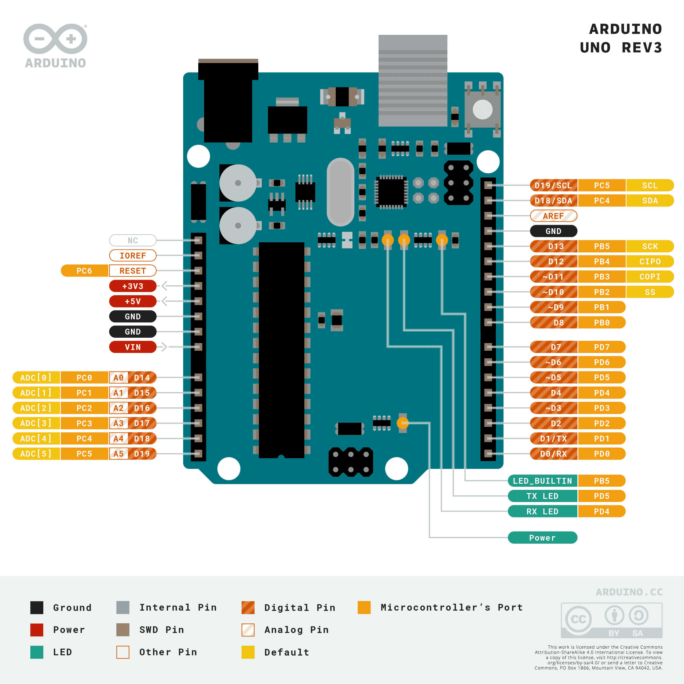
The Arduino Uno is a microcontroller board based on the ATmega328P. It's widely recognized for its simplicity and versatility, making it the go-to choice for many hobbyists, educators, and professionals starting with microcontroller-based projects.
The Uno has 14 digital input/output pins, of which 6 can be used as PWM outputs, and 6 analog inputs. This makes it a suitable platform for a broad range of projects involving sensors, LEDs, motors, and other peripherals.
Operating at a clock speed of 16 MHz, the Uno is well-equipped for a variety of low-to-moderate complexity projects. It comes with a USB interface for programming and power, a power jack for external power sources, an ICSP header for bypass programming, and a reset button.
The Arduino Uno supports SPI and I2C communication, making it capable of interfacing with a wide array of sensors, displays, and other modules. It also comes with a serial interface, handy for communicating with the computer or other serial devices.
The Uno provides 32 KB of Flash memory for storing code (0.5 KB is used by the bootloader), 2 KB of SRAM, and 1 KB of EEPROM, which can be used to store long-term data.
The simplicity, affordability, and robust community support of the Arduino Uno have made it a staple in the world of DIY electronics, education, and prototyping. It's an excellent choice for a wide range of applications, from simple projects like blinky lights and beepers to more complex ones involving sensors, data logging, and basic robotics.

Pin Name | General Functionality | Specifications
GND | Ground | 0V
Vin | Input voltage | 7-12V (recommended)
5V | Power output | 5V, up to 400mA
3.3V | Power output | 3.3V, 50 mA
GND | Ground | 0V
IOREF | I/O Reference | Provides the voltage reference with which the microcontroller operates
Digital Pins 0 (RX) | Serial receive | Input, 40 mA, 5V
Digital Pins 1 (TX) | Serial transmit | Output, 40 mA, 5V
Digital Pins 2-13 | General I/O | Input/Output, 40 mA, 5V
Digital Pins 3, 5, 6, 9, 10, 11 | PWM Output | Output, 40 mA, 5V
Analog Pins 0-5 (A0-A5) | Analog Input | Input, 40 mA, 5V
Analog Pins 4-5 (A4-A5) | I2C (SDA-SCL) | Bidirectional, 40 mA, 5V
Digital Pins 2, 3 | Interrupts (INT0, INT1) | Input, 40 mA, 5V
Digital Pins 10-11, 13 (SS, MOSI, SCK) | SPI | Input/Output, 40 mA, 5V
Digital Pin 12 (MISO) | SPI | Input, 40 mA, 5V
RESET | Reset the Microcontroller | ~5V to reset
AREF | Analog reference voltage for ADC | Input, 0-5V

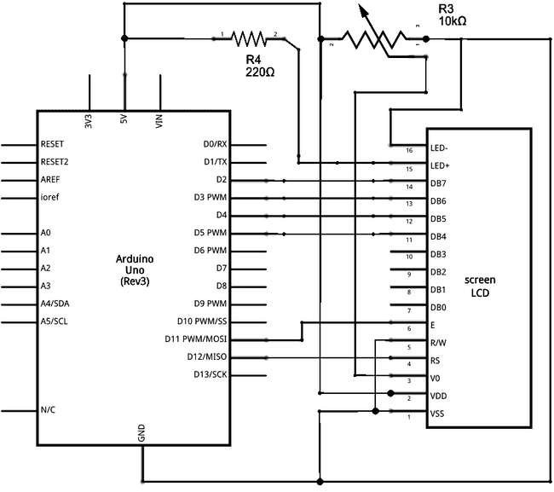
Arduino port | Notation | Description | Type | Function
GND | -
Vin | -
5V | -
3.3V | -
GND | -
IOREF | -
Digital Pin 0 (RX)
Digital Pin 1 (TX)
Digital Pin 2 | Screen*
Digital Pin 3 | Screen*
Digital Pin 4 | Screen*
Digital Pin 5 | Screen*
Digital Pin 6 | PUMP
Digital Pin 7 | MORE_WATER | Press button for more water (+1 liter per push)
Digital Pin 8 | LESS_WATER | Press button for less water (-1 liter per push)
Digital Pin 9 | CONTRAST (screen*) | Adjust pwm to adjust contrast of the screen
Digital Pin 10
Digital Pin 11 | Screen* |  | DO
Digital Pin 12 | Screen*
Digital Pin 13
Analog Pin 0 (A0)
Analog Pin 1 (A1)
Analog Pin 2 (A2)
Analog Pin 3 (A3)
Analog Pin 4 (A4)
Analog Pin 5 (A5)
RESET
AREF | -

MEGA
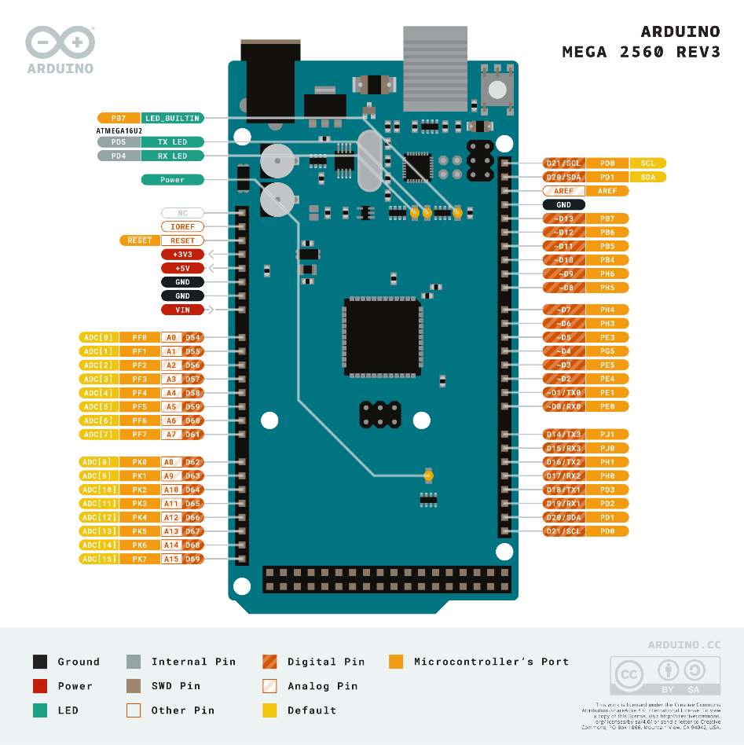

The Arduino Mega 2560 is a microcontroller board based on the ATmega2560 chip. It offers a significant number of I/O pins, with 54 digital I/O (of which 15 can be used as PWM outputs), 16 analog inputs, and 4 hardware serial ports (UARTs). This makes the Mega 2560 a powerful choice for projects requiring numerous sensor inputs or for controlling many outputs simultaneously.
It operates at a clock speed of 16 MHz, providing robust processing capabilities for a wide range of projects. It comes with a USB connection for programming and communicating with the computer, a power jack for external power sources, an ICSP header, and a reset button.
The Mega 2560 supports SPI and I2C communication, allowing it to interface with a variety of sensors, displays, storage devices, and other microcontrollers. It also provides inbuilt support for serial communication, making it a suitable choice for projects involving long-distance communication protocols like RS485 or radio frequency communication.
It comes with 256 KB of Flash memory for storing code (8 KB is used by the bootloader), 8 KB of SRAM, and 4 KB of EEPROM, which can be used to store long-term data.
The Arduino Mega 2560, due to its flexibility and capabilities, is a popular choice for complex projects, including advanced robotics, 3D printers, and other demanding applications.

Pin Name | General Functionality | Specifications
GND | Ground | 0V
Vin | Input voltage | 7-12V (recommended)
5V | Power output | 5V, up to 800mA
3.3V | Power output | 3.3V, 50 mA
GND | Ground | 0V
IOREF | I/O Reference | Provides the voltage reference with which the microcontroller operates
Digital Pins 0 (RX0), Digital Pins 19 (RX1), Digital Pins 17 (RX2), Digital Pins 15 (RX3) | Serial receive | Input, 40 mA, 5V
Digital Pins 1 (TX0), Digital Pins 18 (TX1), Digital Pins 16 (TX2), Digital Pins 14 (TX3) | Serial transmit | Output, 40 mA, 5V
Digital Pins 2-13, 22-53 | General I/O | Input/Output, 40 mA, 5V
Digital Pins 2-13, 44-46 | PWM Output | Output, 40 mA, 5V
Analog Pins 0-15 (A0-A15) | Analog Input | Input, 40 mA, 5V
Digital Pins 20 (SDA), Digital Pins 21 (SCL) | I2C | Bidirectional, 40 mA, 5V
Digital Pins 2, 3, 18, 19, 20, 21 | Interrupts | Input, 40 mA, 5V
Digital Pins 50 (MISO), Digital Pins 51 (MOSI), Digital Pins 52 (SCK), Digital Pins 53 (SS) | SPI | Input/Output, 40 mA, 5V
RESET | Reset the Microcontroller | ~5V to reset
AREF | Analog reference voltage for ADC | Input, 0-5V

Arduino port | Notation | Description | Type | Function
GND
Vin
5V
3.3V
GND
IOREF
Digital Pin 0 (RX0)
Digital Pin 1 (TX0)
Digital Pin 2
Digital Pin 3
Digital Pin 4
Digital Pin 5
Digital Pin 6
Digital Pin 7
Digital Pin 8
Digital Pin 9
Digital Pin 10
Digital Pin 11
Digital Pin 12
Digital Pin 13
Digital Pin 14 (TX3)
Digital Pin 15 (RX3)
Digital Pin 16 (TX2)
Digital Pin 17 (RX2)
Digital Pin 18 (TX1)
Digital Pin 19 (RX1)
Digital Pin 20 (SDA)
Digital Pin 21 (SCL)
Digital Pin 22
Digital Pin 23
Digital Pin 24
Digital Pin 25
Digital Pin 26
Digital Pin 27
Digital Pin 28
Digital Pin 29
Digital Pin 30
Digital Pin 31
Digital Pin 32
Digital Pin 33
Digital Pin 34
Digital Pin 35
Digital Pin 36
Digital Pin 37
Digital Pin 38
Digital Pin 39
Digital Pin 40
Digital Pin 41
Digital Pin 42
Digital Pin 43
Digital Pin 44
Digital Pin 45
Digital Pin 46
Digital Pin 47
Digital Pin 48
Digital Pin 49
Digital Pin 50
Digital Pin 51
Digital Pin 52
Digital Pin 53
Analog Pin 0 (A0)
Analog Pin 1 (A1)
Analog Pin 2 (A2)
Analog Pin 3 (A3)
Analog Pin 4 (A4)
Analog Pin 5 (A5)
Analog Pin 6 (A6)
Analog Pin 7 (A7)
Analog Pin 8 (A8)
Analog Pin 9 (A9)
Analog Pin 10 (A10)
Analog Pin 11 (A11)
Analog Pin 12 (A12)
Analog Pin 13 (A13)
Analog Pin 14 (A14)
Analog Pin 15 (A15)
RESET
AREF

ESP32 DEV MODULE
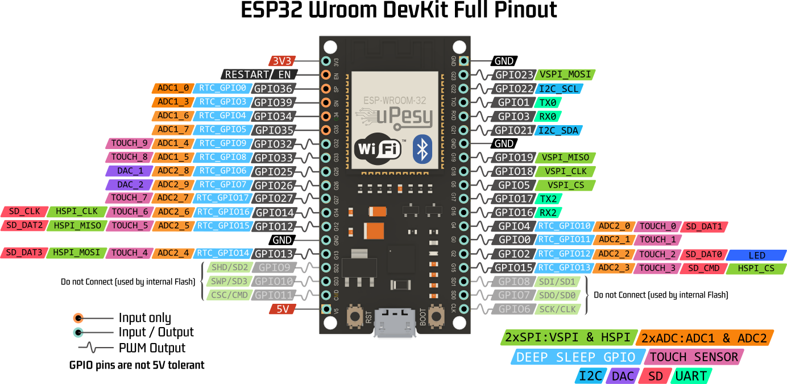
The ESP32 WROOM Development Module is a low-cost, low-power system on a chip (SoC) series developed by Espressif Systems. It integrates an Xtensa® dual-core 32-bit LX6 microprocessor, operating at frequencies up to 240 MHz.
With built-in Wi-Fi and Bluetooth capabilities, the ESP32 is ideal for Internet of Things (IoT) applications and smart device development. The board has a vast range of hardware peripherals, including capacitive touch sensors, Hall effect sensor, low noise sense amplifiers, SD card interface, Ethernet, high-speed SPI, UART, I2S, and I2C.
For handling complex or floating-point mathematical operations, the ESP32 has a built-in digital signal processor (DSP). It also provides support for secure boot and flash encryption features, which help improve the safety of applications.
The ESP32 is capable of functioning reliably in industrial environments, with an operating temperature ranging from -40°C to +125°C. With its combination of performance, security features, and ease of use, the ESP32 is a highly flexible choice for projects ranging from low-power sensor networks to more demanding tasks such as music streaming.

Pin Name | General Functionality | Specifications
3.3V | Power output | 3.3V
GND | Ground | 0V
EN | Chip Enable | Pull down to reset
VP (GPIO36) | ADC1_CH0 | Input, 3.3V
VN (GPIO39) | ADC1_CH3 | Input, 3.3V
GPIO34 | ADC1_CH6 | Input, 3.3V
GPIO35 | ADC1_CH7 | Input, 3.3V
GPIO32 | ADC1_CH4, TOUCH9, RTC_GPIO9 | Input/Output, 3.3V
GPIO33 | ADC1_CH5, TOUCH8, RTC_GPIO8 | Input/Output, 3.3V
GPIO25 | ADC2_CH8, DAC_1 | Input/Output, 3.3V
GPIO26 | ADC2_CH9, DAC_2 | Input/Output, 3.3V
GPIO27 | ADC2_CH7, TOUCH7 | Input/Output, 3.3V
GPIO14 | ADC2_CH6, TOUCH6, RTC_GPIO16, MTMS | Input/Output, 3.3V
GPIO12 | ADC2_CH5, TOUCH5, RTC_GPIO15, MTDI | Input/Output, 3.3V
GPIO13 | ADC2_CH4, TOUCH4, RTC_GPIO17, MTCK | Input/Output, 3.3V
GPIO9 | MTDI, SDD2 | Input/Output, 3.3V
GPIO10 | MTCK, SDD3 | Input/Output, 3.3V
GPIO15 | ADC2_CH3, TOUCH3, MTDO, HSPICS0 | Input/Output, 3.3V
GPIO2 | ADC2_CH2, TOUCH2, HSPID | Input/Output, 3.3V
GPIO0 | ADC2_CH1, TOUCH1, CLK_OUT1 | Input/Output, 3.3V
GPIO4 | ADC2_CH0, TOUCH0, CLK_OUT2 | Input/Output, 3.3V
GPIO16 | RTC_GPIO4 | Input/Output, 3.3V
GPIO17 | RTC_GPIO5 | Input/Output, 3.3V
GPIO5 | HSPI_SS/CS | Input/Output, 3.3V
GPIO18 | HSPI_CLK | Input/Output, 3.3V
GPIO19 | HSPI_MISO | Input/Output, 3.3V
GPIO21 | I2C_SDA | Input/Output, 3.3V
GPIO22 | I2C_SCL | Input/Output, 3.3V
GPIO23 | HSPI_MOSI | Input/Output, 3.3V
TXD0 | UART Transmit | Output, 3.3V
RXD0 | UART Receive | Input, 3.3V
GPIO1 | U0TXD | Output, 3.3V
GPIO3 | U0RXD | Input, 3.3V
RST | Reset | ~3.3V to reset
VIN | Power Input | 5V or 3.3V, depending on the board version

General |  |  |  | Project specific
Pin Name | Alias | Extra Functionality |  | Notation (Name in code) | Description | Type
EN | ENABLE | -
VP (GPIO36) | SENSOR_VP | ADC1_CH0 | Digital I/O
VN (GPIO39) | SENSOR_VN | ADC1_CH3 | Digital I/O
GPIO34 | ADC1_CHANNEL_6 | Digital I/O
GPIO35 | ADC1_CHANNEL_7 | Digital I/O
GPIO32 | ADC1_CHANNEL_4/TOUCH9 | RTC_GPIO_9 | Digital I/O
GPIO33 | ADC1_CHANNEL_5/TOUCH8 | RTC_GPIO_8 | Digital I/O
GPIO25 | ADC2_CHANNEL_8/DAC_1 | Digital I/O
GPIO26 | ADC2_CHANNEL_9/DAC_2 | Digital I/O
GPIO27 | ADC2_CHANNEL_7/TOUCH7 | Digital I/O
GPIO14 | ADC2_CHANNEL_6/TOUCH6/HSCLK | RTC_GPIO_16 | Digital I/O
GPIO12 | ADC2_CHANNEL_5/TOUCH5/MTDI | RTC_GPIO_15 | Digital I/O
GPIO13 | ADC2_CHANNEL_4/TOUCH4/MTCK | RTC_GPIO_17 | Digital I/O
GPIO9 | SD_DATA_2 | MTDI | Digital I/O
GPIO10 | SD_DATA_3 | MTCK | Digital I/O
GPIO15 | ADC2_CHANNEL_3/TOUCH3/MTDO | HSPICS0 | Digital I/O
GPIO2 | ADC2_CHANNEL_2/TOUCH2/HSPI_MOSI | Digital I/O
GPIO0 | ADC2_CHANNEL_1/TOUCH1/CLK_OUT1 | Digital I/O
GPIO4 | ADC2_CHANNEL_0/TOUCH0/CLK_OUT2 | Digital I/O
GPIO16 | RTC_GPIO_4 | Digital I/O
GPIO17 | RTC_GPIO_5 | Digital I/O
GPIO5 | VSPICS0/HSPI_CS | Digital I/O
GPIO18 | VSPICLK/HSPI_CLK | Digital I/O
GPIO19 | VSPICQ/HSPI_MISO | Digital I/O
GPIO21 | SDA/I2C_SDA | Digital I/O
GPIO22 | SCL/I2C_SCL | Digital I/O
GPIO23 | VSPID/HSPI_MOSI | Digital I/O
TXD0 | U0TXD | -
RXD0 | U0RXD | -
GPIO1 | U0TXD | Digital I/O
GPIO3 | U0RXD | Digital I/O
RST | RESET | -
VIN | VV5 | -
3.3V | VV3 | -
GND | GND | -

