familiarity
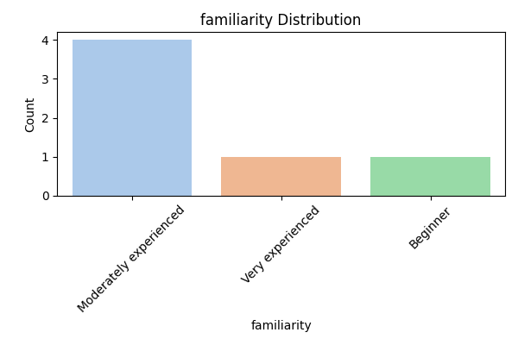
familiarity Value Counts
familiarity | Count
Moderately experienced | 4
Very experienced | 1
Beginner | 1

familiarity Percentages
familiarity | Percentage
Moderately experienced | 66.666666667
Very experienced | 16.666666667
Beginner | 16.666666667

familiarity Summary Stats
Metric | Value
count | 6
unique | 3
top | Moderately experienced
freq | 4

information_sources
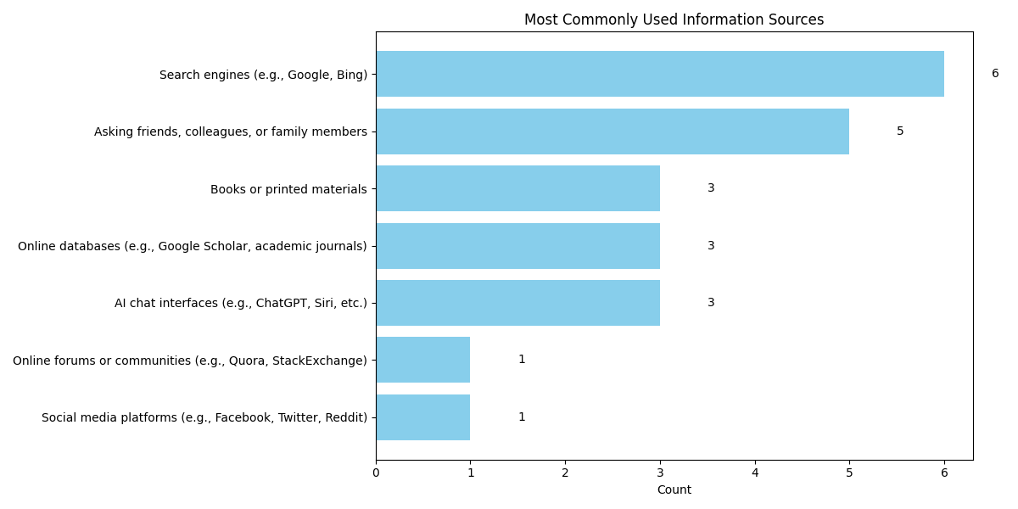
Most Commonly Used Information Sources
Source | Count
Social media platforms (e.g., Facebook, Twitter, Reddit) | 1
Online forums or communities (e.g., Quora, StackExchange) | 1
AI chat interfaces (e.g., ChatGPT, Siri, etc.) | 3
Online databases (e.g., Google Scholar, academic journals) | 3
Books or printed materials | 3
Asking friends, colleagues, or family members | 5
Search engines (e.g., Google, Bing) | 6

ai_experience
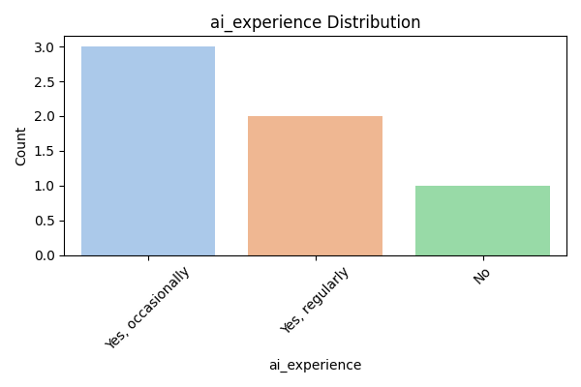
ai_experience Value Counts
ai_experience | Count
Yes, occasionally | 3
Yes, regularly | 2
No | 1

ai_experience Percentages
ai_experience | Percentage
Yes, occasionally | 50
Yes, regularly | 33.333333333
No | 16.666666667

ai_experience Summary Stats
Metric | Value
count | 6
unique | 3
top | Yes, occasionally
freq | 3

ai_usage
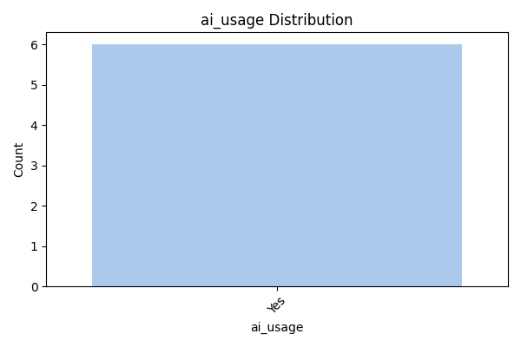
ai_usage Value Counts
ai_usage | Count
Yes | 6

ai_usage Percentages
ai_usage | Percentage
Yes | 100

ai_usage Summary Stats
Metric | Value
count | 6
unique | 1
top | Yes
freq | 6

ai_frequency
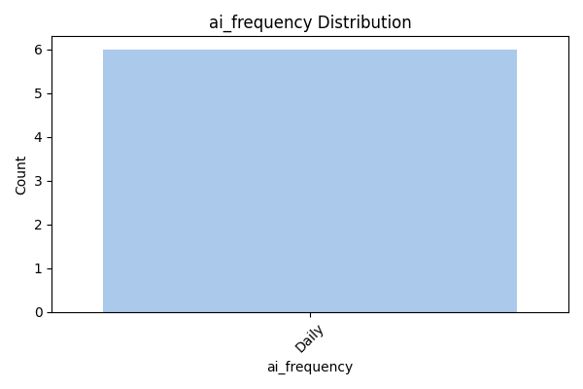
ai_frequency Value Counts
ai_frequency | Count
Daily | 6

ai_frequency Percentages
ai_frequency | Percentage
Daily | 100

ai_frequency Summary Stats
Metric | Value
count | 6
unique | 1
top | Daily
freq | 6

ai_satisfaction
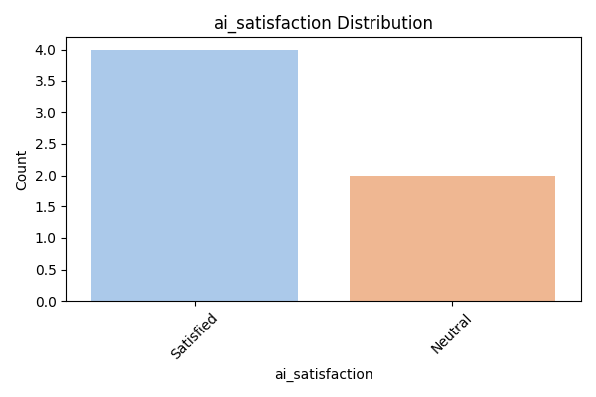
ai_satisfaction Value Counts
ai_satisfaction | Count
Satisfied | 4
Neutral | 2

ai_satisfaction Percentages
ai_satisfaction | Percentage
Satisfied | 66.666666667
Neutral | 33.333333333

ai_satisfaction Summary Stats
Metric | Value
count | 6
unique | 2
top | Satisfied
freq | 4

AI was easy to use
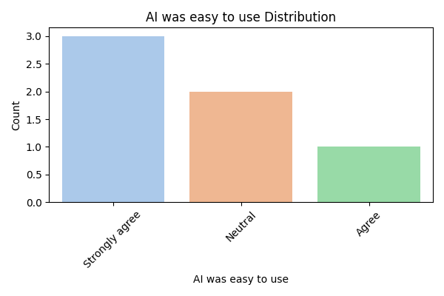
AI was easy to use Value Counts
AI was easy to use | Count
Strongly agree | 3
Neutral | 2
Agree | 1

AI was easy to use Percentages
AI was easy to use | Percentage
Strongly agree | 50
Neutral | 33.333333333
Agree | 16.666666667

AI was easy to use Summary Stats
Metric | Value
count | 6
unique | 3
top | Strongly agree
freq | 3

AI gave clear answers
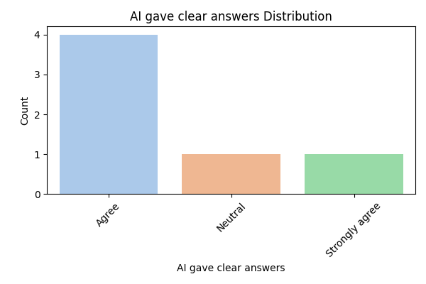
AI gave clear answers Value Counts
AI gave clear answers | Count
Agree | 4
Neutral | 1
Strongly agree | 1

AI gave clear answers Percentages
AI gave clear answers | Percentage
Agree | 66.666666667
Neutral | 16.666666667
Strongly agree | 16.666666667

AI gave clear answers Summary Stats
Metric | Value
count | 6
unique | 3
top | Agree
freq | 4

Highlights improved understandi
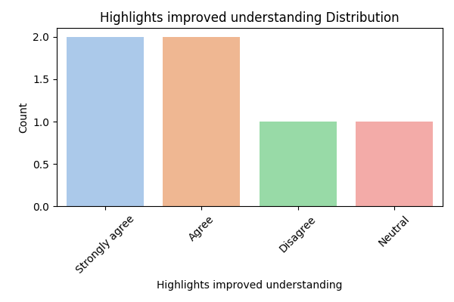
Highlights improved understanding Value Counts
Highlights improved understanding | Count
Strongly agree | 2
Agree | 2
Disagree | 1
Neutral | 1

Highlights improved understanding Percentages
Highlights improved understanding | Percentage
Strongly agree | 33.333333333
Agree | 33.333333333
Disagree | 16.666666667
Neutral | 16.666666667

Highlights improved understanding Summary Stats
Metric | Value
count | 6
unique | 4
top | Strongly agree
freq | 2

AI helped critical thinking
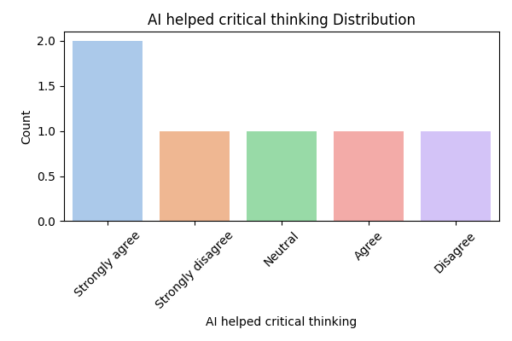
AI helped critical thinking Value Counts
AI helped critical thinking | Count
Strongly agree | 2
Strongly disagree | 1
Neutral | 1
Agree | 1
Disagree | 1

AI helped critical thinking Percentages
AI helped critical thinking | Percentage
Strongly agree | 33.333333333
Strongly disagree | 16.666666667
Neutral | 16.666666667
Agree | 16.666666667
Disagree | 16.666666667

AI helped critical thinking Summary Stats
Metric | Value
count | 6
unique | 5
top | Strongly agree
freq | 2

I noticed source or content err
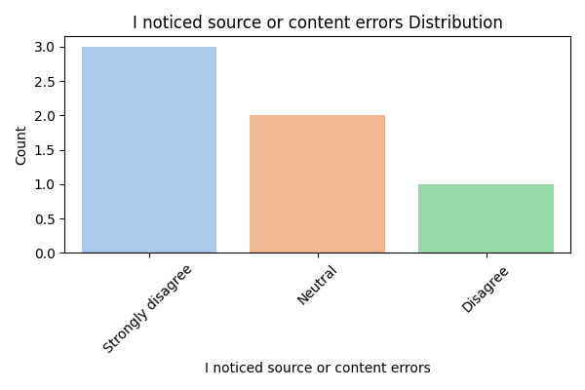
I noticed source or content errors Value Counts
I noticed source or content errors | Count
Strongly disagree | 3
Neutral | 2
Disagree | 1

I noticed source or content errors Percentages
I noticed source or content errors | Percentage
Strongly disagree | 50
Neutral | 33.333333333
Disagree | 16.666666667

I noticed source or content errors Summary Stats
Metric | Value
count | 6
unique | 3
top | Strongly disagree
freq | 3

I checked the sources
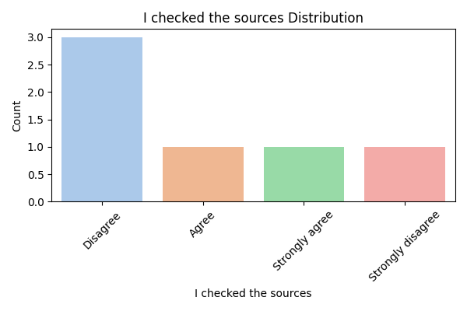
I checked the sources Value Counts
I checked the sources | Count
Disagree | 3
Agree | 1
Strongly agree | 1
Strongly disagree | 1

I checked the sources Percentages
I checked the sources | Percentage
Disagree | 50
Agree | 16.666666667
Strongly agree | 16.666666667
Strongly disagree | 16.666666667

I checked the sources Summary Stats
Metric | Value
count | 6
unique | 4
top | Disagree
freq | 3

I asked follow-up questions
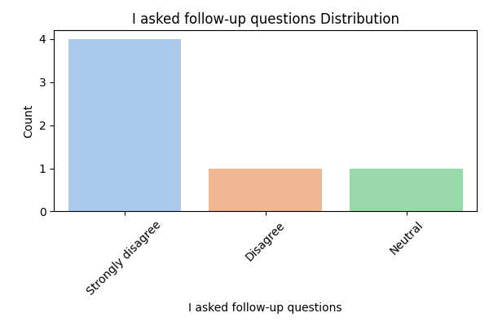
I asked follow-up questions Value Counts
I asked follow-up questions | Count
Strongly disagree | 4
Disagree | 1
Neutral | 1

I asked follow-up questions Percentages
I asked follow-up questions | Percentage
Strongly disagree | 66.666666667
Disagree | 16.666666667
Neutral | 16.666666667

I asked follow-up questions Summary Stats
Metric | Value
count | 6
unique | 3
top | Strongly disagree
freq | 4

positive experience
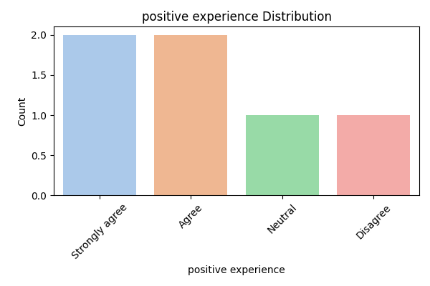
positive experience Value Counts
positive experience | Count
Strongly agree | 2
Agree | 2
Neutral | 1
Disagree | 1

positive experience Percentages
positive experience | Percentage
Strongly agree | 33.333333333
Agree | 33.333333333
Neutral | 16.666666667
Disagree | 16.666666667

positive experience Summary Stats
Metric | Value
count | 6
unique | 4
top | Strongly agree
freq | 2

Useful for academic use
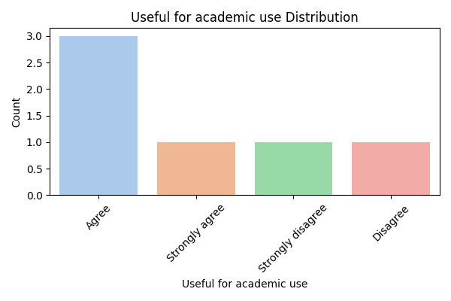
Useful for academic use Value Counts
Useful for academic use | Count
Agree | 3
Strongly agree | 1
Strongly disagree | 1
Disagree | 1

Useful for academic use Percentages
Useful for academic use | Percentage
Agree | 50
Strongly agree | 16.666666667
Strongly disagree | 16.666666667
Disagree | 16.666666667

Useful for academic use Summary Stats
Metric | Value
count | 6
unique | 4
top | Agree
freq | 3

participant_scores
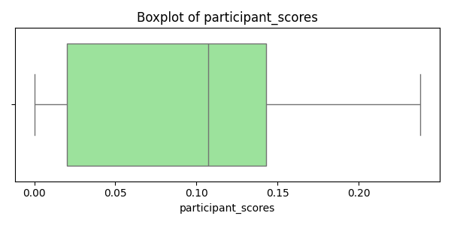
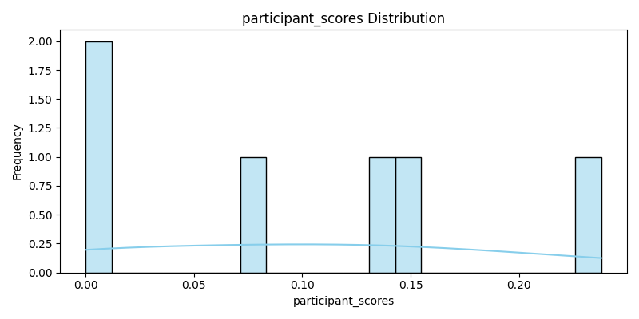
participant_scores Summary Statistics
Metric | Value
count | 6
mean | 0.099666666667
std | 0.092428711268
min | 0
25% | 0.02
50% | 0.107
75% | 0.143
max | 0.238
median | 0.107

Chat Submission
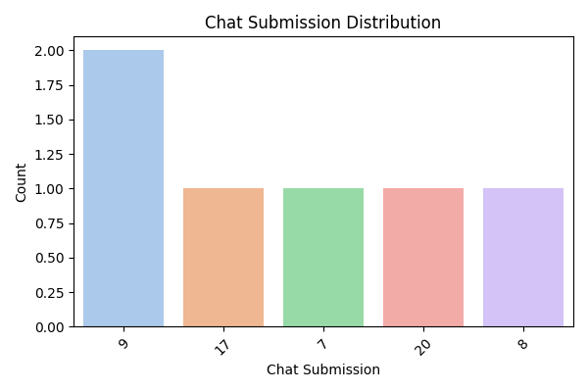
Chat Submission Value Counts
Chat Submission | Count
9 | 2
17 | 1
7 | 1
20 | 1
8 | 1

Chat Submission Percentages
Chat Submission | Percentage
9 | 33.333333333
17 | 16.666666667
7 | 16.666666667
20 | 16.666666667
8 | 16.666666667

Chat Submission Summary Stats
Metric | Value
count | 6
mean | 11.666666667
std | 5.4283207962
min | 7
25% | 8.25
50% | 9
75% | 15
max | 20

Source Click
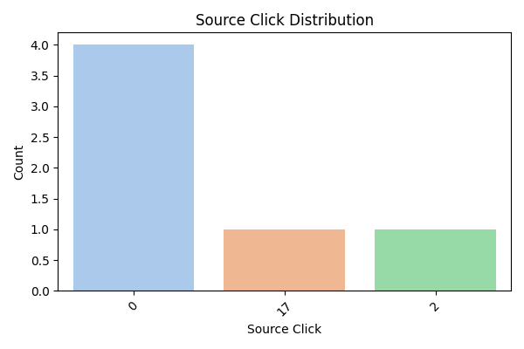
Source Click Value Counts
Source Click | Count
0 | 4
17 | 1
2 | 1

Source Click Percentages
Source Click | Percentage
0 | 66.666666667
17 | 16.666666667
2 | 16.666666667

Source Click Summary Stats
Metric | Value
count | 6
mean | 3.1666666667
std | 6.8239773349
min | 0
25% | 0
50% | 0
75% | 1.5
max | 17

Button Click
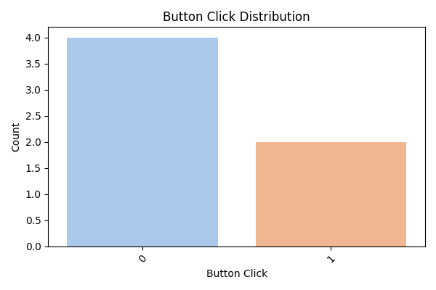
Button Click Value Counts
Button Click | Count
0 | 4
1 | 2

Button Click Percentages
Button Click | Percentage
0 | 66.666666667
1 | 33.333333333

Button Click Summary Stats
Metric | Value
count | 6
mean | 0.33333333333
std | 0.51639777949
min | 0
25% | 0
50% | 0
75% | 0.75
max | 1

total_interaction_time
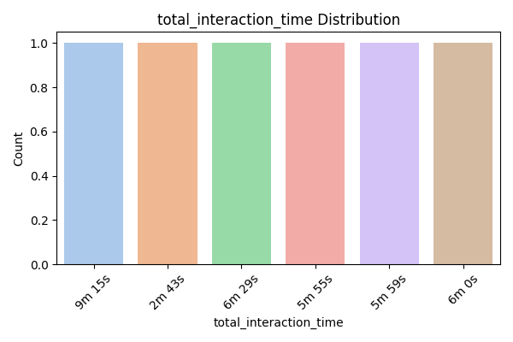
total_interaction_time Value Counts
total_interaction_time | Count
9m 15s | 1
2m 43s | 1
6m 29s | 1
5m 55s | 1
5m 59s | 1
6m 0s | 1

total_interaction_time Percentages
total_interaction_time | Percentage
9m 15s | 16.666666667
2m 43s | 16.666666667
6m 29s | 16.666666667
5m 55s | 16.666666667
5m 59s | 16.666666667
6m 0s | 16.666666667

total_interaction_time Summary Stats
Metric | Value
count | 6
unique | 6
top | 9m 15s
freq | 1

quiz_percentage_correct
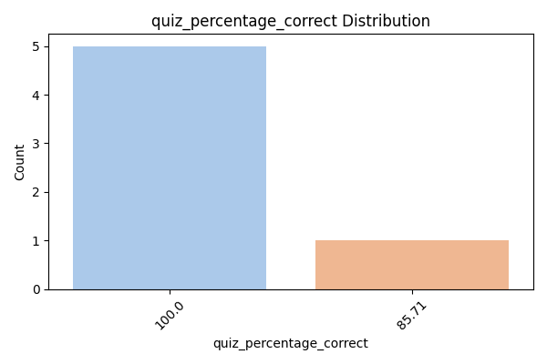
quiz_percentage_correct Value Counts
quiz_percentage_correct | Count
100 | 5
85.71 | 1

quiz_percentage_correct Percentages
quiz_percentage_correct | Percentage
100 | 83.333333333
85.71 | 16.666666667

quiz_percentage_correct Summary Stats
Metric | Value
count | 6
mean | 97.618333333
std | 5.8338680707
min | 85.71
25% | 100
50% | 100
75% | 100
max | 100

score_1
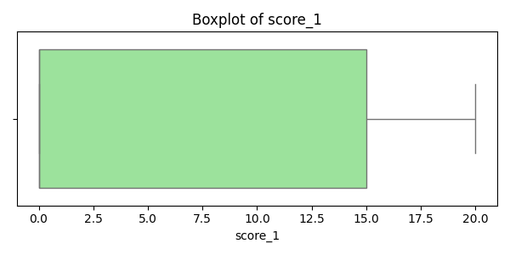
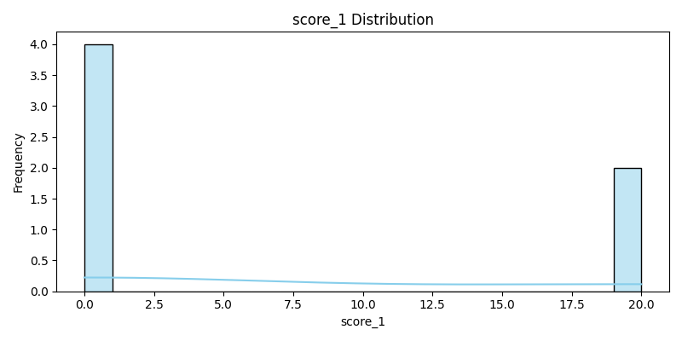
score_1 Summary Statistics
Metric | Value
count | 6
mean | 6.6666666667
std | 10.32795559
min | 0
25% | 0
50% | 0
75% | 15
max | 20
median | 0

score_2
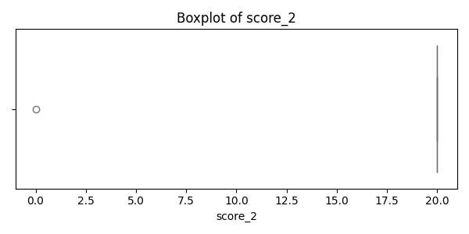
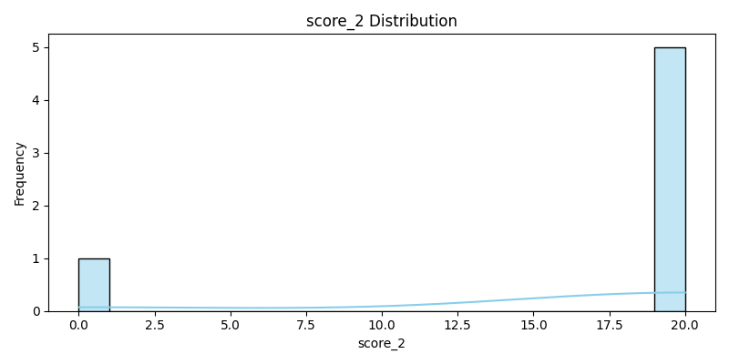
score_2 Summary Statistics
Metric | Value
count | 6
mean | 16.666666667
std | 8.1649658093
min | 0
25% | 20
50% | 20
75% | 20
max | 20
median | 20

score_3
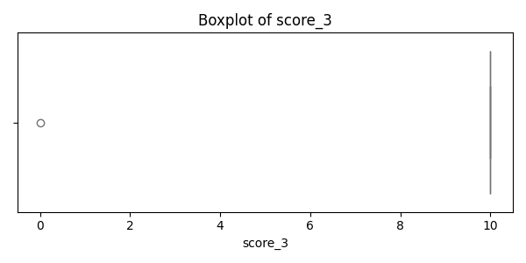

score_3 Summary Statistics
Metric | Value
count | 6
mean | 8.3333333333
std | 4.0824829046
min | 0
25% | 10
50% | 10
75% | 10
max | 10
median | 10

score_4
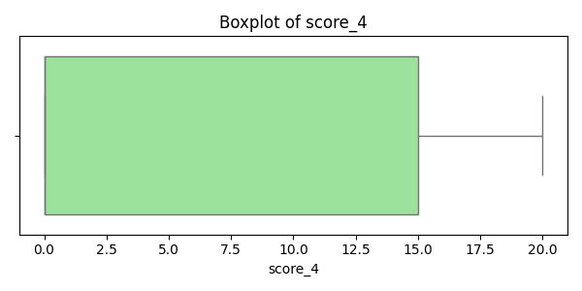
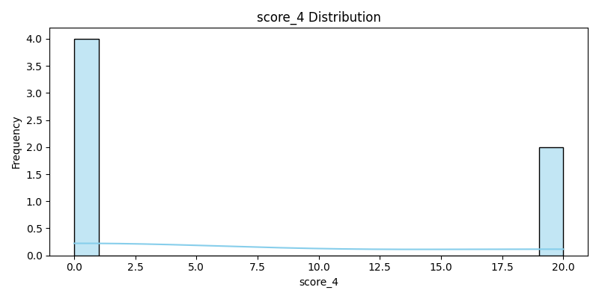
score_4 Summary Statistics
Metric | Value
count | 6
mean | 6.6666666667
std | 10.32795559
min | 0
25% | 0
50% | 0
75% | 15
max | 20
median | 0

score_5
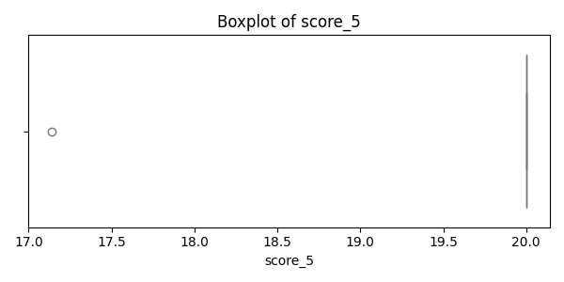
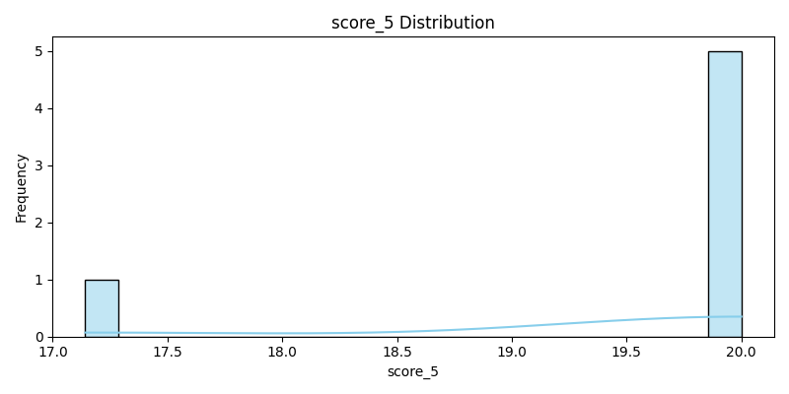
score_5 Summary Statistics
Metric | Value
count | 6
mean | 19.523666667
std | 1.1667736141
min | 17.142
25% | 20
50% | 20
75% | 20
max | 20
median | 20

score_6
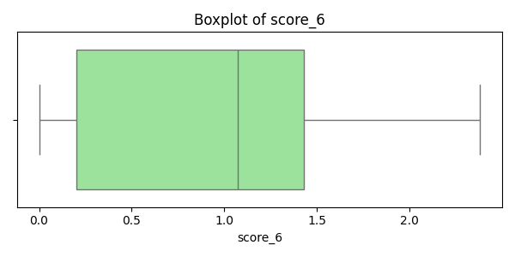
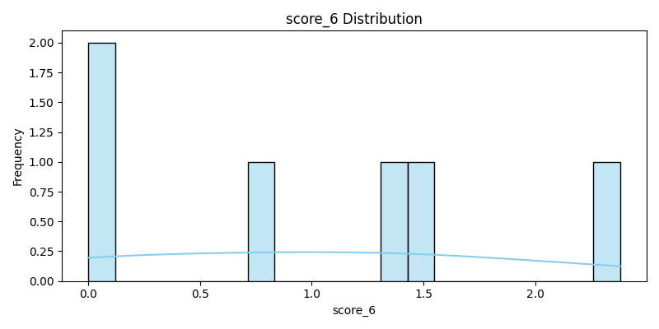
score_6 Summary Statistics
Metric | Value
count | 6
mean | 0.99666666667
std | 0.92428711268
min | 0
25% | 0.2
50% | 1.07
75% | 1.43
max | 2.38
median | 1.07

score
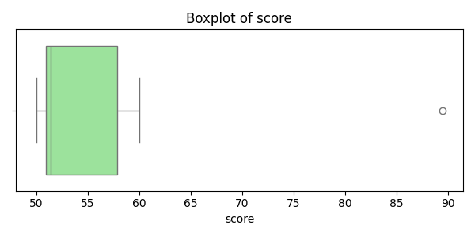
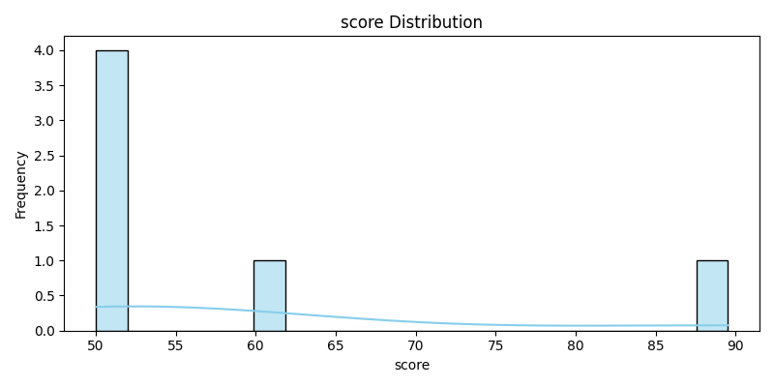
score Summary Statistics
Metric | Value
count | 6
mean | 58.853666667
std | 15.467586776
min | 50
25% | 50.935
50% | 51.4
75% | 57.865
max | 89.522
median | 51.4

